Terms
Producer | --Sender issues Data (Message (array of bytes)); -- Producer is not directly sends data to consumer, instead send to Kafka Server | 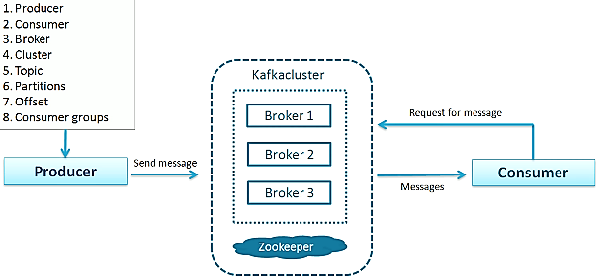
Consumer | -- Receiver consumes Data which was initiated by Producer via Kafka server. -- can consume only from particular PARTITION
Broker | -- Kafka Server act as a Agent between Producer and Consumer; -- Each Broker runs on own system. -- Stores messages, take care of reduntance issues
Topic | a unique identification of a data stream; Many producer may produce to one Topic; Many consumer may be interested in a Topic. -- Topic can be PARTITIONED -- | 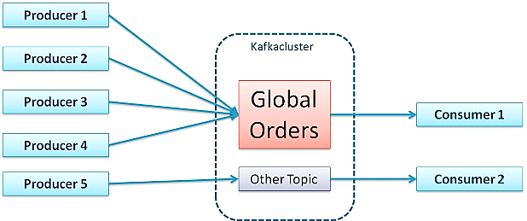
Message | Data (File, Result set etc ) bottom line it’s a array of bytes; -- Message can be key-value pair; key is optional; Hash the key to identify Partition;
Cluster | a unit of a server;
Partitions | -- Divide huge data (Topic) into chunks of data, distribute it into many servers ( Partitions ); -- Split data and store it in partitions and process it all taken care by the product
Offset | a sequential index of a Topic in a Partition; No global Offset across Partitions; To Fetch a unique record : Topic Name -> Partition Num# -> Offset Num#
Consumer Groups | Consumers are Grouped to share the received data among themselves. | 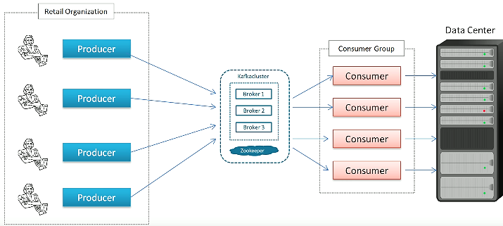
Connectors

Leader | Leader take care all req/res to a Partition. when Kafka is partitioned, Producer/ Consumer point of contact with Leader.
Follower | Copy Data from Leader
Partition Factor | if Partition-Factor is 3 ; (3 Brokers ) -- 1 Leader (Active) -- 2 Followers (Replica copies from Leader ) (Passive) -- 3 Nodes in a Cluster (Ideally One Broker per Computer)

Kafka
Kafka | A distributed publish-subscribe messaging system / Broker; '-- Distributed system -- Scalable and Fault Tolerable Messaging Tool -- Async communication among system/applications | Designed / Aimed For: -- high throughput -- fast performance -- scalability -- high availability. -- Persistent messaging with O(1) disk structures that provide constant time performance even with many TB of stored messages. | Usage: -- like ESB Bus, to integrate various systems -- PIPE; series of validation, transformations -- analytics; store records later consume -- various transactions and handle by diff sys.
Pros
Cons | -- Offset only is for Transaction identifier complicates consumer -- Consumer Group = 1 Thread per Partition; Expensive Operations can not throw more threads

Building Blocks | -- PRODUCER : msg published to a TOPIC -- CONSUMER : subscribed to a TOPIC -- MESSAGE : array of bytes (json, strings etc) -- TOPIC : collection of MESSAGES -- KAFKA : CLUSTER of servers called BROKER | 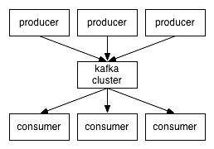 | 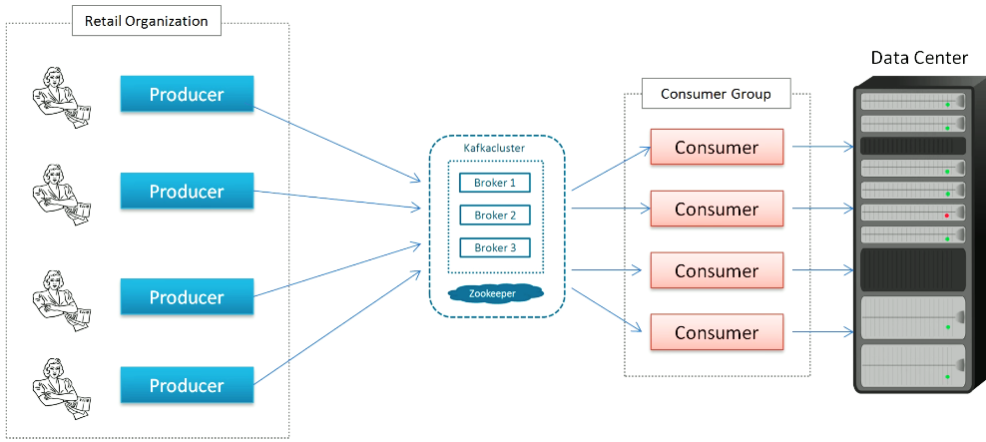
Partition | partitioning messages over Kafka servers and distributing consumption over a cluster of consumer machines while maintaining per-partition ordering semantics. -- Partition is an ordered, Immutable seq of msgs continually appended; Each Partition has one server as a leader, and follower for others; -- Consumer sents offset which is to identify Partition to read from. | 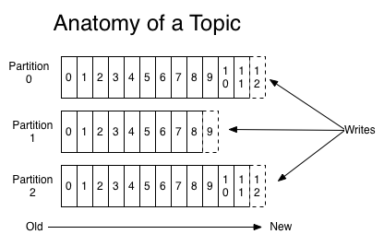
Components | -- Messaging system -- Connectors -- Stream Processing | 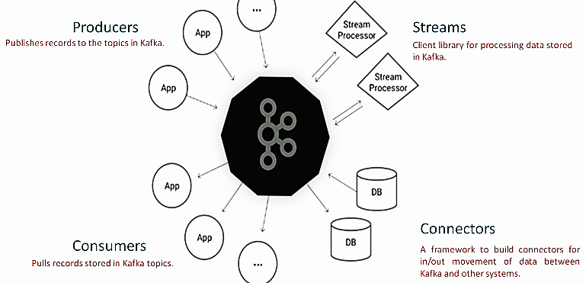
 |  | Messaging system: -- Producer, Message, Topic, Consumer | Connectors: -- Import/Export bulk data to/from DB -- in/out movement of data between kafka and other system. | Stream Processing: -- Flow of data goes in and out of Messaging system. -- client processing data stored in kafka

Brokers | Kafka's every Partitions are called Brokers
 | -- Very Fast; Because it uses KERNAL SPACE, NOT JVM -- Message are stored in Flat files on disk -- Topics and Partitions are Directories -- Low memory utilization because nothing to keep in memory, rather files -- Broker does NOT keep track of who consumed the messages

Producer | write producer code to send to Kafka. -- Properties are set to config Producer while instantiate ------ BootStrap Server (Broker ip port) ------ In Serializer; Out Serializer | using serializer the message is converted to bytes; msg key hashed and sends the msg to specific Partition # otherwise in round-robin sends to any partitions | 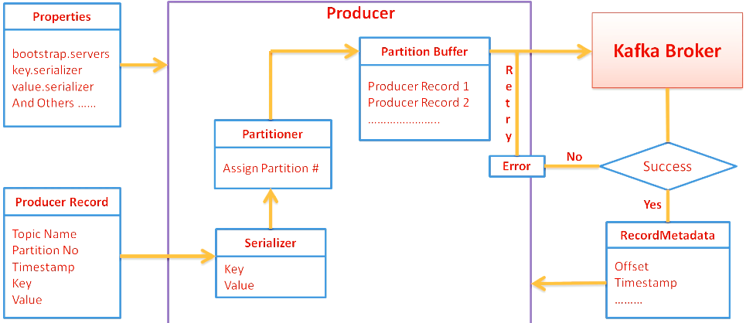 | String topicName = "SimpleProducerTopic"; String key = "Key1"; String value = "Value-1"; Properties props = new Properties(); props.put("bootstrap.servers", "localhost:9092,localhost:9093"); props.put("key.serializer", "org.apache.kafka.common.serialization.StringSerializer"); props.put("value.serializer", "org.apache.kafka.common.serialization.StringSerializer"); Producer<String, String> producer = new KafkaProducer <>(props); ProducerRecord<String, String> record = new ProducerRecord<>(topicName,key,value); producer.send(record);
Producer Record | -- Topic -- Partition No -- key -- Value -- Timestamp
Communication mode | -- Fire and Forget (Msg could be lost) -- Synchronous (wait for resp ) -- Asynchronos ( callBack() )
 | Producer requires PARTITION scheme

Consumer
 | -- subscribe to a Topic and a Partition -- keep track of what message offset was consumed last -- Lot of error handling need to be done if Broker has error; But this is not the case for Consumer Group.

Consumer Group | -- Kafka make sure only one Consumer from a Group, sees a message (Topic and with in Partition) at a time -- Zookeeper keep track of what messages were consumed topic/partition -- Consumer Group = 1 thread per partition

Consumption management | -- Message in Kafka, has unique identifier (topic and partition) -- Consumer can look for message using identifier even older -- Identfier are sequential --

Kafka-Internals
Memory Mapped Files | -- Kernel maps contents of files directly to memory. Any application can ask for such a mapping, a convenient and high-performance way to do file I/O
Kernel Space | -- Brokers write messages to disk, using KERNAL-SPACE, NOT JVM -- Uses OS Pagecache -- Dynamically loaded libraries are brought into your program's address space via file mapping. | 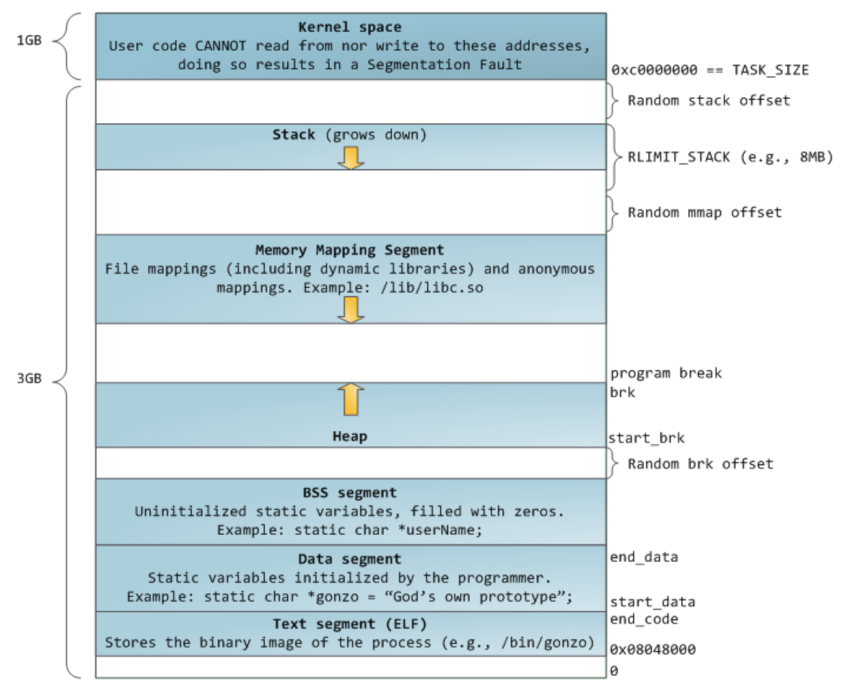 | 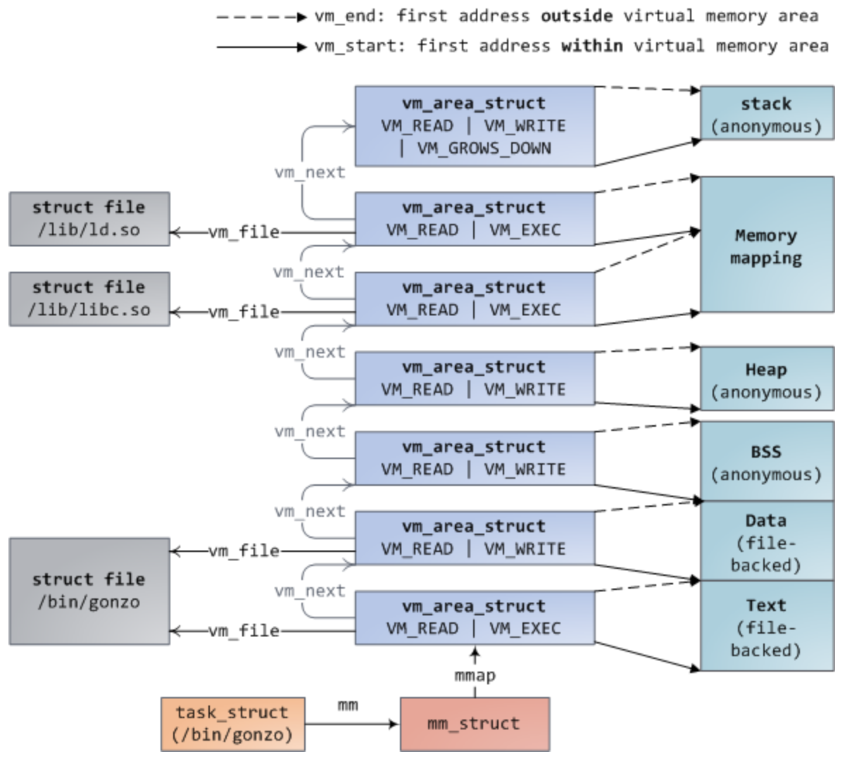
Page-cache | -- all regular file I/O happens through the page cache. -- Page-Table : Virtual Mapping Addr & Absolute Address -- Page Frame : Absolute Storage; 4kb per frame -- Page-Cash : any IO file read/load/render its make use of it. | 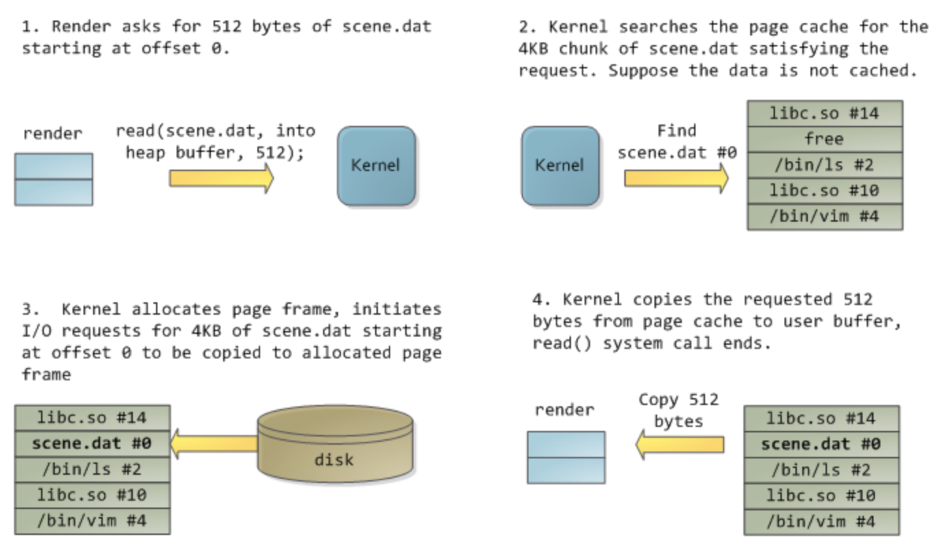
CPU - cache
Commit-Log | -- File on our disc, appends stream of events coming into

