Terms
 | Syntax
 | Symantix

 | Coupling
 | Composed
 | Compose Method Pattern | > code after few months or years. Looks agly. > Long methods are causes big issues.
 | Comments | stale comments.

 | Principles | > Single Responsibility Principle > Open/Closed Principle > Interface se

 | Single Responsible Principle: | > Yagni >
 | Open/Closed Principles | Software module should be open for extension but closed for modification. --if you need to enhance - Do not modify code but extend code (rewrite or add new) --Abstraction and Polymorphism are keys to implement open/closed principle --

 | Abstraction
 | Polymorphism

 | Enhancement | 1> Modify existing code -----Adds more complexity 2> Add a small new module of code -----
 | Public IP | DNS is linked with public IP ( LoadBalancer - server's IP)
 | Private IP | Backend server has IP address, not exposed. LoadBalancer distribute/balance incoming request to linked many different servers using its private IP.
 | DNS | Domain Name Server. Like LNDI - Index server contains domain name and IP address map.

 | Cohesive | One method, One class or one flow must do only one specific task, not mix-up more functionalities into one.

abr | ISP | Internet Service Providers
abr | CDN | Content Delivery Network
 | SDN | Software Defined Networking
 | SDI | Software Defined Intelligence
 | NFV | Network Function Virtualization
 | IoT | Internet of Things

internet | Internet Backbone: | The collection of cables and data canters that make up the core of the internet. This is operated not by a single operator but by many independent companies spread across the globe. | 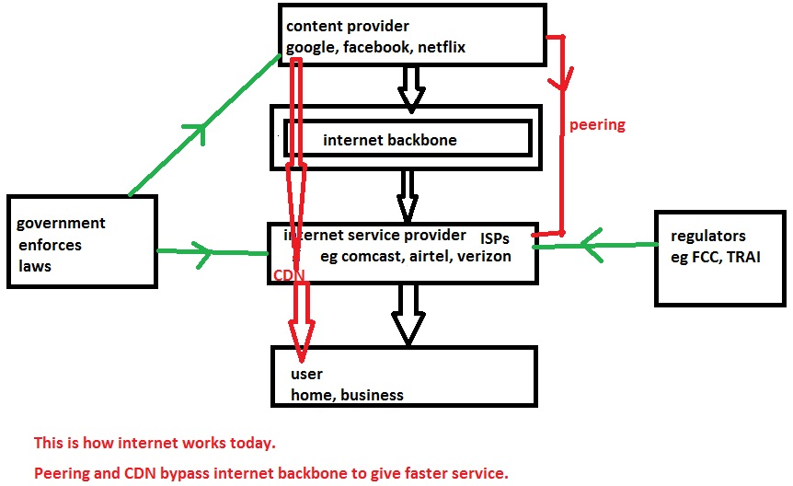
internet | Internet Service Provider (ISP): | A company, such as Comcast or Verizon or Airtel or Tata docomo, that plugs into the backbone and then provides internet connections to homes and businesses. ISP is also known as TSP (telecom service provider) or Telco or broadband carriers or network operators or internet access providers or platform operator. An ISP provides internet services to users via cable or wireless connections. Access ISP = last mile ISP = eyeball ISP = ISP that provides internet access to user.
internet | Content Provider: | Companies such as Google, Facebook, and Netflix that provide the webpages, videos, and other content that moves across the internet. My website www.drrajivdesaimd.com is also a content provider. A content provider is anyone who has a website that delivers content to internet users. Content and service providers (CSPs) offer a wide range of applications and content to the mass of potential consumers.
internet | Peering: | Where one internet operation connects directly to another so that they can trade traffic. This could be a connection between an ISP such as Comcast and an internet backbone provider such as Level 3. But it could also be a direct connection between an ISP and a content provider such as Google.
internet | Content Delivery Network (CDN): | A network of computer servers set up inside an ISP that delivers popular photos, videos, and other content. These servers can deliver this content faster to home users because they’re closer to home users. Companies such as Akamai and Cloudflare run CDNs that anyone can use. But content providers such as Google and Netflix now run their own, private CDNs as well.
internet | Regulator: | FCC (federal communication commission of U.S.) and TRAI (telecom regulatory authority of India) are some examples of regulators that regulate ISPs.

Req/Res | Observable | Stream of data flows. many oberservers may or may-not observe it, But data flows. Ex: Radio
Req/Res | Iterator | Interactive - Check if more data available, and get it. hasNext() next()
Req/Res | Promise | Requested Data will be responded later sometime. Don't wait.

 | Stream | Lazy
 | Parallel Stream
 | Observable | 3 channels --Data --Complete --Error

Prog | OOP
Prog | Functional | Not Object oriented; Means
Prog | Imperative | Instruct step by step what/how to do..
Prog | Declarative | hands off task by calling an API
Prog | Procedural

 | Data Center Networking | A SPECIAL FACILITY to manage, support critical computing resources for org; Special building encompasses following resources, CONTROLLED MANAGED remotely or locally; -- Network devices, cabling -- Cooling system -- Power backup -- Storage system -- Data security system -- Monitoring -- Physical Security -- Server -- Mainframe

 | Virtualization | Why Virtualization?
 | Virtualization | How are servers Virtualized?
 | Virtualization | How are storage virtualized?
 | Virtualization | How networking components are virtualized?
 | Virtualization | What are networking standards related to virtualization?
 | Cloud Computing | What cloud computing?
 | Cloud Computing | What are different types of cloud computing?
 | Cloud Computing | How Cloud computing different from other computing like Grid, Cluster
 | Fog Computing | What is fog computing?

 | Big Data | What is Big Data?
 | Big Data | How networking help in solving big data probs?
 | Big Data | What relationship cloud vs big-data?
 | Big Data
 | OpenFlow | OpenFlow operations
 | OpenFlow
 | NETCONF
 | YANG
 | SDN | What is Software Defined Networking?
 | SDN | What are different flavors of SDN?
 | SDN | Difference between SDN and OpenFlow?
 | NFV | What is Network Function Virtualization?

Internet
 | 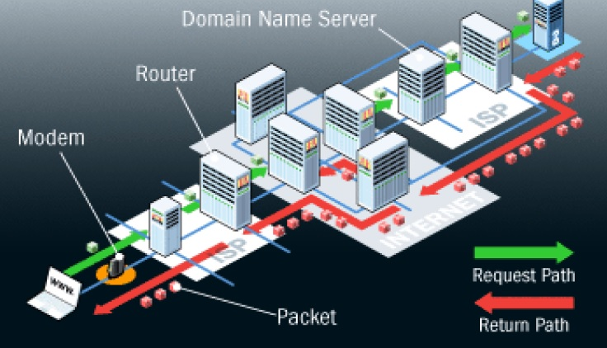

Client to Server ONLY | HTTP1.0, 1.1 -- HTTP a uni-directional protocol; Only Brower initiate the request
Client to Server Server to Client BOTH - LIMITED | HTTP2.0 -- HTTP/2 Server Push : server proactively push assets (stylesheets, scripts, media) to the client cache in advance --
Server to Client ONLY | -- SSE (Server Sent Events / EventSource) -- SSE connections can only push data to the browser. -- Browsers can only subscribe to data updates originated by server, but cannot send any data to the server
Client to Server Server to Client BOTH | -- Bi-directional protocol -- Single TCP connection : same connection Client and Server sends and receives on same; -- Great choice for handling long-lived bidirectional data streaming in near real-time manner

Socket-Network
 | IP | TCP - UDP | HTTP - FTP
 | Internet Protocol | Transmission Controll Protocol - User Datagram Protocol | Hyper Text Transfer Protocol - File Trasfer Protocol
 | Network | Transport | Transfer Data
 | Connects one Network to Another | Transport other protocols like Application data | Application Data Transferred across network
 | required to connect all networks; TCP/UDP utilize the IP for Transport | Ensures data is safely transferred | Services between two entity; privacy, authenticate, meta data
 | Like ROAD connects different destinations | Like TRUCK carries load of data from one source to destination | Like Package; packed physical data to communicate.
 |  |  | 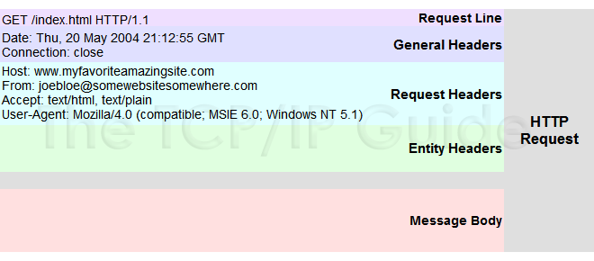 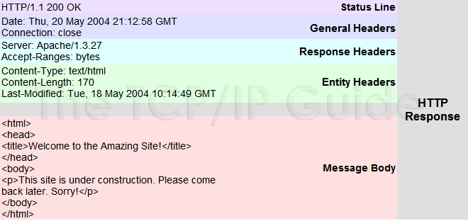

Application |  | 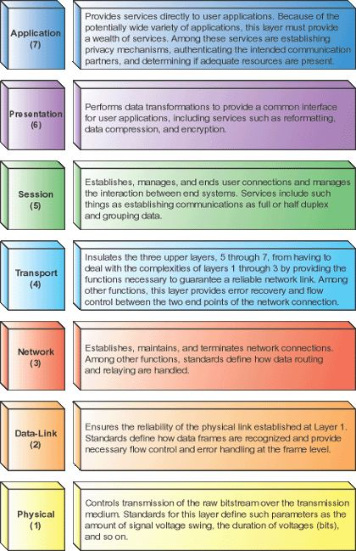
Presentation
Session
Transport
Network
Data-Link
Physical

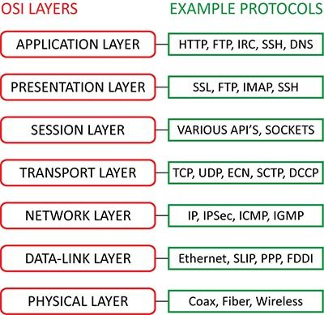
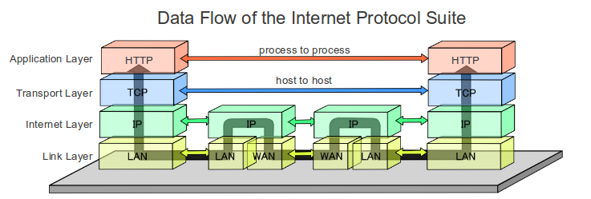

netstat -na
netstat -an | find "8080"
netstat -an | find "LISTENING"
netstat -b
netstat -a -n -p -l | Sockets are owned by the process that opened them.
netstat -a | prints all sockets
netstat -n | shows port number
netstat -p | shows PID
netstat -l | shows only listening
netstat -tulpno | grep :8080
netstat -anp | grep java
nslookup | name server lookup. Returns DNS (Domain Name Server) IP address of server.

Protocol
 | Protocol
 |  | • A standard set of formats and procedures that enable computers to exchange information. • It is a set of rules governing the format and meaning of frames, packets, or messages that are exchanged by peer entities within a layer. • Entities use protocols in order to implement their service definitions.
 |  | > Protocol are used for communications between entities in a systems. > Identifying hosts; and providing a logical location service
 | Key Elements | Syntax : Include Time data formats and signal levels Semantics: Includes control information and error handling.
 |  |  | 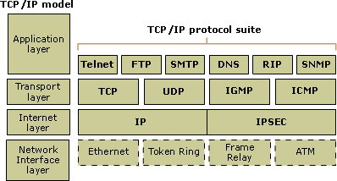
 | Communication model | • Source – Generates the data to be transmitted • Transmitter – Converts the data into transmittable signals • Transmission system – Carries the data. • Receiver – Converts received signals into data. • Destination – Takes incoming data. | The key communication tasks are:  Transmission system utilization  Interfacing  Signal generation  Synchronization  Exchange management  Error detection and correction  Addressing and routing  Security and network management
 | Communication model | 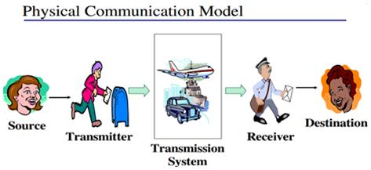 | 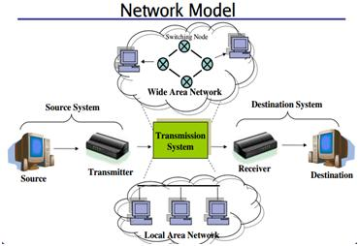

 |  | User Diagram Protocol (UDP)
 |  | Transmission Control Protocol (TCP)

 | Internet Protocol | Essentially establishes the Internet. It has the task of delivering packets from the source host to the destination host solely based on the IP addresses in the packet headers. | Internet protocol suite is therefore often referred to as TCP/IP. Because, Historically, IP was connectionless service. But later connection-oriented Transmission Control Protocol used.
 | Packet switching network | Groups all transmitted data – regardless of content, type, or structure – into suitably sized blocks, called packets. | When traversing network packets are buffered and queued, resulting in variable delay and throughput depending on the network's capacity and the traffic load on the network. Packets are normally forwarded by intermediate network nodes asynchronously using first-in, first-out buffering.
 | Circuit switching | Sets up a limited number of dedicated connections of constant bit rate and constant delay between nodes for exclusive use during the communication session. | Its characterized by a fee per unit of connection time, even when no data is transferred
 | Datagram | Basic transfer unit associated with a packet-switched network in which the delivery, arrival time, and order of arrival are not guaranteed by the network. | Each datagram has two components: a HEADER and a PAYLOAD. HEADER: tagged with the source IP address, the destination IP address, and other meta-data needed to route and deliver the datagram. PAYLOAD: the data that is transported. This method of nesting the data payload in a packet with a header is called encapsulation.
` | URL
 | HTTP protocol | > The HTTP protocol is a application-level request/response protocol based on client/server based architecture. Web browser is clients and Web server is server. > HTTP a stateless and TCP/IP based communication protocol.
 | Http Request | The HTTP client sends a request to the server over a TCP/IP connection > form of a request method > URI, > protocol version, > MIME-like message containing request modifiers, > client information, > body content | > date/time formats Sun, 06 Nov 1994 08:49:37 GMT ; RFC 822, updated by RFC 1123 Sunday, 06-Nov-94 08:49:37 GMT ; RFC 850, obsoleted by RFC 1036 Sun Nov 6 08:49:37 1994 ; ANSI C's asctime() format > Content Encodings Accept-encoding: gzip Accept-encoding: compress Accept-encoding: deflate | > Media Types All the Media-type values are registered with the Internet Assigned Number Authority (IANA) example: Accept: image/gif > Language Tags en, en-US, en-cockney, i-cherokee, x-pig-latin
 | Http Response | The HTTP server responds > message's protocol version > a success or error code, > MIME-like message containing server information, > entity META information, > entity-body content. | server responds with status codes and message payloads. The status code tells the client how to interpret the server response. 1xx: Informational Messages - Tell client to continue send remainder req 2xx: Successful 3xx: Redirection 4xx: Client Error - invalid / bad request 5xx: Server Error - server failure, not able to process request
 | Http Req Protocol Methods | Http Protocol Methods GET - form submits data through URL POST - form submits through HEAD - txn in header section PUT - replace all DELETE - remove current representa | GET to retrieve information from the given server using a given URI. Requests using GET should only retrieve data and should have no other effect on the data. specifying parameters in the URL portion of the request. | POST to send data to the server, for example customer information, file upload etc using HTML forms. send file update, form data etc to the serve. | HEAD Same as GET, but only transfer the status line and header section. the server replies with a response line and headers, but no entity-body. | PUT Replace all current representations of the target resource with the uploaded content. to store the included entity-body at a location specified by the given URL | DELETE Remove all current representations of the target resource given by URI. To delete file at a location specified by the given URL | CONNECT Establish a tunnel to the server identified by a given URI. to establish a network connection to a web server over HTTP. | OPTIONS Describe the communication options for the target resource. To find out what are the HTTP methods and other options supported by a web server. The client can specify a URL for the OPTIONS method, or an asterisk (*) to refer to the entire server. | TRACE Perform a message loop-back test along the path to the target resource. To eacho contents of an HTTP Request back to the requester which can be used for debugging purpose during dev.
 | Http Req Protocol Methods |  | Req: GET /hello.htm HTTP/1.1 User-Agent: Mozilla/4.0 (compatible; MSIE5.01; Windows NT) Host: www.tutorialspoint.com Accept-Language: en-us Accept-Encoding: gzip, deflate Connection: Keep-Alive Res: HTTP/1.1 200 OK Date: Mon, 27 Jul 2009 12:28:53 GMT Server: Apache/2.2.14 (Win32) Last-Modified: Wed, 22 Jul 2009 19:15:56 GMT ETag: "34aa387-d-1568eb00" Vary: Authorization,Accept Accept-Ranges: bytes Content-Length: 88 Content-Type: text/html Connection: Closed | Req: POST /cgi-bin/process.cgi HTTP/1.1 User-Agent: Mozilla/4.0 (compatible; MSIE5.01; Windows NT) Host: www.tutorialspoint.com Content-Type: text/xml; charset=utf-8 --- Connection: Keep-Alive <?xml version="1.0" encoding="utf-8"?> <string xmlns="http://clearforest.com/">string</string> Res: HTTP/1.1 200 OK Date: Mon, 27 Jul 2009 12:28:53 GMT Server: Apache/2.2.14 (Win32) Last-Modified: Wed, 22 Jul 2009 19:15:56 GMT ETag: "34aa387-d-1568eb00" Vary: Authorization,Accept Accept-Ranges: bytes Content-Length: 88 Content-Type: text/html Connection: Closed <html> <body> <h1>Request Processed Successfully</h1> </body> </html> | Req: HEAD /hello.htm HTTP/1.1 User-Agent: Mozilla/4.0 (compatible; MSIE5.01; Windows NT) Host: www.tutorialspoint.com Accept-Language: en-us Accept-Encoding: gzip, deflate Connection: Keep-Alive Res: HTTP/1.1 200 OK Date: Mon, 27 Jul 2009 12:28:53 GMT Server: Apache/2.2.14 (Win32) Last-Modified: Wed, 22 Jul 2009 19:15:56 GMT ETag: "34aa387-d-1568eb00" Vary: Authorization,Accept Accept-Ranges: bytes Content-Length: 88 Content-Type: text/html Connection: Closed | Req: PUT /hello.htm HTTP/1.1 User-Agent: Mozilla/4.0 (compatible; MSIE5.01; Windows NT) Host: www.tutorialspoint.com Accept-Language: en-us Connection: Keep-Alive Content-type: text/html Content-Length: 182 <html> <body> <h1>Hello, World!</h1> </body> </html> Res: HTTP/1.1 201 Created Date: Mon, 27 Jul 2009 12:28:53 GMT Server: Apache/2.2.14 (Win32) Content-type: text/html Content-length: 30 Connection: Closed <html> <body> <h1>The file was created.</h1> </body> </html> | Req: DELETE /hello.htm HTTP/1.1 User-Agent: Mozilla/4.0 (compatible; MSIE5.01; Windows NT) Host: www.tutorialspoint.com Accept-Language: en-us Connection: Keep-Alive Res: HTTP/1.1 200 OK Date: Mon, 27 Jul 2009 12:28:53 GMT Server: Apache/2.2.14 (Win32) Content-type: text/html Content-length: 30 Connection: Closed <html> <body> <h1>URL deleted.</h1> </body> </html> | Req: CONNECT www.tutorialspoint.com HTTP/1.1 User-Agent: Mozilla/4.0 (compatible; MSIE5.01; Windows NT) Res: HTTP/1.1 200 Connection established Date: Mon, 27 Jul 2009 12:28:53 GMT Server: Apache/2.2.14 (Win32) | Req: OPTIONS * HTTP/1.1 User-Agent: Mozilla/4.0 (compatible; MSIE5.01; Windows NT) Res: HTTP/1.1 200 OK Date: Mon, 27 Jul 2009 12:28:53 GMT Server: Apache/2.2.14 (Win32) Allow: GET,HEAD,POST,OPTIONS,TRACE Content-Type: httpd/unix-directory | Req: TRACE / HTTP/1.1 Host: www.tutorialspoint.com User-Agent: Mozilla/4.0 (compatible; MSIE5.01; Windows NT) Res: HTTP/1.1 200 OK Date: Mon, 27 Jul 2009 12:28:53 GMT Server: Apache/2.2.14 (Win32) Connection: close Content-Type: message/http Content-Length: 39
 | Http Header | > General Headers > Entity headers Entity headers to provide meta-information about the the content > Request specific header > Response specific header | General Headers general-header = Cache-Control | Connection | Date | Pragma | Trailer | Transfer-Encoding | Upgrade | Via | Warning | Entity Header entity-header = Allow | Content-Encoding | Content-Language | Content-Length | Content-Location | Content-MD5 | Content-Range | Content-Type | Expires | Last-Modified | Request Header: request-header = Accept | Accept-Charset | Accept-Encoding | Accept-Language | Authorization | Expect | From | Host | If-Match | If-Modified-Since | If-None-Match | If-Range | If-Unmodified-Since | Max-Forwards | Proxy-Authorization | Range | Referer | TE | User-Agent | Response Header: response-header = Accept-Ranges | Age | ETag | Location | Proxy-Authenticate | Retry-After | Server | Vary | WWW-Authenticate
 | Http Header |  | Connection: close - TCP conn close after response; open-close conn expensve. via : - TRACE message and updated by all intermittent proxies and gateways. Date: - timestamp req and res Upgrade: - smooth transition to a newer protocol Transfer-Encoding: chunked - break res into small parts |  | GET /articles/http-basics HTTP/1.1 Host: www.articles.com Connection: keep-alive Cache-Control: no-cache Pragma: no-cache Accept: text/html,application/xhtml+xml,application/xml;q=0.9,*/*;q=0.8
 | Http Proxy | > Acts as an intermediary between a client and a server. > A proxy has functions of both a client and a server. > Proxies are commonly used in firewalls, for LAN-wide caches > When a client uses a proxy, it typically sends all requests to that proxy, instead of to the servers in the URLs

 | TCP/IP Protocol | TCP/IP protocols map to a four-layers Application, Transport, Internet, and Network Interface. Each layer corresponds to one or more layers of the seven-layer Open Systems Interconnection (OSI) model. to provide high-speed communication network links. | 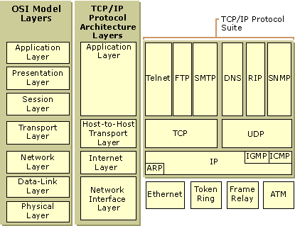
 | TCP/IP Protocol | Network Interface Layer/Network Access layer: Its responsible for placing TCP/IP packets on the network medium and receiving TCP/IP packets off the network medium | Internet Layer: Its responsible for addressing, packaging, and routing functions. The core protocols of the Internet layer are IP, ARP, ICMP, and IGMP Internet Protocol (IP): is a routable protocol responsible for IP addressing, routing, and the fragmentation and reassembly of packets. Address Resolution Protocol (ARP) : resolution of the Internet layer address to the Network Interface layer address such as a hardware address. Internet Control Message Protocol (ICMP) is responsible for providing diagnostic functions and reporting errors due to the unsuccessful delivery of IP packets. Internet Group Management Protocol (IGMP) is responsible for the management of IP multicast groups. | Transport Layer: Its responsible for providing the Application layer with session and datagram communication services. Transmission Control Protocol (TCP): provides a one-to-one, connection-oriented, reliable communications service. Its responsible for the establishment of a TCP connection, the sequencing and acknowledgment of packets sent, and the recovery of packets lost during transmission. User Datagram Protocol (UDP) provides a one-to-one or one-to-many, connectionless, unreliable communications service. UDP is used when the amount of data to be transferred is small (such as the data that would fit into a single packet), when the overhead of establishing a TCP connection is not desired or when the applications or upper layer protocols provide reliable delivery. | Application Layer : provides applications the ability to access the services of the other layers and defines the protocols that applications use to exchange data. HTTP, FTP, SMTP are application layer protocol.

 | Security System | 1. Client hits server using HTTPS 2. Server sends certificat to client 3. Client browser verifies certificate and create sessionId 4. The sessionId is encrypted and send to Server. | > Asymmetric cryptography the key used to encrypt message is not same key used to decrypt the msg >
 | Security System | Asymmetric Cryptography: Sender/Receiver: >sender has his own public key and private key; receiver has his own public key and private key. > sender and receiver exchange public key with encrypted message. > public key is only used for encrypt the message. > public key widely shared and private key kept secret. private key can not be derived from public key.
 | Security System | PKI (Public Key Infrastructure) System of digital certificates. Certificate Authorities (CA) and Registration Authorities (RA) verify and authenticate parties involved in internet transaction

 | SSL | Secure Socket Layer

