ts-notes
TypeScript | Super set of Javascript; TypeScript compiles into Javascript; -- TypeScritp = Javascript + Static Type (vars) + Tools -- any JS frameworks(ng, backb..) can work with Typescript |  | 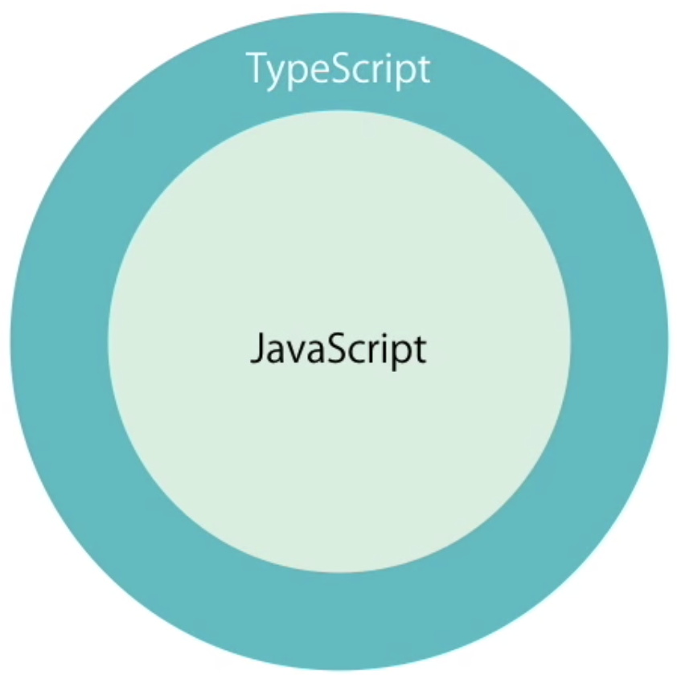
Offers | -- Type -- Arrow Function -- Access Specifier -- Properties -- Modules | Key words introduced / carried from Java : -- class -- abstract -- interface -- enum -- private, public -- constructor -- => (arrow func = Lamda in java)
Tools | -- Tools/Utility ------- IDE F12 will take to definition; ------- compiles and give error on save. ------- Refactor is effortless
Features | -- Backward and Future compatible (Old can be upgrade to newer vers) -- OOP Features --------- class, interface, Generics -- Type inference, Union Type ( | or ), Tuple Types --------- | 