UI Format
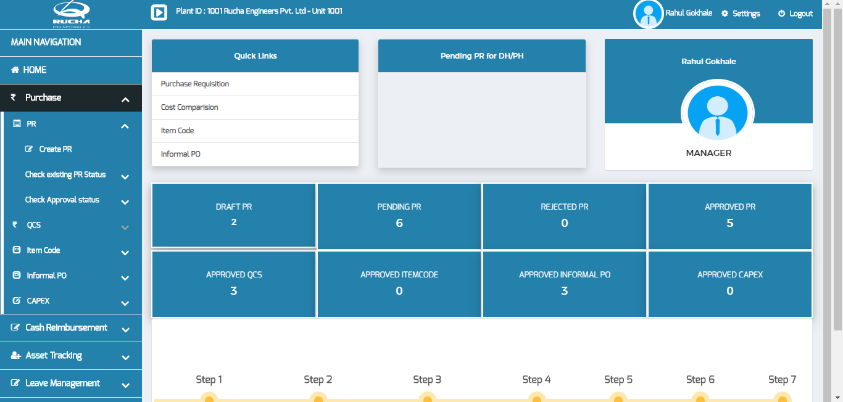
Font Name | Exo
Background Color | #3482AE
Font Color | #FFFFFF

Form Template
