pre_transaction_header
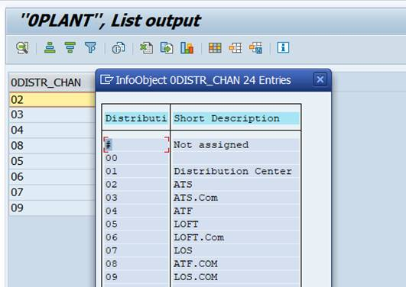
 |  | pre_hst_transaction_header | pre_atg_order_header/pre_atg_order_return | pre_aw_transaction_header
 |  | History | ATG | AW
F_TXN_HEADER | An Epsilon generated unique ID for the transaction | TXN_ID |  | if_entry_no
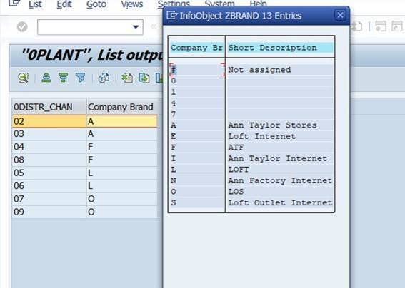
F_TXN_HEADER | A Unique native identifier for a transaction by source. For POS, this field is a concatenation of store, register, date, and transaction sequence information | TXN_NBR | orderid | concat(cast (store_no as string), ':',cast (register_no as string),':',cast ( FORMAT_DATE("%Y%m%d",EXTRACT(DATE FROM (PARSE_DATETIME('%m/%d/%Y %H:%M:%S',entry_date_time)))) as string),':',cast (transaction_no as string))
F_TXN_HEADER | The source of the transaction: MW AW ATG | TXN_SOURCE_CD | Default to 'ATG' | Default to 'AW'
F_TXN_HEADER | Client defined code that identifies the brand for which the transaction occurred AT = Ann Taylor LOFT = Loft Store ATF = Ann Taylor Factory LOS = Loft Outlet Store ENT = Enterprise | BRAND_CD | siteid - derivation | store_no - derivation
F_TXN_HEADER | Store number where the transaction occurred | STORE_NBR | siteid | store_no | pre_store
F_TXN_HEADER | POS register number within the store for which the transaction occurred. Set to 1 for ecommerce transactions | REGISTER_NBR | DEFAULT TO '1' | register_no
F_TXN_HEADER | Date on which the transaction occurred or was submitted | TXN_DT | submitteddate | entry_date_time
F_TXN_HEADER | Time on which the transaction occurred or was submitted | TXN_TIME | submitteddate- time part | entry_date_time -time part
F_TXN_HEADER | A code that defines the type of transaction that took place: PUR = purchase EXC = exchange RTN = return | TXN_TYPE_CD | PUR - priceinfoamount > 0 EXC - priceinfoamount = 0 RTN - priceinfoamount < 0 | PUR - tender_total > 0 EXC - tender_total = 0 RTN - tender_total < 0
F_TXN_HEADER | A code that indicates the channel through which the transaction was received: RET = retail WEB = online | TXN_CHANNEL_CD | Default to 'WEB' | Default to 'RET'
F_TXN_HEADER | The IP Address from which the transaction was placed | IP_ADDRESS | ipaddress | DEFAULT TO '0'
F_TXN_HEADER | The undiscounted subtotal of the transaction (not to include gift cards) | TXN_GROSS_AMT | rawsubtotal
F_TXN_HEADER | Total amount of the transaction | TXN_NET_AMT | priceinfoamount | tender_total
F_TXN_HEADER | A code that defines the status of the transaction: C = complete F = failed S = submitted I = incomplete H = on hold FR = hold-fraud NPA = no pending action SH = shipped R = removed P = processing H = hold PCR = pending customer return PMA = pending merchant action UNK = unknown **MW and AW transactions are defaulted to 'C', all other codes sourced from ATG transactions | TXN_STATUS_CD | profileid | interface_control_flag
F_TXN_HEADER | In case the transaction was created as an exchange or return to another transaction, this field will contain TXN_ID of the original web transaction. | ORIG_WEB_TXN_ID
F_TXN_HEADER | This indicator is set to 'CONTACTCENTER' when a transaction is placed via CSC (Call Center). Otherwise, the value will be set to 'DEFAULT'. | ORIGINOFORDER | originoforder | null
 |  | BATCH_ID | BATCH_ID | BATCH_ID
F_TXN_HEADER | Total amount of discounts associated with the transaction | TXN_DISC_AMT
F_TXN_HEADER | Total amount of adjustments associated with the transaction | TXN_ADJ_AMT
F_TXN_HEADER | The total shipping cost for the transaction | TXN_SH_AMT
F_TXN_HEADER | The total tax amount for the transaction | TXN_TAX_AMT
F_TXN_HEADER | The total gift card amount of the transaction | TXN_GC_AMT
F_TXN_HEADER | The total amount of returns for the transaction | TXN_RET_NET_AMT
F_TXN_HEADER | The total amount of shipping returned for the transaction | TXN_RET_SH_AMT
F_TXN_HEADER | The total amount of tax returned for the transaction | TXN_RET_TAX_AMT
F_TXN_HEADER | The total amount of other returned for the transaction | TXN_RET_OTH_AMT
F_TXN_HEADER | The total amount of fees returned for the transaction | TXN_RET_FEE_AMT
F_TXN_HEADER | The total number of items sold for the transaction | TXN_SOLD_QTY
F_TXN_HEADER | The total number of items returned for the transaction | TXN_RET_QTY
F_TXN_HEADER | The total sum of cost of goods sold for the non-return items | TXN_COGS
F_TXN_HEADER | The type of tender used as the primary tender for the transaction | PRIMARY_TNDR_TYPE_CD
F_TXN_HEADER | The total sum of cost of goods sold for the return items | TXN_RET_COGS
F_TXN_HEADER | The total sum of item net amounts minus the total sum of item refund amounts | TXN_NET_NET_AMOUNT
F_TXN_HEADER | The total number of transactions, set as literal '1' for each all transactions | TXN_QTY
F_TXN_HEADER | This indicator will be set to '1' when an online purchased item is returned in-store. Otherwise, the value will be '0'. | WEB_RTN_AT_POS_IND
F_TXN_HEADER | This indicator will be set to '1' when the online purchase was made via an associate using an iPad within a brick and mortar store. Otherwise, the value will be '0'. | IPAD_TXN_IND
F_TXN_HEADER | The associate number of the associate placing the order via the iPad. | IPAD_CASHIER_EMP_NBR
F_TXN_HEADER | The actual brick and mortar store where the iPad order was placed by the associate. | IPAD_STORE_NBR
F_TXN_HEADER | RN: CSC (Call Center) generated return WEB: online generated | SOURCE_KEYCODE
F_TXN_HEADER | This indicator will be set to '1' when an online purchase was done via Masterpass. Otherwise, the value will be '0'. | WALLET_IND
F_TXN_HEADER | This indicator will be set to the following values when an online BOPIS purchase item(s) was canceled / not picked up. Otherwise, the value will be set to NULL CANCELED- Indicates that the Transaction was Cancelled. This only occurs when the order is solely a BAC order and none of the item(s) was picked up. ADJUSTED- Indicates that the Transaction amounts/quantities were adjusted to reflect Canceled/Not picked up item(s) in the transaction. | BOPIS_ITEM_ADJ_CD
F_TXN_HEADER | ShopRunner Order Indicator: SR = Shop Runner Order NULL = Not a Shop Runner Order | PARTNER_CD
F_TXN_HEADER | Current Individual ID of the bill to individual at the Brand level | BILL_INDIV_ID
F_TXN_HEADER | Current Household ID of the bill to individual at the Brand level | BILL_HH_ID
F_TXN_HEADER | Current Address ID of the bill to individual at the Brand level | BILL_ADDR_ID
F_TXN_HEADER | GEOID of the bill to individual at the Brand level | BILL_USPS_GEO_ID
F_TXN_HEADER | Individual ID of the individual at the time the transaction occurred or at the time the transaction was first identified | ALLOC_INDIV_ID
F_TXN_HEADER | Household ID of the individual at the time the transaction occurred or at the time the transaction was first identified | ALLOC_HH_ID
F_TXN_HEADER | Address ID of the individual at the time the transaction occurred or at the time the transaction was first identified | ALLOC_ADDR_ID
F_TXN_HEADER | Unique persistent id for an email address | EMAIL_ID
F_TXN_HEADER | A code that indicates the method for which a transaction was identified during Retail Matchback ADS = ADS CREDIT CARD HASH (Internal) CC = NON-ADS CREDIT CARD HASH (Internal) EM = EMAIL AND NAME (Internal) BC = COUPON BARCODE (Internal) NZA = NAME ZIP APPEND (External) REA = REVERSE EMAIL APPEND (External) TAA = TRADE AREA APPEND (External) | RM_METHOD_CD
F_TXN_HEADER | A code that indicates the vendor through which a transaction was identified during Retail Matchback EXP = Experian EPS = Epsilon | RM_VENDOR_CD
F_TXN_HEADER | Date for which the Retail Matchback occurred | RM_DT
F_TXN_HEADER | ID of the sales associate or customer center agent associated with the transaction | CASHIER_EMP_NBR
F_TXN_HEADER | Whether the person making the transaction is an ANN INC associate 1=yes, 0=no | EMP_PURCH_IND
F_TXN_HEADER | An indicator that identifies if a Zip Code was captured for this transaction during Retail Matchback 1=yes, 0=no | ZIP_CAPTURE_IND
F_TXN_HEADER | An indicator that identifies if an Email Address was captured for this transaction during Retail Matchback 1=yes, 0=no | EMAIL_CAPTURE_IND
F_TXN_HEADER | An indicator that identifies if this transaction was the source of a new email address provided 1=yes, 0=no | NEW_EMAIL_IND
F_TXN_HEADER | An indicator that identifies if a Credit or Debit Card was used as tender for the transaction 1=yes, 0=no | BANKCARD_IND
F_TXN_HEADER | An indicator that identifies if Private Label Credit Card was used as tender for the transaction 1=yes, 0=no | PLCC_IND
F_TXN_HEADER | An indicator that identifies if cash was used as tender for the transaction 1=yes, 0=no | CASH_IND
F_TXN_HEADER | An indicator that identifies if a gift card was used as tender for this transaction 1=yes, 0=no | GC_IND
F_TXN_HEADER | Line Note #57: “0” = Printed “1” = Emailed | RECEIPT_DELIVERY_METHOD_CD
F_TXN_HEADER | Line Note #58: “0” = Not Email Captured “1” = Email Captured in E-receipt Screen “2” = Email Captured in Marketing Screen "3" = Email Captured in both E-receipt & Marketing Screens | EMAIL_CAPTURE_TYPE_CD
F_TXN_HEADER | Line Note #59: “0” = No opt-in - US or Canada No Consent to Subscribe “1” = Default consent - would subscribe (but not resubscribe) to the store’s brand list “2” = Express consent - would subscribe and even resubscribe to the store’s brand list • “3” (Canada Only): • Customer submits email address to receive marketing materials. • “4” (Canada Only): • Customer submits email address for eReceipt purposes. • “5” (Canada Only): • Customer submits email address for both marketing and eReceipt purposes. • “6” (Restricted States Only): • Customer submits email address ONLY for eReceipts purposes. • “7” (Restricted States Only): • Customer submits email address ONLY for marketing purposes. • “8” (Restricted States Only): • Customer submits email address(es) for both eReceipts & marketing purposes. | EMAIL_PREFERENCE_IND
F_TXN_HEADER | “0” = POS, “1” = PIN Device, “2” = CRM (Email Address Returned via eReceipts Web Call Search), NULL = No Email Captured | EMAIL_CAPTURE_LOC_IND
F_TXN_HEADER | 1 = International, 0 = not international | INTERNATIONAL_IND
 |  |  |  | record_type
 |  |  | orderstate
 |  |  | createdbyorder | transaction_date
 |  |  | createddate
 |  |  | lastmodifieddate | transaction_series
 |  |  | completeddate | cashier_no
 |  |  | agentid | transaction_category
 |  |  | saleschannel
 |  |  | isassociateuser | transaction_void_flag
 |  |  | associatenumber | exception_flag
 |  |  | couponcode | deposit_declaration_flag
 |  |  | useremailaddress | closeout_flag
 |  |  | international | media_count_flag
 |  |  | storeassoclogin | tax_override_flag
 |  |  | storeassocstoreid | pos_tax_jurisdiction
 |  |  | storeassocreason | employee_no
 |  |  | itempriceoverridden | transaction_remark
 |  |  | shippriceoverridden | updated_by_user_name
 |  |  | partnerid | company_no
 |  |  | priceinfotype | till_no
 |  |  |  | batch_id
 |  |  | orderpriceinfotax
 |  |  | shipping
 |  |  | priceinfocurrencycode

 |  |  | priceinfodiscounted
 |  |  | priceinfoamountisfinal
 |  |  | priceinfofullprice
 |  |  | priceinfononfullprice

