ACQS_Summary
Report Downstream Channel | Layout | ACQS | Customer Delivery | Report Format
 |  |  |  | pdf | txt | excel | csv | Hard paper
ETER | Batch_Interface_ETER_EDC and ECOM_Tax_Invoice_V1.4_20260707 >> New [23/08/2026]: Batch_Interface_ETER_EDC and ECOM_Tax_Invoice_V1.5 [30/ | Tax Invoice Info: - edc_ecom_norm_same_tiv_profile_yyyymmdd.txt (for Normal Merchant) - edc_ecom_corp_same_tiv_profile_yyyymmdd.txt (for Corporate Merchant) Summary by Card Type: - edc_ecom_norm_same_card_sum_yyyymmdd.txt (for Normal Merchant) - edc_ecom_corp_same_card_sum_yyyymmdd.txt (for Corporate Merchant) Transaction Detail of same-day transaction - edc_norm_same_txn_detail_yyyymmdd.txt (for Normal Merchant) - edc_corp_same_txn_detail_yyyymmdd.txt (for Corporate Merchant) Transaction Subtotal of same-day transaction - edc_norm_same_txn_subtotal_yyyymmdd.txt (for Normal Merchant) - edc_corp_same_txn_subtotal_yyyymmdd.txt (for Corporate Merchant) | Via E-mail by using information from ETER Merchant Email | /
 | Batch_Interface_ETER_EDC_Terminal_Profile_V1.0.xlsx >> Only EDC Merchant
 | Batch_Interface_ETER_Merchant_Email_V1.0.xlsx
 | Batch_Interface_ETER_OLS_Tax_Invoice_V1.0.xlsx (ต่อไปไม่มี data ols SCB) Batch_Interface_ETER_IPP_Tax_Invoice_V1.0.xlsx (ต่อไปไม่มี data ipp SCB) **ไม่มี Card x
ACQS (with CR gen file and send e-mail) | Batch_Interface_Old_Format_(Corp)_EDC_Tax_Invoice_V1.0.xlsx Batch_Interface_Old_Format_(Corp-Delimiter)_EDC_Tax_Invoice_V1.0.xlsx Layout_EMSMRMST.xlsx |  | Email - Transaction Detail |  | / | / | /
EPP [DECOM ] | Batch_Interface_Old_Format_(Corp)_EDC_Tax_Invoice_V1.0.xlsx Batch_Interface_Old_Format_(Corp-Delimiter)_EDC_Tax_Invoice_V1.0.xlsx Batch_Interface_Old_Format_EDC_Tax_Invoice_V1.0.xlsx Batch_Interface_Old_Format_ECOM_Tax_Invoice_V1.1.xlsx Batch_Interface_Old_Format_IPP_Tax_Invoice_V1.2.xlsx Batch_Interface_Old_Format_OLS_Tax_Invoice_V1.1.xlsx Batch_Interface_Old_Format_OLS_Central_via eP_V1.0.xlsx |  | B2B-BusinessNet -Tax Invoice - Merchant Statement | / | / | / EDC-Coporate | / EDC-Coporate
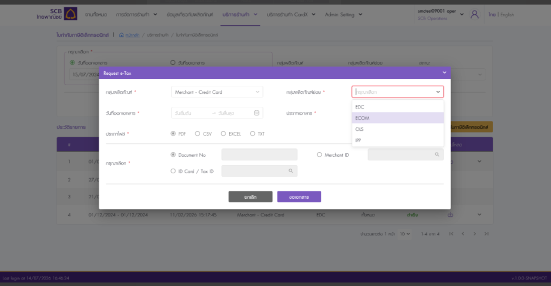
MRP | Batch_Interface_Old_Format_(Corp)_EDC_Tax_Invoice_V1.0.xlsx --> MRP เอามาออก txt ที่เหมือน B2K ส่งให้ร้านผ่าน sFTP Batch_Interface_Old_Format_(Corp-Delimiter)_EDC_Tax_Invoice_V1.0.xlsx --> เอามา gen Tax Invoice หรือเปล่า ?? ** EDC MRP ไม่มี Gen ใบลดหนี้ จะต้องเพิ่ม Req Gen ใบลดหนี้ ==> สรุปไม่มีการ Gen Tax invoice Batch_Interface_Old_Format_EDC_Tax_Invoice_V1.0.xlsx ** New file recived (replcace EPP) ตัด file นี้เพราะ B2K มีส่งให้ ETER แล้ว Batch_Interface_Old_Format_ECOM_Tax_Invoice_V1.1.xlsx (ถ้ายุบ Report จะเอา ECOM ไปรวม layout EDC) Batch_Interface_Old_Format_IPP_Tax_Invoice_V1.2.xlsx (SCB && CARDX) Batch_Interface_Old_Format_IPP_Tax_Invoice_V1.4 (SCB && CARDX) Batch_Interface_Old_Format_OLS_Tax_Invoice_V1.1.xlsx ** (CARDX) MRP Recieve new file ( SV will gen replcace EPP) Batch_Interface_Old_Format_OLS_Tax_Invoice_V1.2** (CARDX) MRP Recieve new file ( SV will gen replcace EPP) Batch_Interface_Old_Format_OLS_Central_via eP_V1.0.xlsx ** (CARDX) MRP Recieve new file (SV will gen replcace EPP) B2K_KingPowerFormat_Layout.xlsx layout ftp KingPower Refun To MRP_V1 Credit note, taxinvoice พี่อ๋อ ใช้ข้อมูลจาก SV ในการ manual gen ไฟล์ส่ง RD Merchant Profile: Layout_MCRMRCH.xlsx Layout_EDCTERM.xlsx Layout_EDCMRCH.xlsx Layout_FBSMRVAT.xlsx Layout_EMSMRMST.xlsx ** New file recived (replcace EMS) Scope : 1. MRP Gen consolidate report SMC inquiry to show report on SMC 2. ทำแทน EMS : Gen report and send mail --> MRP ไม่ต้องทำแล้ว Vendor ทำแทน 3. ทำแทน EPP (IPP/OLS) : Gen report and SMC inquiry to show report on SMC Sol : 1. ACQS ที่ replace B2K --> วาง Dunlop (MRP ไป Azure ACQS จะต้องไปวาง Blob) 2. ที่ทำแทน EMS,EPP--> วาง Dunlop ตัด scope นี้ เพราะ final ให้ SV ทำแทน EMS | Tax invoice text file Batch_Interface_Old_Format_(Corp)_EDC_Tax_Invoice_V1.0.xlsx | Email + Send SMC - Tax Invoice - Merchant Statement - Transaction Detail - Credit Note ( Gen แทน Vat System) | / | / | / | /
 | Merchant Profile: Layout_MCRMRCH.xlsx Layout_EDCTERM.xlsx Layout_EDCMRCH.xlsx Layout_FBSMRVAT.xlsx
SMC | Merchant Profile: Layout_MCRMRCH.xlsx Layout_EDCTERM.xlsx Layout_EDCMRCH.xlsx Layout_FBSMRVAT.xlsx
TKS | AS-IS : 1.PNSBJ032 2.PNSEDSG3 3.PNSBY032 4.PNSEYSG3 5.PNSECMS2 6.PNSECOM2 7. PNXIPP03 8. PNXOLS12 TO_BE : 1. SVSBY032 (SETTLE_NEXTDAY Mask PAN: รายการ EDC และ ECOM + ข้อมุล Refund) 2. SVSEYSG3 (SETTLE_SAMEDAY Mask PAN : รายการ EDC และ ECOM + ข้อมุล Refund) 3. SVXIPP03 (IPP CardX) 4. SVXOLS12 (OLS Card X) |  | Post Mail - Tax Invoice - Merchant Statement - Transaction Detail |  |  |  |  | /

Merchant receive Raw Data : P'Pat inform merchant

