Sheet1
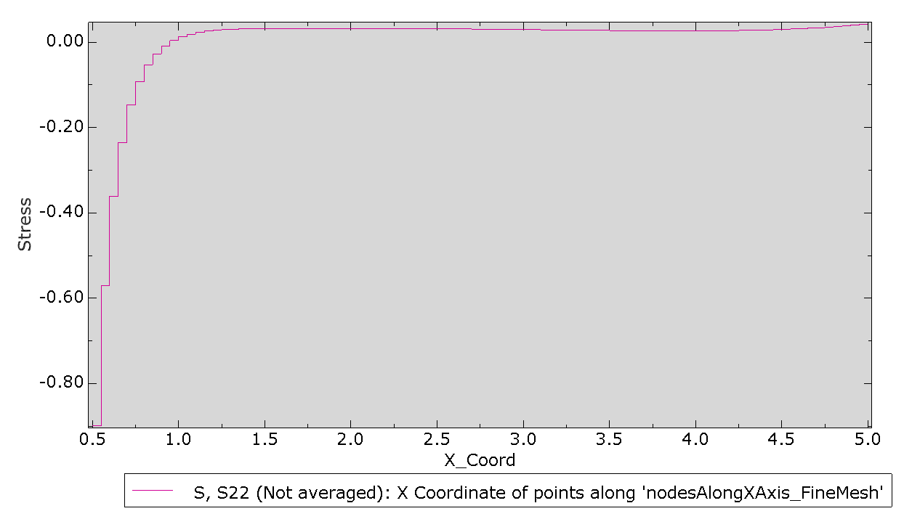
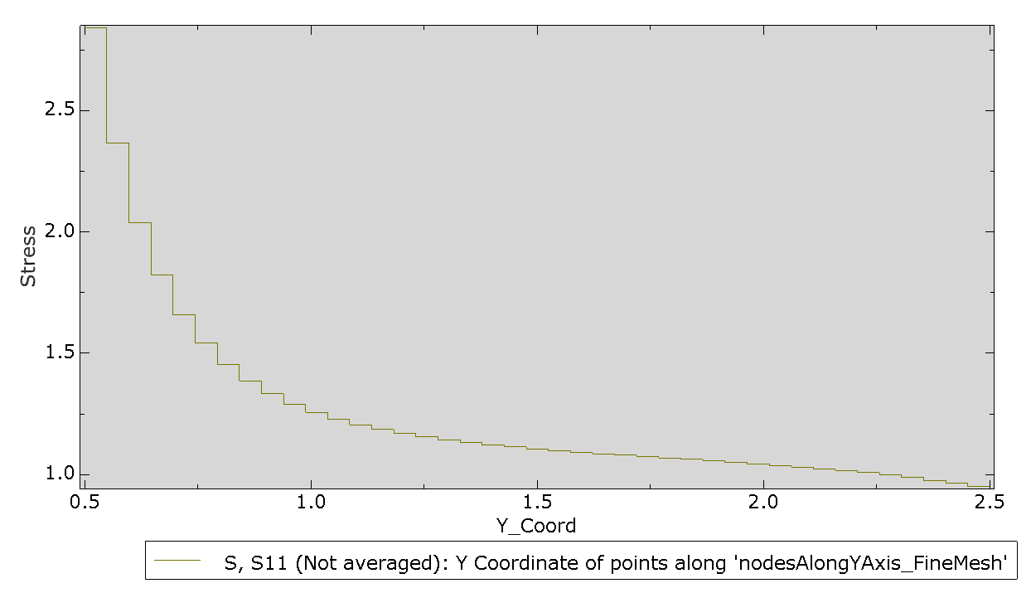
Comparsion of Nodal Displacements for CPE4 and UEL
ME759 Assignment 1 (Roll No.203010005, Prafull Bhosale)
Part a

Nodal Displacements
CPE4 |  |  |  | UEL
Nodes | U1 | U2 |  | Nodes | U1 | U2
1 | 0.00E+00 | 1.82E-02 |  | 1 | 0.00E+00 | 1.82E-02
2 | -3.90E-03 | 1.82E-02 |  | 2 | -3.90E-03 | 1.82E-02
3 | -7.80E-03 | 1.82E-02 |  | 3 | -7.80E-03 | 1.82E-02
4 | 0.00E+00 | 9.10E-03 |  | 4 | 0.00E+00 | 9.10E-03
5 | -4.68E-03 | 1.18E-02 |  | 5 | -4.68E-03 | 1.18E-02
6 | -7.80E-03 | 9.10E-03 |  | 6 | -7.80E-03 | 9.10E-03
8 | -3.90E-03 | 0.00E+00 |  | 8 | -3.90E-03 | 0.00E+00
9 | -7.80E-03 | 0.00E+00 |  | 9 | -7.80E-03 | 0.00E+00

Stresses

Stress and strains at intergration points for plain strain element available in abaqus (CPE4) |  |  |  |  |  |  |  |  |  |  |  | Stress and strains at intergration points for UEL
 |  | Integration points COORDS |  |  |  |  |  |  |  |  |  |  | Integration points COORDS
ELEMENT_IntPt | PT | COORD1 | COORD2 | S11_CPE4 | S22_CPE4 | S33_CPE4 | S12_CPE4 | E11_CPE4 | E22_CPE4 | E33_CPE4 | E12_CPE4 | ELEMENT_IntPt | PT | COORD1 | COORD2 | S11_UEL | S22_UEL | S33_UEL | S12_UEL | E11_UEL | E22_UEL | E33_UEL | E12_UEL
1_1 | 1 | 0.2447 | 1.261 | 5.55E-16 | 1.00E+00 | 3.00E-01 | -1.67E-16 | -3.90E-03 | 9.10E-03 | 0.00E+00 | -4.34E-18 | 1_1 | 1 | 0.24466 | 1.2613 | 0.00E+00 | 1.00E+00 | 3.00E-01 | 3.34E-17 | -3.90E-03 | 9.10E-03 | 0.00E+00 | 8.67E-19
1_2 | 2 | 0.9131 | 1.398 | -1.11E-16 | 1.00E+00 | 3.00E-01 | -1.00E-16 | -3.90E-03 | 9.10E-03 | 0.00E+00 | -2.60E-18 | 1_3 | 3 | 0.22026 | 1.8021 | 3.33E-16 | 1.00E+00 | 3.00E-01 | 6.67E-17 | -3.90E-03 | 9.10E-03 | 0.00E+00 | 1.73E-18
1_3 | 3 | 0.2203 | 1.802 | 4.44E-16 | 1.00E+00 | 3.00E-01 | 6.67E-17 | -3.90E-03 | 9.10E-03 | 0.00E+00 | 1.73E-18 | 1_2 | 2 | 0.91308 | 1.3979 | 1.11E-16 | 1.00E+00 | 3.00E-01 | 1.00E-16 | -3.90E-03 | 9.10E-03 | 0.00E+00 | 2.60E-18
1_4 | 4 | 0.822 | 1.839 | 0.00E+00 | 1.00E+00 | 3.00E-01 | 2.67E-16 | -3.90E-03 | 9.10E-03 | 0.00E+00 | 6.94E-18 | 1_4 | 4 | 0.82201 | 1.8387 | 1.11E-16 | 1.00E+00 | 3.00E-01 | 6.67E-17 | -3.90E-03 | 9.10E-03 | 0.00E+00 | 1.73E-18
2_1 | 1 | 1.336 | 1.398 | -1.11E-16 | 1.00E+00 | 3.00E-01 | 2.50E-17 | -3.90E-03 | 9.10E-03 | 0.00E+00 | 6.51E-19 | 2_1 | 1 | 1.3357 | 1.3979 | -5.55E-16 | 1.00E+00 | 3.00E-01 | -2.38E-16 | -3.90E-03 | 9.10E-03 | 0.00E+00 | -6.18E-18
2_2 | 2 | 1.822 | 1.261 | 1.11E-16 | 1.00E+00 | 3.00E-01 | -1.33E-16 | -3.90E-03 | 9.10E-03 | 0.00E+00 | -3.47E-18 | 2_3 | 3 | 1.2447 | 1.8387 | -1.11E-16 | 1.00E+00 | 3.00E-01 | 6.67E-17 | -3.90E-03 | 9.10E-03 | 0.00E+00 | 1.73E-18
2_3 | 3 | 1.245 | 1.839 | -1.11E-16 | 1.00E+00 | 3.00E-01 | -1.33E-16 | -3.90E-03 | 9.10E-03 | 0.00E+00 | -3.47E-18 | 2_2 | 2 | 1.822 | 1.2613 | -3.33E-16 | 1.00E+00 | 3.00E-01 | 0.00E+00 | -3.90E-03 | 9.10E-03 | 0.00E+00 | 0.00E+00
2_4 | 4 | 1.798 | 1.802 | 1.11E-16 | 1.00E+00 | 3.00E-01 | -6.67E-17 | -3.90E-03 | 9.10E-03 | 0.00E+00 | -1.73E-18 | 2_4 | 4 | 1.7976 | 1.8021 | 1.11E-16 | 1.00E+00 | 3.00E-01 | 0.00E+00 | -3.90E-03 | 9.10E-03 | 0.00E+00 | 0.00E+00
3_1 | 1 | 0.2203 | 0.2247 | 2.22E-16 | 1.00E+00 | 3.00E-01 | 2.50E-16 | -3.90E-03 | 9.10E-03 | 0.00E+00 | 6.51E-18 | 3_1 | 1 | 0.22026 | 0.22472 | -1.11E-16 | 1.00E+00 | 3.00E-01 | 6.67E-17 | -3.90E-03 | 9.10E-03 | 0.00E+00 | 1.73E-18
3_2 | 2 | 0.822 | 0.2613 | 2.22E-16 | 1.00E+00 | 3.00E-01 | 5.00E-17 | -3.90E-03 | 9.10E-03 | 0.00E+00 | 1.30E-18 | 3_3 | 3 | 0.24466 | 0.83868 | -2.22E-16 | 1.00E+00 | 3.00E-01 | 1.67E-16 | -3.90E-03 | 9.10E-03 | 0.00E+00 | 4.34E-18
3_3 | 3 | 0.2447 | 0.8387 | 0.00E+00 | 1.00E+00 | 3.00E-01 | 5.00E-16 | -3.90E-03 | 9.10E-03 | 0.00E+00 | 1.30E-17 | 3_2 | 2 | 0.82201 | 0.26132 | 0.00E+00 | 1.00E+00 | 3.00E-01 | 6.67E-17 | -3.90E-03 | 9.10E-03 | 0.00E+00 | 1.73E-18
3_4 | 4 | 0.9131 | 0.9753 | -2.22E-16 | 1.00E+00 | 3.00E-01 | 2.34E-16 | -3.90E-03 | 9.10E-03 | 0.00E+00 | 6.07E-18 | 3_4 | 4 | 0.91308 | 0.97528 | 1.11E-16 | 1.00E+00 | 3.00E-01 | 1.33E-16 | -3.90E-03 | 9.10E-03 | 0.00E+00 | 3.47E-18
4_1 | 1 | 1.245 | 0.2613 | -2.22E-16 | 1.00E+00 | 3.00E-01 | -3.34E-17 | -3.90E-03 | 9.10E-03 | 0.00E+00 | -8.67E-19 | 4_1 | 1 | 1.2447 | 0.26132 | -1.11E-16 | 1.00E+00 | 3.00E-01 | 1.67E-17 | -3.90E-03 | 9.10E-03 | 0.00E+00 | 4.34E-19
4_2 | 2 | 1.798 | 0.2247 | -3.33E-16 | 1.00E+00 | 3.00E-01 | 1.00E-16 | -3.90E-03 | 9.10E-03 | 0.00E+00 | 2.60E-18 | 4_3 | 3 | 1.3357 | 0.97528 | -3.33E-16 | 1.00E+00 | 3.00E-01 | 0.00E+00 | -3.90E-03 | 9.10E-03 | 0.00E+00 | 0.00E+00
4_3 | 3 | 1.336 | 0.9753 | 0.00E+00 | 1.00E+00 | 3.00E-01 | 6.67E-17 | -3.90E-03 | 9.10E-03 | 0.00E+00 | 1.73E-18 | 4_2 | 2 | 1.7976 | 0.22472 | -1.11E-16 | 1.00E+00 | 3.00E-01 | -3.34E-17 | -3.90E-03 | 9.10E-03 | 0.00E+00 | -8.67E-19
4_4 | 4 | 1.822 | 0.8387 | 1.11E-16 | 1.00E+00 | 3.00E-01 | 1.33E-16 | -3.90E-03 | 9.10E-03 | 0.00E+00 | 3.47E-18 | 4_4 | 4 | 1.822 | 0.83868 | -3.33E-16 | 1.00E+00 | 3.00E-01 | -6.67E-17 | -3.90E-03 | 9.10E-03 | 0.00E+00 | -1.73E-18
Stress at intergation points (Bar plot = CPE4 stresses, Line plot = UEL stresses)
Strains at intergation points (Bar plots = CPE4 strains, Line plots = UEL strains)

============================================================================================================================================================

Comparison of nodal Displacements for CPE4 and UEL
Part b
Nodal Displacements
CPE4 |  |  |  | UEL
Nodes | U1 | U2 |  | Nodes | U1 | U2
1 | 6.27E-02 | 0.00E+00 |  | 1 | 6.14E-02 | 0.00E+00
2 | 6.88E-02 | 0.00E+00 |  | 2 | 6.54E-02 | 0.00E+00
3 | 6.27E-02 | 0.00E+00 |  | 3 | 6.09E-02 | 0.00E+00
4 | 3.54E-02 | 1.22E-02 |  | 4 | 3.36E-02 | 1.02E-02
5 | 4.37E-02 | -1.16E-03 |  | 5 | 4.23E-02 | -1.18E-03
6 | 3.56E-02 | -1.53E-02 |  | 6 | 3.38E-02 | -1.24E-02

Stresses and strains at integration points

Stress and strains at intergration points for plain strain element available in abaqus (CPE4) |  |  |  |  |  |  |  |  |  |  |  | Stress and strains at intergration points for UEL
ELEMENT_IntPt | PT | S11_CPE4 | S22_CPE4 | S33_CPE4 | S12_CPE4 | E11_CPE4 | E22_CPE4 | E33_CPE4 | E12_CPE4 |  |  | ELEMENT_IntPt | COORD1 | COORD2 | S11_UEL | S22_UEL | S33_UEL | S12_UEL | E11_UEL | E22_UEL | E33_UEL | E12_UEL
1_1 | 1 | -2.63E-02 | -0.892 | -0.2755 | 0.8348 | 3.24E-03 | -8.01E-03 | 0 | 2.17E-02 |  |  | 1_1 | 2.45E-01 | 1.26E+00 | -3.93E-01 | -1.11E+00 | -4.51E-01 | 8.71E-01 | 7.57E-04 | -8.57E-03 | 0.00E+00 | 2.27E-02
1_2 | 2 | -0.3112 | -0.6071 | -0.2755 | 0.9681 | -4.65E-04 | -4.31E-03 | 0 | 2.52E-02 |  |  | 1_3 | 2.20E-01 | 1.80E+00 | -7.76E-02 | -9.54E-01 | -3.10E-01 | 1.04E+00 | 3.02E-03 | -8.38E-03 | 0.00E+00 | 2.69E-02
1_3 | 3 | 0.1051 | -1.023 | -0.2755 | 1.029 | 4.95E-03 | -9.72E-03 | 0 | 2.68E-02 |  |  | 1_2 | 9.13E-01 | 1.40E+00 | -1.57E-01 | -4.04E-01 | -1.68E-01 | 9.42E-01 | 1.50E-04 | -3.07E-03 | 0.00E+00 | 2.45E-02
1_4 | 4 | -0.1924 | -0.7259 | -0.2755 | 1.224 | 1.08E-03 | -5.86E-03 | 0 | 3.18E-02 |  |  | 1_4 | 8.22E-01 | 1.84E+00 | 2.60E-01 | -1.14E-01 | 4.38E-02 | 1.15E+00 | 2.81E-03 | -2.05E-03 | 0.00E+00 | 3.00E-02
2_1 | 1 | 0.489 | 0.6862 | 0.3526 | 0.8101 | 1.77E-03 | 4.34E-03 | 0 | 2.11E-02 |  |  | 2_1 | 1.34E+00 | 1.40E+00 | 1.16E-01 | 3.39E-01 | 1.36E-01 | 8.31E-01 | -2.62E-04 | 2.63E-03 | 0.00E+00 | 2.16E-02
2_2 | 2 | 5.59E-02 | 1.119 | 0.3526 | 0.7223 | -3.86E-03 | 9.97E-03 | 0 | 1.88E-02 |  |  | 2_3 | 1.24E+00 | 1.84E+00 | -2.30E-01 | 3.62E-01 | 3.96E-02 | 1.10E+00 | -3.50E-03 | 4.19E-03 | 0.00E+00 | 2.85E-02
2_3 | 3 | 0.2223 | 0.9529 | 0.3526 | 1.141 | -1.69E-03 | 7.80E-03 | 0 | 2.97E-02 |  |  | 2_2 | 1.82E+00 | 1.26E+00 | 4.36E-01 | 1.32E+00 | 5.27E-01 | 7.88E-01 | -1.19E-03 | 1.03E-02 | 0.00E+00 | 2.05E-02
2_4 | 4 | -0.1032 | 1.278 | 0.3526 | 1.001 | -5.93E-03 | 1.20E-02 | 0 | 2.60E-02 |  |  | 2_4 | 1.80E+00 | 1.80E+00 | 1.16E-01 | 1.21E+00 | 3.99E-01 | 1.01E+00 | -3.68E-03 | 1.06E-02 | 0.00E+00 | 2.62E-02
3_1 | 1 | 6.97E-02 | 0.7919 | 0.2585 | 1.219 | -2.45E-03 | 6.93E-03 | 0 | 3.17E-02 |  |  | 3_1 | 2.20E-01 | 2.25E-01 | 3.91E-01 | 9.83E-01 | 4.12E-01 | 1.18E+00 | -2.78E-04 | 7.42E-03 | 0.00E+00 | 3.06E-02
3_2 | 2 | 0.3506 | 0.511 | 0.2585 | 1.198 | 1.20E-03 | 3.28E-03 | 0 | 3.12E-02 |  |  | 3_3 | 2.45E-01 | 8.39E-01 | 3.17E-01 | 9.80E-01 | 3.89E-01 | 9.26E-01 | -9.38E-04 | 7.68E-03 | 0.00E+00 | 2.41E-02
3_3 | 3 | 1.78E-02 | 0.8437 | 0.2585 | 0.9226 | -3.13E-03 | 7.61E-03 | 0 | 2.40E-02 |  |  | 3_2 | 8.22E-01 | 2.61E-01 | 4.22E-02 | 1.60E-01 | 6.07E-02 | 1.17E+00 | -2.40E-04 | 1.29E-03 | 0.00E+00 | 3.03E-02
3_4 | 4 | 0.2819 | 0.5796 | 0.2585 | 0.9405 | 3.05E-04 | 4.18E-03 | 0 | 2.45E-02 |  |  | 3_4 | 9.13E-01 | 9.75E-01 | 6.32E-03 | 2.25E-01 | 6.95E-02 | 9.48E-01 | -8.22E-04 | 2.03E-03 | 0.00E+00 | 2.47E-02
4_1 | 1 | -0.365 | -0.6253 | -0.2971 | 1.176 | -8.83E-04 | -4.27E-03 | 0 | 3.06E-02 |  |  | 4_1 | 1.24E+00 | 2.61E-01 | -1.07E-01 | -3.24E-01 | -1.29E-01 | 1.16E+00 | 2.89E-04 | -2.53E-03 | 0.00E+00 | 3.00E-02
4_2 | 2 | -3.55E-02 | -0.9548 | -0.2971 | 1.2 | 3.40E-03 | -8.55E-03 | 0 | 3.12E-02 |  |  | 4_3 | 1.34E+00 | 9.75E-01 | 7.54E-02 | -1.30E-01 | -1.63E-02 | 8.34E-01 | 1.19E-03 | -1.47E-03 | 0.00E+00 | 2.17E-02
4_3 | 3 | -0.361 | -0.6293 | -0.2971 | 0.7703 | -8.30E-04 | -4.32E-03 | 0 | 2.00E-02 |  |  | 4_2 | 1.80E+00 | 2.25E-01 | -4.90E-01 | -1.23E+00 | -5.16E-01 | 1.17E+00 | 3.38E-04 | -9.28E-03 | 0.00E+00 | 3.03E-02
4_4 | 4 | 1.13E-02 | -1.002 | -0.2971 | 0.7189 | 4.01E-03 | -9.16E-03 | 0 | 1.87E-02 |  |  | 4_4 | 1.82E+00 | 8.39E-01 | -3.22E-01 | -1.11E+00 | -4.31E-01 | 7.85E-01 | 1.42E-03 | -8.89E-03 | 0.00E+00 | 2.04E-02
Stresses comparison for CPE4 and UEL

Comparison of nodal Displacements for CPE4 and UEL
Part c
CPE4 |  |  |  | UEL
Nodes | U1 | U2 |  | Nodes | U1 | U2
1 | 0.00E+00 | 1.19E-02 |  | 1 | 0.00E+00 | 1.18E-02
2 | 0.00E+00 | 1.27E-02 |  | 2 | 0.00E+00 | 1.26E-02
3 | 0.00E+00 | 1.39E-02 |  | 3 | 0.00E+00 | 1.38E-02
4 | 0.00E+00 | 1.57E-02 |  | 4 | 0.00E+00 | 1.56E-02
5 | 0.00E+00 | 1.86E-02 |  | 5 | 0.00E+00 | 1.85E-02
6 | 5.95E-03 | 1.03E-02 |  | 6 | 5.92E-03 | 1.03E-02
7 | 6.34E-03 | 1.10E-02 |  | 7 | 6.30E-03 | 1.09E-02
8 | 6.93E-03 | 1.20E-02 |  | 8 | 6.89E-03 | 1.19E-02
9 | 7.83E-03 | 1.36E-02 |  | 9 | 7.79E-03 | 1.35E-02
10 | 9.30E-03 | 1.61E-02 |  | 10 | 9.24E-03 | 1.60E-02
11 | 1.03E-02 | 5.95E-03 |  | 11 | 1.03E-02 | 5.92E-03
12 | 1.10E-02 | 6.34E-03 |  | 12 | 1.09E-02 | 6.30E-03
13 | 1.20E-02 | 6.93E-03 |  | 13 | 1.19E-02 | 6.89E-03
14 | 1.36E-02 | 7.83E-03 |  | 14 | 1.35E-02 | 7.79E-03
15 | 1.61E-02 | 9.30E-03 |  | 15 | 1.60E-02 | 9.24E-03
16 | 1.19E-02 | 0.00E+00 |  | 16 | 1.18E-02 | 0.00E+00
17 | 1.27E-02 | 0.00E+00 |  | 17 | 1.26E-02 | 0.00E+00
18 | 1.39E-02 | 0.00E+00 |  | 18 | 1.38E-02 | 0.00E+00
19 | 1.57E-02 | 0.00E+00 |  | 19 | 1.56E-02 | 0.00E+00
20 | 1.86E-02 | 0.00E+00 |  | 20 | 1.85E-02 | 0.00E+00

Radial variation of 𝜎𝑟𝑟 and 𝜎𝜃𝜃
 | 𝜎rr_CPE4 | 𝜎𝜃𝜃_CPE4 | 𝜎rr_UEL | 𝜎𝜃𝜃_UEL
16 | -1.39E-02 | 0.6798 | 7.17E-03 | 0.7306
17 | -6.34E-02 | 0.7293 | 1.43E-02 | 1.461
17 | -1.24E-01 | 0.7906 | -9.54E-02 | 0.8746
18 | -2.01E-01 | 0.8669 | -1.91E-01 | 1.749
18 | -2.98E-01 | 0.9646 | -2.56E-01 | 1.113
19 | -4.24E-01 | 1.091 | -5.11E-01 | 2.226
19 | -5.92E-01 | 1.261 | -5.25E-01 | 1.551
20 | -8.24E-01 | 1.493 | -1.05E+00 | 3.101
 | Radial variation of sigma_rr and sigma_tt for CPE4 and UEL

 | CPE4 |  |  |  |  |  | UEL
ELEMENT | ND | 𝜎rr_CPE4 | 𝜎𝜃𝜃_CPE4 |  | ELEMENT | Nodes | 𝜎rr_UEL | 𝜎𝜃𝜃_UEL | S33 | S12
9 | 16 | -1.39E-02 | 0.6798 |  | 9 | 16 | 7.17E-03 | 0.7306 | 0.2213 | -0.1403
9 | 17 | -6.34E-02 | 0.7293 |  | 9 | 17 | 1.43E-02 | 1.461 | 0.4427 | -0.2807
10 | 17 | -0.1244 | 0.7906 |  | 10 | 17 | -9.54E-02 | 0.8746 | 0.2338 | -0.1882
10 | 18 | -0.2007 | 0.8669 |  | 10 | 18 | -0.1909 | 1.749 | 0.4675 | -0.3764
11 | 18 | -0.2978 | 0.9646 |  | 11 | 18 | -0.2555 | 1.113 | 0.2573 | -0.2655
11 | 19 | -0.424 | 1.091 |  | 11 | 19 | -0.511 | 2.226 | 0.5146 | -0.531
12 | 19 | -0.5924 | 1.261 |  | 12 | 19 | -0.5249 | 1.551 | 0.3077 | -0.4027
12 | 20 | -0.824 | 1.493 |  | 12 | 20 | -1.05 | 3.101 | 0.6154 | -0.8053

Comparison of nodal displacements for CPE4 and UEL
 | CPE4_U1 | CPE4_U2 | UEL_U1 | UEL_U2
1 | 6.67E-03 | -1.15E-02 | 6.69E-03 | -1.14E-02
2 | 0.00E+00 | -1.21E-02 | 0.00E+00 | -1.20E-02
3 | 0.00E+00 | -6.32E-03 | 0.00E+00 | -5.98E-03
4 | 1.25E-02 | -6.48E-04 | 1.23E-02 | -7.06E-04
5 | 0.00E+00 | -4.92E-03 | 0.00E+00 | -4.51E-03
6 | 1.27E-02 | -1.72E-03 | 1.24E-02 | -1.55E-03
7 | 1.39E-02 | 0.00E+00 | 1.35E-02 | 0.00E+00
8 | 1.47E-02 | 0.00E+00 | 1.43E-02 | 0.00E+00
9 | 4.78E-02 | 0.00E+00 | 4.78E-02 | 0.00E+00
10 | 4.78E-02 | -8.86E-04 | 4.78E-02 | -8.90E-04
11 | 4.73E-02 | -9.34E-03 | 4.73E-02 | -9.36E-03
12 | 4.38E-03 | -1.18E-02 | 4.40E-03 | -1.17E-02
13 | 2.17E-03 | -1.20E-02 | 2.18E-03 | -1.19E-02
14 | 0.00E+00 | -1.14E-02 | 0.00E+00 | -1.12E-02
15 | 0.00E+00 | -1.06E-02 | 0.00E+00 | -1.05E-02
16 | 0.00E+00 | -9.84E-03 | 0.00E+00 | -9.71E-03
17 | 0.00E+00 | -9.11E-03 | 0.00E+00 | -8.98E-03
18 | 0.00E+00 | -8.42E-03 | 0.00E+00 | -8.29E-03
19 | 0.00E+00 | -7.80E-03 | 0.00E+00 | -7.65E-03
20 | 0.00E+00 | -7.25E-03 | 0.00E+00 | -7.08E-03
21 | 0.00E+00 | -6.78E-03 | 0.00E+00 | -6.57E-03
22 | 3.22E-03 | -5.35E-03 | 3.30E-03 | -5.06E-03
23 | 7.77E-03 | -2.97E-03 | 7.66E-03 | -2.88E-03
24 | 9.67E-03 | -2.32E-03 | 9.60E-03 | -2.30E-03
25 | 8.28E-03 | -3.93E-03 | 8.29E-03 | -3.84E-03
26 | 7.62E-03 | -5.30E-03 | 7.64E-03 | -5.18E-03
27 | 7.31E-03 | -6.49E-03 | 7.32E-03 | -6.37E-03
28 | 7.16E-03 | -7.57E-03 | 7.17E-03 | -7.46E-03
29 | 7.08E-03 | -8.59E-03 | 7.08E-03 | -8.48E-03
Part d
CPE4 |  |  |  | UEL
Nodes | U1 | U2 |  | Nodes | U1 | U2
1 | 6.67E-03 | -1.15E-02 |  | 1 | 6.69E-03 | -1.14E-02
2 | 0.00E+00 | -1.21E-02 |  | 2 | 0.00E+00 | -1.20E-02
3 | 0.00E+00 | -6.32E-03 |  | 3 | 0.00E+00 | -5.98E-03
4 | 1.25E-02 | -6.48E-04 |  | 4 | 1.23E-02 | -7.06E-04
5 | 0.00E+00 | -4.92E-03 |  | 5 | 0.00E+00 | -4.51E-03
6 | 1.27E-02 | -1.72E-03 |  | 6 | 1.24E-02 | -1.55E-03
7 | 1.39E-02 | 0.00E+00 |  | 7 | 1.35E-02 | 0.00E+00
8 | 1.47E-02 | 0.00E+00 |  | 8 | 1.43E-02 | 0.00E+00
9 | 4.78E-02 | 0.00E+00 |  | 9 | 4.78E-02 | 0.00E+00
10 | 4.78E-02 | -8.86E-04 |  | 10 | 4.78E-02 | -8.90E-04
11 | 4.73E-02 | -9.34E-03 |  | 11 | 4.73E-02 | -9.36E-03
12 | 4.38E-03 | -1.18E-02 |  | 12 | 4.40E-03 | -1.17E-02
13 | 2.17E-03 | -1.20E-02 |  | 13 | 2.18E-03 | -1.19E-02
14 | 0.00E+00 | -1.14E-02 |  | 14 | 0.00E+00 | -1.12E-02
15 | 0.00E+00 | -1.06E-02 |  | 15 | 0.00E+00 | -1.05E-02
16 | 0.00E+00 | -9.84E-03 |  | 16 | 0.00E+00 | -9.71E-03
17 | 0.00E+00 | -9.11E-03 |  | 17 | 0.00E+00 | -8.98E-03
18 | 0.00E+00 | -8.42E-03 |  | 18 | 0.00E+00 | -8.29E-03
19 | 0.00E+00 | -7.80E-03 |  | 19 | 0.00E+00 | -7.65E-03
20 | 0.00E+00 | -7.25E-03 |  | 20 | 0.00E+00 | -7.08E-03
21 | 0.00E+00 | -6.78E-03 |  | 21 | 0.00E+00 | -6.57E-03
22 | 3.22E-03 | -5.35E-03 |  | 22 | 3.30E-03 | -5.06E-03
23 | 7.77E-03 | -2.97E-03 |  | 23 | 7.66E-03 | -2.88E-03
24 | 9.67E-03 | -2.32E-03 |  | 24 | 9.60E-03 | -2.30E-03
25 | 8.28E-03 | -3.93E-03 |  | 25 | 8.29E-03 | -3.84E-03
26 | 7.62E-03 | -5.30E-03 |  | 26 | 7.64E-03 | -5.18E-03
27 | 7.31E-03 | -6.49E-03 |  | 27 | 7.32E-03 | -6.37E-03
28 | 7.16E-03 | -7.57E-03 |  | 28 | 7.17E-03 | -7.46E-03
29 | 7.08E-03 | -8.59E-03 |  | 29 | 7.08E-03 | -8.48E-03

 |  |  |  |  |  |  |  | Course mesh(SIF = 2.57607)

Variation of sigma_yy along X axis |  |  |  |  |  |  |  |  |  |  |  |  | Variation of sigma_xx along Y axis
Values are determined at nodes
Stress field is discontinuous for linear element. Hence, we are seeing discontinuos lines in plot |  |  |  |  |  |  |  |  |  |  |  |  | For course mesh, we get stress intensity factor = 2.57607
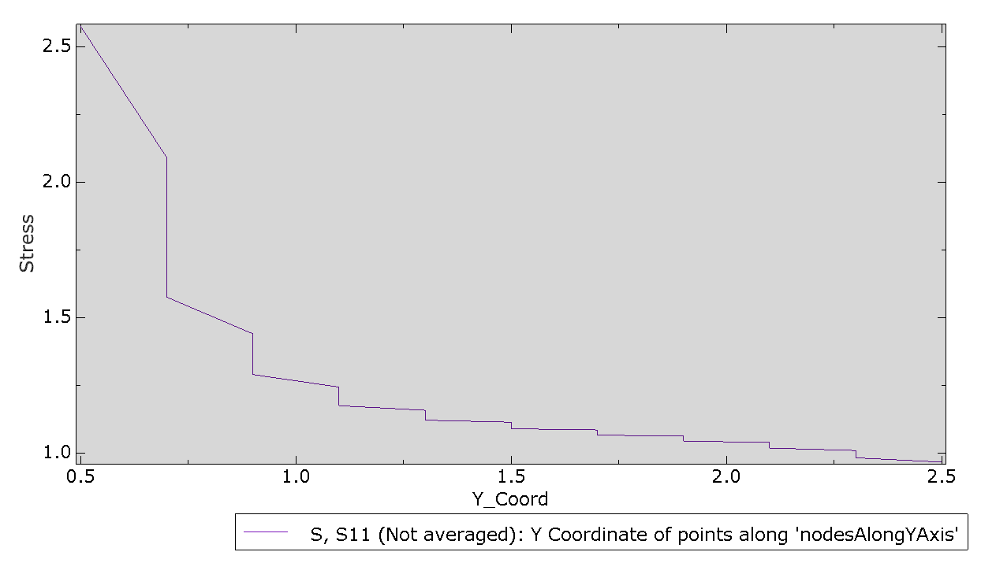
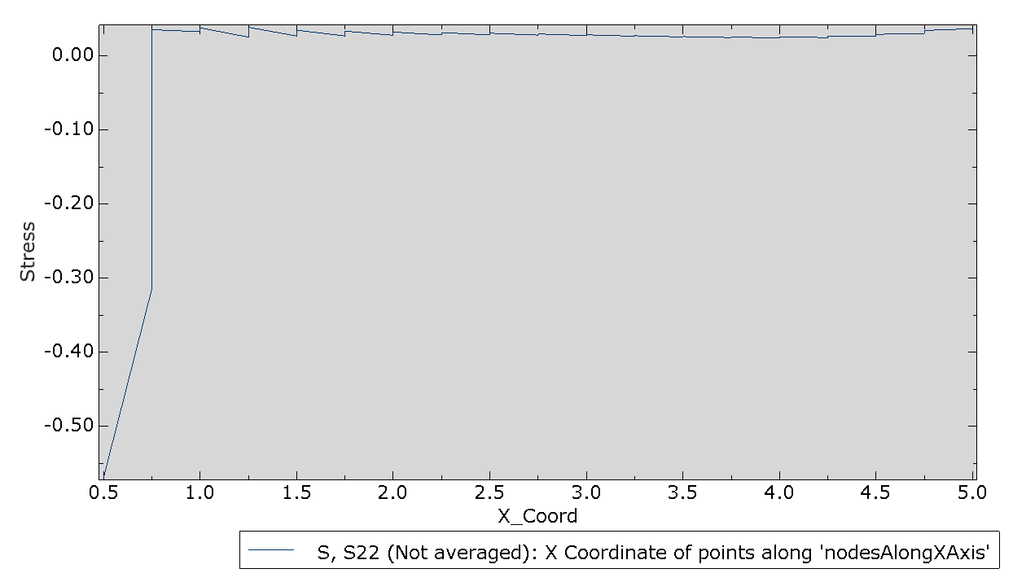

 |  |  |  |  |  |  |  | Fine mesh (SIF = 2.8410)

Variation of sigma_yy along X axis |  |  |  |  |  |  |  |  |  |  |  |  | Variation of sigma_xx along Y axis

Part_C
Radial variation of sigma_rr and sigma_tt for CPE4 and UEL

CPE4 |  |  |  | UEL
ELEMENT | ND | 𝜎rr_CPE4 | 𝜎𝜃𝜃_CPE4 | ELEMENT | Nodes | 𝜎rr_UEL | 𝜎𝜃𝜃_UEL | S33 | S12
9 | 16 | -1.39E-02 | 0.6798 | 9 | 16 | 7.17E-03 | 0.7306 | 0.2213 | -0.1403
9 | 17 | -6.34E-02 | 0.7293 | 9 | 17 | 1.43E-02 | 1.461 | 0.4427 | -0.2807
10 | 17 | -0.1244 | 0.7906 | 10 | 17 | -9.54E-02 | 0.8746 | 0.2338 | -0.1882
10 | 18 | -0.2007 | 0.8669 | 10 | 18 | -0.1909 | 1.749 | 0.4675 | -0.3764
11 | 18 | -0.2978 | 0.9646 | 11 | 18 | -0.2555 | 1.113 | 0.2573 | -0.2655
11 | 19 | -0.424 | 1.091 | 11 | 19 | -0.511 | 2.226 | 0.5146 | -0.531
12 | 19 | -0.5924 | 1.261 | 12 | 19 | -0.5249 | 1.551 | 0.3077 | -0.4027
12 | 20 | -0.824 | 1.493 | 12 | 20 | -1.05 | 3.101 | 0.6154 | -0.8053
Radial variation of 𝜎𝑟𝑟 and 𝜎𝜃𝜃

Part_D
THE | FOLLOWING | TABLE | IS | PRINTED | AT | THE | NODES | FOR | ELEMENT | TYPE | CPE4 | AND | ELEMENT | SET
ASSEMBLY_PLATE_NODESALONGXAXIS
Variation of sigma_yy along X axis for CPE4 element
ELEMENT | ND | S11_CPE4 | S22_CPE4
31 | 7 | 0.3309 | -0.5691
31 | 8 | 7.63E-02 | -0.3145
32 | 8 | 0.3734 | 3.51E-02
32 | 34 | 0.376 | 3.25E-02
33 | 34 | 0.6039 | 3.77E-02
33 | 35 | 0.6165 | 2.51E-02
34 | 35 | 0.7281 | 3.84E-02
34 | 36 | 0.7398 | 2.66E-02
35 | 36 | 0.8054 | 3.45E-02
35 | 37 | 0.8132 | 2.67E-02
36 | 37 | 0.8552 | 3.32E-02
36 | 38 | 0.8608 | 2.76E-02
37 | 38 | 0.8898 | 3.20E-02
37 | 39 | 0.8938 | 2.80E-02
38 | 39 | 0.9146 | 3.12E-02
38 | 40 | 0.9177 | 2.82E-02
39 | 40 | 0.9333 | 3.04E-02
39 | 41 | 0.9358 | 2.79E-02
40 | 41 | 0.9478 | 2.94E-02
40 | 42 | 0.95 | 2.72E-02
41 | 42 | 0.9595 | 2.82E-02
41 | 43 | 0.9614 | 2.63E-02
42 | 43 | 0.9692 | 2.70E-02
42 | 44 | 0.9708 | 2.53E-02
43 | 44 | 0.9772 | 2.59E-02
43 | 45 | 0.9786 | 2.45E-02
44 | 45 | 0.9841 | 2.51E-02
44 | 46 | 0.985 | 2.42E-02
45 | 46 | 0.9898 | 2.51E-02
45 | 47 | 0.9903 | 2.46E-02
46 | 47 | 0.9945 | 2.62E-02
46 | 48 | 0.9944 | 2.64E-02
47 | 48 | 0.9982 | 2.89E-02
47 | 49 | 0.9971 | 3.00E-02
48 | 49 | 1.001 | 3.41E-02
48 | 9 | 0.9983 | 3.65E-02

