Pile (2)
Circular Column M-N interaction curve |  |  |  |  |  |  |  | Created By: Prafulla Malla
fck | = | 28 | MPa | Cylindrical compressive strength |  |  |  | Praf_malla@hotmail.com
fy | = | 500 | MPa | Strength of Reinforcement
R | = | 600 | mm | Radius of Column
c | = | 75 | mm | Concrete Cover
ρ | = | 0.780 | % | % of reinforcement
fcd | = | 15.87 | MPa
fyd | = | 434.78 | MPa
f'cd | = | 14.28 | MPa
f'yd | = | 413.04 | MPa
ω' | = | 0.226 |  | Mechanical steel ratio

v' | q | μRd | NRd | MRd | Input N-M | P, kN | M, kNm
-0.23 |  | 0 | -3643.7011142 | 0 | Com1 | 15000 | 1000
0 | 0.8309673185 | 0.089 | 0.00 | 1727.9556739 | Com2 | 500 | 1600
0.1 | 1.0179958354 | 0.119 | 1614.93 | 2303.9887966
0.2 | 1.1781420108 | 0.142 | 3229.86 | 2746.8014938
0.3 | 1.3204656229 | 0.157 | 4844.79 | 3049.8267
0.4 | 1.4498539654 | 0.166 | 6459.72 | 3220.5081691
0.5 | 1.569300312 | 0.169 | 8074.65 | 3274.1291253
0.6 |  | 0.166 | 9689.59 | 3220.5081691
0.7 |  | 0.157 | 11304.52 | 3049.8267
0.8 |  | 0.142 | 12919.45 | 2746.8014938
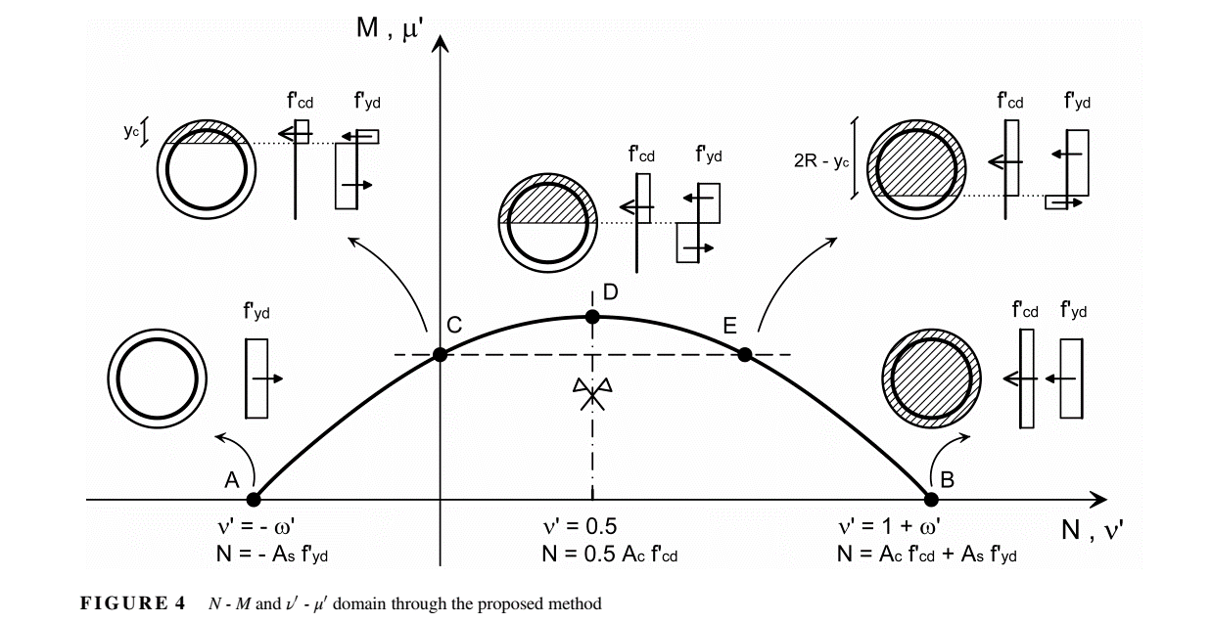
0.9 |  | 0.119 | 14534.38 | 2303.9887966
1 |  | 0.089 | 16149.31 | 1727.9556739
1.23 |  | 0.000 | 21588.48 | 0.00

PileCP5
Circular Column M-N interaction curve |  |  |  |  |  |  |  | Created By: Prafulla Malla
fck | = | 32 | MPa | Cylindrical compressive strength |  |  |  | Praf_malla@hotmail.com
fy | = | 500 | MPa | Strength of Reinforcement
R | = | 1250 | mm | Radius of Column
c | = | 75 | mm | Concrete Cover
ρ | = | 1.600 | % | % of reinforcement
fcd | = | 18.13 | MPa
fyd | = | 434.78 | MPa
f'cd | = | 16.32 | MPa
f'yd | = | 413.04 | MPa
ω' | = | 0.405 |  | Mechanical steel ratio

v' | q | μRd | NRd | MRd | Input N-M | P, kN | M, kNm
-0.40 |  | 0 | -32440.358923 | 0 | Com1 | 14403 | 38545
0 | 0.96384819041 | 0.158 | 0.00 | 31708.522794 | Com2 | 500 | 1600
0.1 | 1.1055055413 | 0.184 | 8010.57 | 36854.335199
0.2 | 1.2343930928 | 0.204 | 16021.14 | 40779.366898
0.3 | 1.3534453067 | 0.217 | 24031.71 | 43480.479258
0.4 | 1.4646199248 | 0.225 | 32042.28 | 45022.665408
0.5 | 1.569300312 | 0.227 | 40052.85 | 45516.205855
0.6 |  | 0.225 | 48063.42 | 45022.665408
0.7 |  | 0.217 | 56073.99 | 43480.479258
0.8 |  | 0.204 | 64084.56 | 40779.366898
0.9 |  | 0.184 | 72095.13 | 36854.335199
1 |  | 0.158 | 80105.70 | 31708.522794
1.40 |  | 0.000 | 121452.15 | 0.00

