Sheet1
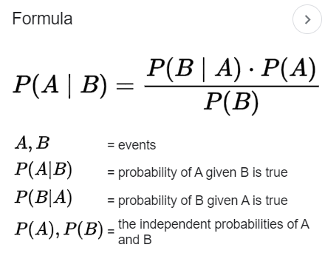
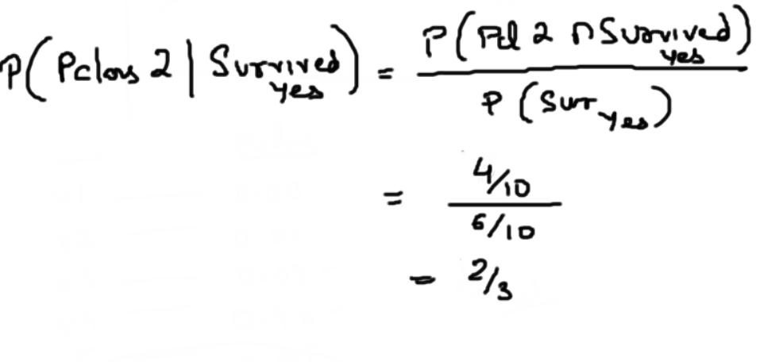
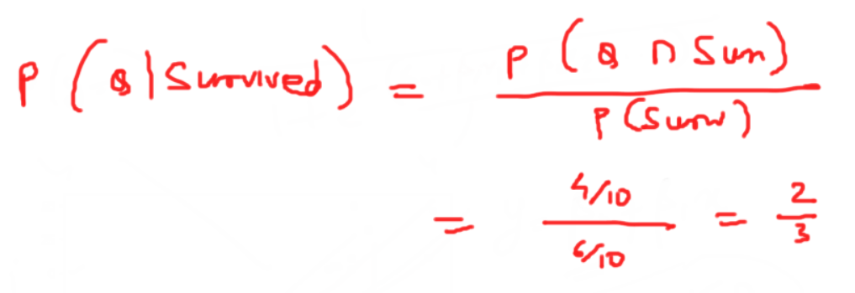
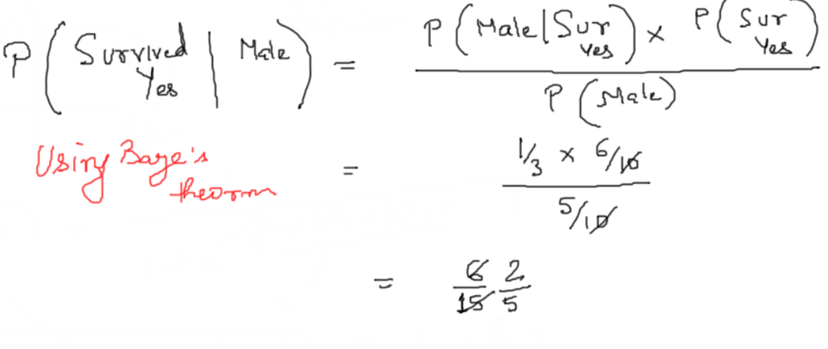
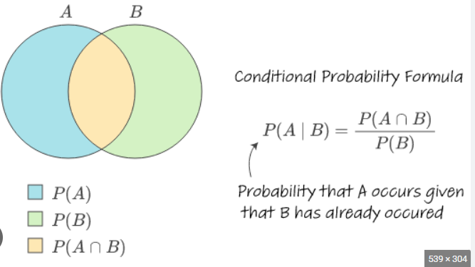
 | X1 | X2 | X3 | Y
Fare | Embarked | Pclass | Gender | Survived | Probability
 | S | 1 | M | No | M | 5/10
 | S | 1 | M | Yes | F | 5/10
 | S | 1 | F | Yes | Class 1 | 3/10
 | Q | 2 | F | Yes | Class 2 | 6/10
 | Q | 2 | F | Yes | Class 3 | 1/10
 | Q | 2 | M | Yes | Emabrked S | 3/10
 | Q | 2 | M | No | Embarked Q | 7/10
 | Q | 2 | F | Yes | Survived Yes | 6/10
 | Q | 2 | F | No | Survived No | 4/10
 | Q | 3 | M | No
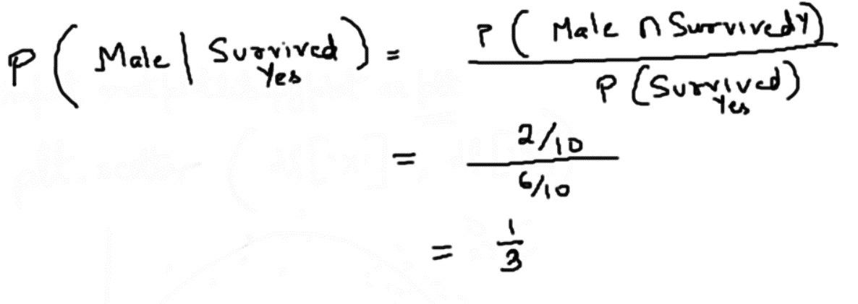
 |  |  |  |  |  |  | Bayes Theorm

