Sheet1
Data Model Solution |  | 1. Number of orders placed.
 |  | 2. Gross sales. Definition: total sales after coupons applied, including sales tax, excluding shipping charge
 |  | 3. Net Sales. Definition: total sales minus cost of goods, minus returns, including sales tax, excluding shipping charge
 |  | 4. Margin per product
 |  | 5. Time between different steps in order lifecycle
 |  | 6. In most of the cases reports needs to show the most recent information about the orders.
 |  | 7. Users from various company departments (analytics, marketing, planning) likely to access data via SQL queries in addition to the reports available in Tableau.

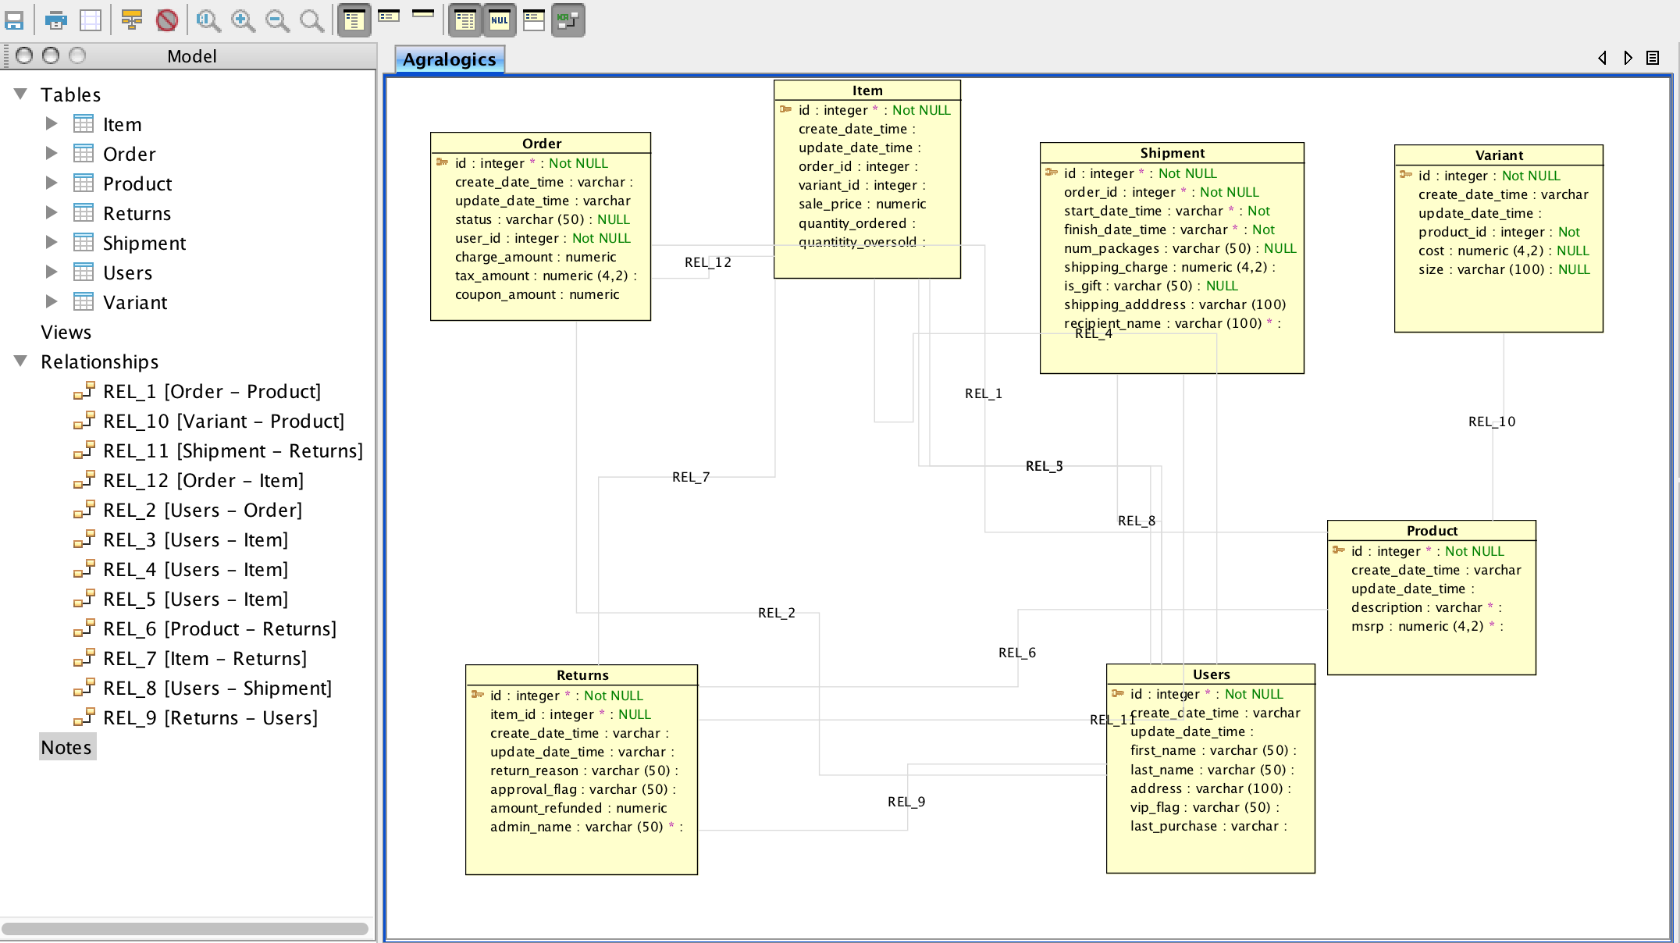

 | Screen Shot | of the ER Diagram
 | Time Spent: 2 hour 10 min including reserarch and create tables.

