Sheet1
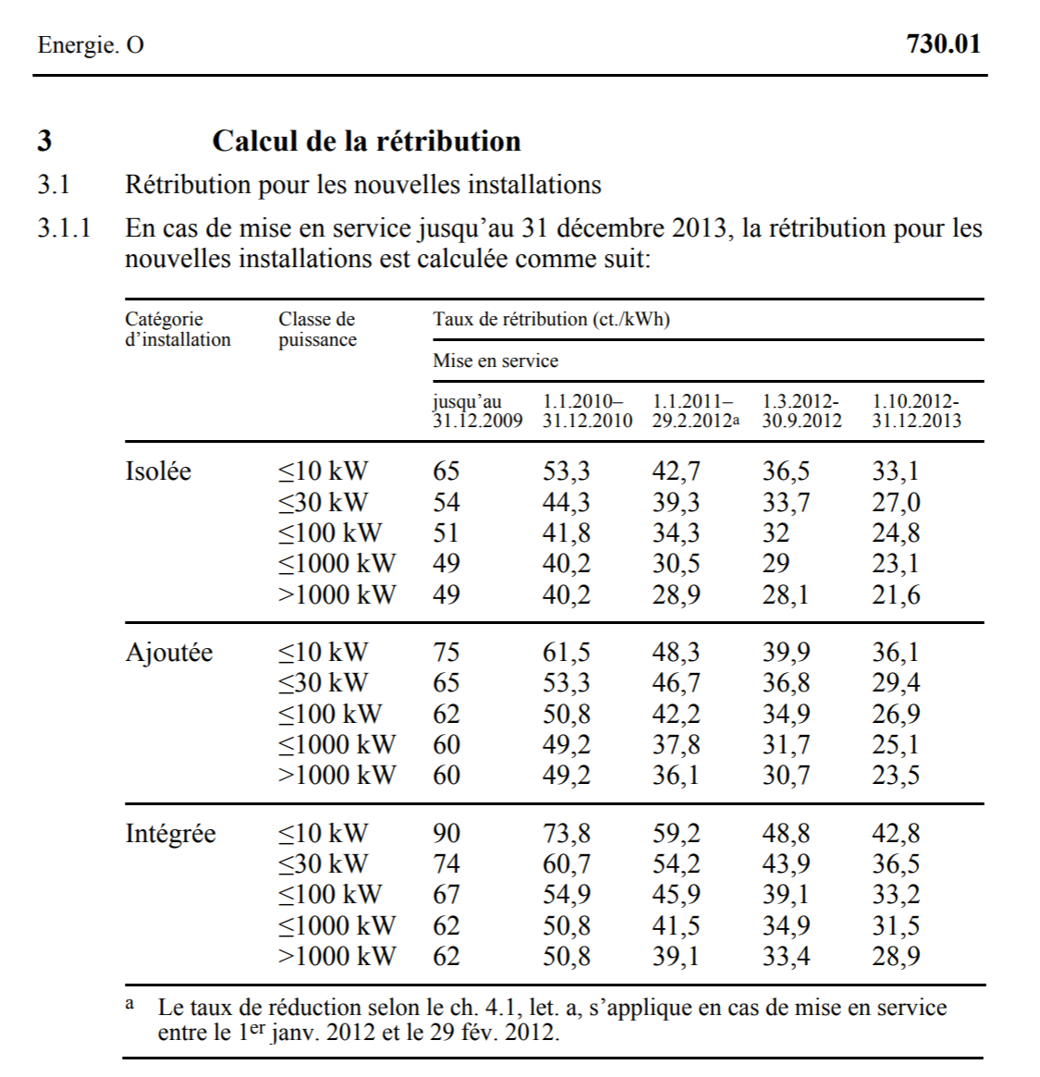
 |  |  |  |  |  |  |  |  | https://www.admin.ch/opc/fr/classified-compilation/19983391/201401010000/730.01.pdf
 | source | https://doi.org/10.1016/j.apenergy.2020.115358 | https://doi.org/10.1016/j.apenergy.2020.115359 | https://doi.org/10.1016/j.apenergy.2020.115360
 | region | switzerland | switzerland | switzerland | region | switzerland | switzerland | switzerland
 | unit | CHF/kWh | CHF/kWh | CHF/kWh | unit | CHF/kWh | CHF/kWh | CHF/kWh |  |  | CHF/kWh | CHF/kWh | CHF/kWh | CHF/kWh | CHF/kWh | years
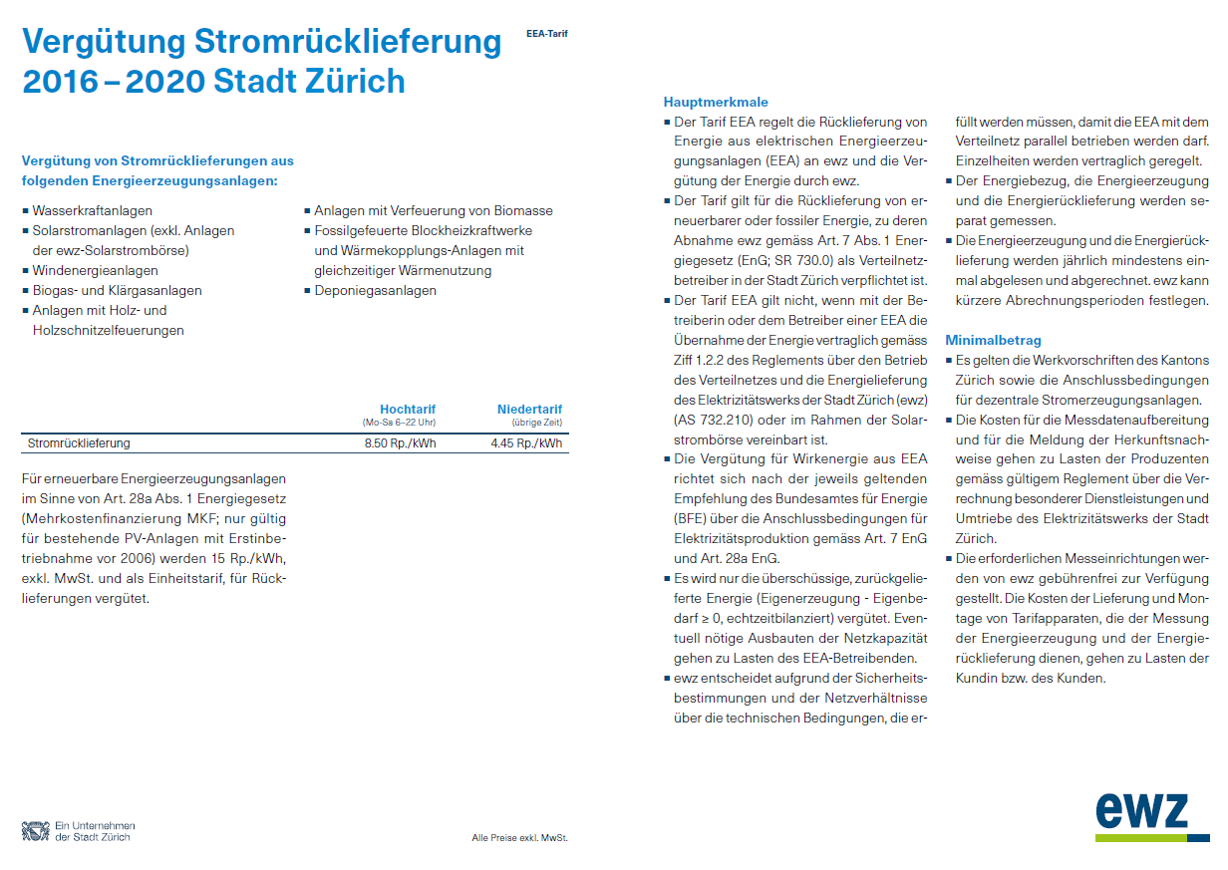
 | category | FIT < 30 kWp | FIT 30-100 kWp | FIT 100-1000 kWp | category | FIT < 30 kWp | FIT 30-100 kWp | FIT 100-1000 kWp |  | category | 10 | 30 | 100 | 1000 | 50000 | hist_fit_duration |  | feed-in tariff Zurich | https://www.ewz.ch/content/dam/ewz/Privatkunden/Solaranlagen/Solarstrom_fuer_Eigentuemer/verguetung_stromruecklieferung_zh_2016-20.pdf
1991 | Jan-91 | 0 | 0 | 0 | 1991 | 0.00 | 0.00 | 0.00 |  | 2009 | 0.750 | 0.650 | 0.620 | 0.600 | 0.600 | 25
1991 | Feb-91 | 0 | 0 | 0 | 1992 | 0.00 | 0.00 | 0.00 |  | 2010 | 0.615 | 0.533 | 0.508 | 0.492 | 0.492 | 25
1991 | Mar-91 | 0 | 0 | 0 | 1993 | 0.00 | 0.00 | 0.00 |  | 2011 | 0.483 | 0.467 | 0.422 | 0.378 | 0.361 | 25
1991 | Apr-91 | 0 | 0 | 0 | 1994 | 0.00 | 0.00 | 0.00 |  | 2012 | 0.399 | 0.368 | 0.349 | 0.317 | 0.307 | 25
1991 | May-91 | 0 | 0 | 0 | 1995 | 0.00 | 0.00 | 0.00 |  | 2013 | 0.000 | 0.294 | 0.269 | 0.251 | 0.235 | 25 | only investment subsidy
1991 | Jun-91 | 0 | 0 | 0 | 1996 | 0.00 | 0.00 | 0.00 |  | 2014 | 0.000 | 0.264 | 0.220 | 0.213 | 0.191 | 20
1991 | Jul-91 | 0 | 0 | 0 | 1997 | 0.00 | 0.00 | 0.00 |  | 2015 | 0.000 | 0.160 | 0.160 | 0.156 | 0.151 | 20 | pronovo tariff calculator values for June
1991 | Aug-91 | 0 | 0 | 0 | 1998 | 0.00 | 0.00 | 0.00 |  | 2016 | 0.000 | 0.140 | 0.140 | 0.137 | 0.132 | 20 | https://pronovo.ch/fr/services/tarificateur/
1991 | Sep-91 | 0 | 0 | 0 | 1999 | 0.00 | 0.00 | 0.00 |  | 2017 | 0.000 | 0.000 | 0.000 | 0.000 | 0.000 | 20 | no more funds
1991 | Oct-91 | 0 | 0 | 0 | 2000 | 0.00 | 0.00 | 0.00 |  | 2018 | 0.000 | 0.000 | 0.000 | 0.000 | 0.000 | 15 | https://pronovo.ch/fr/financement/systeme-de-retribution-de-linjection-sri-2/retribution/ |  | https://www.admin.ch/opc/fr/classified-compilation/19983391/201404010000/730.01.pdf
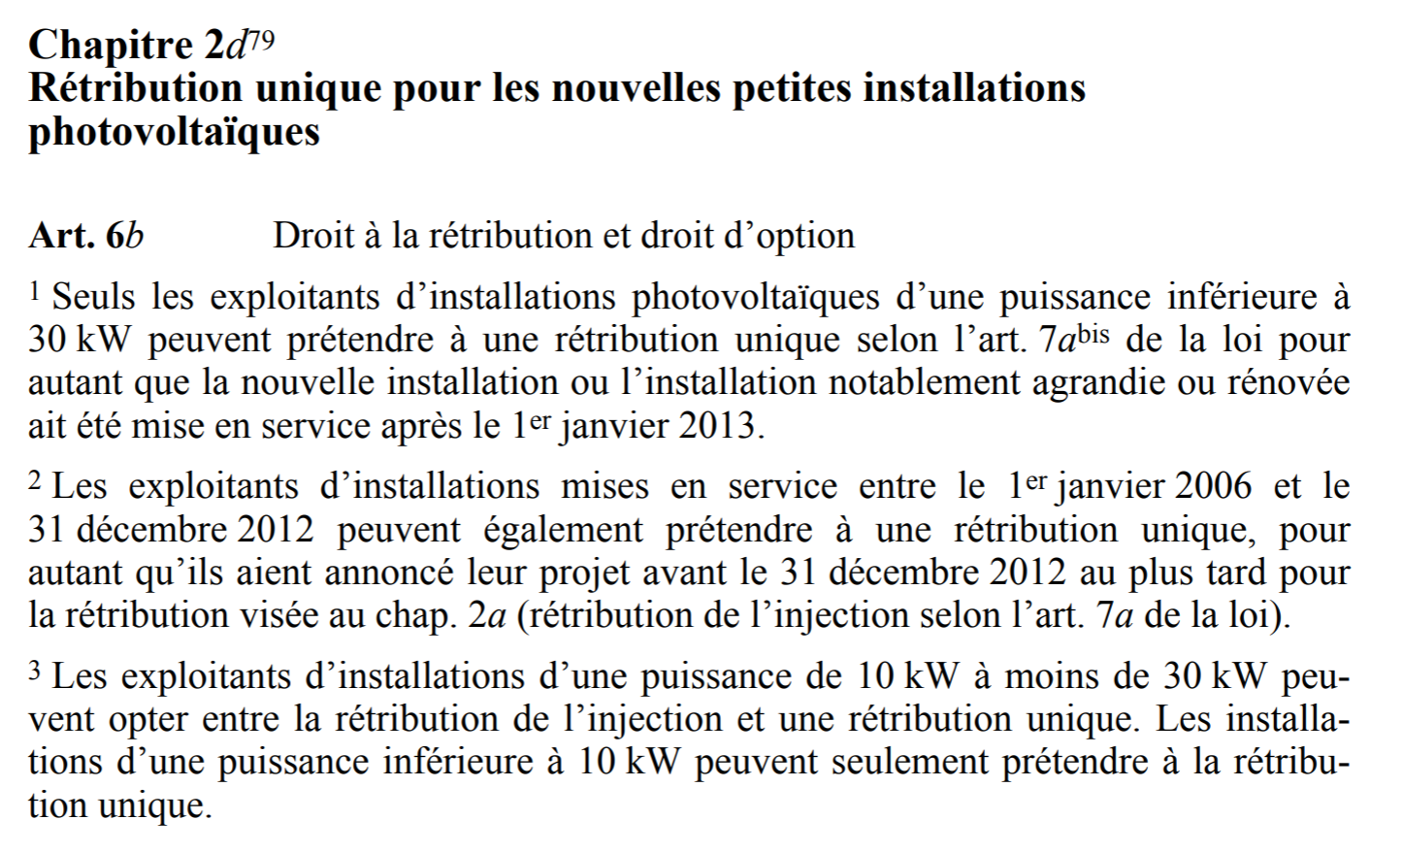
1991 | Nov-91 | 0 | 0 | 0 | 2001 | 0.00 | 0.00 | 0.00
1991 | Dec-91 | 0 | 0 | 0 | 2002 | 0.00 | 0.00 | 0.00 |  |  | https://www.admin.ch/opc/fr/classified-compilation/19983391/201401010000/730.01.pdf
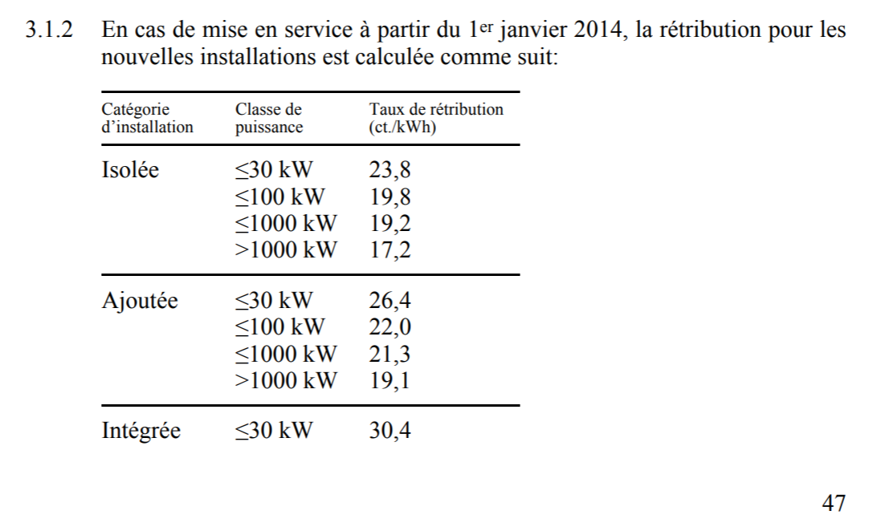
1992 | Jan-92 | 0 | 0 | 0 | 2003 | 0.00 | 0.00 | 0.00
1992 | Feb-92 | 0 | 0 | 0 | 2004 | 0.00 | 0.00 | 0.00
1992 | Mar-92 | 0 | 0 | 0 | 2005 | 0.15 | 0.15 | 0.15
1992 | Apr-92 | 0 | 0 | 0 | 2006 | 0.15 | 0.15 | 0.15
1992 | May-92 | 0 | 0 | 0 | 2007 | 0.15 | 0.15 | 0.15
1992 | Jun-92 | 0 | 0 | 0 | 2008 | 0.54 | 0.47 | 0.45
1992 | Jul-92 | 0 | 0 | 0 | 2009 | 0.73 | 0.63 | 0.60
1992 | Aug-92 | 0 | 0 | 0 | 2010 | 0.60 | 0.52 | 0.49
1992 | Sep-92 | 0 | 0 | 0 | 2011 | 0.50 | 0.43 | 0.38
1992 | Oct-92 | 0 | 0 | 0 | 2012 | 0.40 | 0.35 | 0.31
1992 | Nov-92 | 0 | 0 | 0 | 2013 | 0.32 | 0.26 | 0.24
1992 | Dec-92 | 0 | 0 | 0 | 2014 | 0.27 | 0.23 | 0.22
1993 | Jan-93 | 0 | 0 | 0 | 2015 | 0.24 | 0.20 | 0.19
1993 | Feb-93 | 0 | 0 | 0 | 2016 | 0.20 | 0.17 | 0.17
1993 | Mar-93 | 0 | 0 | 0
1993 | Apr-93 | 0 | 0 | 0
1993 | May-93 | 0 | 0 | 0
1993 | Jun-93 | 0 | 0 | 0
1993 | Jul-93 | 0 | 0 | 0
1993 | Aug-93 | 0 | 0 | 0
1993 | Sep-93 | 0 | 0 | 0
1993 | Oct-93 | 0 | 0 | 0
1993 | Nov-93 | 0 | 0 | 0
1993 | Dec-93 | 0 | 0 | 0
1994 | Jan-94 | 0 | 0 | 0
1994 | Feb-94 | 0 | 0 | 0
1994 | Mar-94 | 0 | 0 | 0
1994 | Apr-94 | 0 | 0 | 0
1994 | May-94 | 0 | 0 | 0
1994 | Jun-94 | 0 | 0 | 0
1994 | Jul-94 | 0 | 0 | 0
1994 | Aug-94 | 0 | 0 | 0
1994 | Sep-94 | 0 | 0 | 0
1994 | Oct-94 | 0 | 0 | 0
1994 | Nov-94 | 0 | 0 | 0
1994 | Dec-94 | 0 | 0 | 0
1995 | Jan-95 | 0 | 0 | 0
1995 | Feb-95 | 0 | 0 | 0
1995 | Mar-95 | 0 | 0 | 0
1995 | Apr-95 | 0 | 0 | 0
1995 | May-95 | 0 | 0 | 0
1995 | Jun-95 | 0 | 0 | 0
1995 | Jul-95 | 0 | 0 | 0
1995 | Aug-95 | 0 | 0 | 0
1995 | Sep-95 | 0 | 0 | 0
1995 | Oct-95 | 0 | 0 | 0
1995 | Nov-95 | 0 | 0 | 0
1995 | Dec-95 | 0 | 0 | 0
1996 | Jan-96 | 0 | 0 | 0
1996 | Feb-96 | 0 | 0 | 0
1996 | Mar-96 | 0 | 0 | 0
1996 | Apr-96 | 0 | 0 | 0
1996 | May-96 | 0 | 0 | 0
1996 | Jun-96 | 0 | 0 | 0
1996 | Jul-96 | 0 | 0 | 0
1996 | Aug-96 | 0 | 0 | 0
1996 | Sep-96 | 0 | 0 | 0
1996 | Oct-96 | 0 | 0 | 0
1996 | Nov-96 | 0 | 0 | 0
1996 | Dec-96 | 0 | 0 | 0
1997 | Jan-97 | 0 | 0 | 0
1997 | Feb-97 | 0 | 0 | 0
1997 | Mar-97 | 0 | 0 | 0
1997 | Apr-97 | 0 | 0 | 0
1997 | May-97 | 0 | 0 | 0
1997 | Jun-97 | 0 | 0 | 0
1997 | Jul-97 | 0 | 0 | 0
1997 | Aug-97 | 0 | 0 | 0
1997 | Sep-97 | 0 | 0 | 0
1997 | Oct-97 | 0 | 0 | 0
1997 | Nov-97 | 0 | 0 | 0
1997 | Dec-97 | 0 | 0 | 0
1998 | Jan-98 | 0 | 0 | 0
1998 | Feb-98 | 0 | 0 | 0
1998 | Mar-98 | 0 | 0 | 0
1998 | Apr-98 | 0 | 0 | 0
1998 | May-98 | 0 | 0 | 0
1998 | Jun-98 | 0 | 0 | 0
1998 | Jul-98 | 0 | 0 | 0
1998 | Aug-98 | 0 | 0 | 0
1998 | Sep-98 | 0 | 0 | 0
1998 | Oct-98 | 0 | 0 | 0
1998 | Nov-98 | 0 | 0 | 0
1998 | Dec-98 | 0 | 0 | 0
1999 | Jan-99 | 0 | 0 | 0
1999 | Feb-99 | 0 | 0 | 0
1999 | Mar-99 | 0 | 0 | 0
1999 | Apr-99 | 0 | 0 | 0
1999 | May-99 | 0 | 0 | 0
1999 | Jun-99 | 0 | 0 | 0
1999 | Jul-99 | 0 | 0 | 0
1999 | Aug-99 | 0 | 0 | 0
1999 | Sep-99 | 0 | 0 | 0
1999 | Oct-99 | 0 | 0 | 0
1999 | Nov-99 | 0 | 0 | 0
1999 | Dec-99 | 0 | 0 | 0
2000 | Jan-00 | 0 | 0 | 0
2000 | Feb-00 | 0 | 0 | 0
2000 | Mar-00 | 0 | 0 | 0
2000 | Apr-00 | 0 | 0 | 0
2000 | May-00 | 0 | 0 | 0
2000 | Jun-00 | 0 | 0 | 0
2000 | Jul-00 | 0 | 0 | 0
2000 | Aug-00 | 0 | 0 | 0
2000 | Sep-00 | 0 | 0 | 0
2000 | Oct-00 | 0 | 0 | 0
2000 | Nov-00 | 0 | 0 | 0
2000 | Dec-00 | 0 | 0 | 0
2001 | Jan-01 | 0 | 0 | 0
2001 | Feb-01 | 0 | 0 | 0
2001 | Mar-01 | 0 | 0 | 0
2001 | Apr-01 | 0 | 0 | 0
2001 | May-01 | 0 | 0 | 0
2001 | Jun-01 | 0 | 0 | 0
2001 | Jul-01 | 0 | 0 | 0
2001 | Aug-01 | 0 | 0 | 0
2001 | Sep-01 | 0 | 0 | 0
2001 | Oct-01 | 0 | 0 | 0
2001 | Nov-01 | 0 | 0 | 0
2001 | Dec-01 | 0 | 0 | 0
2002 | Jan-02 | 0 | 0 | 0
2002 | Feb-02 | 0 | 0 | 0
2002 | Mar-02 | 0 | 0 | 0
2002 | Apr-02 | 0 | 0 | 0
2002 | May-02 | 0 | 0 | 0
2002 | Jun-02 | 0 | 0 | 0
2002 | Jul-02 | 0 | 0 | 0
2002 | Aug-02 | 0 | 0 | 0
2002 | Sep-02 | 0 | 0 | 0
2002 | Oct-02 | 0 | 0 | 0
2002 | Nov-02 | 0 | 0 | 0
2002 | Dec-02 | 0 | 0 | 0
2003 | Jan-03 | 0 | 0 | 0
2003 | Feb-03 | 0 | 0 | 0
2003 | Mar-03 | 0 | 0 | 0
2003 | Apr-03 | 0 | 0 | 0
2003 | May-03 | 0 | 0 | 0
2003 | Jun-03 | 0 | 0 | 0
2003 | Jul-03 | 0 | 0 | 0
2003 | Aug-03 | 0 | 0 | 0
2003 | Sep-03 | 0 | 0 | 0
2003 | Oct-03 | 0 | 0 | 0
2003 | Nov-03 | 0 | 0 | 0
2003 | Dec-03 | 0 | 0 | 0
2004 | Jan-04 | 0 | 0 | 0
2004 | Feb-04 | 0 | 0 | 0
2004 | Mar-04 | 0 | 0 | 0
2004 | Apr-04 | 0 | 0 | 0
2004 | May-04 | 0 | 0 | 0
2004 | Jun-04 | 0 | 0 | 0
2004 | Jul-04 | 0 | 0 | 0
2004 | Aug-04 | 0 | 0 | 0
2004 | Sep-04 | 0 | 0 | 0
2004 | Oct-04 | 0 | 0 | 0
2004 | Nov-04 | 0 | 0 | 0
2004 | Dec-04 | 0 | 0 | 0
2005 | Jan-05 | 0.15 | 0.150015 | 0.15
2005 | Feb-05 | 0.15 | 0.150015 | 0.15
2005 | Mar-05 | 0.15 | 0.150015 | 0.15
2005 | Apr-05 | 0.15 | 0.150015 | 0.15
2005 | May-05 | 0.15 | 0.150015 | 0.15
2005 | Jun-05 | 0.15 | 0.150015 | 0.15
2005 | Jul-05 | 0.15 | 0.150015 | 0.15
2005 | Aug-05 | 0.15 | 0.150015 | 0.15
2005 | Sep-05 | 0.15 | 0.150015 | 0.15
2005 | Oct-05 | 0.15 | 0.150015 | 0.15
2005 | Nov-05 | 0.15 | 0.150015 | 0.15
2005 | Dec-05 | 0.15 | 0.150015 | 0.15
2006 | Jan-06 | 0.15 | 0.150015 | 0.15
2006 | Feb-06 | 0.15 | 0.150015 | 0.15
2006 | Mar-06 | 0.15 | 0.150015 | 0.15
2006 | Apr-06 | 0.15 | 0.150015 | 0.15
2006 | May-06 | 0.15 | 0.150015 | 0.15
2006 | Jun-06 | 0.15 | 0.150015 | 0.15
2006 | Jul-06 | 0.15 | 0.150015 | 0.15
2006 | Aug-06 | 0.15 | 0.150015 | 0.15
2006 | Sep-06 | 0.15 | 0.150015 | 0.15
2006 | Oct-06 | 0.15 | 0.150015 | 0.15
2006 | Nov-06 | 0.15 | 0.150015 | 0.15
2006 | Dec-06 | 0.15 | 0.150015 | 0.15
2007 | Jan-07 | 0.15 | 0.150015 | 0.15
2007 | Feb-07 | 0.15 | 0.150015 | 0.15
2007 | Mar-07 | 0.15 | 0.150015 | 0.15
2007 | Apr-07 | 0.15 | 0.150015 | 0.15
2007 | May-07 | 0.15 | 0.150015 | 0.15
2007 | Jun-07 | 0.15 | 0.150015 | 0.15
2007 | Jul-07 | 0.15 | 0.150015 | 0.15
2007 | Aug-07 | 0.15 | 0.150015 | 0.15
2007 | Sep-07 | 0.15 | 0.150015 | 0.15
2007 | Oct-07 | 0.15 | 0.150015 | 0.15
2007 | Nov-07 | 0.15 | 0.150015 | 0.15
2007 | Dec-07 | 0.15 | 0.150015 | 0.15
2008 | Jan-08 | 0.15 | 0.150015 | 0.15
2008 | Feb-08 | 0.15 | 0.150015 | 0.15
2008 | Mar-08 | 0.15 | 0.150015 | 0.15
2008 | Apr-08 | 0.15 | 0.150015 | 0.15
2008 | May-08 | 0.732064 | 0.630428 | 0.603396
2008 | Jun-08 | 0.732064 | 0.630428 | 0.603396
2008 | Jul-08 | 0.732064 | 0.630428 | 0.603396
2008 | Aug-08 | 0.732064 | 0.630428 | 0.603396
2008 | Sep-08 | 0.732064 | 0.630428 | 0.603396
2008 | Oct-08 | 0.732064 | 0.630428 | 0.603396
2008 | Nov-08 | 0.732064 | 0.630428 | 0.603396
2008 | Dec-08 | 0.732064 | 0.630428 | 0.603396
2009 | Jan-09 | 0.732064 | 0.630428 | 0.603396
2009 | Feb-09 | 0.732064 | 0.630428 | 0.603396
2009 | Mar-09 | 0.732064 | 0.630428 | 0.603396
2009 | Apr-09 | 0.732064 | 0.630428 | 0.603396
2009 | May-09 | 0.732064 | 0.630428 | 0.603396
2009 | Jun-09 | 0.732064 | 0.630428 | 0.603396
2009 | Jul-09 | 0.732064 | 0.630428 | 0.603396
2009 | Aug-09 | 0.732064 | 0.630428 | 0.603396
2009 | Sep-09 | 0.732064 | 0.630428 | 0.603396
2009 | Oct-09 | 0.732064 | 0.630428 | 0.603396
2009 | Nov-09 | 0.732064 | 0.630428 | 0.603396
2009 | Dec-09 | 0.732064 | 0.630428 | 0.603396
2010 | Jan-10 | 0.60032025 | 0.5165519 | 0.4947168
2010 | Feb-10 | 0.60032025 | 0.5165519 | 0.4947168
2010 | Mar-10 | 0.60032025 | 0.5165519 | 0.4947168
2010 | Apr-10 | 0.60032025 | 0.5165519 | 0.4947168
2010 | May-10 | 0.60032025 | 0.5165519 | 0.4947168
2010 | Jun-10 | 0.60032025 | 0.5165519 | 0.4947168
2010 | Jul-10 | 0.60032025 | 0.5165519 | 0.4947168
2010 | Aug-10 | 0.60032025 | 0.5165519 | 0.4947168
2010 | Sep-10 | 0.60032025 | 0.5165519 | 0.4947168
2010 | Oct-10 | 0.60032025 | 0.5165519 | 0.4947168
2010 | Nov-10 | 0.60032025 | 0.5165519 | 0.4947168
2010 | Dec-10 | 0.60032025 | 0.5165519 | 0.4947168
2011 | Jan-11 | 0.4996692 | 0.4297248 | 0.3842826
2011 | Feb-11 | 0.4996692 | 0.4297248 | 0.3842826
2011 | Mar-11 | 0.4996692 | 0.4297248 | 0.3842826
2011 | Apr-11 | 0.4996692 | 0.4297248 | 0.3842826
2011 | May-11 | 0.4996692 | 0.4297248 | 0.3842826
2011 | Jun-11 | 0.4996692 | 0.4297248 | 0.3842826
2011 | Jul-11 | 0.4996692 | 0.4297248 | 0.3842826
2011 | Aug-11 | 0.4996692 | 0.4297248 | 0.3842826
2011 | Sep-11 | 0.4996692 | 0.4297248 | 0.3842826
2011 | Oct-11 | 0.4996692 | 0.4297248 | 0.3842826
2011 | Nov-11 | 0.4996692 | 0.4297248 | 0.3842826
2011 | Dec-11 | 0.4996692 | 0.4297248 | 0.3842826
2012 | Jan-12 | 0.45969566 | 0.39534682 | 0.35353999
2012 | Feb-12 | 0.45969566 | 0.39534682 | 0.35353999
2012 | Mar-12 | 0.405086 | 0.358053 | 0.3224336
2012 | Apr-12 | 0.405086 | 0.358053 | 0.3224336
2012 | May-12 | 0.405086 | 0.358053 | 0.3224336
2012 | Jun-12 | 0.405086 | 0.358053 | 0.3224336
2012 | Jul-12 | 0.405086 | 0.358053 | 0.3224336
2012 | Aug-12 | 0.405086 | 0.358053 | 0.3224336
2012 | Sep-12 | 0.405086 | 0.358053 | 0.3224336
2012 | Oct-12 | 0.3461237 | 0.2826643 | 0.2618672
2012 | Nov-12 | 0.3461237 | 0.2826643 | 0.2618672
2012 | Dec-12 | 0.3461237 | 0.2826643 | 0.2618672
2013 | Jan-13 | 0.3184338 | 0.26005116 | 0.24091782
2013 | Feb-13 | 0.3184338 | 0.26005116 | 0.24091782
2013 | Mar-13 | 0.3184338 | 0.26005116 | 0.24091782
2013 | Apr-13 | 0.3184338 | 0.26005116 | 0.24091782
2013 | May-13 | 0.3184338 | 0.26005116 | 0.24091782
2013 | Jun-13 | 0.3184338 | 0.26005116 | 0.24091782
2013 | Jul-13 | 0.3184338 | 0.26005116 | 0.24091782
2013 | Aug-13 | 0.3184338 | 0.26005116 | 0.24091782
2013 | Sep-13 | 0.3184338 | 0.26005116 | 0.24091782
2013 | Oct-13 | 0.3184338 | 0.26005116 | 0.24091782
2013 | Nov-13 | 0.3184338 | 0.26005116 | 0.24091782
2013 | Dec-13 | 0.3184338 | 0.26005116 | 0.24091782
2014 | Jan-14 | 0.2747384 | 0.2271115 | 0.21759227
2014 | Feb-14 | 0.2747384 | 0.2271115 | 0.21759227
2014 | Mar-14 | 0.2747384 | 0.2271115 | 0.21759227
2014 | Apr-14 | 0.2747384 | 0.2271115 | 0.21759227
2014 | May-14 | 0.2747384 | 0.2271115 | 0.21759227
2014 | Jun-14 | 0.2747384 | 0.2271115 | 0.21759227
2014 | Jul-14 | 0.2747384 | 0.2271115 | 0.21759227
2014 | Aug-14 | 0.2747384 | 0.2271115 | 0.21759227
2014 | Sep-14 | 0.2747384 | 0.2271115 | 0.21759227
2014 | Oct-14 | 0.2747384 | 0.2271115 | 0.21759227
2014 | Nov-14 | 0.2747384 | 0.2271115 | 0.21759227
2014 | Dec-14 | 0.2747384 | 0.2271115 | 0.21759227
2015 | Jan-15 | 0.2747384 | 0.2271115 | 0.21759227
2015 | Feb-15 | 0.2747384 | 0.2271115 | 0.21759227
2015 | Mar-15 | 0.2747384 | 0.2271115 | 0.21759227
2015 | Apr-15 | 0.244884 | 0.1906891 | 0.19007084
2015 | May-15 | 0.244884 | 0.1906891 | 0.19007084
2015 | Jun-15 | 0.244884 | 0.1906891 | 0.19007084
2015 | Jul-15 | 0.244884 | 0.1906891 | 0.19007084
2015 | Aug-15 | 0.244884 | 0.1906891 | 0.19007084
2015 | Sep-15 | 0.244884 | 0.1906891 | 0.19007084
2015 | Oct-15 | 0.2137956 | 0.1822521 | 0.17849739
2015 | Nov-15 | 0.2137956 | 0.1822521 | 0.17849739
2015 | Dec-15 | 0.2137956 | 0.1822521 | 0.17849739
2016 | Jan-16 | 0.2137956 | 0.1822521 | 0.17849739
2016 | Feb-16 | 0.2137956 | 0.1822521 | 0.17849739
2016 | Mar-16 | 0.2137956 | 0.1822521 | 0.17849739
2016 | Apr-16 | 0.2028909 | 0.1714691 | 0.16692394
2016 | May-16 | 0.2028909 | 0.1714691 | 0.16692394
2016 | Jun-16 | 0.2028909 | 0.1714691 | 0.16692394
2016 | Jul-16 | 0.2028909 | 0.1714691 | 0.16692394
2016 | Aug-16 | 0.2028909 | 0.1714691 | 0.16692394
2016 | Sep-16 | 0.2028909 | 0.1714691 | 0.16692394
2016 | Oct-16 | 0.1978909 | 0.1610319 | 0.15502827
2016 | Nov-16 | 0.1978909 | 0.1610319 | 0.15502827
2016 | Dec-16 | 0.1978909 | 0.1610319 | 0.15502827

