Your Estimate
Microsoft Azure Estimate
Your Estimate
Service category | Service type | Custom name | Region | Description | Estimated monthly cost | Estimated upfront cost
Compute | Virtual Machines |  | East US | 1 NC4as T4 v3 (4 vCPUs, 28 GB RAM) x 1 Hours (Pay as you go), Linux, (Pay as you go); 0 managed disks – S4; Inter Region transfer type, 5 GB outbound data transfer from East US to East Asia | $0.53 | $0.00
Support |  |  | Support |  | $0.00 | $0.00
 |  |  | Licensing Program | Microsoft Customer Agreement (MCA)
 |  |  | Billing Account
 |  |  | Billing Profile
 |  |  | Total |  | $0.53 | $0.00

Disclaimer
All prices shown are in United States – Dollar ($) USD. This is a summary estimate, not a quote. For up to date pricing information please visit https://azure.microsoft.com/pricing/calculator/
This estimate was created at 7/10/2025 10:04:04 PM UTC.

Your Estimate
Service category | Service type | Custom name | Region | Description | Estimated monthly cost | Estimated upfront cost
Compute | Virtual Machines |  | East US | 1 NC8as T4 v3 (8 vCPUs, 56 GB RAM) x 1 Hours (Pay as you go), Linux, (Pay as you go); 0 managed disks – S4; Inter Region transfer type, 5 GB outbound data transfer from East US to East Asia | $0.75 | $0.00
Support |  |  | Support |  | $0.00 | $0.00
 |  |  | Licensing Program | Microsoft Customer Agreement (MCA)
 |  |  | Billing Account
 |  |  | Billing Profile
 |  |  | Total |  | $0.75 | $0.00

AWS
InstanceType | InstanceFamily | ProcessorVCPUCount | MemorySizeInMB | ProcessorArchitecture | HasGPU | PricePerHour | BestOnDemandHourPriceDiff
g4dn.xlarge | GPU instance | 4 | 16 | x86_64 | yes | 0.526 | US East (Virginia) / 0%
g4dn.2xlarge | GPU instance | 8 | 32 | x86_64 | yes | 0.752 | US East (Virginia) / 0%
g4dn.4xlarge | GPU instance | 16 | 64 | x86_64 | yes | 1.204 | US East (Virginia) / 0%
g4dn.8xlarge | GPU instance | 32 | 128 | x86_64 | yes | 2.176 | US East (Virginia) / 0%
g4dn.12xlarge | GPU instance | 48 | 192 | x86_64 | yes | 3.912 | US East (Virginia) / 0%
g4dn.16xlarge | GPU instance | 64 | 256 | x86_64 | yes | 4.352 | US East (Virginia) / 0%
g4dn.metal | GPU instance | 96 | 384 | x86_64 | yes | 7.824 | US East (Virginia) / 0%

GCP

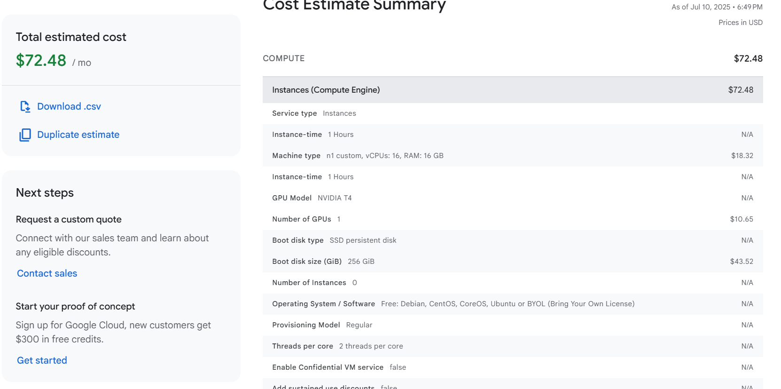

Paperspace
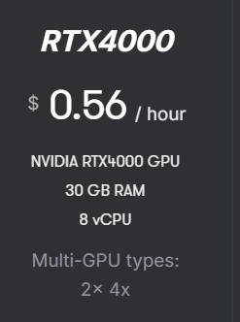

OCI
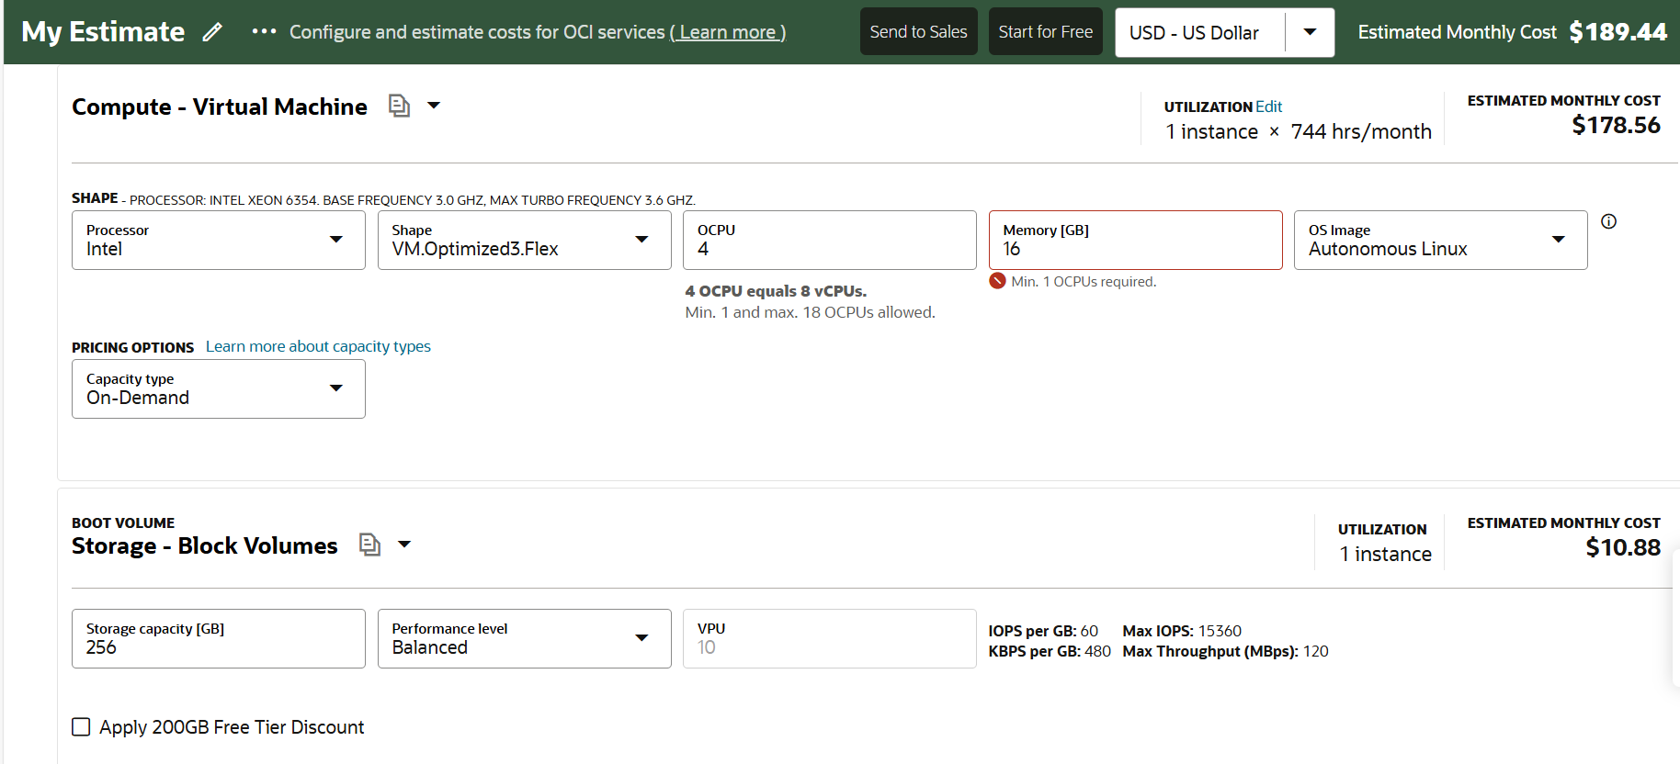

saladcloud

vast.ai

