Sheet1
S.No | t | H | H(t) OBS | AREA | R1 | R2 | A1R1 | A2R2 | H(t) PRED
1 | 0 | 28 | 0 | 6647.610055 | 0.0027 | 0.00252 | 17.94854715 | 16.75197734 | 0
2 | 4 | 30 | 2 | 6647.610055 | 0.0027 | 0.00252 | 17.94854715 | 16.75197734 | 13.30750181
3 | 8 | 30 | 2 | 6647.610055 | 0.0027 | 0.00252 | 17.94854715 | 16.75197734 | 21.12988215
4 | 12 | 32 | 4 | 6647.610055 | 0.0027 | 0.00252 | 17.94854715 | 16.75197734 | 25.16332631
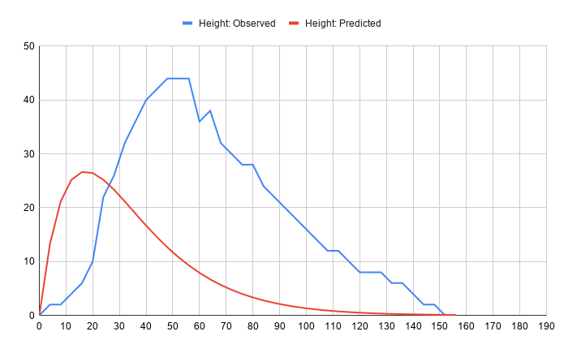
5 | 16 | 34 | 6 | 6647.610055 | 0.0027 | 0.00252 | 17.94854715 | 16.75197734 | 26.63763547
6 | 20 | 38 | 10 | 6647.610055 | 0.0027 | 0.00252 | 17.94854715 | 16.75197734 | 26.4364867
7 | 24 | 50 | 22 | 6647.610055 | 0.0027 | 0.00252 | 17.94854715 | 16.75197734 | 25.1879143
8 | 28 | 54 | 26 | 6647.610055 | 0.0027 | 0.00252 | 17.94854715 | 16.75197734 | 23.33218361
9 | 32 | 60 | 32 | 6647.610055 | 0.0027 | 0.00252 | 17.94854715 | 16.75197734 | 21.1725363
10 | 36 | 64 | 36 | 6647.610055 | 0.0027 | 0.00252 | 17.94854715 | 16.75197734 | 18.91298708
11 | 40 | 78 | 40 | 6647.610055 | 0.0027 | 0.00252 | 17.94854715 | 16.75197734 | 16.68635563
12 | 44 | 70 | 42 | 6647.610055 | 0.0027 | 0.00252 | 17.94854715 | 16.75197734 | 14.57495486
13 | 48 | 72 | 44 | 6647.610055 | 0.0027 | 0.00252 | 17.94854715 | 16.75197734 | 12.62577291
14 | 52 | 72 | 44 | 6647.610055 | 0.0027 | 0.00252 | 17.94854715 | 16.75197734 | 10.86154057
15 | 56 | 72 | 44 | 6647.610055 | 0.0027 | 0.00252 | 17.94854715 | 16.75197734 | 9.288735837
16 | 60 | 64 | 36 | 6647.610055 | 0.0027 | 0.00252 | 17.94854715 | 16.75197734 | 7.903318488
17 | 64 | 66 | 38 | 6647.610055 | 0.0027 | 0.00252 | 17.94854715 | 16.75197734 | 6.694790634
18 | 68 | 60 | 32 | 6647.610055 | 0.0027 | 0.00252 | 17.94854715 | 16.75197734 | 5.649029887
19 | 72 | 58 | 30 | 6647.610055 | 0.0027 | 0.00252 | 17.94854715 | 16.75197734 | 4.750228789
20 | 76 | 56 | 28 | 6647.610055 | 0.0027 | 0.00252 | 17.94854715 | 16.75197734 | 3.982188627
21 | 80 |  | 28 | 6647.610055 | 0.0027 | 0.00252 | 17.94854715 | 16.75197734 | 3.329151476
22 | 84 |  | 24 | 6647.610055 | 0.0027 | 0.00252 | 17.94854715 | 16.75197734 | 2.776305881
23 | 88 |  | 22 | 6647.610055 | 0.0027 | 0.00252 | 17.94854715 | 16.75197734 | 2.310065408
24 | 92 |  | 20 | 6647.610055 | 0.0027 | 0.00252 | 17.94854715 | 16.75197734 | 1.918192218
25 | 96 | 46 | 18 | 6647.610055 | 0.0027 | 0.00252 | 17.94854715 | 16.75197734 | 1.589817718
26 | 100 | 44 | 16 | 6647.610055 | 0.0027 | 0.00252 | 17.94854715 | 16.75197734 | 1.315397482
27 | 104 | 42 | 14 | 6647.610055 | 0.0027 | 0.00252 | 17.94854715 | 16.75197734 | 1.086626647
28 | 108 | 40 | 12 | 6647.610055 | 0.0027 | 0.00252 | 17.94854715 | 16.75197734 | 0.8963339885
29 | 112 | 40 | 12 | 6647.610055 | 0.0027 | 0.00252 | 17.94854715 | 16.75197734 | 0.7383670653
30 | 116 | 38 | 10 | 6647.610055 | 0.0027 | 0.00252 | 17.94854715 | 16.75197734 | 0.607476593
31 | 120 | 36 | 8 | 6647.610055 | 0.0027 | 0.00252 | 17.94854715 | 16.75197734 | 0.4992052504
32 | 124 | 36 | 8 | 6647.610055 | 0.0027 | 0.00252 | 17.94854715 | 16.75197734 | 0.4097839928
33 | 128 | 36 | 8 | 6647.610055 | 0.0027 | 0.00252 | 17.94854715 | 16.75197734 | 0.3360374966
34 | 132 | 34 | 6 | 6647.610055 | 0.0027 | 0.00252 | 17.94854715 | 16.75197734 | 0.2752993726
35 | 136 | 34 | 6 | 6647.610055 | 0.0027 | 0.00252 | 17.94854715 | 16.75197734 | 0.2253371328
36 | 140 | 32 | 4 | 6647.610055 | 0.0027 | 0.00252 | 17.94854715 | 16.75197734 | 0.1842864883
37 | 144 | 30 | 2 | 6647.610055 | 0.0027 | 0.00252 | 17.94854715 | 16.75197734 | 0.1505943174
38 | 148 | 30 | 2 | 6647.610055 | 0.0027 | 0.00252 | 17.94854715 | 16.75197734 | 0.1229695158
39 | 152 | 28 | 0 | 6647.610055 | 0.0027 | 0.00252 | 17.94854715 | 16.75197734 | 0.100340903
40 | 156 | 28 | 0 | 6647.610055 | 0.0027 | 0.00252 | 17.94854715 | 16.75197734 | 0.0818213593

