Sheet1
S.No | t | H | H(t) OBS | AREA | R2 | R3 | A2R2 | A3R3 | b | ALPHA | BETA | H(t) PRED
1 | 0 | 28 | 0 | 6647.610055 | 0.0054 | 0.00486 | 35.8970943 | 32.30738487 | 0.0866674914 | -0.01146601582 | -0.07520147558 | 0
2 | 2 | 30 | 2 | 6647.610055 | 0.0054 | 0.00486 | 35.8970943 | 32.30738487 | 0.0866674914 | -0.01146601582 | -0.07520147558 | 0.04397198967
3 | 4 | 30 | 2 | 6647.610055 | 0.0054 | 0.00486 | 35.8970943 | 32.30738487 | 0.0866674914 | -0.01146601582 | -0.07520147558 | 0.166282504
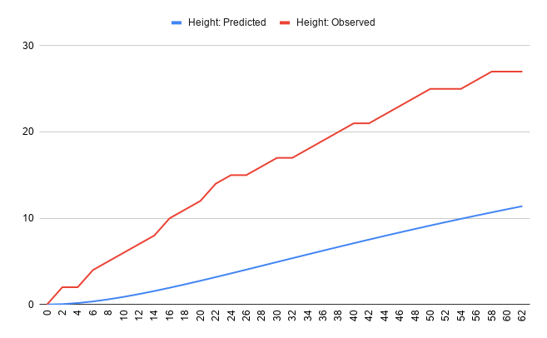
4 | 6 | 32 | 4 | 6647.610055 | 0.0054 | 0.00486 | 35.8970943 | 32.30738487 | 0.0866674914 | -0.01146601582 | -0.07520147558 | 0.3540772224
5 | 8 | 33 | 5 | 6647.610055 | 0.0054 | 0.00486 | 35.8970943 | 32.30738487 | 0.0866674914 | -0.01146601582 | -0.07520147558 | 0.5963402063
6 | 10 | 34 | 6 | 6647.610055 | 0.0054 | 0.00486 | 35.8970943 | 32.30738487 | 0.0866674914 | -0.01146601582 | -0.07520147558 | 0.883636205
7 | 12 | 35 | 7 | 6647.610055 | 0.0054 | 0.00486 | 35.8970943 | 32.30738487 | 0.0866674914 | -0.01146601582 | -0.07520147558 | 1.207888969
8 | 14 | 36 | 8 | 6647.610055 | 0.0054 | 0.00486 | 35.8970943 | 32.30738487 | 0.0866674914 | -0.01146601582 | -0.07520147558 | 1.562190538
9 | 16 | 38 | 10 | 6647.610055 | 0.0054 | 0.00486 | 35.8970943 | 32.30738487 | 0.0866674914 | -0.01146601582 | -0.07520147558 | 1.940637188
10 | 18 | 39 | 11 | 6647.610055 | 0.0054 | 0.00486 | 35.8970943 | 32.30738487 | 0.0866674914 | -0.01146601582 | -0.07520147558 | 2.3381883
11 | 20 | 40 | 12 | 6647.610055 | 0.0054 | 0.00486 | 35.8970943 | 32.30738487 | 0.0866674914 | -0.01146601582 | -0.07520147558 | 2.750544957
12 | 22 | 42 | 14 | 6647.610055 | 0.0054 | 0.00486 | 35.8970943 | 32.30738487 | 0.0866674914 | -0.01146601582 | -0.07520147558 | 3.174045521
13 | 24 | 43 | 15 | 6647.610055 | 0.0054 | 0.00486 | 35.8970943 | 32.30738487 | 0.0866674914 | -0.01146601582 | -0.07520147558 | 3.605575802
14 | 26 | 43 | 15 | 6647.610055 | 0.0054 | 0.00486 | 35.8970943 | 32.30738487 | 0.0866674914 | -0.01146601582 | -0.07520147558 | 4.042491796
15 | 28 | 44 | 16 | 6647.610055 | 0.0054 | 0.00486 | 35.8970943 | 32.30738487 | 0.0866674914 | -0.01146601582 | -0.07520147558 | 4.482553224
16 | 30 | 45 | 17 | 6647.610055 | 0.0054 | 0.00486 | 35.8970943 | 32.30738487 | 0.0866674914 | -0.01146601582 | -0.07520147558 | 4.92386638
17 | 32 | 45 | 17 | 6647.610055 | 0.0054 | 0.00486 | 35.8970943 | 32.30738487 | 0.0866674914 | -0.01146601582 | -0.07520147558 | 5.364834966
18 | 34 | 46 | 18 | 6647.610055 | 0.0054 | 0.00486 | 35.8970943 | 32.30738487 | 0.0866674914 | -0.01146601582 | -0.07520147558 | 5.804117815
19 | 36 | 47 | 19 | 6647.610055 | 0.0054 | 0.00486 | 35.8970943 | 32.30738487 | 0.0866674914 | -0.01146601582 | -0.07520147558 | 6.240592536
20 | 38 | 48 | 20 | 6647.610055 | 0.0054 | 0.00486 | 35.8970943 | 32.30738487 | 0.0866674914 | -0.01146601582 | -0.07520147558 | 6.673324252
21 | 40 | 49 | 21 | 6647.610055 | 0.0054 | 0.00486 | 35.8970943 | 32.30738487 | 0.0866674914 | -0.01146601582 | -0.07520147558 | 7.101538713
22 | 42 | 49 | 21 | 6647.610055 | 0.0054 | 0.00486 | 35.8970943 | 32.30738487 | 0.0866674914 | -0.01146601582 | -0.07520147558 | 7.524599189
23 | 44 | 50 | 22 | 6647.610055 | 0.0054 | 0.00486 | 35.8970943 | 32.30738487 | 0.0866674914 | -0.01146601582 | -0.07520147558 | 7.941986595
24 | 46 | 51 | 23 | 6647.610055 | 0.0054 | 0.00486 | 35.8970943 | 32.30738487 | 0.0866674914 | -0.01146601582 | -0.07520147558 | 8.353282418
25 | 48 | 52 | 24 | 6647.610055 | 0.0054 | 0.00486 | 35.8970943 | 32.30738487 | 0.0866674914 | -0.01146601582 | -0.07520147558 | 8.758154032
26 | 50 | 53 | 25 | 6647.610055 | 0.0054 | 0.00486 | 35.8970943 | 32.30738487 | 0.0866674914 | -0.01146601582 | -0.07520147558 | 9.156342084
27 | 52 | 53 | 25 | 6647.610055 | 0.0054 | 0.00486 | 35.8970943 | 32.30738487 | 0.0866674914 | -0.01146601582 | -0.07520147558 | 9.547649655
28 | 54 | 53 | 25 | 6647.610055 | 0.0054 | 0.00486 | 35.8970943 | 32.30738487 | 0.0866674914 | -0.01146601582 | -0.07520147558 | 9.931932945
29 | 56 | 54 | 26 | 6647.610055 | 0.0054 | 0.00486 | 35.8970943 | 32.30738487 | 0.0866674914 | -0.01146601582 | -0.07520147558 | 10.30909328
30 | 58 | 55 | 27 | 6647.610055 | 0.0054 | 0.00486 | 35.8970943 | 32.30738487 | 0.0866674914 | -0.01146601582 | -0.07520147558 | 10.67907023
31 | 60 | 55 | 27 | 6647.610055 | 0.0054 | 0.00486 | 35.8970943 | 32.30738487 | 0.0866674914 | -0.01146601582 | -0.07520147558 | 11.04183573
32 | 62 | 55 | 27 | 6647.610055 | 0.0054 | 0.00486 | 35.8970943 | 32.30738487 | 0.0866674914 | -0.01146601582 | -0.07520147558 | 11.39738902

