Sheet1
S.No | t | H | H(t) OBS | AREA | R2 | R3 | A2R2 | A3R3 | A | H(t) PRED
1 | 0 | 20 | 0 | 6647.610055 | 0.0072 | 0.00648 | 47.8627924 | 43.07651316 | 5555.555556 | 0
2 | 8 | 24 | 4 | 6647.610055 | 0.0072 | 0.00648 | 47.8627924 | 43.07651316 | 5555.555556 | 0.4971799295
3 | 16 | 28 | 8 | 6647.610055 | 0.0072 | 0.00648 | 47.8627924 | 43.07651316 | 5555.555556 | 1.772749079
4 | 24 | 32 | 12 | 6647.610055 | 0.0072 | 0.00648 | 47.8627924 | 43.07651316 | 5555.555556 | 3.561995429
5 | 32 | 34 | 14 | 6647.610055 | 0.0072 | 0.00648 | 47.8627924 | 43.07651316 | 5555.555556 | 5.66551137
6 | 40 | 36 | 14 | 6647.610055 | 0.0072 | 0.00648 | 47.8627924 | 43.07651316 | 5555.555556 | 7.934979315
7 | 48 | 42 | 16 | 6647.610055 | 0.0072 | 0.00648 | 47.8627924 | 43.07651316 | 5555.555556 | 10.26185074
8 | 56 | 44 | 22 | 6647.610055 | 0.0072 | 0.00648 | 47.8627924 | 43.07651316 | 5555.555556 | 12.56835374
9 | 64 | 46 | 24 | 6647.610055 | 0.0072 | 0.00648 | 47.8627924 | 43.07651316 | 5555.555556 | 14.80037127
10 | 72 | 48 | 26 | 6647.610055 | 0.0072 | 0.00648 | 47.8627924 | 43.07651316 | 5555.555556 | 16.92181987
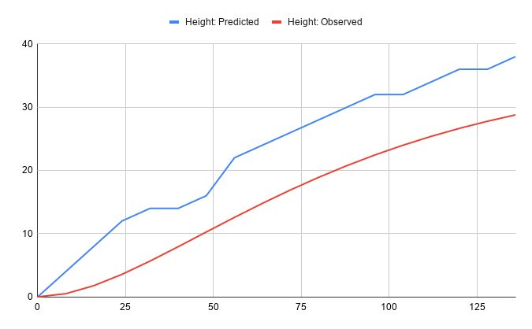
11 | 80 | 50 | 28 | 6647.610055 | 0.0072 | 0.00648 | 47.8627924 | 43.07651316 | 5555.555556 | 18.91022914
12 | 88 | 50 | 30 | 6647.610055 | 0.0072 | 0.00648 | 47.8627924 | 43.07651316 | 5555.555556 | 20.75328047
13 | 96 | 52 | 32 | 6647.610055 | 0.0072 | 0.00648 | 47.8627924 | 43.07651316 | 5555.555556 | 22.44611006
14 | 104 | 52 | 32 | 6647.610055 | 0.0072 | 0.00648 | 47.8627924 | 43.07651316 | 5555.555556 | 23.98921927
15 | 112 | 54 | 34 | 6647.610055 | 0.0072 | 0.00648 | 47.8627924 | 43.07651316 | 5555.555556 | 25.38686637
16 | 120 | 56 | 36 | 6647.610055 | 0.0072 | 0.00648 | 47.8627924 | 43.07651316 | 5555.555556 | 26.64583842
17 | 128 | 56 | 36 | 6647.610055 | 0.0072 | 0.00648 | 47.8627924 | 43.07651316 | 5555.555556 | 27.77452234
18 | 136 | 58 | 38 | 6647.610055 | 0.0072 | 0.00648 | 47.8627924 | 43.07651316 | 5555.555556 | 28.78221042

