Sheet1
Comment | Description | Footprint |  | QTY | LINK
ESP32-S | size -25.5x18x3 |  | 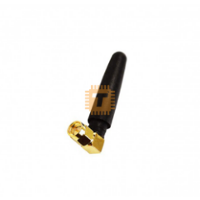 | 520
100 uF | 100uF 16V 20% Aluminum Electrolytic Capacitor – THR |  | 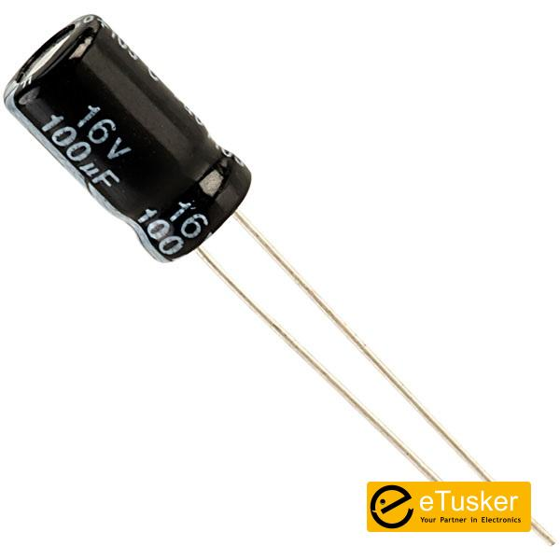 | 10

