ResultsSummary
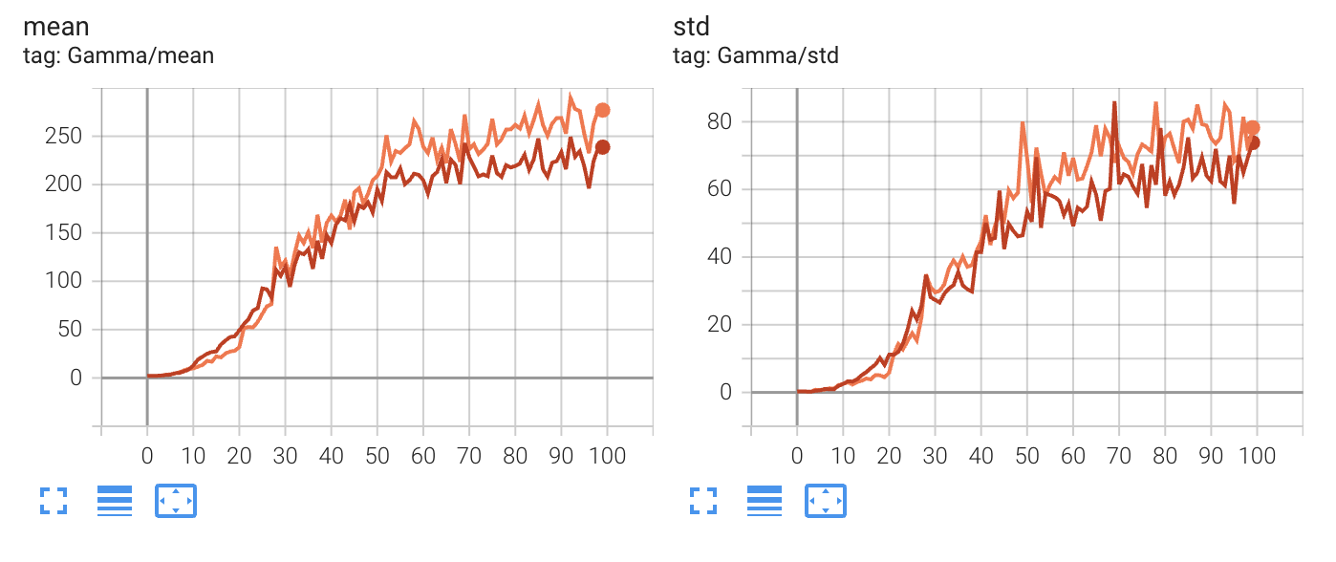
 |  | CIFAR-10 |  |  |  |  |  |  |  |  | Stanford Dogs
 |  | Scratch |  |  |  | Pretrained |  |  |  |  | Scratch |  |  |  | Pretrained
 |  | ResNet-18 | NeuroZoom | NeuroFocus | Remove Zoom | ResNet-18 | NeuroZoom | NeuroFocus | Remove Zoom |  | ResNet18 | NeuroZoom | NeuroFocus | Remove Zoom | ResNet18 | NeuroZoom | NeuroFocus | Remove Zoom
92.65% | Accuracy | 93.58% | 94.46% | 93.59% | 94.32% | 95.08% | 94.14% | 86.62% | 80.65% | Accuracy | 45.17% | 63.24% | 62.21% | 62.58% | 73.54% | 71.63% | 71.13% | 71.31%
71.35% | 10% of training data | 74.19% | 79.06% | 77.34% | 79.57% | 84.42% | 87.36% | 77.51% | 87.34% | 10% of training data | 7.60% | 3.74% | 3.07% | 4.76% | 46.33% | 2.26% | 2.81% | 1.75%
84.38% | 25% of training data | 85.09% | 87.23% | 86.29% | 87.52% | 90.51% | 91.72% | 85.38% | 76.56% | 25% of training data | 16.88% | 14.43% | 11.72% | 12.87% | 62.52% | 44.38% | 44.31% | 41.70%
88.50% | 50% of training data | 90.37% | 91.38% | 90.45% | 91.31% | 93.25% | 93.70% | 88.94% | 94.52% | 50% of training data | 29.81% | 40.51% | 38.87% | 38.15% | 69.06% | 62.84% | 61.66% | 58.96%
45.21% | FGSM 0.01 | 53.02% | 56.04% | 57.67% | 54.41% | 61.09% | 60.70% | 49.81% | 38.71% | FGSM 0.01 | 7.34% | 8.72% | 9.72% | 7.59% | 13.16% | 12.01% | 12.39% | 12.63%
42.21% | FGSM 0.05 | 50.66% | 54.40% | 55.92% | 53.11% | 58.21% | 53.91% | 36.21% | 25.61% | FGSM 0.05 | 2.83% | 2.68% | 3.36% | 2.34% | 5.57% | 3.60% | 4.07% | 3.95%
39.53% | FGSM 0.1 | 47.70% | 50.88% | 53.02% | 50.09% | 53.19% | 48.21% | 26.55% | 17.76% | FGSM 0.1 | 1.21% | 1.76% | 2.04% | 1.60% | 3.62% | 2.68% | 2.79% | 2.73%
34.43% | FGSM 0.2 | 40.95% | 43.17% | 47.44% | 43.77% | 42.57% | 38.87% | 18.22% | 12.42% | FGSM 0.2 | 0.57% | 1.46% | 1.48% | 1.40% | 2.47% | 2.25% | 2.21% | 2.18%
32.55% | PGD 0.01 | 38.81% | 36.71% | 41.72% | 36.07% | 43.64% | 40.89% | 41.31% | 31.10% | PGD 0.01 | 3.19% | 0.91% | 1.54% | 0.72% | 1.98% | 0.43% | 0.76% | 0.79%
12.90% | PGD 0.05 | 19.73% | 14.99% | 18.54% | 15.24% | 21.58% | 10.46% | 13.38% | 7.72% | PGD 0.05 | 1.21% | 0.01% | 0.01% | 0.00% | 0.08% | 0.00% | 0.02% | 0.01%
10.95% | PGD 0.1 | 17.32% | 11.66% | 14.92% | 11.88% | 18.48% | 6.96% | 8.11% | 4.39% | PGD 0.1 | 0.07% | 0.01% | 0.01% | 0.00% | 0.02% | 0.00% | 0.01% | 0.00%
9.39% | PGD 0.2 | 14.66% | 8.39% | 11.95% | 8.63% | 14.26% | 4.30% | 5.07% | 2.62% | PGD 0.2 | 0.03% | 0.01% | 0.01% | 0.00% | 0.02% | 0.00% | 0.00% | 0.00%
 | Gaussian 0.01 | 53.68% | 56.30% | 58.21% | 54.51% | 61.62% | 62.54% | 54.15% | 43.18% | Gaussian 0.01 | 9.48% | 14.84% | 14.63% | 13.22% | 18.33% | 20.48% | 21.19% | 21.08%
45.91% | Gaussian 0.05 | 53.35% | 55.29% | 57.82% | 53.62% | 60.57% | 61.89% | 53.85% | 42.65% | Gaussian 0.05 | 9.62% | 14.49% | 14.42% | 12.38% | 17.41% | 19.58% | 20.19% | 19.95%
44.30% | Gaussian 0.1 | 51.92% | 52.72% | 56.59% | 50.62% | 57.33% | 57.58% | 52.72% | 40.21% | Gaussian 0.1 | 9.39% | 12.41% | 13.59% | 10.23% | 14.42% | 16.25% | 17.69% | 16.53%
40.28% | Gaussian 0.2 | 46.36% | 45.93% | 51.57% | 43.82% | 47.17% | 47.36% | 48.97% | 34.08% | Gaussian 0.2 | 8.62% | 8.00% | 10.58% | 6.56% | 9.55% | 10.17% | 11.04% | 9.13%

 |  |  |  |  |  |  |  |  |  | Accuracy | FALSE | FALSE | FALSE | FALSE
 |  |  |  |  |  |  |  |  |  | 10% of training data | FALSE | TRUE | TRUE | TRUE
 |  |  |  |  |  |  |  |  |  | 25% of training data | FALSE | FALSE | FALSE | FALSE
 |  |  |  |  |  |  |  |  |  | 50% of training data | FALSE | FALSE | FALSE | FALSE

 |  |  |  |  |  |  |  |  |  | FGSM 0.1 | FALSE | FALSE | FALSE | FALSE

 |  |  |  |  |  |  |  |  |  | PGD 0.01 | TRUE | TRUE | TRUE | FALSE

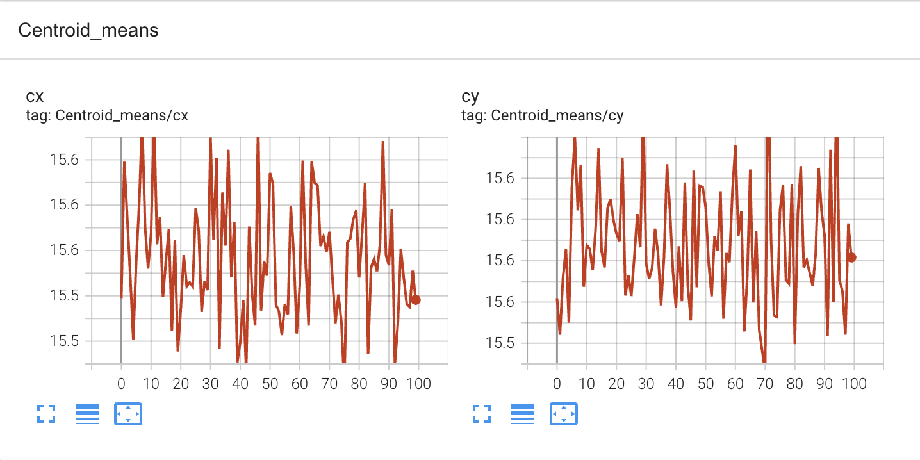

 |  |  |  |  |  |  |  |  |  | Gaussian 0.1 | FALSE | FALSE | FALSE | FALSE

