IPL 2021 DashBoard
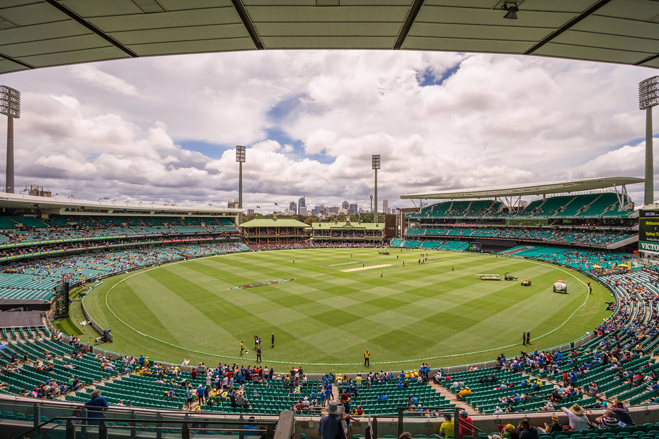
IPL 2021 Players Auction data

 | Sum of Million Dollar (AUD) | Sum of COST IN CRORES (INR)
Abdul Samad | 7272727.2727 | 40000000
Abhishek Sharma | 11818181.818 | 65000000
James Neesham | 2727272.7273 | 15000000
Marco Jansen | 7636363.6364 | 42000000
Mitchell Santner | 3454545.4545 | 19000000
Moeen Ali | 14545454.545 | 80000000
Ravindra Jadeja | 29090909.091 | 160000000
Riyan Parag | 6909090.9091 | 38000000
Shivam Dube | 7272727.2727 | 40000000
Washington Sundar | 15909090.909 | 87500000
Players in chennai super Kings Team
 | Total
Abdul Samad | 40000000
Abhishek Sharma | 65000000
James Neesham | 15000000
K.Bhagath Varma | 2000000
Marco Jansen | 42000000
Mitchell Santner | 19000000
Moeen Ali | 80000000
Ravindra Jadeja | 160000000
Riyan Parag | 38000000
Shivam Dube | 40000000
Washington Sundar | 87500000
Delhi capitals players individual acution prices in AUD
 | Total
Abdul Samad | 7272727.2727
Abhishek Sharma | 11818181.818
James Neesham | 2727272.7273
K.Bhagath Varma | 363636.36364
Marco Jansen | 7636363.6364
Mitchell Santner | 3454545.4545
Moeen Ali | 14545454.545
Ravindra Jadeja | 29090909.091
Riyan Parag | 6909090.9091
Shivam Dube | 7272727.2727
Washington Sundar | 15909090.909

All Rounders Jersey numbers from SRH Team
 | Total
Abdul Samad | 151
Abhishek Sharma | 147
James Neesham | 139
K.Bhagath Varma | 28
Marco Jansen | 148
Mitchell Santner | 26
Moeen Ali | 19
Ravindra Jadeja | 16
Riyan Parag | 136
Shivam Dube | 23
Washington Sundar | 145

Total number of all roundes and batsmen from all the IPL teams 2021
 | Total
K.Bhagath Varma | 263157.89474
Mitchell Santner | 2500000
Moeen Ali | 10526315.789
Ravindra Jadeja | 21052631.579
James Neesham | 1973684.2105
Marco Jansen | 5526315.7895
Washington Sundar | 11513157.895
Riyan Parag | 5000000
Shivam Dube | 5263157.8947
Abdul Samad | 5263157.8947
Abhishek Sharma | 8552631.5789

top 10 players price
Top 10 players with high auction price in IPL 2021
Row Labels | Sum of Million Dollar (AUD) | Sum of COST IN CRORES (INR)
Abdul Samad | 7272727.2727 | 40000000
Abhishek Sharma | 11818181.818 | 65000000
James Neesham | 2727272.7273 | 15000000
Marco Jansen | 7636363.6364 | 42000000
Mitchell Santner | 3454545.4545 | 19000000
Moeen Ali | 14545454.545 | 80000000
Ravindra Jadeja | 29090909.091 | 160000000
Riyan Parag | 6909090.9091 | 38000000
Shivam Dube | 7272727.2727 | 40000000
Washington Sundar | 15909090.909 | 87500000
Grand Total | 106636363.64 | 586500000

CSK
Team | (Multiple Items)
Players in chennai super Kings Team
Row Labels | Sum of COST IN CRORES (INR)
Abdul Samad | 40000000
Abhishek Sharma | 65000000
James Neesham | 15000000
K.Bhagath Varma | 2000000
Marco Jansen | 42000000
Mitchell Santner | 19000000
Moeen Ali | 80000000
Ravindra Jadeja | 160000000
Riyan Parag | 38000000
Shivam Dube | 40000000
Washington Sundar | 87500000
Grand Total | 588500000

Jersey Numbers SRH
All Rounders Jersey numbers from SRH Team
TYPE | ALL-ROUNDER
Team | (Multiple Items)

Row Labels | Sum of Jersey Number
Abdul Samad | 151
Abhishek Sharma | 147
James Neesham | 139
K.Bhagath Varma | 28
Marco Jansen | 148
Mitchell Santner | 26
Moeen Ali | 19
Ravindra Jadeja | 16
Riyan Parag | 136
Shivam Dube | 23
Washington Sundar | 145
Grand Total | 978

Delhi capitals
Team | (Multiple Items)
Delhi capitals players individual acution prices in AUD
Row Labels | Sum of Million Dollar (AUD)
Abdul Samad | 7272727.2727
Abhishek Sharma | 11818181.818
James Neesham | 2727272.7273
K.Bhagath Varma | 363636.36364
Marco Jansen | 7636363.6364
Mitchell Santner | 3454545.4545
Moeen Ali | 14545454.545
Ravindra Jadeja | 29090909.091
Riyan Parag | 6909090.9091
Shivam Dube | 7272727.2727
Washington Sundar | 15909090.909
Grand Total | 107000000

column chart
TYPE | ALL-ROUNDER
Total number of all roundes and batsmen from all the IPL teams 2021
Row Labels | Sum of Million Dollar (USD)
CSK | 34342105.263
K.Bhagath Varma | 263157.89474
Mitchell Santner | 2500000
Moeen Ali | 10526315.789
Ravindra Jadeja | 21052631.579
MI | 7500000
James Neesham | 1973684.2105
Marco Jansen | 5526315.7895
RCB | 11513157.895
Washington Sundar | 11513157.895
RR | 10263157.895
Riyan Parag | 5000000
Shivam Dube | 5263157.8947
SRH | 13815789.474
Abdul Samad | 5263157.8947
Abhishek Sharma | 8552631.5789
Grand Total | 77434210.526

