combo chart
sum of obesity and life expectancy
Row Labels | Sum of Obesity levels | Sum of Life expectancy
Boston | 0.362 | 78.8
Chicago | 0.362 | 78.8
Istanbul | 0.321 | 74.7
Los Angeles | 0.362 | 78.8
Melbourne | 0.29 | 82.1
New York | 0.362 | 78.8
San Francisco | 0.362 | 78.8
Sydney | 0.29 | 82.1
Toronto | 0.294 | 81.7
Vancouver | 0.294 | 81.7
Washington, D.C. | 0.362 | 78.8
Grand Total | 3.661 | 875.1

DashBoard
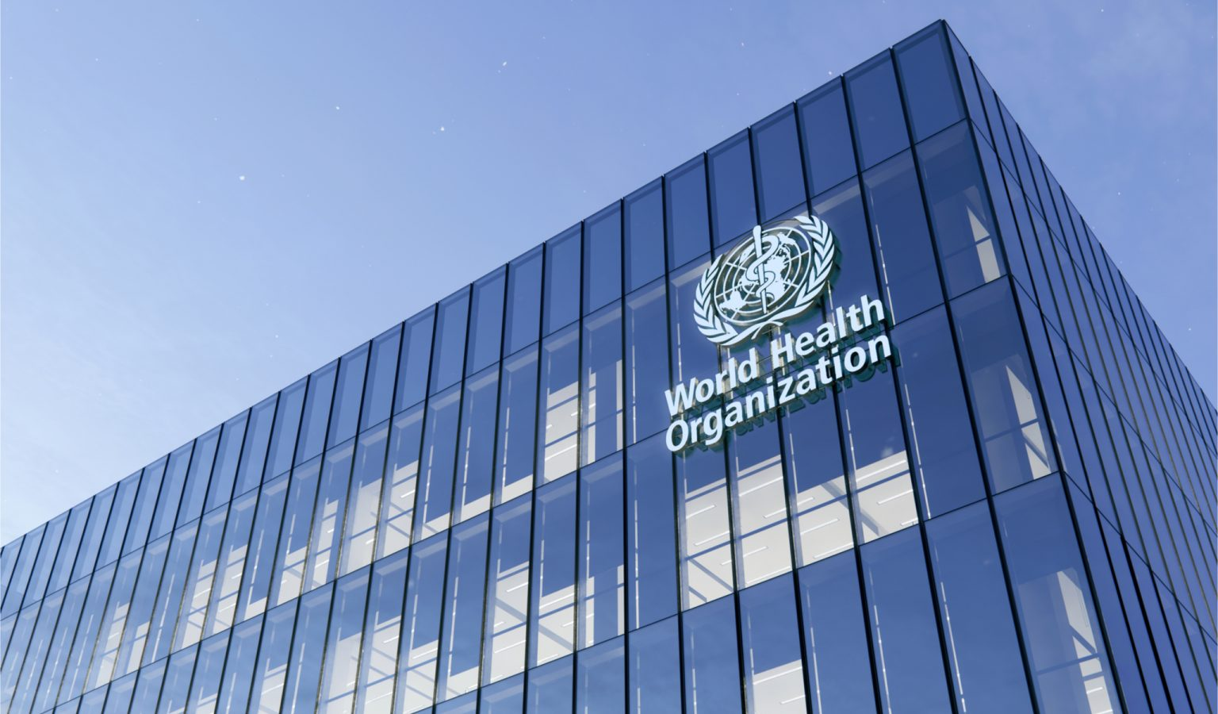
Excel Health Dashboard based on cities

Top 10 cities sum of obesity and life expectancy
 | Sum of Obesity levels | Sum of Life expectancy
Boston | 0.362 | 78.8
Chicago | 0.362 | 78.8
Istanbul | 0.321 | 74.7
Los Angeles | 0.362 | 78.8
Melbourne | 0.29 | 82.1
New York | 0.362 | 78.8
San Francisco | 0.362 | 78.8
Sydney | 0.29 | 82.1
Toronto | 0.294 | 81.7
Vancouver | 0.294 | 81.7
Washington, D.C. | 0.362 | 78.8
Top 10 cities of Happiness
 | Total
Amsterdam | 7.44
Copenhagen | 7.64
Helsinki | 7.8
Melbourne | 7.22
Stockholm | 7.35
Sydney | 7.22
Toronto | 7.23
Vancouver | 7.23
Vienna | 7.29
Zurich | 7.56
Top 5 cities based on Life Expectancy
 | Total
Barcelona | 82.2
Madrid | 82.2
Milan | 82.7
Tokyo | 83.2
Zurich | 82.6

Sum of Pollution by Sunshine hours(City)
 | Total
1453 | 40
1546 | 63
1566 | 17
1626 | 39
1630 | 21
1633 | 59
1662 | 116
1821 | 20
1858 | 31
1877 | 43
1884 | 17
1901 | 58
1915 | 67
1938 | 24
2066 | 96
2218 | 69
2363 | 26
2508 | 43
2528 | 39
2535 | 57
2555 | 83
2591 | 65
2634 | 27
2636 | 27
2769 | 53
3062 | 47
3254 | 66
3311 | 47
Top 10 cities based on outdoor activities and pollution
 | Pollution | Outdoor activities
Amsterdam | 31 | 422
Sydney | 27 | 406
Vienna | 17 | 132
Stockholm | 20 | 129
Copenhagen | 21 | 154
Helsinki | 13 | 113
Berlin | 39 | 254
Barcelona | 65 | 585
Vancouver | 24 | 218
Melbourne | 26 | 243
Toronto | 38 | 174
Madrid | 53 | 216
Seoul | 58 | 144
Frankfurt | 38 | 23
Tel Aviv | 47 | 139
Istanbul | 69 | 419
Los Angeles | 66 | 223
Boston | 27 | 88
Dublin | 40 | 159
Tokyo | 43 | 387
Chicago | 43 | 171
Brussels | 63 | 55
San Francisco | 47 | 242
Paris | 65 | 331
Zurich | 17 | 69
London | 59 | 433
Milan | 67 | 110
Washington, D.C. | 39 | 83
New York | 57 | 359
Moscow | 58 | 322
Mexico City | 83 | 192

This Pho

top 10 cities of happiness
Top 10 cities of Happiness
Row Labels | Sum of Happiness levels
Amsterdam | 7.44
Copenhagen | 7.64
Helsinki | 7.8
Melbourne | 7.22
Stockholm | 7.35
Sydney | 7.22
Toronto | 7.23
Vancouver | 7.23
Vienna | 7.29
Zurich | 7.56
Grand Total | 73.98

top 10 cities based on life exp
Row Labels | Sum of Life expectancy
Barcelona | 82.2
Madrid | 82.2
Top 5 cities based on Life Expectancy
Top 10 cities based on life expectancy
Milan | 82.7
Tokyo | 83.2
Zurich | 82.6
Grand Total | 412.9

poullution and sunshine
Sum of Pollution by Sunshine hours(City)
Sum of Pollution
Sunshine hours(City) | Total
1453 | 40
1546 | 63
1566 | 17
1626 | 39
1630 | 21
1633 | 59
1662 | 116
1821 | 20
1858 | 31
1877 | 43
1884 | 17
1901 | 58
1915 | 67
1938 | 24
2066 | 96
2218 | 69
2363 | 26
2508 | 43
2528 | 39
2535 | 57
2555 | 83
2591 | 65
2634 | 27
2636 | 27
2769 | 53
3062 | 47
3254 | 66
3311 | 47

cleaned data
Table is sorted based on the sum of life expectancy in the descending order
City | Rank | Sunshine hours(City) | Cost of a bottle of water | Obesity levels | Life expectancy | Pollution | Annual avg. hours worked | Happiness levels | Outdoor activities | Take out places | Monthly membership
Amsterdam | 1 | 1858 | Â£1.92 | 0.204 | 81.2 | 31 | 1434 | 7.44 | 422 | 1048 | Â£34.90
Sydney | 2 | 2636 | Â£1.48 | 0.29 | 82.1 | 27 | 1712 | 7.22 | 406 | 1103 | Â£41.66
Vienna | 3 | 1884 | Â£1.94 | 0.201 | 81 | 17 | 1501 | 7.29 | 132 | 1008 | Â£25.74
Stockholm | 4 | 1821 | Â£1.72 | 0.206 | 81.8 | 20 | 1452 | 7.35 | 129 | 598 | Â£37.31 |  | Values
Copenhagen | 5 | 1630 | Â£2.19 | 0.197 | 79.8 | 21 | 1380 | 7.64 | 154 | 523 | Â£32.53 | Row Labels | Sum of Happiness levels | Sum of Life expectancy | Sum of Obesity levels | Sum of Outdoor activities | Sum of Rank | Sum of Take out places
Helsinki | 6 | 1662 | Â£1.60 | 0.222 | 80.4 | 13 | 1540 | 7.8 | 113 | 309 | Â£35.23 | Tokyo | 5.87 | 83.2 | 0.043 | 387 | 29 | 5802
Berlin | 8 | 1626 | Â£1.55 | 0.223 | 80.6 | 39 | 1386 | 7.07 | 254 | 1729 | Â£26.11 | Milan | 6.38 | 82.7 | 0.199 | 110 | 40 | 2396
Barcelona | 9 | 2591 | Â£1.19 | 0.238 | 82.2 | 65 | 1686 | 6.4 | 585 | 2344 | Â£37.80 | Zurich | 7.56 | 82.6 | 0.195 | 69 | 37 | 538
Vancouver | 10 | 1938 | Â£1.08 | 0.294 | 81.7 | 24 | 1670 | 7.23 | 218 | 788 | Â£31.04 | Madrid | 6.4 | 82.2 | 0.238 | 216 | 16 | 2491
Melbourne | 11 | 2363 | Â£1.57 | 0.29 | 82.1 | 26 | 1712 | 7.22 | 243 | 813 | Â£36.89 | Barcelona | 6.4 | 82.2 | 0.238 | 585 | 9 | 2344
Toronto | 15 | 2066 | Â£1.09 | 0.294 | 81.7 | 38 | 1670 | 7.23 | 174 | 1656 | Â£32.64 | Sydney | 7.22 | 82.1 | 0.29 | 406 | 2 | 1103
Madrid | 16 | 2769 | Â£1.30 | 0.238 | 82.2 | 53 | 1686 | 6.4 | 216 | 2491 | Â£34.54 | Melbourne | 7.22 | 82.1 | 0.29 | 243 | 11 | 813
Seoul | 18 | 2066 | Â£0.59 | 0.047 | 81.3 | 58 | 1967 | 5.87 | 144 | 389 | Â£43.03 | Tel Aviv | 7.12 | 81.9 | 0.261 | 139 | 21 | 420
Frankfurt | 19 | 1662 | Â£1.95 | 0.223 | 80.6 | 38 | 1386 | 7.07 | 23 | 551 | Â£39.01 | Paris | 6.66 | 81.8 | 0.216 | 331 | 35 | 4363
Tel Aviv | 21 | 3311 | Â£1.63 | 0.261 | 81.9 | 47 | 1898 | 7.12 | 139 | 420 | Â£58.31 | Stockholm | 7.35 | 81.8 | 0.206 | 129 | 4 | 598
Istanbul | 22 | 2218 | Â£0.15 | 0.321 | 74.7 | 69 | 1832 | 5.13 | 419 | 934 | Â£16.97 | Vancouver | 7.23 | 81.7 | 0.294 | 218 | 10 | 788
Los Angeles | 25 | 3254 | Â£1.52 | 0.362 | 78.8 | 66 | 1779 | 6.94 | 223 | 1439 | Â£32.00 | Toronto | 7.23 | 81.7 | 0.294 | 174 | 15 | 1656
Boston | 27 | 2634 | Â£1.39 | 0.362 | 78.8 | 27 | 1779 | 6.94 | 88 | 588 | Â£46.27 | Seoul | 5.87 | 81.3 | 0.047 | 144 | 18 | 389
Dublin | 28 | 1453 | Â£1.40 | 0.253 | 80.5 | 40 | 1772 | 7.09 | 159 | 659 | Â£37.35 | Amsterdam | 7.44 | 81.2 | 0.204 | 422 | 1 | 1048
Tokyo | 29 | 1877 | Â£0.76 | 0.043 | 83.2 | 43 | 1644 | 5.87 | 387 | 5802 | Â£70.82 | Vienna | 7.29 | 81 | 0.201 | 132 | 3 | 1008
Chicago | 30 | 2508 | Â£1.20 | 0.362 | 78.8 | 43 | 1779 | 6.94 | 171 | 1320 | Â£41.14 | Berlin | 7.07 | 80.6 | 0.223 | 254 | 8 | 1729
Brussels | 33 | 1546 | Â£2.11 | 0.221 | 80.4 | 63 | 1583 | 6.86 | 55 | 988 | Â£25.34 | Frankfurt | 7.07 | 80.6 | 0.223 | 23 | 19 | 551
San Francisco | 34 | 3062 | Â£1.60 | 0.362 | 78.8 | 47 | 1779 | 6.94 | 242 | 1031 | Â£65.13 | Dublin | 7.09 | 80.5 | 0.253 | 159 | 28 | 659
Paris | 35 | 1662 | Â£1.95 | 0.216 | 81.8 | 65 | 1505 | 6.66 | 331 | 4363 | Â£35.93 | Helsinki | 7.8 | 80.4 | 0.222 | 113 | 6 | 309
Zurich | 37 | 1566 | Â£3.20 | 0.195 | 82.6 | 17 | 1557 | 7.56 | 69 | 538 | Â£73.11 | Brussels | 6.86 | 80.4 | 0.221 | 55 | 33 | 988
London | 38 | 1633 | Â£1.16 | 0.278 | 80.4 | 59 | 1538 | 7.16 | 433 | 6417 | Â£42.71 | London | 7.16 | 80.4 | 0.278 | 433 | 38 | 6417
Milan | 40 | 1915 | Â£1.15 | 0.199 | 82.7 | 67 | 1718 | 6.38 | 110 | 2396 | Â£53.49 | Copenhagen | 7.64 | 79.8 | 0.197 | 154 | 5 | 523
Washington, D.C. | 41 | 2528 | Â£1.45 | 0.362 | 78.8 | 39 | 1779 | 6.94 | 83 | 744 | Â£65.99 | Los Angeles | 6.94 | 78.8 | 0.362 | 223 | 25 | 1439
New York | 42 | 2535 | Â£1.32 | 0.362 | 78.8 | 57 | 1779 | 6.94 | 359 | 3081 | Â£64.66 | Chicago | 6.94 | 78.8 | 0.362 | 171 | 30 | 1320
Moscow | 43 | 1901 | Â£0.41 | 0.231 | 69.5 | 58 | 1965 | 5.54 | 322 | 3206 | Â£31.40 | New York | 6.94 | 78.8 | 0.362 | 359 | 42 | 3081
Mexico City | 44 | 2555 | Â£0.45 | 0.289 | 76.4 | 83 | 2137 | 6.46 | 192 | 1313 | Â£41.99 | Boston | 6.94 | 78.8 | 0.362 | 88 | 27 | 588
 |  |  |  |  |  |  |  |  |  |  |  | San Francisco | 6.94 | 78.8 | 0.362 | 242 | 34 | 1031
Top 10 cities based on outdoor activities and pollution
 |  |  |  |  |  |  |  |  |  |  |  | Washington, D.C. | 6.94 | 78.8 | 0.362 | 83 | 41 | 744
 |  |  |  |  |  |  |  |  |  |  |  | Mexico City | 6.46 | 76.4 | 0.289 | 192 | 44 | 1313
 |  |  |  |  |  |  |  |  |  |  |  | Istanbul | 5.13 | 74.7 | 0.321 | 419 | 22 | 934
 |  |  |  |  |  |  |  |  |  |  |  | Moscow | 5.54 | 69.5 | 0.231 | 322 | 43 | 3206
 |  |  |  |  |  |  |  |  |  |  |  | Grand Total | 212.7 | 2485.6 | 7.846 | 6995 | 696 | 50589

