Results
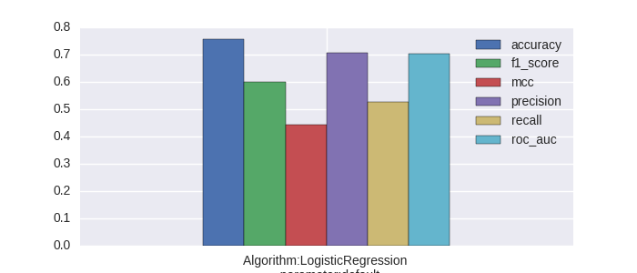
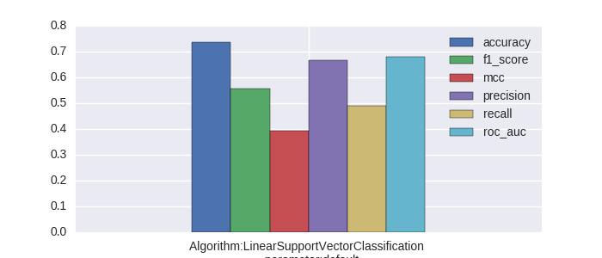
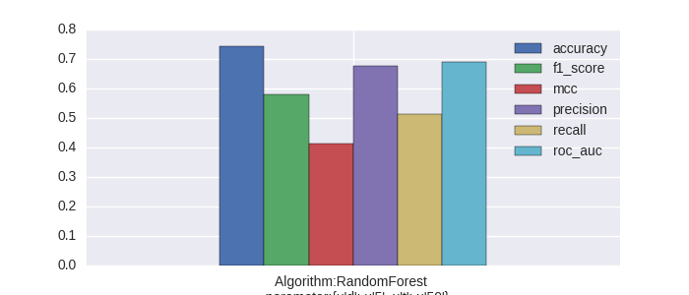
 | accuracy | algo_config | f1_score | mcc | precision | recall | roc_auc
0 | 0.75799991413 | Algorithm:LogisticRegression parameter:default | 0.60137138007 | 0.44431863864 | 0.70597799139 | 0.52747422435 | 0.70448899395
1 | 0.73747901254 | Algorithm:LinearSupportVectorClassification parameter:default | 0.55593949377 | 0.39267461414 | 0.66681576493 | 0.49150616774 | 0.68035373798
2 | 0.7445217861 | Algorithm:RandomForest parameter:{u'd': u'5', u't': u'50'} | 0.58037461944 | 0.41266856667 | 0.67699775921 | 0.51328472549 | 0.69083035724
3 | 0.0085138318594 | std | 0.018565187304 | 0.021261834507 | 0.016590515515 | 0.014792447591 | 0.0098816805171

