Use Case1
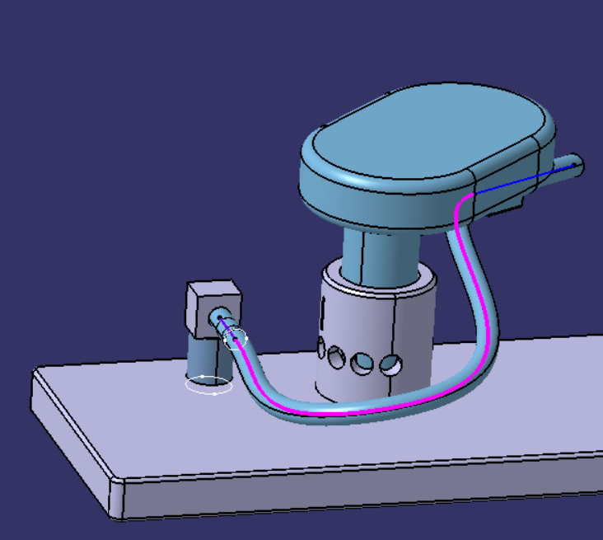
2nd Vector
Use Case1 | Length | X | Y | Z
Hose Length (259.7mm)
1st Vector Length(Straight one) | 15mm
2nd Vector Length | 48mm
1st Vector Point |  | -60 | 45 | 13
1st Vector End Point |  | -45 | 45 | 13
2nd Vector Point |  | -62.34 | 113.38 | 43.05
1st Vector
2nd Vector End Point |  | -92.91 | 149.82 | 36.63
1st Vector Direction |  | -1 | 0 | 0
2nd Vector Direction |  | -0.637003 | 0.75915 | -0.133859
Spline Points (Length -196.7mm)
Point.1 |  | -45 | 45 | 13
Point.2 |  | -41.067 | 44.918 | 12.986
Point.3 |  | -37.14 | 44.686 | 12.949
Point.4 |  | -33.222 | 44.336 | 12.897
Point.5 |  | -29.313 | 43.902 | 12.838
Point.6 |  | -25.408 | 43.427 | 12.786
Point.7 |  | -21.503 | 42.951 | 12.75
Point.8 |  | -17.593 | 42.519 | 12.745
Spline
Point.9 |  | -13.674 | 42.179 | 12.783
Point.10 |  | -9.747 | 41.984 | 12.88
Point.11 |  | -5.817 | 41.991 | 13.05
Point.12 |  | -1.902 | 42.266 | 13.309
Point.13 |  | 1.965 | 42.878 | 13.673
Point.14 |  | 5.734 | 43.89 | 14.152
Point.15 |  | 9.333 | 45.355 | 14.75
Point.16 |  | 12.677 | 47.295 | 15.458
Point.17 |  | 15.687 | 49.693 | 16.255
Point.18 |  | 18.3 | 52.503 | 17.11
Point.19 |  | 20.476 | 55.657 | 17.985
Point.20 |  | 22.195 | 59.086 | 18.848
Point.21 |  | 23.442 | 62.722 | 19.669
Point.22 |  | 24.208 | 66.502 | 20.43
Point.23 |  | 24.487 | 70.362 | 21.125
Point.24 |  | 24.276 | 74.235 | 21.761
Point.25 |  | 23.573 | 78.057 | 22.357
Point.26 |  | 22.385 | 81.759 | 22.939
Point.27 |  | 20.72 | 85.27 | 23.54
Point.28 |  | 18.602 | 88.517 | 24.188
Point.29 |  | 16.068 | 91.435 | 24.906
Point.30 |  | 13.174 | 93.972 | 25.708
Point.31 |  | 9.992 | 96.104 | 26.593
Point.32 |  | 6.595 | 97.835 | 27.555
Point.33 |  | 3.05 | 99.194 | 28.582
Point.34 |  | -0.59 | 100.223 | 29.659
Point.35 |  | -4.287 | 100.97 | 30.775
Point.36 |  | -8.015 | 101.487 | 31.917
Point.37 |  | -11.76 | 101.82 | 33.074
Point.38 |  | -15.513 | 102.012 | 34.239
Point.39 |  | -19.27 | 102.106 | 35.4
Point.40 |  | -23.032 | 102.141 | 36.55
Point.41 |  | -26.8 | 102.157 | 37.679
Point.42 |  | -30.578 | 102.197 | 38.776
Point.43 |  | -34.368 | 102.306 | 39.825
Point.44 |  | -38.169 | 102.541 | 40.809
Point.45 |  | -41.976 | 102.964 | 41.704
Point.46 |  | -45.77 | 103.653 | 42.475
Point.47 |  | -49.513 | 104.695 | 43.08
Point.48 |  | -53.136 | 106.17 | 43.472
Point.49 |  | -56.541 | 108.128 | 43.605
Point.50 |  | -59.627 | 110.556 | 43.462
Point.51 |  | -62.34 | 113.378 | 43.055

Use Case2
Use Case1 | Length | X | Y | Z
Hose Length (259.7mm)
1st Vector Length(Straight one) | 15mm
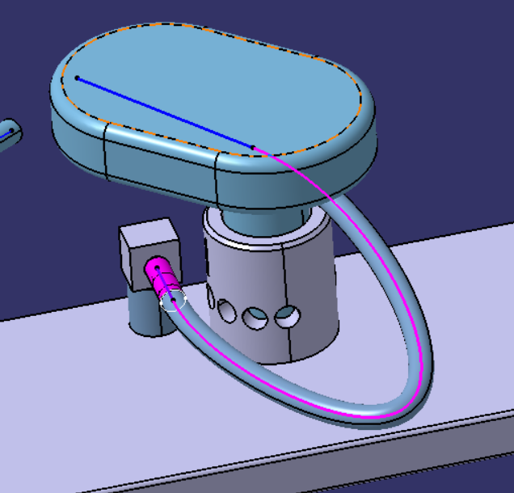
2nd Vector
2nd Vector Length | 48mm
1st Vector Point |  | -60 | 175 | 13
1st Vector End Point |  | -45 | 175 | 13
2nd Vector Point |  | -73.75 | 203.1 | 31.73
2nd Vector End Point |  | -107.77 | 169.74 | 37.73
1st Vector Direction |  | -1 | 0 | 0
2nd Vector Direction |  | -0.708392 | -0.694678 | 0.124909
Spline Points (Length -186.7mm)
1st Vector
Point.1 |  | -45 | 175 | 13
Point.2 |  | -41.269 | 175.128 | 12.995
Point.3 |  | -37.553 | 175.488 | 12.982
Point.4 |  | -33.862 | 176.051 | 12.963
Point.5 |  | -30.202 | 176.789 | 12.939
Point.6 |  | -26.577 | 177.682 | 12.912
Point.7 |  | -22.988 | 178.712 | 12.884
Point.8 |  | -19.438 | 179.867 | 12.856
Point.9 |  | -15.927 | 181.138 | 12.83
Point.10 |  | -12.457 | 182.517 | 12.809
Point.11 |  | -9.03 | 184.001 | 12.792
Point.12 |  | -5.65 | 185.587 | 12.784
Spline
Point.13 |  | -2.321 | 187.277 | 12.785
Point.14 |  | 0.952 | 189.073 | 12.798
Point.15 |  | 4.161 | 190.983 | 12.827
Point.16 |  | 7.293 | 193.015 | 12.877
Point.17 |  | 10.33 | 195.185 | 12.952
Point.18 |  | 13.245 | 197.515 | 13.062
Point.19 |  | 15.991 | 200.039 | 13.22
Point.20 |  | 18.485 | 202.806 | 13.446
Point.21 |  | 20.562 | 205.886 | 13.776
Point.22 |  | 21.86 | 209.336 | 14.27
Point.23 |  | 21.724 | 212.962 | 14.985
Point.24 |  | 19.881 | 216.058 | 15.834
Point.25 |  | 17.022 | 218.291 | 16.669
Point.26 |  | 13.732 | 219.864 | 17.449
Point.27 |  | 10.25 | 220.991 | 18.181
Point.28 |  | 6.672 | 221.801 | 18.876
Point.29 |  | 3.043 | 222.371 | 19.543
Point.30 |  | -0.615 | 222.751 | 20.188
Point.31 |  | -4.289 | 222.972 | 20.815
Point.32 |  | -7.971 | 223.056 | 21.427
Point.33 |  | -11.656 | 223.018 | 22.026
Point.34 |  | -15.34 | 222.87 | 22.615
Point.35 |  | -19.02 | 222.618 | 23.196
Point.36 |  | -22.693 | 222.267 | 23.768
Point.37 |  | -26.357 | 221.821 | 24.334
Point.38 |  | -30.009 | 221.28 | 24.894
Point.39 |  | -33.646 | 220.645 | 25.448
Point.40 |  | -37.266 | 219.912 | 25.998
Point.41 |  | -40.865 | 219.079 | 26.544
Point.42 |  | -44.438 | 218.142 | 27.086
Point.43 |  | -47.98 | 217.092 | 27.624
Point.44 |  | -51.486 | 215.921 | 28.158
Point.45 |  | -54.945 | 214.62 | 28.689
Point.46 |  | -58.346 | 213.173 | 29.215
Point.47 |  | -61.675 | 211.565 | 29.736
Point.48 |  | -64.912 | 209.776 | 30.25
Point.49 |  | -68.029 | 207.784 | 30.756
Point.50 |  | -70.991 | 205.567 | 31.25
Point.51 |  | -73.754 | 203.104 | 31.727

Use Case3
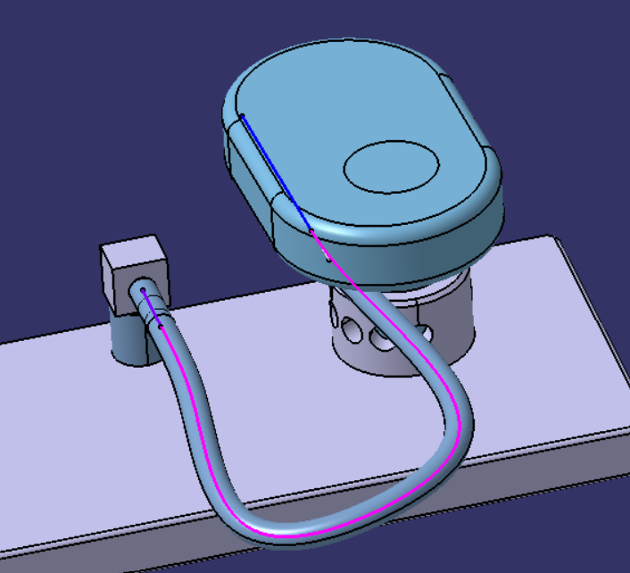
2nd Vector
Use Case1 | Length | X | Y | Z
Hose Length (259.7mm)
1st Vector Length(Straight one) | 15mm
2nd Vector Length | 48mm
1st Vector Point |  | -60 | 295 | 13
1st Vector End Point |  | -45 | 295 | 13
2nd Vector Point |  | -63.025 | 333.213 | 17.35
1st Vector
2nd Vector End Point |  | -110.94 | 331 | 17.47
1st Vector Direction |  | -1 | 0 | 0
2nd Vector Direction |  | 0.998928 | 0.046235 | -0.002488
Spline Points (Length -219.1mm)
Point.1 |  | -45 | 295 | 13
Point.2 |  | -40.619 | 294.981 | 13.058
Point.3 |  | -36.241 | 294.917 | 13.227
Point.4 |  | -31.868 | 294.796 | 13.482
Point.5 |  | -27.501 | 294.603 | 13.778
Point.6 |  | -23.136 | 294.326 | 14.053
Point.7 |  | -18.774 | 293.961 | 14.246
Point.8 |  | -14.416 | 293.516 | 14.301
Point.9 |  | -10.065 | 293.012 | 14.185
Point.10 |  | -5.727 | 292.478 | 13.883
Spline
Point.11 |  | -1.404 | 291.95 | 13.401
Point.12 |  | 2.903 | 291.47 | 12.755
Point.13 |  | 7.197 | 291.087 | 11.971
Point.14 |  | 11.481 | 290.858 | 11.084
Point.15 |  | 15.758 | 290.865 | 10.135
Point.16 |  | 20.019 | 291.226 | 9.187
Point.17 |  | 24.22 | 292.112 | 8.329
Point.18 |  | 28.227 | 293.742 | 7.691
Point.19 |  | 31.77 | 296.283 | 7.423
Point.20 |  | 34.536 | 299.659 | 7.593
Point.21 |  | 36.422 | 303.57 | 8.115
Point.22 |  | 37.52 | 307.743 | 8.843
Point.23 |  | 37.958 | 312.022 | 9.657
Point.24 |  | 37.824 | 316.323 | 10.473
Point.25 |  | 37.161 | 320.586 | 11.226
Point.26 |  | 35.979 | 324.752 | 11.871
Point.27 |  | 34.271 | 328.752 | 12.381
Point.28 |  | 32.032 | 332.496 | 12.744
Point.29 |  | 29.272 | 335.887 | 12.97
Point.30 |  | 26.035 | 338.831 | 13.087
Point.31 |  | 22.394 | 341.261 | 13.136
Point.32 |  | 18.44 | 343.14 | 13.158
Point.33 |  | 14.269 | 344.476 | 13.185
Point.34 |  | 9.969 | 345.305 | 13.24
Point.35 |  | 5.607 | 345.687 | 13.336
Point.36 |  | 1.229 | 345.689 | 13.478
Point.37 |  | -3.137 | 345.376 | 13.667
Point.38 |  | -7.475 | 344.809 | 13.899
Point.39 |  | -11.781 | 344.042 | 14.168
Point.40 |  | -16.054 | 343.123 | 14.469
Point.41 |  | -20.301 | 342.094 | 14.793
Point.42 |  | -24.528 | 340.992 | 15.134
Point.43 |  | -28.745 | 339.852 | 15.481
Point.44 |  | -32.961 | 338.708 | 15.827
Point.45 |  | -37.184 | 337.592 | 16.162
Point.46 |  | -41.425 | 336.534 | 16.476
Point.47 |  | -45.689 | 335.567 | 16.758
Point.48 |  | -49.982 | 334.723 | 16.996
Point.49 |  | -54.305 | 334.032 | 17.181
Point.50 |  | -58.655 | 333.521 | 17.302
Point.51 |  | -63.025 | 333.213 | 17.35

