normal
46.247702486
54.065391332
48.926938929
56.516960265
54.054178887
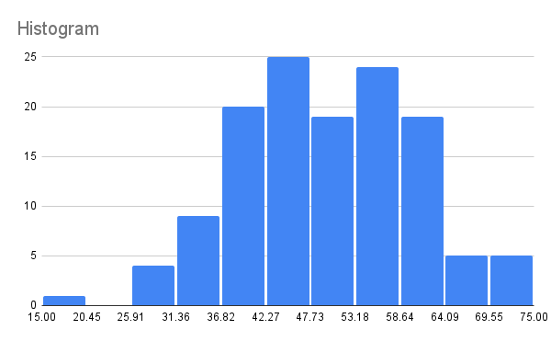
41.941358335
64.105317124
38.95323139
46.688273571
38.149823762
46.005936921
57.742091863
52.167956626
41.970589313
41.089729459
52.600480251
37.852028706
46.166444751
55.444767358
52.374254247
64.231928955
54.299723858
41.437369482
37.158360601
59.294446873
39.8614848
53.976038029
59.815728618
61.229925231
48.420014046
62.20554402
61.018761425
23.289854487
39.007580366
51.067968115
52.498600276
45.569306791
60.884910293
41.328645373
52.743186439
63.127596641
55.993617447
58.119491458
72.217689396
48.617357333
55.688474486
46.680726269
35.983297802
64.305213937
43.740749383
30.286491697
52.233647276
48.894276102
59.584121842
52.194812976
43.102003889
51.290623132
54.704604739
56.706333795
48.102799475
45.879778103
42.518725132
82.395895882
44.768018877
48.815908605
49.728025572
25.437860375
66.707993397
39.890026506
54.108042538
46.482460184
35.916574369
51.795408621
61.880251825
46.708327329
47.161720134
52.205474626
46.467367239
48.260010841
54.721478494
54.593145122
55.347358521
54.57159745
56.041821776
54.956640365
55.690896102
40.554455579
32.586560087
52.74539264
51.9046196
54.84966273
45.592173053
57.073616058
60.001690301
50.259171356
52.921708267
59.190832473
37.688117358
30.882866776
45.750951732
39.743820091
48.62782902
38.239852531
53.834307382
48.240488019
52.993225106
56.646516154
56.665471774
59.569349879
54.630688651
42.171225485
57.560551983
52.905332445
53.769681646
47.315987442
56.902217177
55.524300734
39.989668525
51.21725476
45.897916732
72.00246186
67.653666863
48.557676096
53.772350897
48.178409821
53.419084095
72.22153232
51.059598568
48.116835296
52.502606518
45.703390127

