ranking
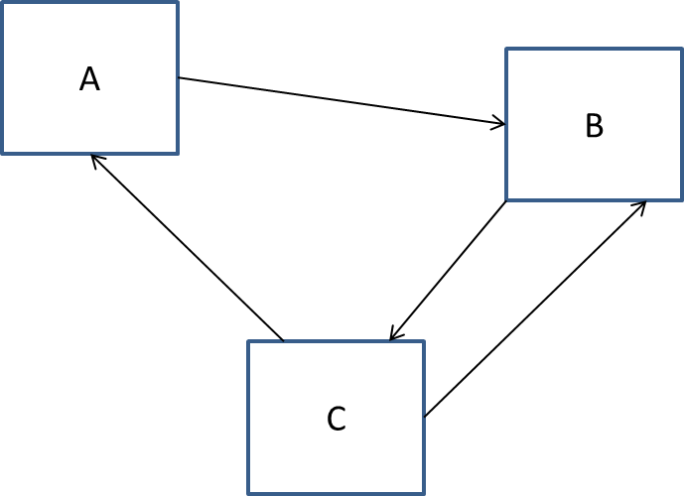
Page | Links To | In-Links | Outdegree | Page Rank
A | B | C | 1 | 0.333
B | C | A, C | 1 | 0.333
C | A, B | B | 2 | 0.333

Iteration | Rank A | Rank B | Rank C
0 | 0.333 | 0.333 | 0.333
1 | 0.191525 | 0.474575 | 0.33305 |  | N | 3
2 | 0.1904625 | 0.3543 | 0.4745 |  | d | 0.85

 |  |  |  |  | Constant Part | (1 - d )/ N
 |  |  |  |  |  | 0.05

