multiple-players
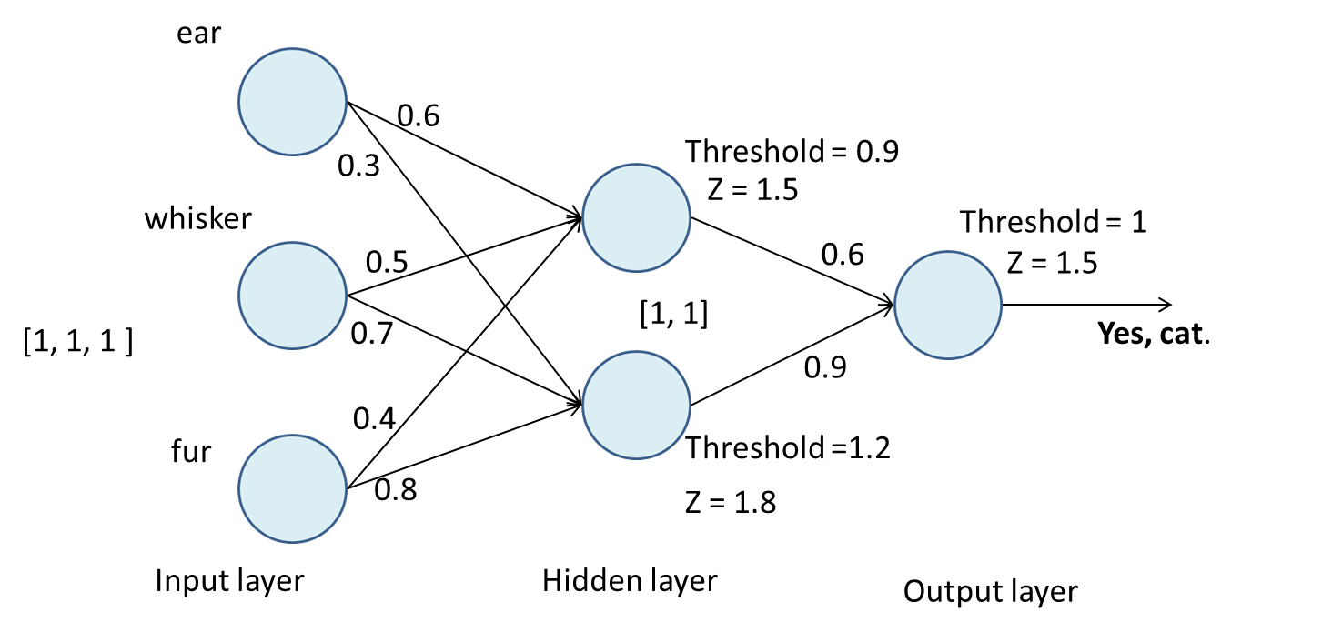

Is it a Cat?

af-comparison
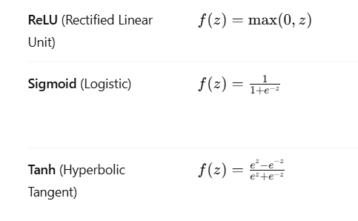

Aspect | Sigmoid | Tanh | ReLU
Output Range | (0,1 ) | (-1, 1) | (0, infinity)
Zero-Centered? | No | Yes | No
Vanishing Gradient? | Yes | Yes | Rare
Computational Cost | Medium | Medium | low
When to Use | Output layers | Hidden layers | Hidden layers

Softmax

 |  | Interpret model’s outputs as probabilities.

Feature | Sigmoid | Softmax
Output Range | (0, 1) | (0, 1), all outputs sum to 1
Used In | Binary classification (single neuron) | Multi-class classification (output layer with multiple neurons)
Number of Inputs Expected | Single value (applied element-wise) | Vector (entire output layer at once)
Probability Interpretation | Each output is independent | Outputs represent a probability distribution over classes
Gradient Behavior | Can suffer from vanishing gradients for large values | Shares gradient across outputs; can help ranking but may be sensitive to outliers

 | Class of values
 | 2 | 7.389056099 | 0.6591486261
softmax | 1 | 2.718281828 | 0.2424872282
(demo of softmax - collab) | 0.1 | 1.105170918 | 0.09858794987
 |  | 11.21250885 | 1.000223804

