formulae
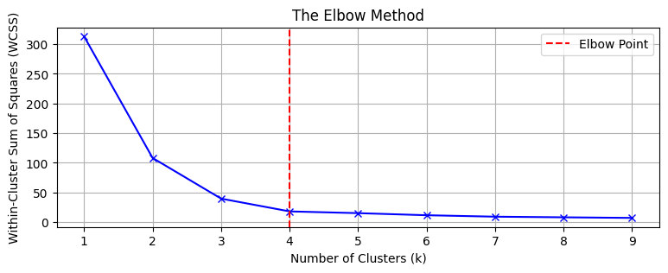
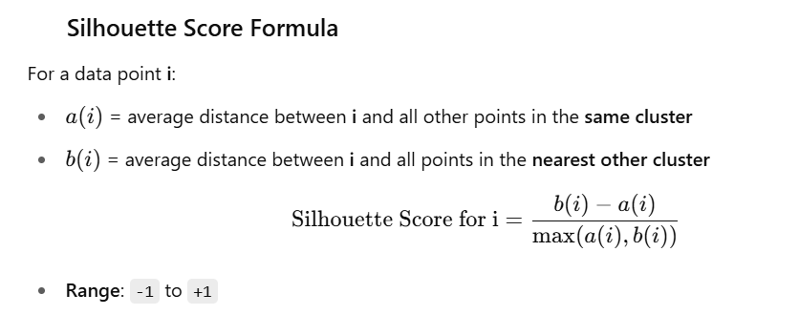

Silhouette Score | Interpretation
≈ +1 | Excellent clustering: points are far from other clusters and close to their own
≈ 0 | Overlapping clusters: point is on/near the boundary
< 0 | Wrong clustering: point is closer to a different cluster

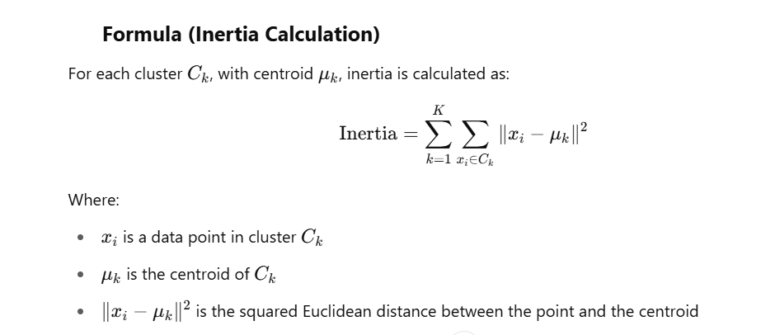

Davies-Bouldin indices
DBI Value | Interpretation
~0 to 0.5 | Excellent clustering — compact and well-separated
0.5 – 1.0 | Good clustering — reasonably compact and separated
1.0 – 2.0 | Acceptable, but some clusters overlap or are loose
> 2.0 | Poor clustering — high overlap or weak separation
The Davies-Bouldin Index evaluates clustering quality by measuring the average similarity between each cluster and its most similar one. It takes into account both the intra-cluster distance (how compact the cluster is) and the inter-cluster distance (how well-separated it is from other clusters), with lower values indicating better-defined, more distinct clusters.

