Login
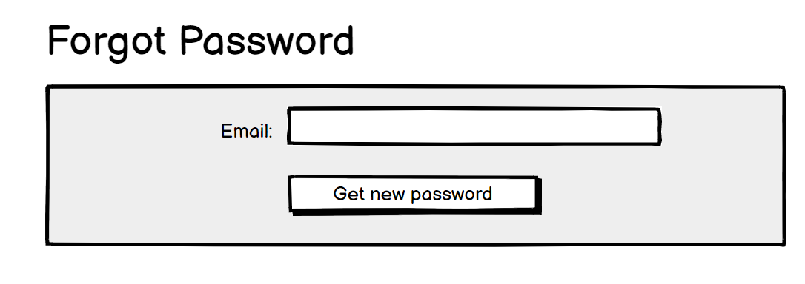
1.1 Start

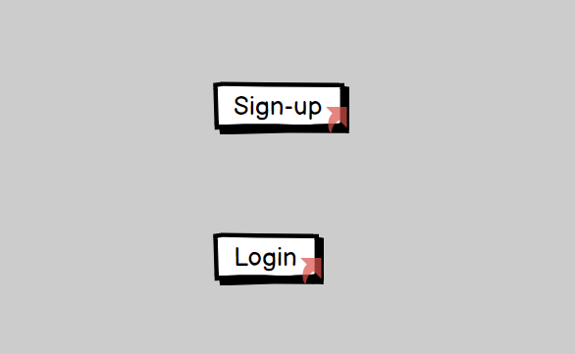

1.2 Sign Up

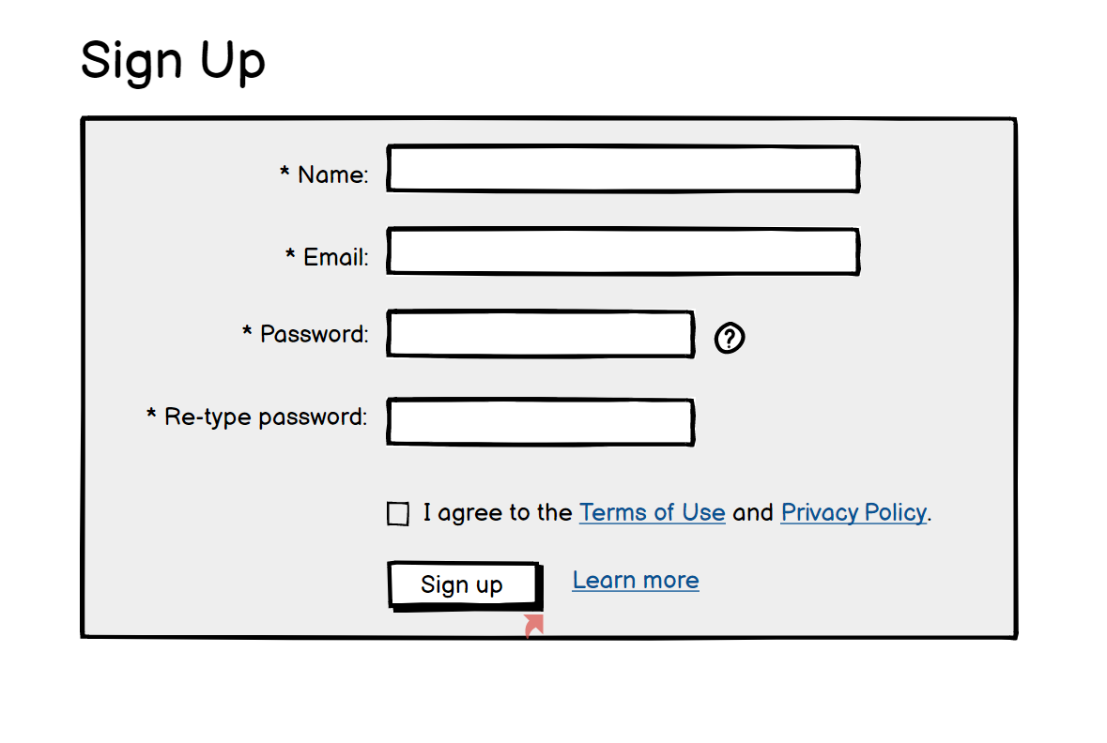

1.3 Login

1.4 Forgot Password

Condition Table
Condition Table


 | Add Condition Table

ComponentType and Pricing Level
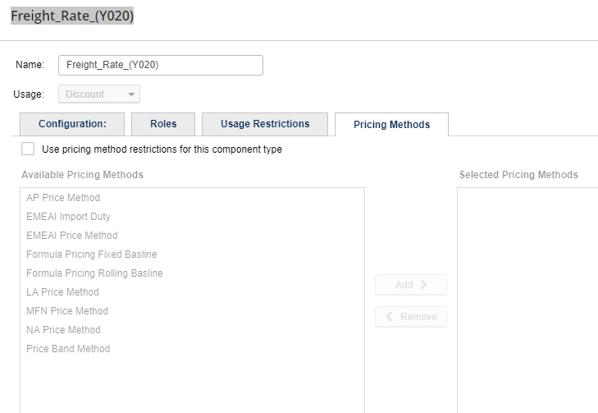

 | Component Types and Pricing Levels

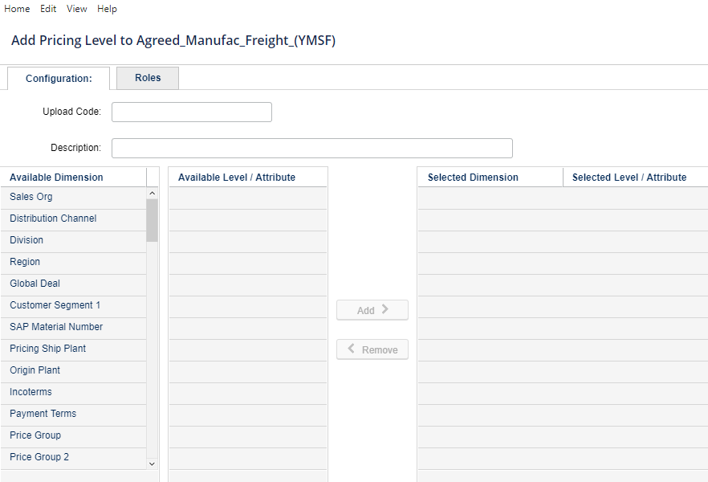
 | Add Component Type
 |  | Add Pricing Level

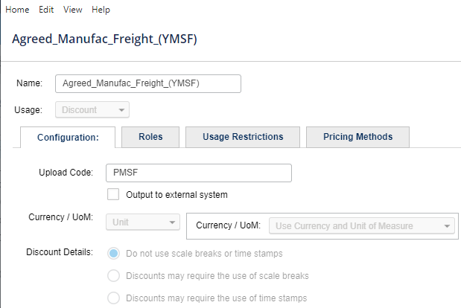

Different Tabs
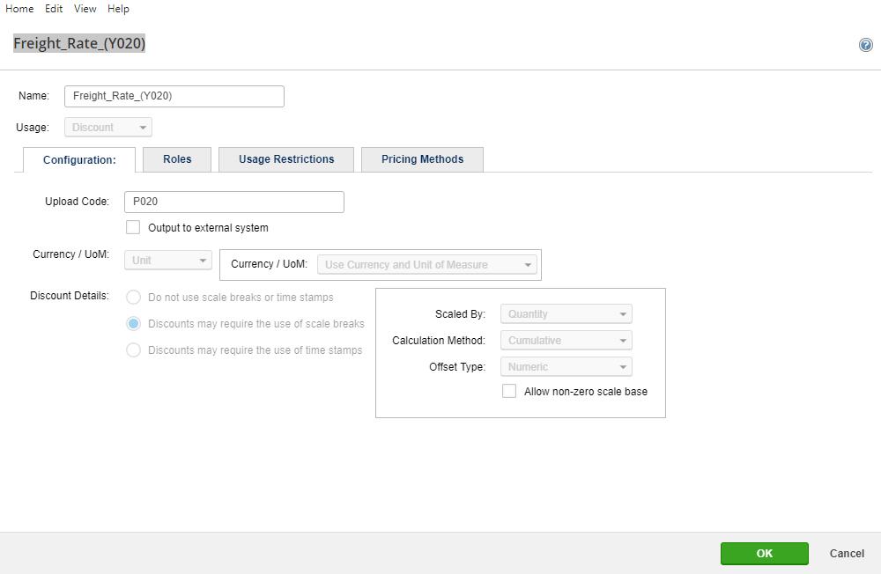

 |  | Press Enter Key

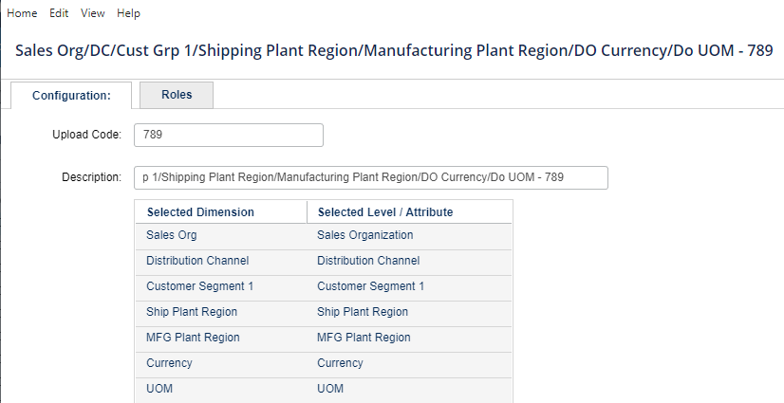

Roles

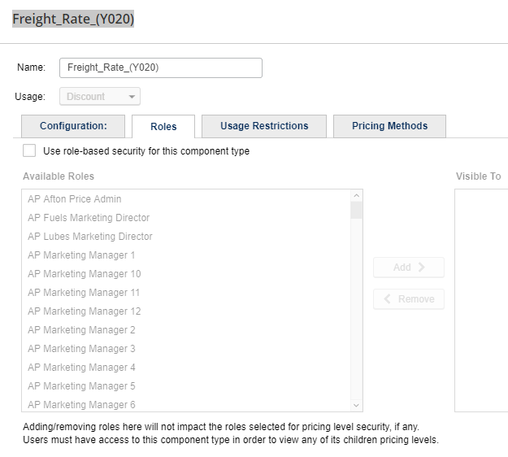

 |  | Back to Main screen showing Components and Pricing Levels

Usage Restrictions
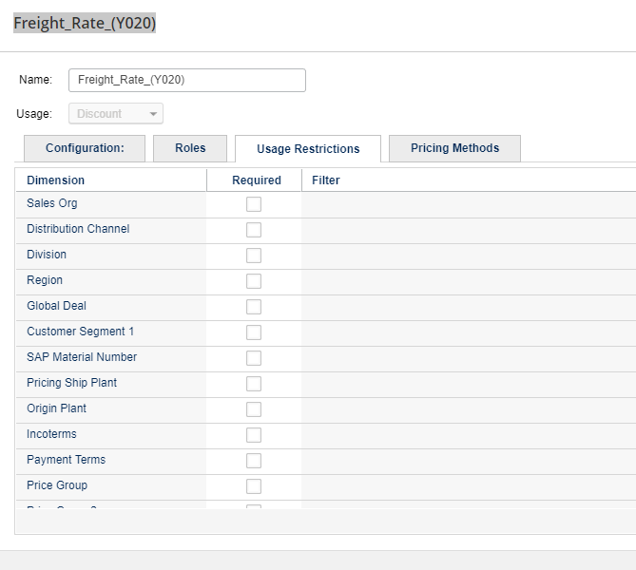

Pricing Methods

Key Length
Back to Main Menu

SAP Key Length

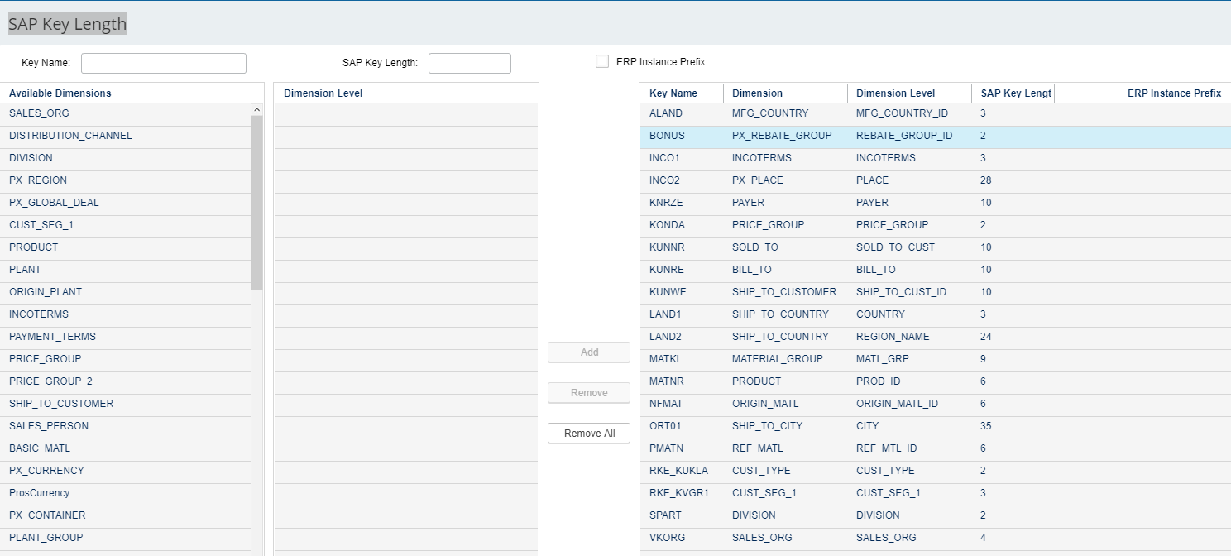

Available dimension we need to capture through backend.

Unit of Measure
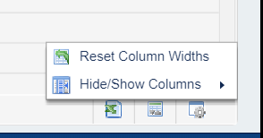
Back to Main Menu
 | UOM

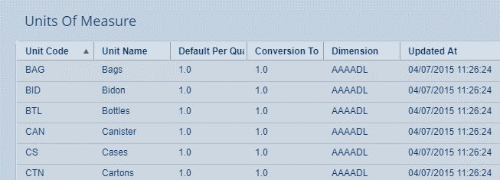

 |  | Create | Update

 |  | Unit Code | Unit Code | ( Non Editable)
 |  | Unit Name | Unit Name | Editable
 |  | Default Per Quantity | Default Per Quantity | Editable
 |  | Conversion To | Conversion To | Editable

 |  |  |  | excel export
 |  |  |  | column sorting
 |  |  |  | settings

Conversion Rate Factors
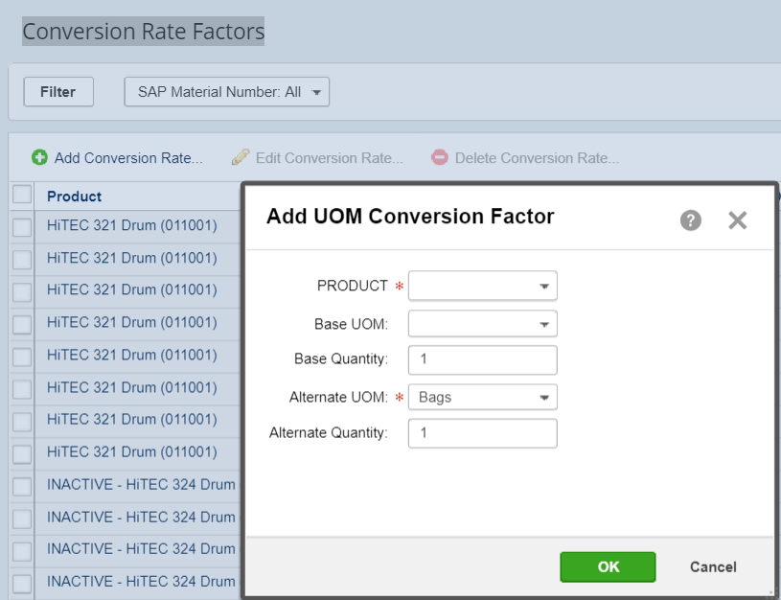
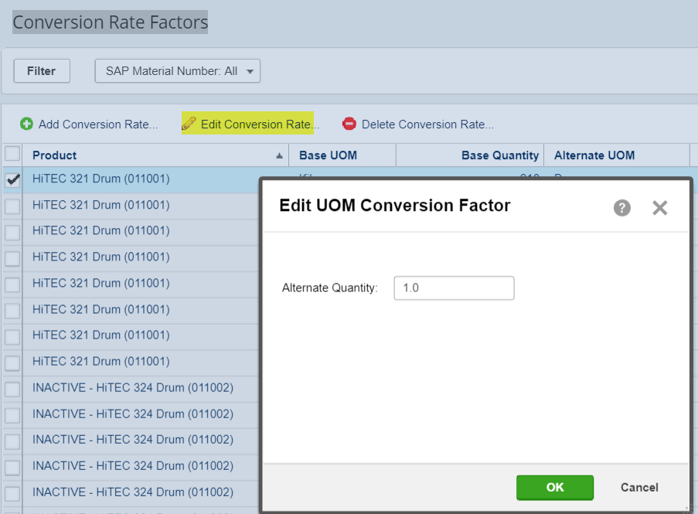
Back to Main Menu

 | Conversion Rate Factors

Calenders
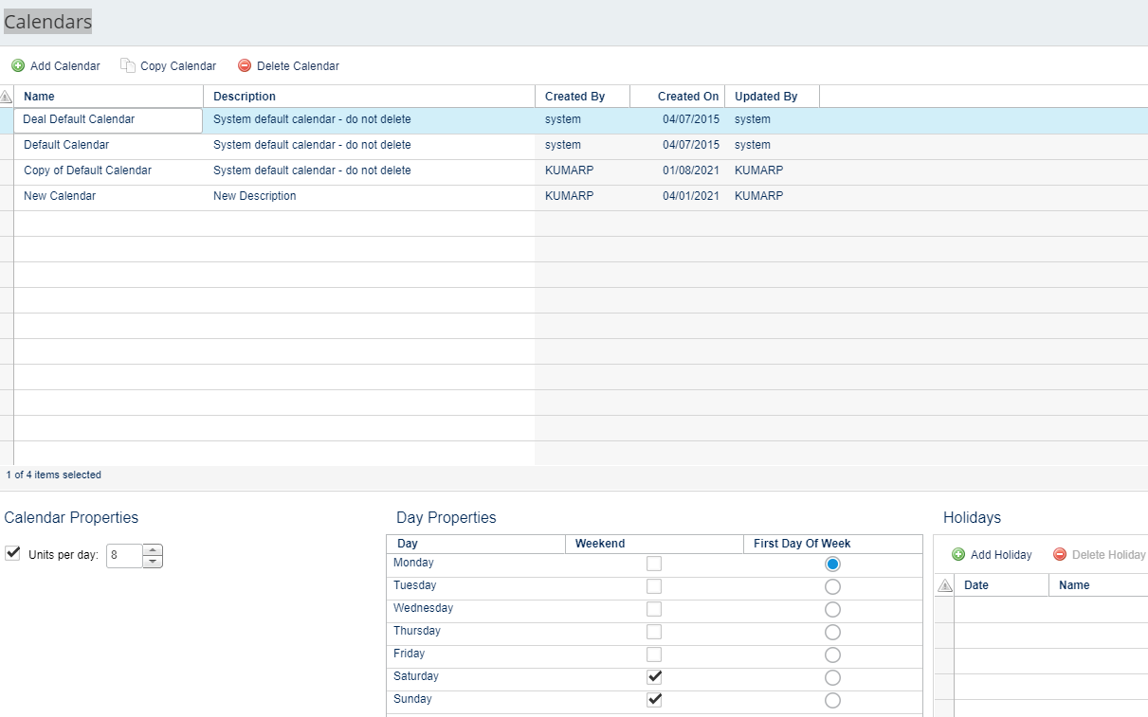
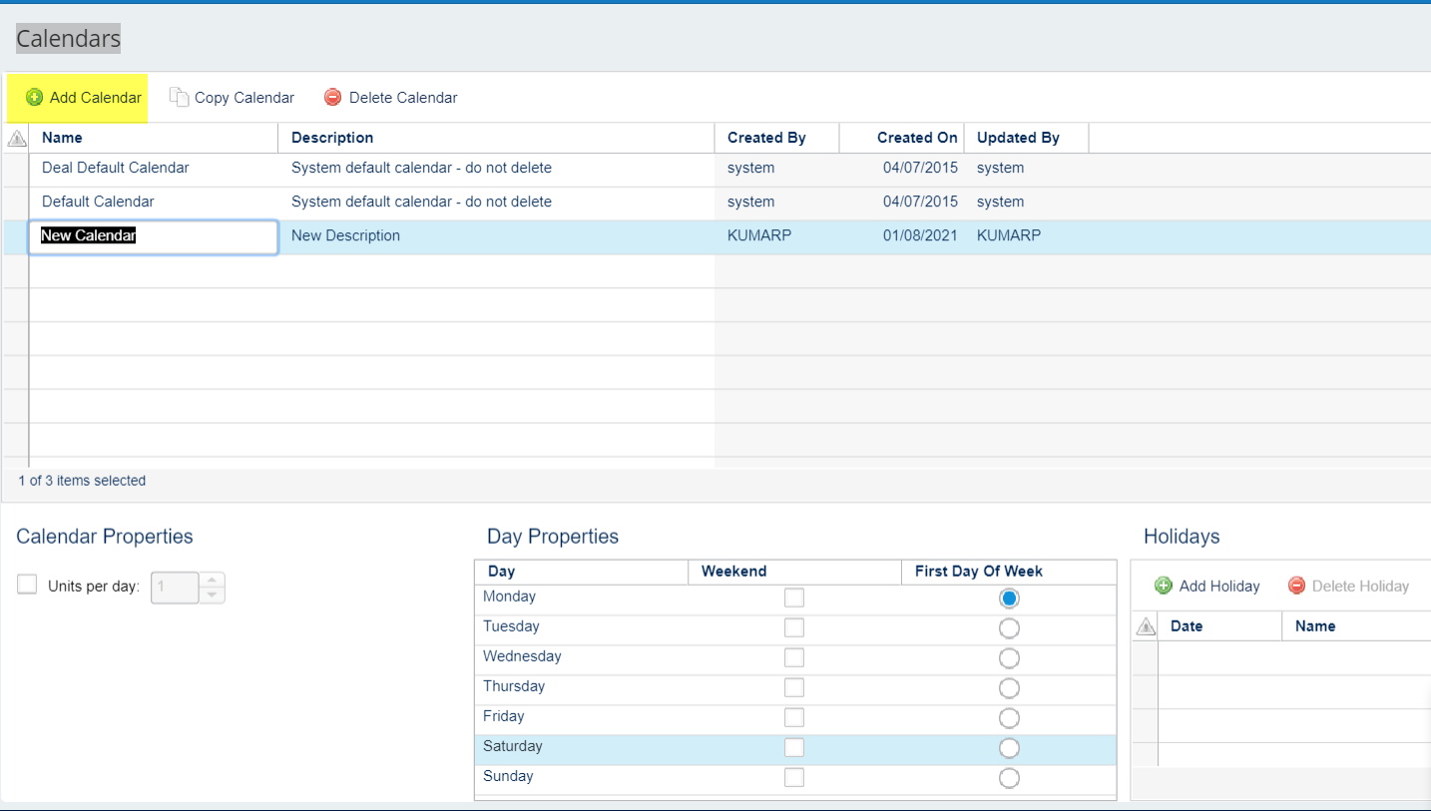
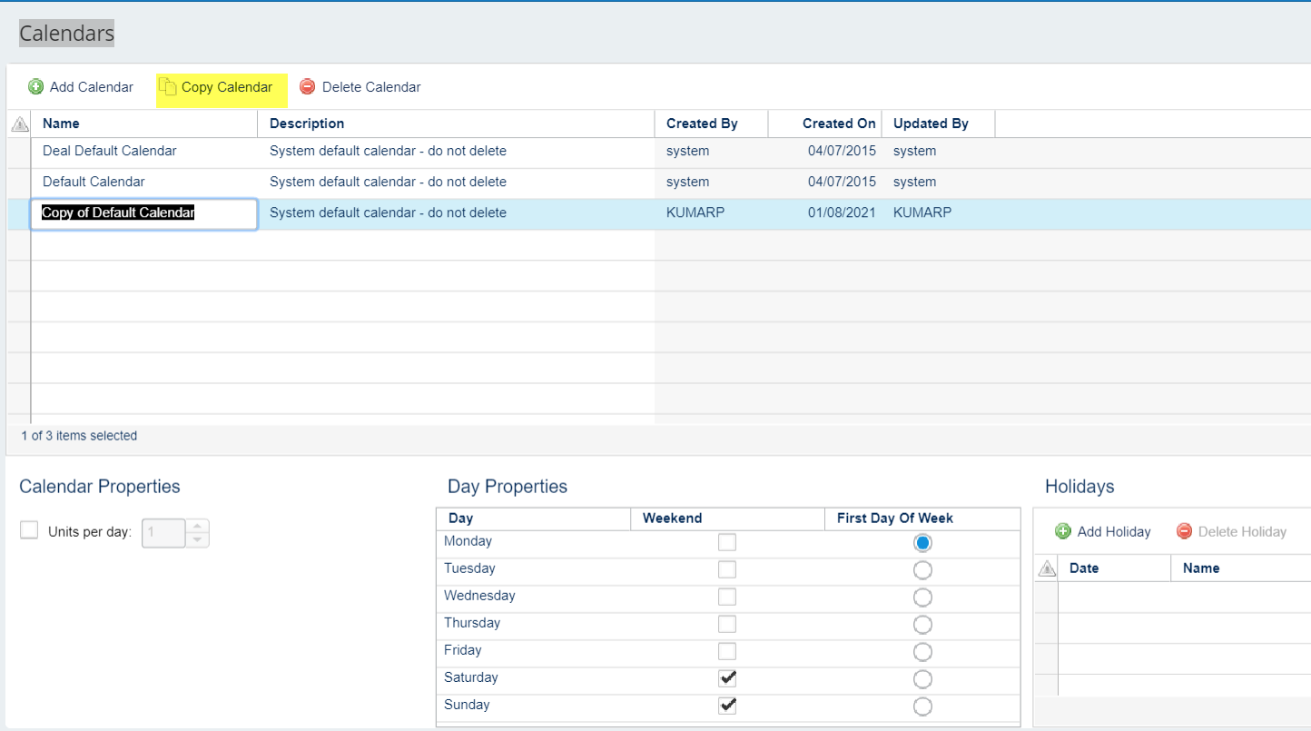
Back to Main Menu

 | Calendars

Currency
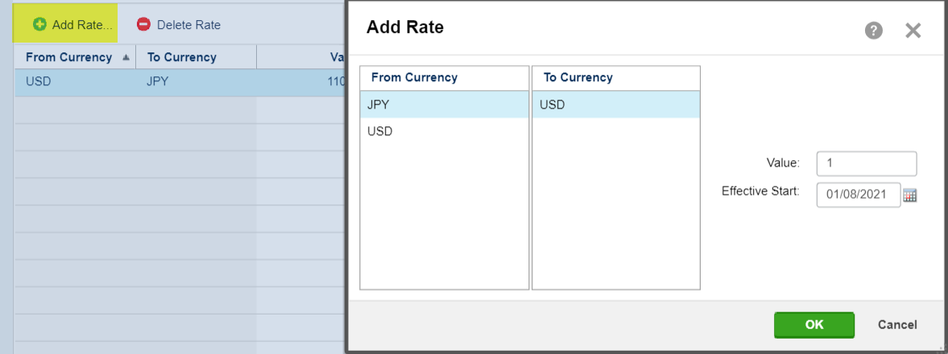
3.13 Exchange Rate set.

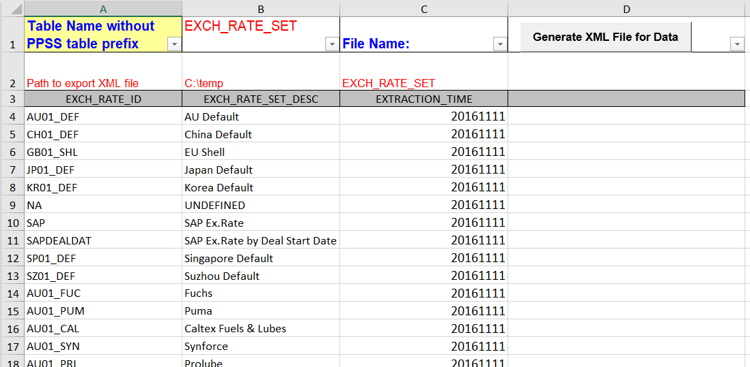

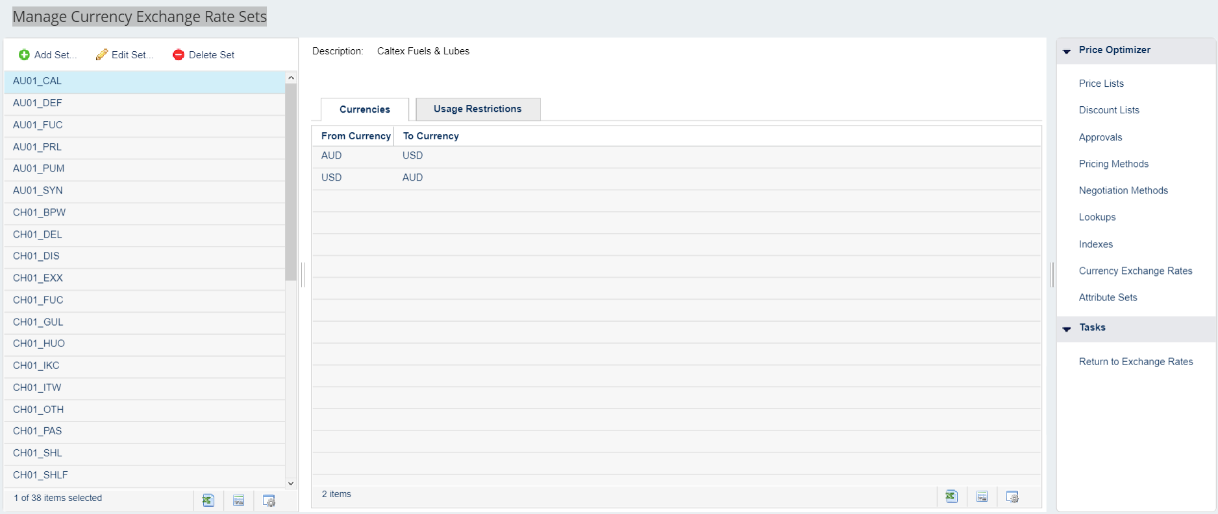
Manage Currency Exchange Rate Sets

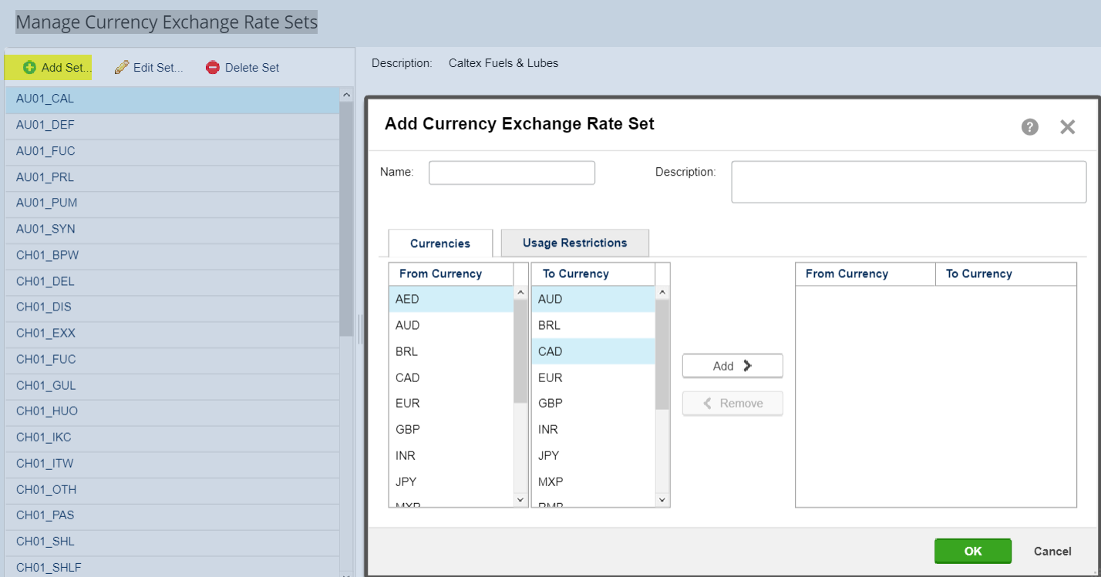

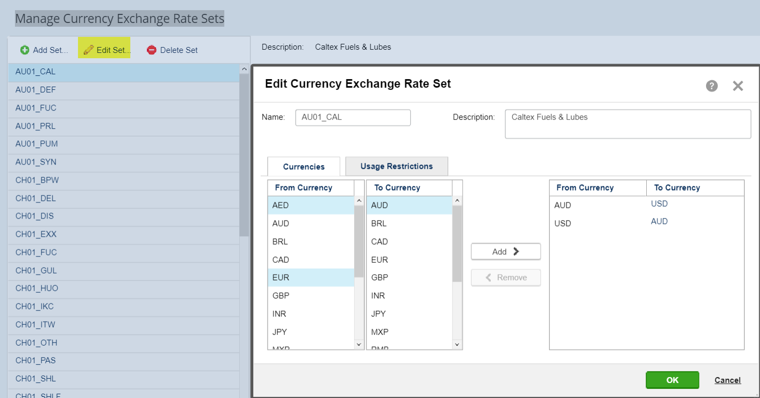

Currency Exchange Rates

User create exchange rate es

Configuration
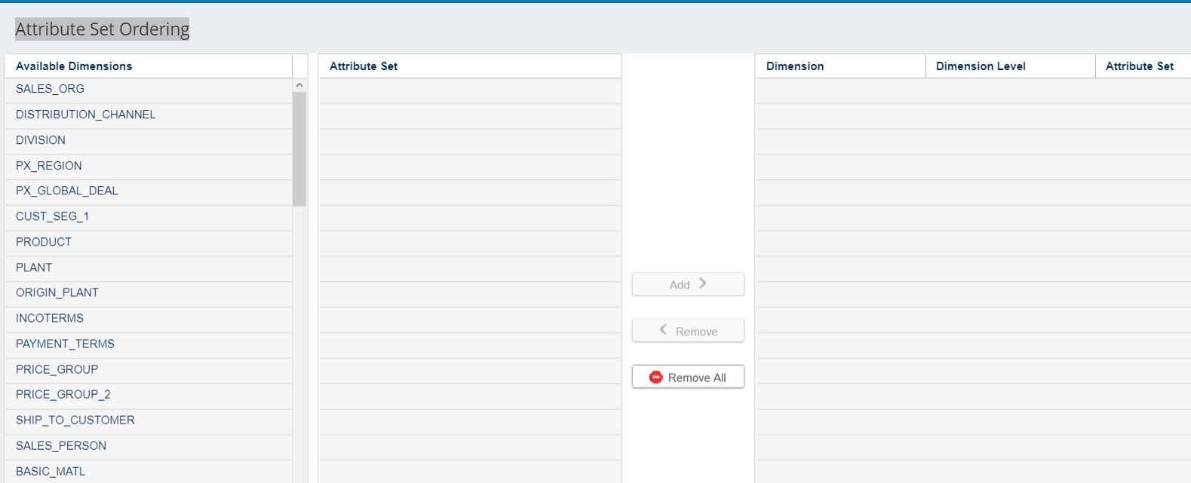
3.6 Horizons

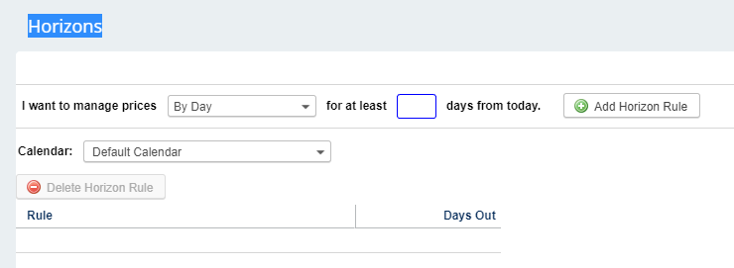

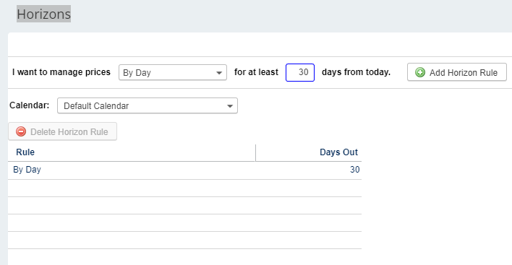

3.10 Attribute Set Ordering

Price Routine
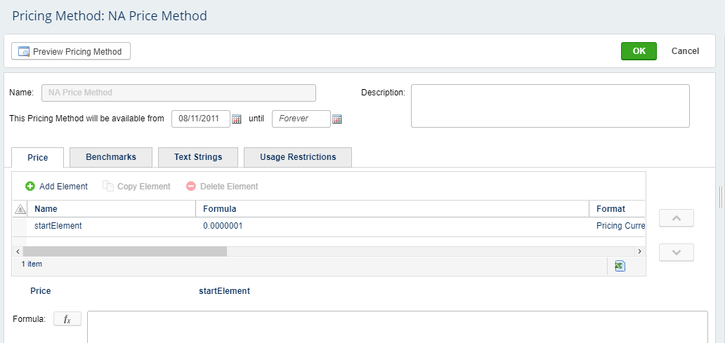
Price Routine for PO

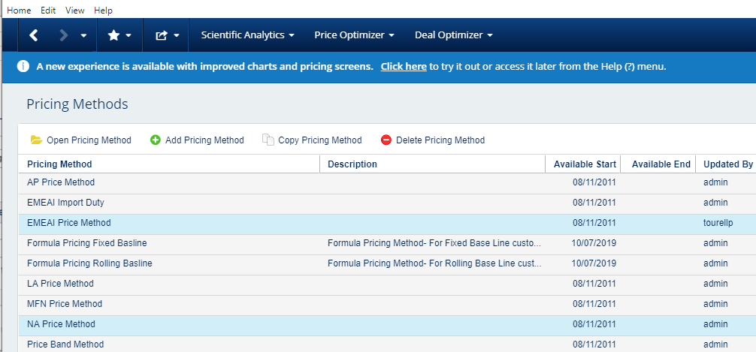

Price Routine details

SA_Configuration
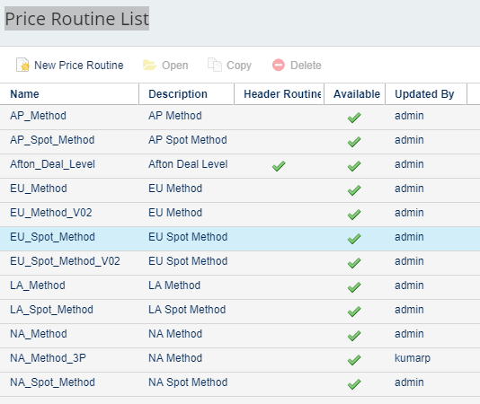
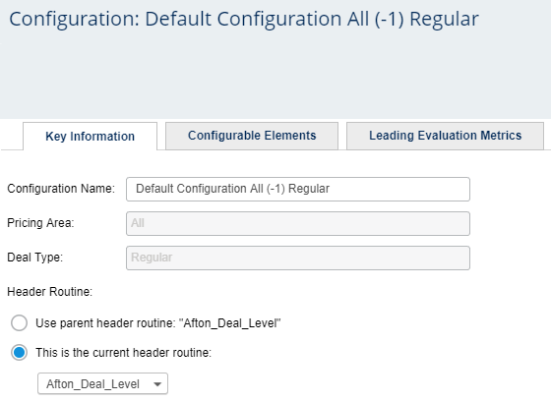
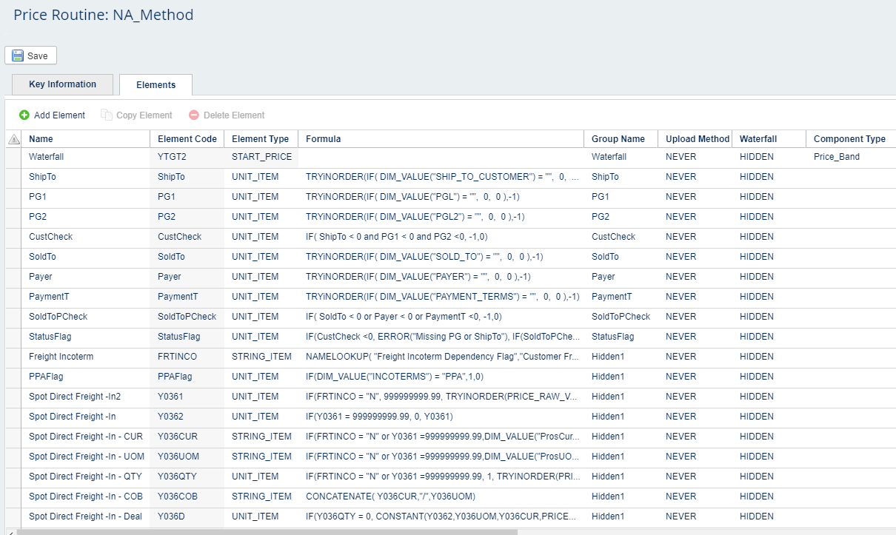
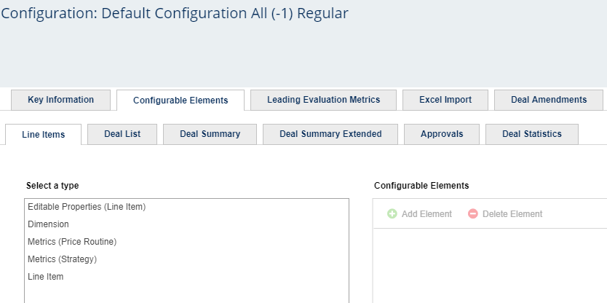
SA | SA Price Routine Configuration | SA Configuration
SA Configuration
SA Price Routine Configuration | Price Routine List

Workbook Sample
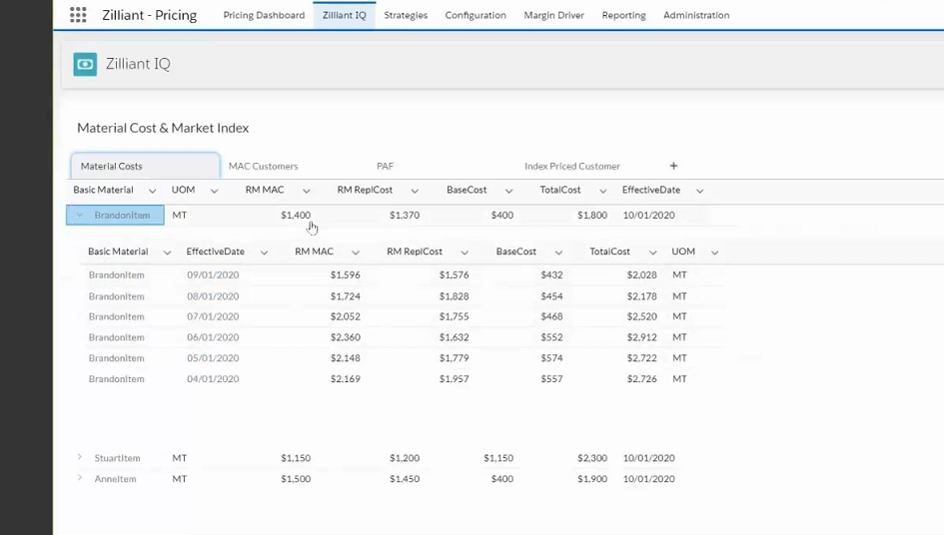
Sample Grid Layout

History o price change

