Reference
Sno. | Params | Values | Referance Snips | Comments
1 | Reauthorization Duration(in-months) | 12 Months
2 | Reauthorization Required | Yes
3 | Reauthorization Requirements Documented in Policy | Documentation of positive clinical response to therapy as evidenced by ONE of the following: reduction the body surface area (BSA) involvement from baseline OR improvement in symptoms (e.g., pruritus, inflammation) from baseline
4 | Specialist Types | Dermatologist
5 | Initial Authorization Duration(in-months) | 6 Months
6 | TB Test required | Yes
7 | Quantity Limits | Quantity Level Limit: • Stelara (ustekinumab) 130 mg/26 mL singledose vial: o 4 vials (1 dose) • Stelara (ustekinumab) subcutaneous injection 45 mg/0.5 mL single-dose vial/prefilled syringe o 1 vial/syringe per 84 days o Exception limit: 2 vials/syringes per 28 days
8 | Age | >=6 | 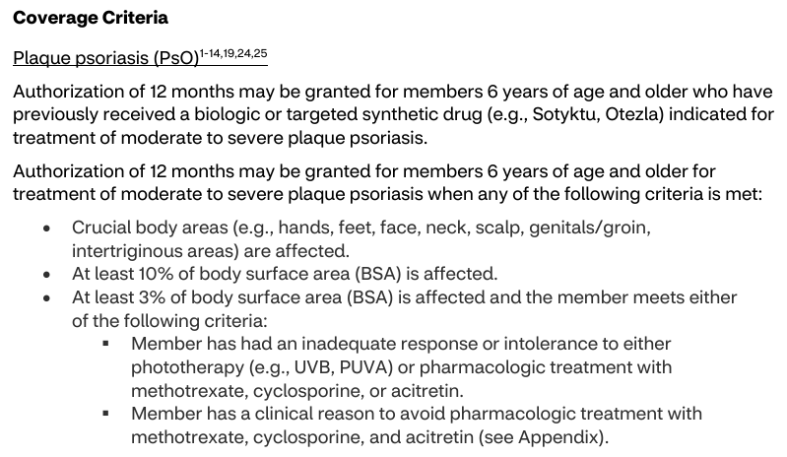 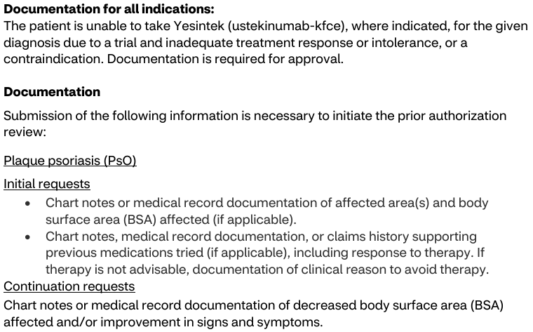 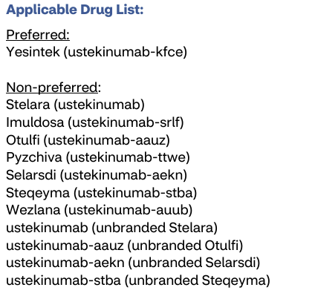
9 | Step Therapy Requirements Documented in Policy | Documentation for all indications: The patient is unable to take Yesintek (ustekinumab-kfce), where indicated, for the given diagnosis due to a trial and inadequate treatment response or intolerance, or a contraindication. Documentation is required for approval. Authorization of 12 months may be granted for members 6 years of age and older who have previously received a biologic or targeted synthetic drug (e.g., Sotyktu, Otezla) indicated for treatment of moderate to severe plaque psoriasis. • At least 3% of body surface area (BSA) is affected and the member meets either of the following criteria: ▪ Member has had an inadequate response or intolerance to either phototherapy (e.g., UVB, PUVA) or pharmacologic treatment with methotrexate, cyclosporine, or acitretin. ▪ Member has a clinical reason to avoid pharmacologic treatment with methotrexate, cyclosporine, and acitretin (see Appendix). \ |  | Counting Logic Applied: This policy contains two layers of step criteria that must be combined via AND: Universal Criteria (applies to all indications): The patient must have tried and failed Yesintek (ustekinumab-kfce). This counts as 1 branded step. Indication-Specific Criteria (Plaque Psoriasis – moderate to severe): The policy lists two separate statements with no explicit AND/OR connector between them, so they default to an OR relationship. The options are: Previously received a biologic or targeted synthetic drug (e.g., Sotyktu, Otezla) → 1 branded step Inadequate response or intolerance to phototherapy or pharmacologic treatment with methotrexate, cyclosporine, or acitretin (OR clinical reason to avoid them) → 1 generic step Since these default to OR, we take the least restrictive path, which is 1 generic step. Final Count: Universal branded step (1) AND indication-specific generic step (1) = 1 branded step + 1 generic step total.
10 | Number of Steps through Brands | 1
11 | Number of Steps through Generic | 1
12 | Step through-Phototherapy | No |  | Phototherapy is No because it is not a mandatory requirement; it is under an OR condition.

