L24
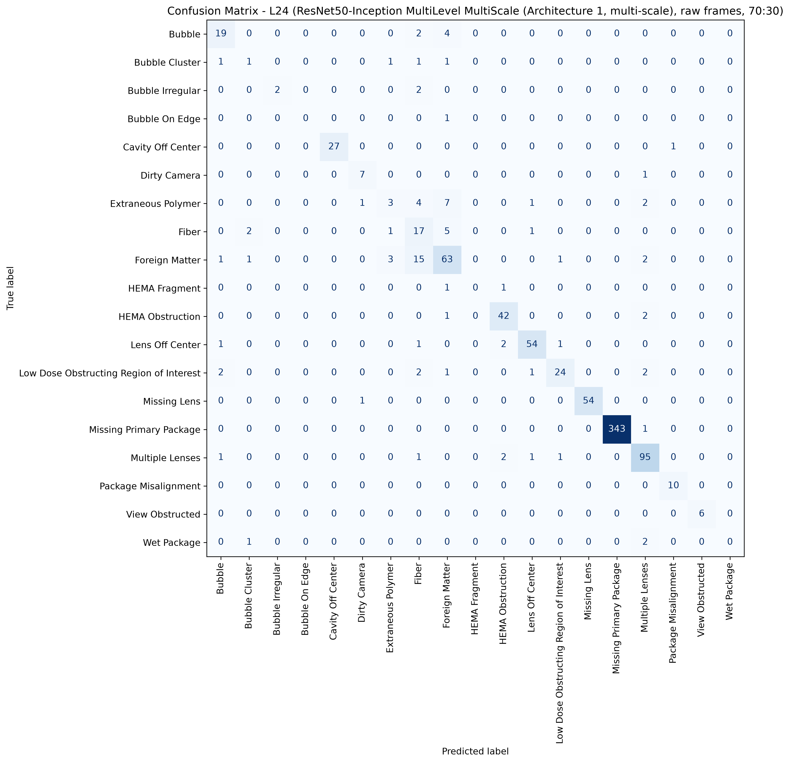
L24: ResNet50, 70:30, batch 4, 50 epochs
1993 train / 858 test, 19 classes, accuracy 89.39%, macro F1 65.20%, weighted F1 89.10%, 20.6 minutes of training.
Cells with four or fewer test pictures are marked thin: their score is not evidence.

Class | Test pictures | Precision | Recall | F1 | Note
Bubble | 25 | 76.00% | 76.00% | 76.00%
Bubble Cluster | 5 | 20.00% | 20.00% | 20.00%
Bubble Irregular | 4 | 100.00% | 50.00% | 66.67% | thin cell
Bubble On Edge | 1 | 0.00% | 0.00% | 0.00% | thin cell
Cavity Off Center | 28 | 100.00% | 96.43% | 98.18%
Dirty Camera | 8 | 77.78% | 87.50% | 82.35%
Extraneous Polymer | 18 | 37.50% | 16.67% | 23.08%
Fiber | 26 | 37.78% | 65.38% | 47.89%
Foreign Matter | 86 | 75.00% | 73.26% | 74.12%
HEMA Fragment | 2 | 0.00% | 0.00% | 0.00% | thin cell
HEMA Obstruction | 45 | 89.36% | 93.33% | 91.30%
Lens Off Center | 59 | 93.10% | 91.53% | 92.31%
Low Dose Obstructing Region of Interest | 32 | 88.89% | 75.00% | 81.36%
Missing Lens | 55 | 100.00% | 98.18% | 99.08%
Missing Primary Package | 344 | 100.00% | 99.71% | 99.85%
Multiple Lenses | 101 | 88.79% | 94.06% | 91.35%
Package Misalignment | 10 | 90.91% | 100.00% | 95.24%
View Obstructed | 6 | 100.00% | 100.00% | 100.00%
Wet Package | 3 | 0.00% | 0.00% | 0.00% | thin cell
Total | 858

Confusion matrix, rows are the true class, columns the prediction
true \ predicted | Bubble | Bubble Cluster | Bubble Irregular | Bubble On Edge | Cavity Off Center | Dirty Camera | Extraneous Polymer | Fiber | Foreign Matter | HEMA Fragment | HEMA Obstruction | Lens Off Center | Low Dose Obstructing Region of Interest | Missing Lens | Missing Primary Package | Multiple Lenses | Package Misalignment | View Obstructed | Wet Package | support
Bubble | 19 | 0 | 0 | 0 | 0 | 0 | 0 | 2 | 4 | 0 | 0 | 0 | 0 | 0 | 0 | 0 | 0 | 0 | 0 | 25
Bubble Cluster | 1 | 1 | 0 | 0 | 0 | 0 | 1 | 1 | 1 | 0 | 0 | 0 | 0 | 0 | 0 | 0 | 0 | 0 | 0 | 5
Bubble Irregular | 0 | 0 | 2 | 0 | 0 | 0 | 0 | 2 | 0 | 0 | 0 | 0 | 0 | 0 | 0 | 0 | 0 | 0 | 0 | 4
Bubble On Edge | 0 | 0 | 0 | 0 | 0 | 0 | 0 | 0 | 1 | 0 | 0 | 0 | 0 | 0 | 0 | 0 | 0 | 0 | 0 | 1
Cavity Off Center | 0 | 0 | 0 | 0 | 27 | 0 | 0 | 0 | 0 | 0 | 0 | 0 | 0 | 0 | 0 | 0 | 1 | 0 | 0 | 28
Dirty Camera | 0 | 0 | 0 | 0 | 0 | 7 | 0 | 0 | 0 | 0 | 0 | 0 | 0 | 0 | 0 | 1 | 0 | 0 | 0 | 8
Extraneous Polymer | 0 | 0 | 0 | 0 | 0 | 1 | 3 | 4 | 7 | 0 | 0 | 1 | 0 | 0 | 0 | 2 | 0 | 0 | 0 | 18
Fiber | 0 | 2 | 0 | 0 | 0 | 0 | 1 | 17 | 5 | 0 | 0 | 1 | 0 | 0 | 0 | 0 | 0 | 0 | 0 | 26
Foreign Matter | 1 | 1 | 0 | 0 | 0 | 0 | 3 | 15 | 63 | 0 | 0 | 0 | 1 | 0 | 0 | 2 | 0 | 0 | 0 | 86
HEMA Fragment | 0 | 0 | 0 | 0 | 0 | 0 | 0 | 0 | 1 | 0 | 1 | 0 | 0 | 0 | 0 | 0 | 0 | 0 | 0 | 2
HEMA Obstruction | 0 | 0 | 0 | 0 | 0 | 0 | 0 | 0 | 1 | 0 | 42 | 0 | 0 | 0 | 0 | 2 | 0 | 0 | 0 | 45
Lens Off Center | 1 | 0 | 0 | 0 | 0 | 0 | 0 | 1 | 0 | 0 | 2 | 54 | 1 | 0 | 0 | 0 | 0 | 0 | 0 | 59
Low Dose Obstructing Region of Interest | 2 | 0 | 0 | 0 | 0 | 0 | 0 | 2 | 1 | 0 | 0 | 1 | 24 | 0 | 0 | 2 | 0 | 0 | 0 | 32
Missing Lens | 0 | 0 | 0 | 0 | 0 | 1 | 0 | 0 | 0 | 0 | 0 | 0 | 0 | 54 | 0 | 0 | 0 | 0 | 0 | 55
Missing Primary Package | 0 | 0 | 0 | 0 | 0 | 0 | 0 | 0 | 0 | 0 | 0 | 0 | 0 | 0 | 343 | 1 | 0 | 0 | 0 | 344
Multiple Lenses | 1 | 0 | 0 | 0 | 0 | 0 | 0 | 1 | 0 | 0 | 2 | 1 | 1 | 0 | 0 | 95 | 0 | 0 | 0 | 101
Package Misalignment | 0 | 0 | 0 | 0 | 0 | 0 | 0 | 0 | 0 | 0 | 0 | 0 | 0 | 0 | 0 | 0 | 10 | 0 | 0 | 10
View Obstructed | 0 | 0 | 0 | 0 | 0 | 0 | 0 | 0 | 0 | 0 | 0 | 0 | 0 | 0 | 0 | 0 | 0 | 6 | 0 | 6
Wet Package | 0 | 1 | 0 | 0 | 0 | 0 | 0 | 0 | 0 | 0 | 0 | 0 | 0 | 0 | 0 | 2 | 0 | 0 | 0 | 3
correct on the diagonal: 767 of 858

L25
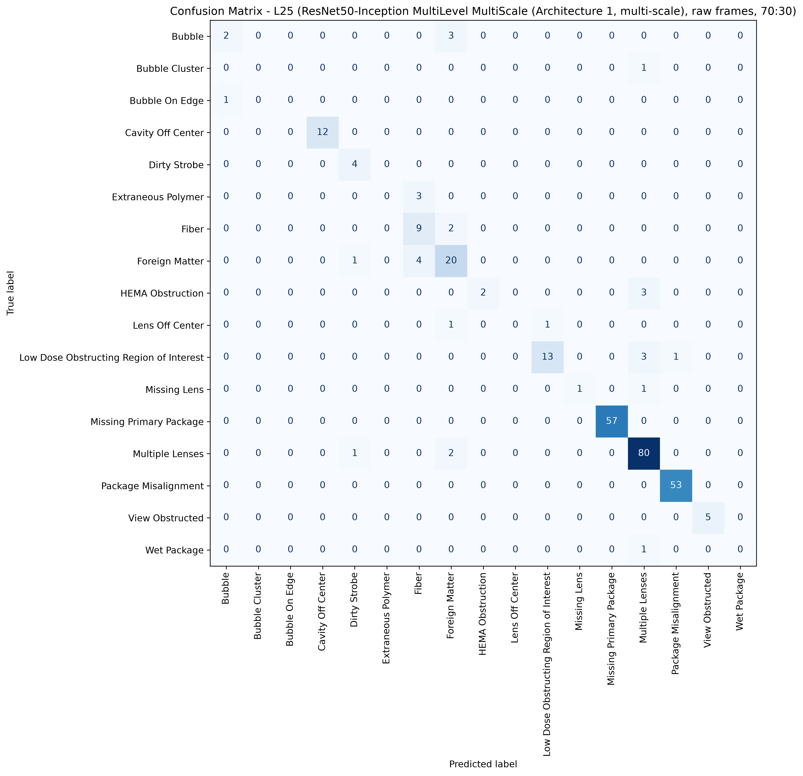
L25: ResNet50, 70:30, batch 4, 50 epochs
663 train / 287 test, 17 classes, accuracy 89.90%, macro F1 57.17%, weighted F1 88.52%, 6.9 minutes of training.
Cells with four or fewer test pictures are marked thin: their score is not evidence.

Class | Test pictures | Precision | Recall | F1 | Note
Bubble | 5 | 66.67% | 40.00% | 50.00%
Bubble Cluster | 1 | 0.00% | 0.00% | 0.00% | thin cell
Bubble On Edge | 1 | 0.00% | 0.00% | 0.00% | thin cell
Cavity Off Center | 12 | 100.00% | 100.00% | 100.00%
Dirty Strobe | 4 | 66.67% | 100.00% | 80.00% | thin cell
Extraneous Polymer | 3 | 0.00% | 0.00% | 0.00% | thin cell
Fiber | 11 | 56.25% | 81.82% | 66.67%
Foreign Matter | 25 | 71.43% | 80.00% | 75.47%
HEMA Obstruction | 5 | 100.00% | 40.00% | 57.14%
Lens Off Center | 2 | 0.00% | 0.00% | 0.00% | thin cell
Low Dose Obstructing Region of Interest | 17 | 92.86% | 76.47% | 83.87%
Missing Lens | 2 | 100.00% | 50.00% | 66.67% | thin cell
Missing Primary Package | 57 | 100.00% | 100.00% | 100.00%
Multiple Lenses | 83 | 89.89% | 96.39% | 93.02%
Package Misalignment | 53 | 98.15% | 100.00% | 99.07%
View Obstructed | 5 | 100.00% | 100.00% | 100.00%
Wet Package | 1 | 0.00% | 0.00% | 0.00% | thin cell
Total | 287

Confusion matrix, rows are the true class, columns the prediction
true \ predicted | Bubble | Bubble Cluster | Bubble On Edge | Cavity Off Center | Dirty Strobe | Extraneous Polymer | Fiber | Foreign Matter | HEMA Obstruction | Lens Off Center | Low Dose Obstructing Region of Interest | Missing Lens | Missing Primary Package | Multiple Lenses | Package Misalignment | View Obstructed | Wet Package | support
Bubble | 2 | 0 | 0 | 0 | 0 | 0 | 0 | 3 | 0 | 0 | 0 | 0 | 0 | 0 | 0 | 0 | 0 | 5
Bubble Cluster | 0 | 0 | 0 | 0 | 0 | 0 | 0 | 0 | 0 | 0 | 0 | 0 | 0 | 1 | 0 | 0 | 0 | 1
Bubble On Edge | 1 | 0 | 0 | 0 | 0 | 0 | 0 | 0 | 0 | 0 | 0 | 0 | 0 | 0 | 0 | 0 | 0 | 1
Cavity Off Center | 0 | 0 | 0 | 12 | 0 | 0 | 0 | 0 | 0 | 0 | 0 | 0 | 0 | 0 | 0 | 0 | 0 | 12
Dirty Strobe | 0 | 0 | 0 | 0 | 4 | 0 | 0 | 0 | 0 | 0 | 0 | 0 | 0 | 0 | 0 | 0 | 0 | 4
Extraneous Polymer | 0 | 0 | 0 | 0 | 0 | 0 | 3 | 0 | 0 | 0 | 0 | 0 | 0 | 0 | 0 | 0 | 0 | 3
Fiber | 0 | 0 | 0 | 0 | 0 | 0 | 9 | 2 | 0 | 0 | 0 | 0 | 0 | 0 | 0 | 0 | 0 | 11
Foreign Matter | 0 | 0 | 0 | 0 | 1 | 0 | 4 | 20 | 0 | 0 | 0 | 0 | 0 | 0 | 0 | 0 | 0 | 25
HEMA Obstruction | 0 | 0 | 0 | 0 | 0 | 0 | 0 | 0 | 2 | 0 | 0 | 0 | 0 | 3 | 0 | 0 | 0 | 5
Lens Off Center | 0 | 0 | 0 | 0 | 0 | 0 | 0 | 1 | 0 | 0 | 1 | 0 | 0 | 0 | 0 | 0 | 0 | 2
Low Dose Obstructing Region of Interest | 0 | 0 | 0 | 0 | 0 | 0 | 0 | 0 | 0 | 0 | 13 | 0 | 0 | 3 | 1 | 0 | 0 | 17
Missing Lens | 0 | 0 | 0 | 0 | 0 | 0 | 0 | 0 | 0 | 0 | 0 | 1 | 0 | 1 | 0 | 0 | 0 | 2
Missing Primary Package | 0 | 0 | 0 | 0 | 0 | 0 | 0 | 0 | 0 | 0 | 0 | 0 | 57 | 0 | 0 | 0 | 0 | 57
Multiple Lenses | 0 | 0 | 0 | 0 | 1 | 0 | 0 | 2 | 0 | 0 | 0 | 0 | 0 | 80 | 0 | 0 | 0 | 83
Package Misalignment | 0 | 0 | 0 | 0 | 0 | 0 | 0 | 0 | 0 | 0 | 0 | 0 | 0 | 0 | 53 | 0 | 0 | 53
View Obstructed | 0 | 0 | 0 | 0 | 0 | 0 | 0 | 0 | 0 | 0 | 0 | 0 | 0 | 0 | 0 | 5 | 0 | 5
Wet Package | 0 | 0 | 0 | 0 | 0 | 0 | 0 | 0 | 0 | 0 | 0 | 0 | 0 | 1 | 0 | 0 | 0 | 1
correct on the diagonal: 258 of 287

L26
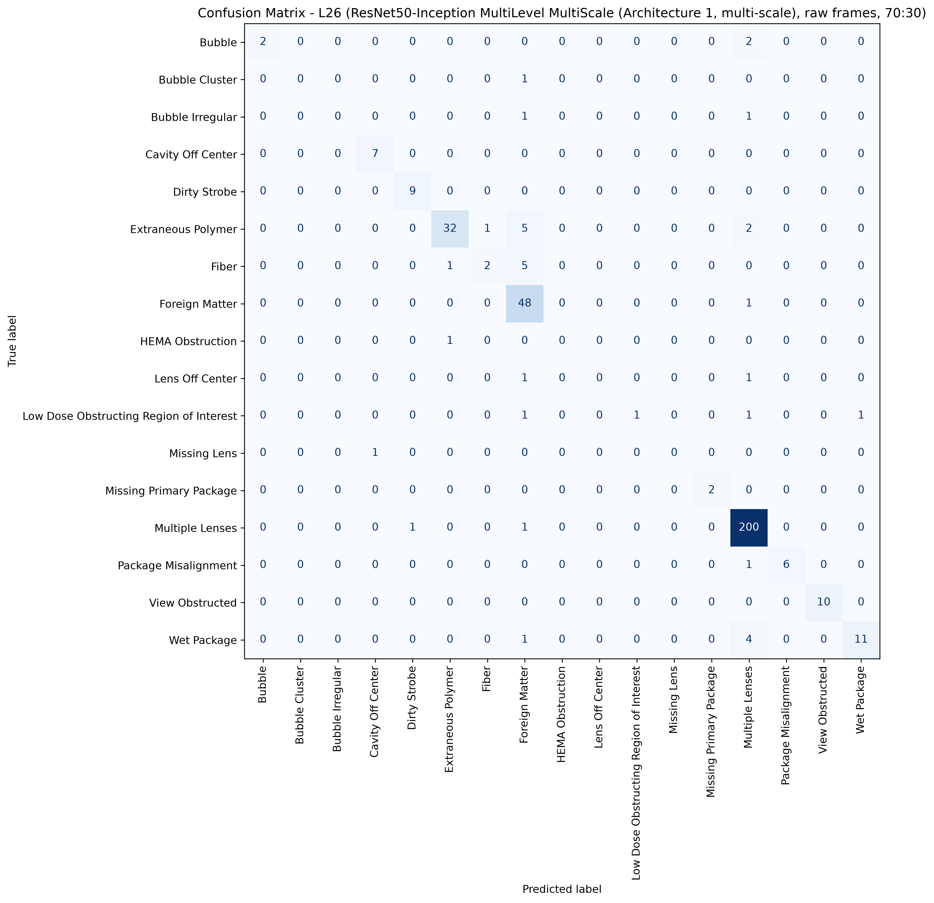
L26: ResNet50, 70:30, batch 4, 50 epochs
853 train / 365 test, 17 classes, accuracy 90.41%, macro F1 57.05%, weighted F1 88.82%, 8.9 minutes of training.
Cells with four or fewer test pictures are marked thin: their score is not evidence.

Class | Test pictures | Precision | Recall | F1 | Note
Bubble | 4 | 100.00% | 50.00% | 66.67% | thin cell
Bubble Cluster | 1 | 0.00% | 0.00% | 0.00% | thin cell
Bubble Irregular | 2 | 0.00% | 0.00% | 0.00% | thin cell
Cavity Off Center | 7 | 87.50% | 100.00% | 93.33%
Dirty Strobe | 9 | 90.00% | 100.00% | 94.74%
Extraneous Polymer | 40 | 94.12% | 80.00% | 86.49%
Fiber | 8 | 66.67% | 25.00% | 36.36%
Foreign Matter | 49 | 75.00% | 97.96% | 84.96%
HEMA Obstruction | 1 | 0.00% | 0.00% | 0.00% | thin cell
Lens Off Center | 2 | 0.00% | 0.00% | 0.00% | thin cell
Low Dose Obstructing Region of Interest | 4 | 100.00% | 25.00% | 40.00% | thin cell
Missing Lens | 1 | 0.00% | 0.00% | 0.00% | thin cell
Missing Primary Package | 2 | 100.00% | 100.00% | 100.00% | thin cell
Multiple Lenses | 202 | 93.90% | 99.01% | 96.39%
Package Misalignment | 7 | 100.00% | 85.71% | 92.31%
View Obstructed | 10 | 100.00% | 100.00% | 100.00%
Wet Package | 16 | 91.67% | 68.75% | 78.57%
Total | 365

Confusion matrix, rows are the true class, columns the prediction
true \ predicted | Bubble | Bubble Cluster | Bubble Irregular | Cavity Off Center | Dirty Strobe | Extraneous Polymer | Fiber | Foreign Matter | HEMA Obstruction | Lens Off Center | Low Dose Obstructing Region of Interest | Missing Lens | Missing Primary Package | Multiple Lenses | Package Misalignment | View Obstructed | Wet Package | support
Bubble | 2 | 0 | 0 | 0 | 0 | 0 | 0 | 0 | 0 | 0 | 0 | 0 | 0 | 2 | 0 | 0 | 0 | 4
Bubble Cluster | 0 | 0 | 0 | 0 | 0 | 0 | 0 | 1 | 0 | 0 | 0 | 0 | 0 | 0 | 0 | 0 | 0 | 1
Bubble Irregular | 0 | 0 | 0 | 0 | 0 | 0 | 0 | 1 | 0 | 0 | 0 | 0 | 0 | 1 | 0 | 0 | 0 | 2
Cavity Off Center | 0 | 0 | 0 | 7 | 0 | 0 | 0 | 0 | 0 | 0 | 0 | 0 | 0 | 0 | 0 | 0 | 0 | 7
Dirty Strobe | 0 | 0 | 0 | 0 | 9 | 0 | 0 | 0 | 0 | 0 | 0 | 0 | 0 | 0 | 0 | 0 | 0 | 9
Extraneous Polymer | 0 | 0 | 0 | 0 | 0 | 32 | 1 | 5 | 0 | 0 | 0 | 0 | 0 | 2 | 0 | 0 | 0 | 40
Fiber | 0 | 0 | 0 | 0 | 0 | 1 | 2 | 5 | 0 | 0 | 0 | 0 | 0 | 0 | 0 | 0 | 0 | 8
Foreign Matter | 0 | 0 | 0 | 0 | 0 | 0 | 0 | 48 | 0 | 0 | 0 | 0 | 0 | 1 | 0 | 0 | 0 | 49
HEMA Obstruction | 0 | 0 | 0 | 0 | 0 | 1 | 0 | 0 | 0 | 0 | 0 | 0 | 0 | 0 | 0 | 0 | 0 | 1
Lens Off Center | 0 | 0 | 0 | 0 | 0 | 0 | 0 | 1 | 0 | 0 | 0 | 0 | 0 | 1 | 0 | 0 | 0 | 2
Low Dose Obstructing Region of Interest | 0 | 0 | 0 | 0 | 0 | 0 | 0 | 1 | 0 | 0 | 1 | 0 | 0 | 1 | 0 | 0 | 1 | 4
Missing Lens | 0 | 0 | 0 | 1 | 0 | 0 | 0 | 0 | 0 | 0 | 0 | 0 | 0 | 0 | 0 | 0 | 0 | 1
Missing Primary Package | 0 | 0 | 0 | 0 | 0 | 0 | 0 | 0 | 0 | 0 | 0 | 0 | 2 | 0 | 0 | 0 | 0 | 2
Multiple Lenses | 0 | 0 | 0 | 0 | 1 | 0 | 0 | 1 | 0 | 0 | 0 | 0 | 0 | 200 | 0 | 0 | 0 | 202
Package Misalignment | 0 | 0 | 0 | 0 | 0 | 0 | 0 | 0 | 0 | 0 | 0 | 0 | 0 | 1 | 6 | 0 | 0 | 7
View Obstructed | 0 | 0 | 0 | 0 | 0 | 0 | 0 | 0 | 0 | 0 | 0 | 0 | 0 | 0 | 0 | 10 | 0 | 10
Wet Package | 0 | 0 | 0 | 0 | 0 | 0 | 0 | 1 | 0 | 0 | 0 | 0 | 0 | 4 | 0 | 0 | 11 | 16
correct on the diagonal: 330 of 365

L27
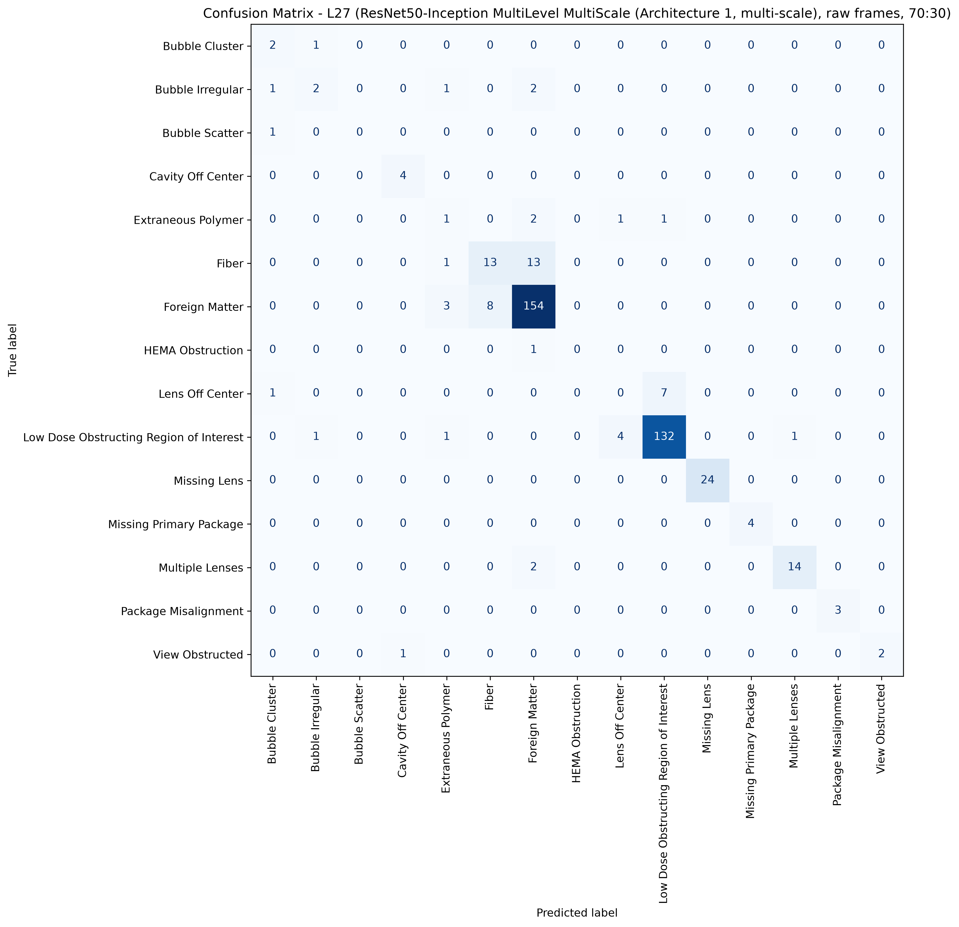
L27: ResNet50, 70:30, batch 4, 50 epochs
955 train / 409 test, 15 classes, accuracy 86.80%, macro F1 60.37%, weighted F1 86.11%, 10.0 minutes of training.
Cells with four or fewer test pictures are marked thin: their score is not evidence.

Class | Test pictures | Precision | Recall | F1 | Note
Bubble Cluster | 3 | 40.00% | 66.67% | 50.00% | thin cell
Bubble Irregular | 6 | 50.00% | 33.33% | 40.00%
Bubble Scatter | 1 | 0.00% | 0.00% | 0.00% | thin cell
Cavity Off Center | 4 | 80.00% | 100.00% | 88.89% | thin cell
Extraneous Polymer | 5 | 14.29% | 20.00% | 16.67%
Fiber | 27 | 61.90% | 48.15% | 54.17%
Foreign Matter | 165 | 88.51% | 93.33% | 90.86%
HEMA Obstruction | 1 | 0.00% | 0.00% | 0.00% | thin cell
Lens Off Center | 8 | 0.00% | 0.00% | 0.00%
Low Dose Obstructing Region of Interest | 139 | 94.29% | 94.96% | 94.62%
Missing Lens | 24 | 100.00% | 100.00% | 100.00%
Missing Primary Package | 4 | 100.00% | 100.00% | 100.00% | thin cell
Multiple Lenses | 16 | 93.33% | 87.50% | 90.32%
Package Misalignment | 3 | 100.00% | 100.00% | 100.00% | thin cell
View Obstructed | 3 | 100.00% | 66.67% | 80.00% | thin cell
Total | 409

Confusion matrix, rows are the true class, columns the prediction
true \ predicted | Bubble Cluster | Bubble Irregular | Bubble Scatter | Cavity Off Center | Extraneous Polymer | Fiber | Foreign Matter | HEMA Obstruction | Lens Off Center | Low Dose Obstructing Region of Interest | Missing Lens | Missing Primary Package | Multiple Lenses | Package Misalignment | View Obstructed | support
Bubble Cluster | 2 | 1 | 0 | 0 | 0 | 0 | 0 | 0 | 0 | 0 | 0 | 0 | 0 | 0 | 0 | 3
Bubble Irregular | 1 | 2 | 0 | 0 | 1 | 0 | 2 | 0 | 0 | 0 | 0 | 0 | 0 | 0 | 0 | 6
Bubble Scatter | 1 | 0 | 0 | 0 | 0 | 0 | 0 | 0 | 0 | 0 | 0 | 0 | 0 | 0 | 0 | 1
Cavity Off Center | 0 | 0 | 0 | 4 | 0 | 0 | 0 | 0 | 0 | 0 | 0 | 0 | 0 | 0 | 0 | 4
Extraneous Polymer | 0 | 0 | 0 | 0 | 1 | 0 | 2 | 0 | 1 | 1 | 0 | 0 | 0 | 0 | 0 | 5
Fiber | 0 | 0 | 0 | 0 | 1 | 13 | 13 | 0 | 0 | 0 | 0 | 0 | 0 | 0 | 0 | 27
Foreign Matter | 0 | 0 | 0 | 0 | 3 | 8 | 154 | 0 | 0 | 0 | 0 | 0 | 0 | 0 | 0 | 165
HEMA Obstruction | 0 | 0 | 0 | 0 | 0 | 0 | 1 | 0 | 0 | 0 | 0 | 0 | 0 | 0 | 0 | 1
Lens Off Center | 1 | 0 | 0 | 0 | 0 | 0 | 0 | 0 | 0 | 7 | 0 | 0 | 0 | 0 | 0 | 8
Low Dose Obstructing Region of Interest | 0 | 1 | 0 | 0 | 1 | 0 | 0 | 0 | 4 | 132 | 0 | 0 | 1 | 0 | 0 | 139
Missing Lens | 0 | 0 | 0 | 0 | 0 | 0 | 0 | 0 | 0 | 0 | 24 | 0 | 0 | 0 | 0 | 24
Missing Primary Package | 0 | 0 | 0 | 0 | 0 | 0 | 0 | 0 | 0 | 0 | 0 | 4 | 0 | 0 | 0 | 4
Multiple Lenses | 0 | 0 | 0 | 0 | 0 | 0 | 2 | 0 | 0 | 0 | 0 | 0 | 14 | 0 | 0 | 16
Package Misalignment | 0 | 0 | 0 | 0 | 0 | 0 | 0 | 0 | 0 | 0 | 0 | 0 | 0 | 3 | 0 | 3
View Obstructed | 0 | 0 | 0 | 1 | 0 | 0 | 0 | 0 | 0 | 0 | 0 | 0 | 0 | 0 | 2 | 3
correct on the diagonal: 355 of 409

L31
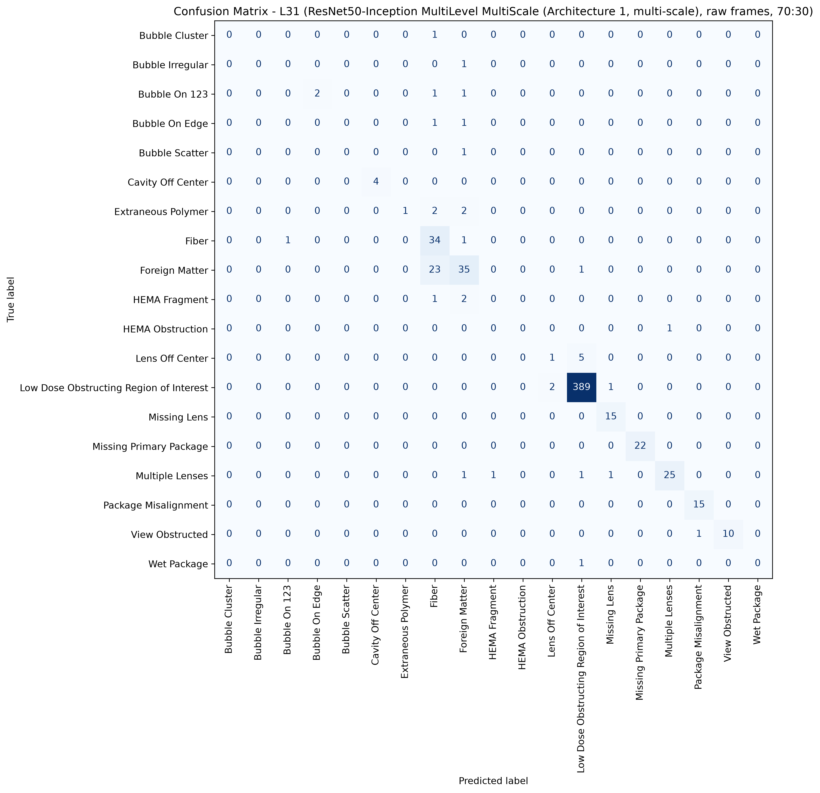
L31: ResNet50, 70:30, batch 4, 50 epochs
1411 train / 608 test, 19 classes, accuracy 90.62%, macro F1 45.62%, weighted F1 89.70%, 14.6 minutes of training.
Cells with four or fewer test pictures are marked thin: their score is not evidence.

Class | Test pictures | Precision | Recall | F1 | Note
Bubble Cluster | 1 | 0.00% | 0.00% | 0.00% | thin cell
Bubble Irregular | 1 | 0.00% | 0.00% | 0.00% | thin cell
Bubble On 123 | 4 | 0.00% | 0.00% | 0.00% | thin cell
Bubble On Edge | 2 | 0.00% | 0.00% | 0.00% | thin cell
Bubble Scatter | 1 | 0.00% | 0.00% | 0.00% | thin cell
Cavity Off Center | 4 | 100.00% | 100.00% | 100.00% | thin cell
Extraneous Polymer | 5 | 100.00% | 20.00% | 33.33%
Fiber | 36 | 53.97% | 94.44% | 68.69%
Foreign Matter | 59 | 77.78% | 59.32% | 67.31%
HEMA Fragment | 3 | 0.00% | 0.00% | 0.00% | thin cell
HEMA Obstruction | 1 | 0.00% | 0.00% | 0.00% | thin cell
Lens Off Center | 6 | 33.33% | 16.67% | 22.22%
Low Dose Obstructing Region of Interest | 392 | 97.98% | 99.23% | 98.61%
Missing Lens | 15 | 88.24% | 100.00% | 93.75%
Missing Primary Package | 22 | 100.00% | 100.00% | 100.00%
Multiple Lenses | 29 | 96.15% | 86.21% | 90.91%
Package Misalignment | 15 | 93.75% | 100.00% | 96.77%
View Obstructed | 11 | 100.00% | 90.91% | 95.24%
Wet Package | 1 | 0.00% | 0.00% | 0.00% | thin cell
Total | 608

Confusion matrix, rows are the true class, columns the prediction
true \ predicted | Bubble Cluster | Bubble Irregular | Bubble On 123 | Bubble On Edge | Bubble Scatter | Cavity Off Center | Extraneous Polymer | Fiber | Foreign Matter | HEMA Fragment | HEMA Obstruction | Lens Off Center | Low Dose Obstructing Region of Interest | Missing Lens | Missing Primary Package | Multiple Lenses | Package Misalignment | View Obstructed | Wet Package | support
Bubble Cluster | 0 | 0 | 0 | 0 | 0 | 0 | 0 | 1 | 0 | 0 | 0 | 0 | 0 | 0 | 0 | 0 | 0 | 0 | 0 | 1
Bubble Irregular | 0 | 0 | 0 | 0 | 0 | 0 | 0 | 0 | 1 | 0 | 0 | 0 | 0 | 0 | 0 | 0 | 0 | 0 | 0 | 1
Bubble On 123 | 0 | 0 | 0 | 2 | 0 | 0 | 0 | 1 | 1 | 0 | 0 | 0 | 0 | 0 | 0 | 0 | 0 | 0 | 0 | 4
Bubble On Edge | 0 | 0 | 0 | 0 | 0 | 0 | 0 | 1 | 1 | 0 | 0 | 0 | 0 | 0 | 0 | 0 | 0 | 0 | 0 | 2
Bubble Scatter | 0 | 0 | 0 | 0 | 0 | 0 | 0 | 0 | 1 | 0 | 0 | 0 | 0 | 0 | 0 | 0 | 0 | 0 | 0 | 1
Cavity Off Center | 0 | 0 | 0 | 0 | 0 | 4 | 0 | 0 | 0 | 0 | 0 | 0 | 0 | 0 | 0 | 0 | 0 | 0 | 0 | 4
Extraneous Polymer | 0 | 0 | 0 | 0 | 0 | 0 | 1 | 2 | 2 | 0 | 0 | 0 | 0 | 0 | 0 | 0 | 0 | 0 | 0 | 5
Fiber | 0 | 0 | 1 | 0 | 0 | 0 | 0 | 34 | 1 | 0 | 0 | 0 | 0 | 0 | 0 | 0 | 0 | 0 | 0 | 36
Foreign Matter | 0 | 0 | 0 | 0 | 0 | 0 | 0 | 23 | 35 | 0 | 0 | 0 | 1 | 0 | 0 | 0 | 0 | 0 | 0 | 59
HEMA Fragment | 0 | 0 | 0 | 0 | 0 | 0 | 0 | 1 | 2 | 0 | 0 | 0 | 0 | 0 | 0 | 0 | 0 | 0 | 0 | 3
HEMA Obstruction | 0 | 0 | 0 | 0 | 0 | 0 | 0 | 0 | 0 | 0 | 0 | 0 | 0 | 0 | 0 | 1 | 0 | 0 | 0 | 1
Lens Off Center | 0 | 0 | 0 | 0 | 0 | 0 | 0 | 0 | 0 | 0 | 0 | 1 | 5 | 0 | 0 | 0 | 0 | 0 | 0 | 6
Low Dose Obstructing Region of Interest | 0 | 0 | 0 | 0 | 0 | 0 | 0 | 0 | 0 | 0 | 0 | 2 | 389 | 1 | 0 | 0 | 0 | 0 | 0 | 392
Missing Lens | 0 | 0 | 0 | 0 | 0 | 0 | 0 | 0 | 0 | 0 | 0 | 0 | 0 | 15 | 0 | 0 | 0 | 0 | 0 | 15
Missing Primary Package | 0 | 0 | 0 | 0 | 0 | 0 | 0 | 0 | 0 | 0 | 0 | 0 | 0 | 0 | 22 | 0 | 0 | 0 | 0 | 22
Multiple Lenses | 0 | 0 | 0 | 0 | 0 | 0 | 0 | 0 | 1 | 1 | 0 | 0 | 1 | 1 | 0 | 25 | 0 | 0 | 0 | 29
Package Misalignment | 0 | 0 | 0 | 0 | 0 | 0 | 0 | 0 | 0 | 0 | 0 | 0 | 0 | 0 | 0 | 0 | 15 | 0 | 0 | 15
View Obstructed | 0 | 0 | 0 | 0 | 0 | 0 | 0 | 0 | 0 | 0 | 0 | 0 | 0 | 0 | 0 | 0 | 1 | 10 | 0 | 11
Wet Package | 0 | 0 | 0 | 0 | 0 | 0 | 0 | 0 | 0 | 0 | 0 | 0 | 1 | 0 | 0 | 0 | 0 | 0 | 0 | 1
correct on the diagonal: 551 of 608

