L24
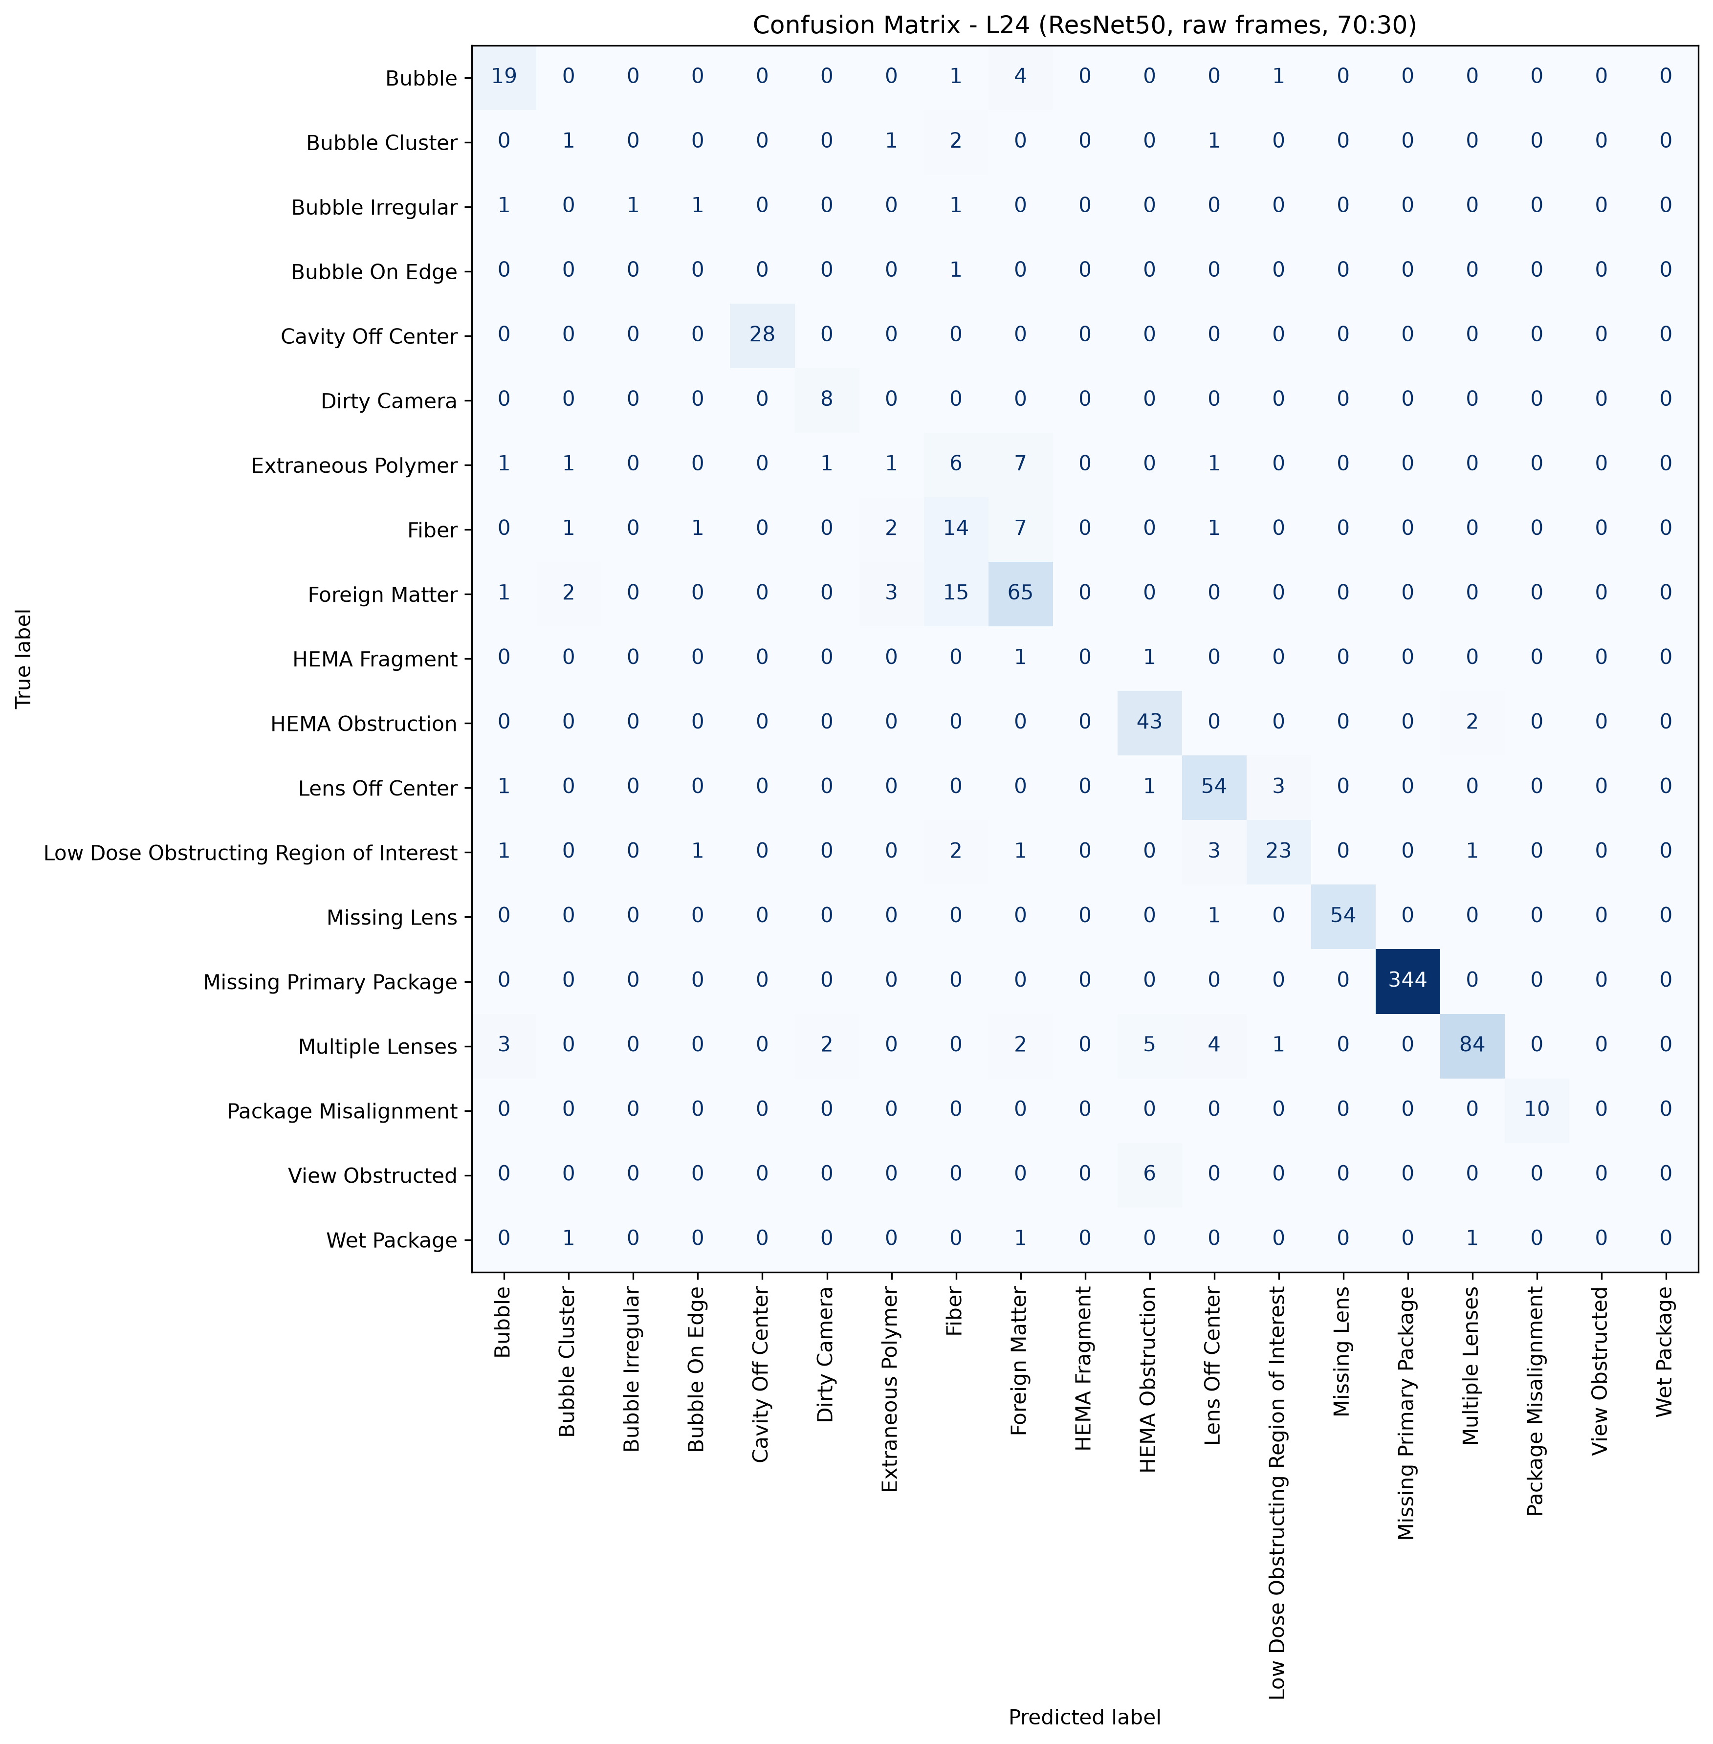
L24: ResNet50, 70:30, batch 4, 50 epochs
1993 train / 858 test, 19 classes, accuracy 87.30%, macro F1 56.64%, weighted F1 86.76%, 18.5 minutes of training.
Cells with four or fewer test pictures are marked thin: their score is not evidence.

Class | Test pictures | Precision | Recall | F1 | Note
Bubble | 25 | 70.37% | 76.00% | 73.08%
Bubble Cluster | 5 | 16.67% | 20.00% | 18.18%
Bubble Irregular | 4 | 100.00% | 25.00% | 40.00% | thin cell
Bubble On Edge | 1 | 0.00% | 0.00% | 0.00% | thin cell
Cavity Off Center | 28 | 100.00% | 100.00% | 100.00%
Dirty Camera | 8 | 72.73% | 100.00% | 84.21%
Extraneous Polymer | 18 | 14.29% | 5.56% | 8.00%
Fiber | 26 | 33.33% | 53.85% | 41.18%
Foreign Matter | 86 | 73.86% | 75.58% | 74.71%
HEMA Fragment | 2 | 0.00% | 0.00% | 0.00% | thin cell
HEMA Obstruction | 45 | 76.79% | 95.56% | 85.15%
Lens Off Center | 59 | 83.08% | 91.53% | 87.10%
Low Dose Obstructing Region of Interest | 32 | 82.14% | 71.88% | 76.67%
Missing Lens | 55 | 100.00% | 98.18% | 99.08%
Missing Primary Package | 344 | 100.00% | 100.00% | 100.00%
Multiple Lenses | 101 | 95.45% | 83.17% | 88.89%
Package Misalignment | 10 | 100.00% | 100.00% | 100.00%
View Obstructed | 6 | 0.00% | 0.00% | 0.00%
Wet Package | 3 | 0.00% | 0.00% | 0.00% | thin cell
Total | 858

Confusion matrix, rows are the true class, columns the prediction
true \ predicted | Bubble | Bubble Cluster | Bubble Irregular | Bubble On Edge | Cavity Off Center | Dirty Camera | Extraneous Polymer | Fiber | Foreign Matter | HEMA Fragment | HEMA Obstruction | Lens Off Center | Low Dose Obstructing Region of Interest | Missing Lens | Missing Primary Package | Multiple Lenses | Package Misalignment | View Obstructed | Wet Package | support
Bubble | 19 | 0 | 0 | 0 | 0 | 0 | 0 | 1 | 4 | 0 | 0 | 0 | 1 | 0 | 0 | 0 | 0 | 0 | 0 | 25
Bubble Cluster | 0 | 1 | 0 | 0 | 0 | 0 | 1 | 2 | 0 | 0 | 0 | 1 | 0 | 0 | 0 | 0 | 0 | 0 | 0 | 5
Bubble Irregular | 1 | 0 | 1 | 1 | 0 | 0 | 0 | 1 | 0 | 0 | 0 | 0 | 0 | 0 | 0 | 0 | 0 | 0 | 0 | 4
Bubble On Edge | 0 | 0 | 0 | 0 | 0 | 0 | 0 | 1 | 0 | 0 | 0 | 0 | 0 | 0 | 0 | 0 | 0 | 0 | 0 | 1
Cavity Off Center | 0 | 0 | 0 | 0 | 28 | 0 | 0 | 0 | 0 | 0 | 0 | 0 | 0 | 0 | 0 | 0 | 0 | 0 | 0 | 28
Dirty Camera | 0 | 0 | 0 | 0 | 0 | 8 | 0 | 0 | 0 | 0 | 0 | 0 | 0 | 0 | 0 | 0 | 0 | 0 | 0 | 8
Extraneous Polymer | 1 | 1 | 0 | 0 | 0 | 1 | 1 | 6 | 7 | 0 | 0 | 1 | 0 | 0 | 0 | 0 | 0 | 0 | 0 | 18
Fiber | 0 | 1 | 0 | 1 | 0 | 0 | 2 | 14 | 7 | 0 | 0 | 1 | 0 | 0 | 0 | 0 | 0 | 0 | 0 | 26
Foreign Matter | 1 | 2 | 0 | 0 | 0 | 0 | 3 | 15 | 65 | 0 | 0 | 0 | 0 | 0 | 0 | 0 | 0 | 0 | 0 | 86
HEMA Fragment | 0 | 0 | 0 | 0 | 0 | 0 | 0 | 0 | 1 | 0 | 1 | 0 | 0 | 0 | 0 | 0 | 0 | 0 | 0 | 2
HEMA Obstruction | 0 | 0 | 0 | 0 | 0 | 0 | 0 | 0 | 0 | 0 | 43 | 0 | 0 | 0 | 0 | 2 | 0 | 0 | 0 | 45
Lens Off Center | 1 | 0 | 0 | 0 | 0 | 0 | 0 | 0 | 0 | 0 | 1 | 54 | 3 | 0 | 0 | 0 | 0 | 0 | 0 | 59
Low Dose Obstructing Region of Interest | 1 | 0 | 0 | 1 | 0 | 0 | 0 | 2 | 1 | 0 | 0 | 3 | 23 | 0 | 0 | 1 | 0 | 0 | 0 | 32
Missing Lens | 0 | 0 | 0 | 0 | 0 | 0 | 0 | 0 | 0 | 0 | 0 | 1 | 0 | 54 | 0 | 0 | 0 | 0 | 0 | 55
Missing Primary Package | 0 | 0 | 0 | 0 | 0 | 0 | 0 | 0 | 0 | 0 | 0 | 0 | 0 | 0 | 344 | 0 | 0 | 0 | 0 | 344
Multiple Lenses | 3 | 0 | 0 | 0 | 0 | 2 | 0 | 0 | 2 | 0 | 5 | 4 | 1 | 0 | 0 | 84 | 0 | 0 | 0 | 101
Package Misalignment | 0 | 0 | 0 | 0 | 0 | 0 | 0 | 0 | 0 | 0 | 0 | 0 | 0 | 0 | 0 | 0 | 10 | 0 | 0 | 10
View Obstructed | 0 | 0 | 0 | 0 | 0 | 0 | 0 | 0 | 0 | 0 | 6 | 0 | 0 | 0 | 0 | 0 | 0 | 0 | 0 | 6
Wet Package | 0 | 1 | 0 | 0 | 0 | 0 | 0 | 0 | 1 | 0 | 0 | 0 | 0 | 0 | 0 | 1 | 0 | 0 | 0 | 3
correct on the diagonal: 749 of 858

L25
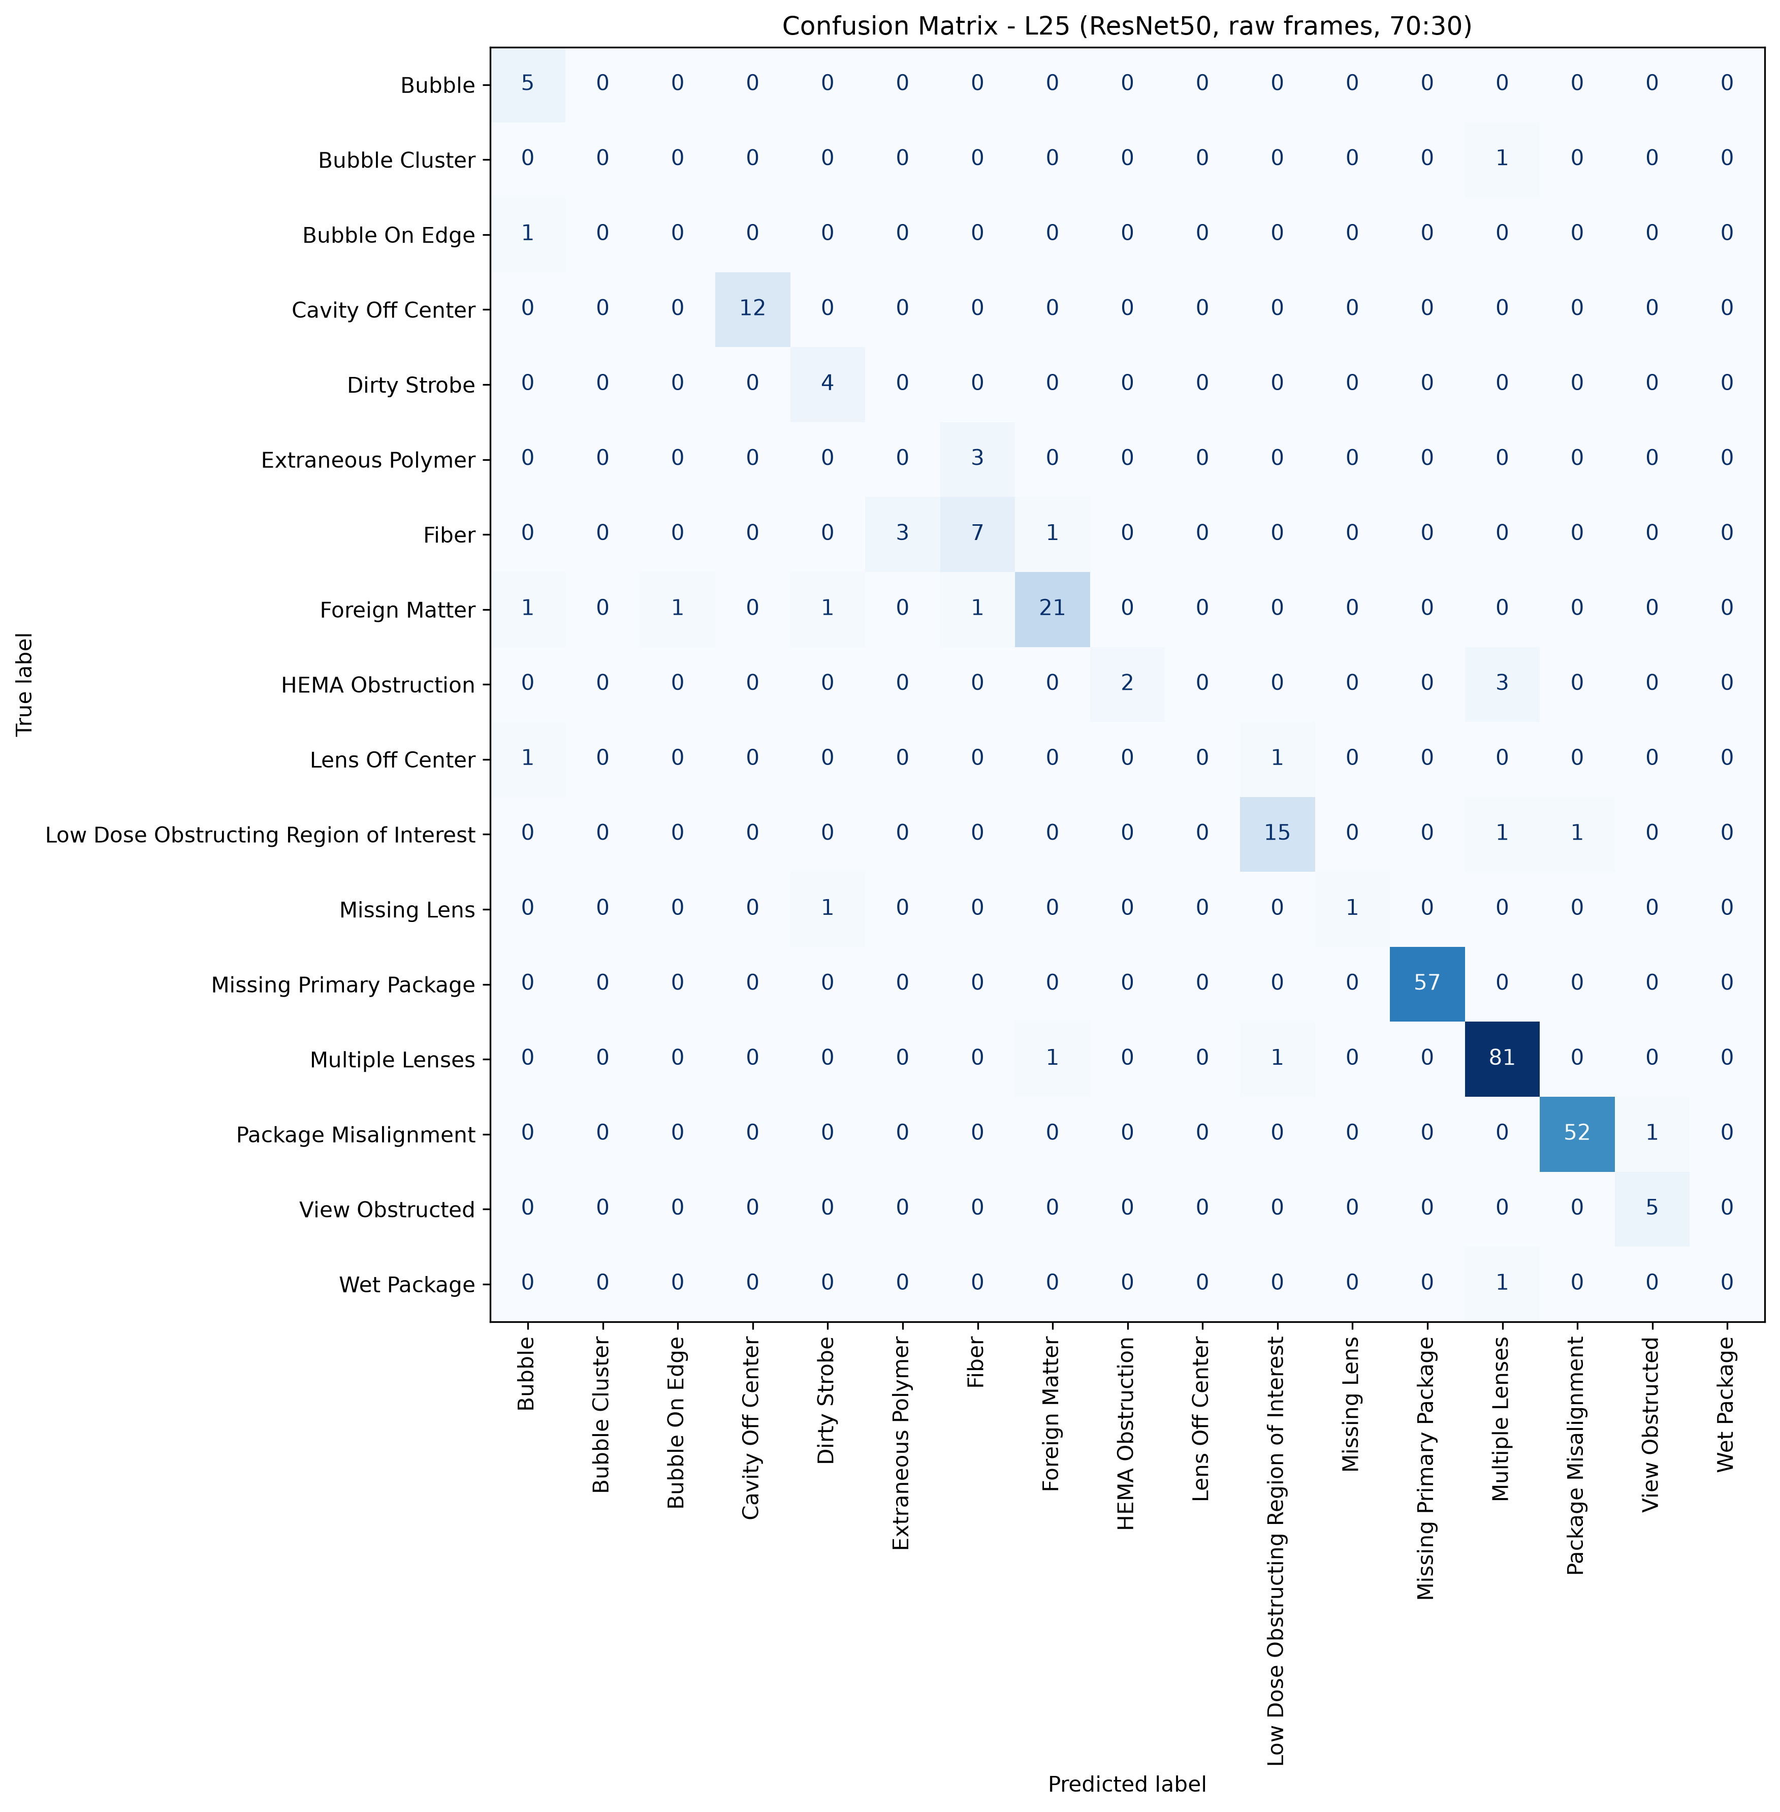
L25: ResNet50, 70:30, batch 4, 50 epochs
663 train / 287 test, 17 classes, accuracy 91.29%, macro F1 59.08%, weighted F1 90.51%, 5.9 minutes of training.
Cells with four or fewer test pictures are marked thin: their score is not evidence.

Class | Test pictures | Precision | Recall | F1 | Note
Bubble | 5 | 62.50% | 100.00% | 76.92%
Bubble Cluster | 1 | 0.00% | 0.00% | 0.00% | thin cell
Bubble On Edge | 1 | 0.00% | 0.00% | 0.00% | thin cell
Cavity Off Center | 12 | 100.00% | 100.00% | 100.00%
Dirty Strobe | 4 | 66.67% | 100.00% | 80.00% | thin cell
Extraneous Polymer | 3 | 0.00% | 0.00% | 0.00% | thin cell
Fiber | 11 | 63.64% | 63.64% | 63.64%
Foreign Matter | 25 | 91.30% | 84.00% | 87.50%
HEMA Obstruction | 5 | 100.00% | 40.00% | 57.14%
Lens Off Center | 2 | 0.00% | 0.00% | 0.00% | thin cell
Low Dose Obstructing Region of Interest | 17 | 88.24% | 88.24% | 88.24%
Missing Lens | 2 | 100.00% | 50.00% | 66.67% | thin cell
Missing Primary Package | 57 | 100.00% | 100.00% | 100.00%
Multiple Lenses | 83 | 93.10% | 97.59% | 95.29%
Package Misalignment | 53 | 98.11% | 98.11% | 98.11%
View Obstructed | 5 | 83.33% | 100.00% | 90.91%
Wet Package | 1 | 0.00% | 0.00% | 0.00% | thin cell
Total | 287

Confusion matrix, rows are the true class, columns the prediction
true \ predicted | Bubble | Bubble Cluster | Bubble On Edge | Cavity Off Center | Dirty Strobe | Extraneous Polymer | Fiber | Foreign Matter | HEMA Obstruction | Lens Off Center | Low Dose Obstructing Region of Interest | Missing Lens | Missing Primary Package | Multiple Lenses | Package Misalignment | View Obstructed | Wet Package | support
Bubble | 5 | 0 | 0 | 0 | 0 | 0 | 0 | 0 | 0 | 0 | 0 | 0 | 0 | 0 | 0 | 0 | 0 | 5
Bubble Cluster | 0 | 0 | 0 | 0 | 0 | 0 | 0 | 0 | 0 | 0 | 0 | 0 | 0 | 1 | 0 | 0 | 0 | 1
Bubble On Edge | 1 | 0 | 0 | 0 | 0 | 0 | 0 | 0 | 0 | 0 | 0 | 0 | 0 | 0 | 0 | 0 | 0 | 1
Cavity Off Center | 0 | 0 | 0 | 12 | 0 | 0 | 0 | 0 | 0 | 0 | 0 | 0 | 0 | 0 | 0 | 0 | 0 | 12
Dirty Strobe | 0 | 0 | 0 | 0 | 4 | 0 | 0 | 0 | 0 | 0 | 0 | 0 | 0 | 0 | 0 | 0 | 0 | 4
Extraneous Polymer | 0 | 0 | 0 | 0 | 0 | 0 | 3 | 0 | 0 | 0 | 0 | 0 | 0 | 0 | 0 | 0 | 0 | 3
Fiber | 0 | 0 | 0 | 0 | 0 | 3 | 7 | 1 | 0 | 0 | 0 | 0 | 0 | 0 | 0 | 0 | 0 | 11
Foreign Matter | 1 | 0 | 1 | 0 | 1 | 0 | 1 | 21 | 0 | 0 | 0 | 0 | 0 | 0 | 0 | 0 | 0 | 25
HEMA Obstruction | 0 | 0 | 0 | 0 | 0 | 0 | 0 | 0 | 2 | 0 | 0 | 0 | 0 | 3 | 0 | 0 | 0 | 5
Lens Off Center | 1 | 0 | 0 | 0 | 0 | 0 | 0 | 0 | 0 | 0 | 1 | 0 | 0 | 0 | 0 | 0 | 0 | 2
Low Dose Obstructing Region of Interest | 0 | 0 | 0 | 0 | 0 | 0 | 0 | 0 | 0 | 0 | 15 | 0 | 0 | 1 | 1 | 0 | 0 | 17
Missing Lens | 0 | 0 | 0 | 0 | 1 | 0 | 0 | 0 | 0 | 0 | 0 | 1 | 0 | 0 | 0 | 0 | 0 | 2
Missing Primary Package | 0 | 0 | 0 | 0 | 0 | 0 | 0 | 0 | 0 | 0 | 0 | 0 | 57 | 0 | 0 | 0 | 0 | 57
Multiple Lenses | 0 | 0 | 0 | 0 | 0 | 0 | 0 | 1 | 0 | 0 | 1 | 0 | 0 | 81 | 0 | 0 | 0 | 83
Package Misalignment | 0 | 0 | 0 | 0 | 0 | 0 | 0 | 0 | 0 | 0 | 0 | 0 | 0 | 0 | 52 | 1 | 0 | 53
View Obstructed | 0 | 0 | 0 | 0 | 0 | 0 | 0 | 0 | 0 | 0 | 0 | 0 | 0 | 0 | 0 | 5 | 0 | 5
Wet Package | 0 | 0 | 0 | 0 | 0 | 0 | 0 | 0 | 0 | 0 | 0 | 0 | 0 | 1 | 0 | 0 | 0 | 1
correct on the diagonal: 262 of 287

L26
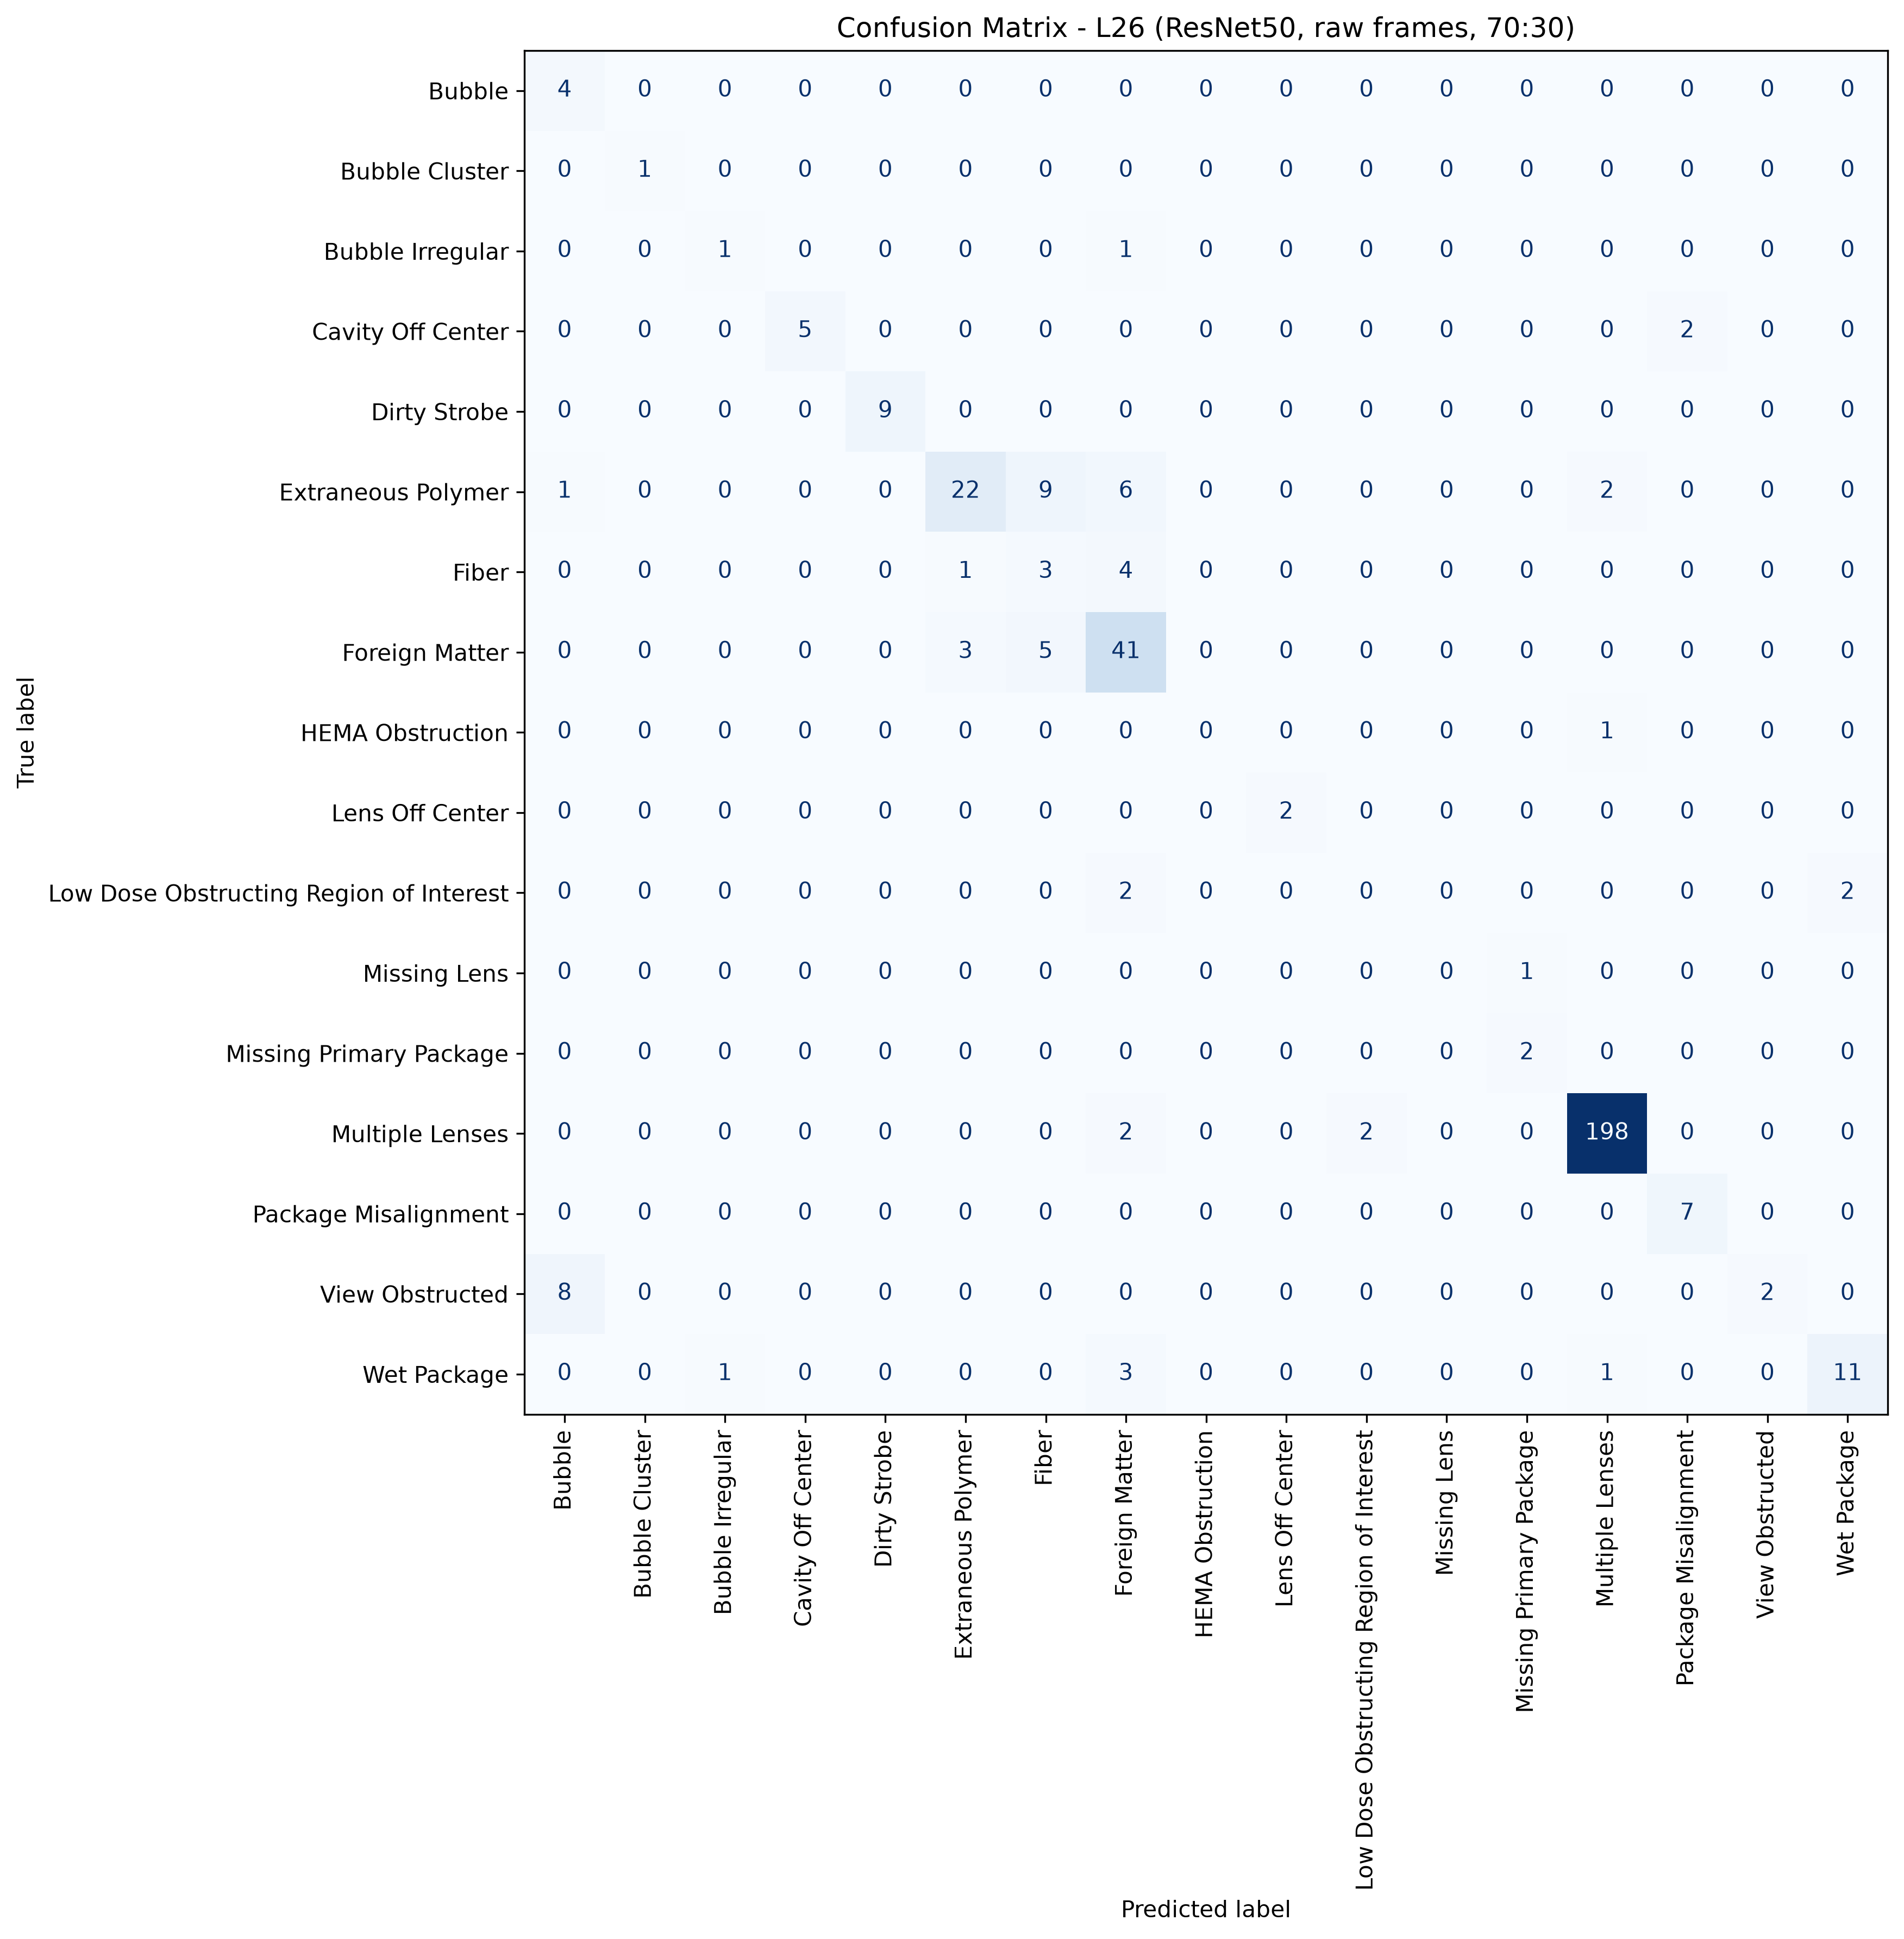
L26: ResNet50, 70:30, batch 4, 50 epochs
853 train / 365 test, 17 classes, accuracy 84.38%, macro F1 60.10%, weighted F1 84.30%, 7.6 minutes of training.
Cells with four or fewer test pictures are marked thin: their score is not evidence.

Class | Test pictures | Precision | Recall | F1 | Note
Bubble | 4 | 30.77% | 100.00% | 47.06% | thin cell
Bubble Cluster | 1 | 100.00% | 100.00% | 100.00% | thin cell
Bubble Irregular | 2 | 50.00% | 50.00% | 50.00% | thin cell
Cavity Off Center | 7 | 100.00% | 71.43% | 83.33%
Dirty Strobe | 9 | 100.00% | 100.00% | 100.00%
Extraneous Polymer | 40 | 84.62% | 55.00% | 66.67%
Fiber | 8 | 17.65% | 37.50% | 24.00%
Foreign Matter | 49 | 69.49% | 83.67% | 75.93%
HEMA Obstruction | 1 | 0.00% | 0.00% | 0.00% | thin cell
Lens Off Center | 2 | 100.00% | 100.00% | 100.00% | thin cell
Low Dose Obstructing Region of Interest | 4 | 0.00% | 0.00% | 0.00% | thin cell
Missing Lens | 1 | 0.00% | 0.00% | 0.00% | thin cell
Missing Primary Package | 2 | 66.67% | 100.00% | 80.00% | thin cell
Multiple Lenses | 202 | 98.02% | 98.02% | 98.02%
Package Misalignment | 7 | 77.78% | 100.00% | 87.50%
View Obstructed | 10 | 100.00% | 20.00% | 33.33%
Wet Package | 16 | 84.62% | 68.75% | 75.86%
Total | 365

Confusion matrix, rows are the true class, columns the prediction
true \ predicted | Bubble | Bubble Cluster | Bubble Irregular | Cavity Off Center | Dirty Strobe | Extraneous Polymer | Fiber | Foreign Matter | HEMA Obstruction | Lens Off Center | Low Dose Obstructing Region of Interest | Missing Lens | Missing Primary Package | Multiple Lenses | Package Misalignment | View Obstructed | Wet Package | support
Bubble | 4 | 0 | 0 | 0 | 0 | 0 | 0 | 0 | 0 | 0 | 0 | 0 | 0 | 0 | 0 | 0 | 0 | 4
Bubble Cluster | 0 | 1 | 0 | 0 | 0 | 0 | 0 | 0 | 0 | 0 | 0 | 0 | 0 | 0 | 0 | 0 | 0 | 1
Bubble Irregular | 0 | 0 | 1 | 0 | 0 | 0 | 0 | 1 | 0 | 0 | 0 | 0 | 0 | 0 | 0 | 0 | 0 | 2
Cavity Off Center | 0 | 0 | 0 | 5 | 0 | 0 | 0 | 0 | 0 | 0 | 0 | 0 | 0 | 0 | 2 | 0 | 0 | 7
Dirty Strobe | 0 | 0 | 0 | 0 | 9 | 0 | 0 | 0 | 0 | 0 | 0 | 0 | 0 | 0 | 0 | 0 | 0 | 9
Extraneous Polymer | 1 | 0 | 0 | 0 | 0 | 22 | 9 | 6 | 0 | 0 | 0 | 0 | 0 | 2 | 0 | 0 | 0 | 40
Fiber | 0 | 0 | 0 | 0 | 0 | 1 | 3 | 4 | 0 | 0 | 0 | 0 | 0 | 0 | 0 | 0 | 0 | 8
Foreign Matter | 0 | 0 | 0 | 0 | 0 | 3 | 5 | 41 | 0 | 0 | 0 | 0 | 0 | 0 | 0 | 0 | 0 | 49
HEMA Obstruction | 0 | 0 | 0 | 0 | 0 | 0 | 0 | 0 | 0 | 0 | 0 | 0 | 0 | 1 | 0 | 0 | 0 | 1
Lens Off Center | 0 | 0 | 0 | 0 | 0 | 0 | 0 | 0 | 0 | 2 | 0 | 0 | 0 | 0 | 0 | 0 | 0 | 2
Low Dose Obstructing Region of Interest | 0 | 0 | 0 | 0 | 0 | 0 | 0 | 2 | 0 | 0 | 0 | 0 | 0 | 0 | 0 | 0 | 2 | 4
Missing Lens | 0 | 0 | 0 | 0 | 0 | 0 | 0 | 0 | 0 | 0 | 0 | 0 | 1 | 0 | 0 | 0 | 0 | 1
Missing Primary Package | 0 | 0 | 0 | 0 | 0 | 0 | 0 | 0 | 0 | 0 | 0 | 0 | 2 | 0 | 0 | 0 | 0 | 2
Multiple Lenses | 0 | 0 | 0 | 0 | 0 | 0 | 0 | 2 | 0 | 0 | 2 | 0 | 0 | 198 | 0 | 0 | 0 | 202
Package Misalignment | 0 | 0 | 0 | 0 | 0 | 0 | 0 | 0 | 0 | 0 | 0 | 0 | 0 | 0 | 7 | 0 | 0 | 7
View Obstructed | 8 | 0 | 0 | 0 | 0 | 0 | 0 | 0 | 0 | 0 | 0 | 0 | 0 | 0 | 0 | 2 | 0 | 10
Wet Package | 0 | 0 | 1 | 0 | 0 | 0 | 0 | 3 | 0 | 0 | 0 | 0 | 0 | 1 | 0 | 0 | 11 | 16
correct on the diagonal: 308 of 365

L27
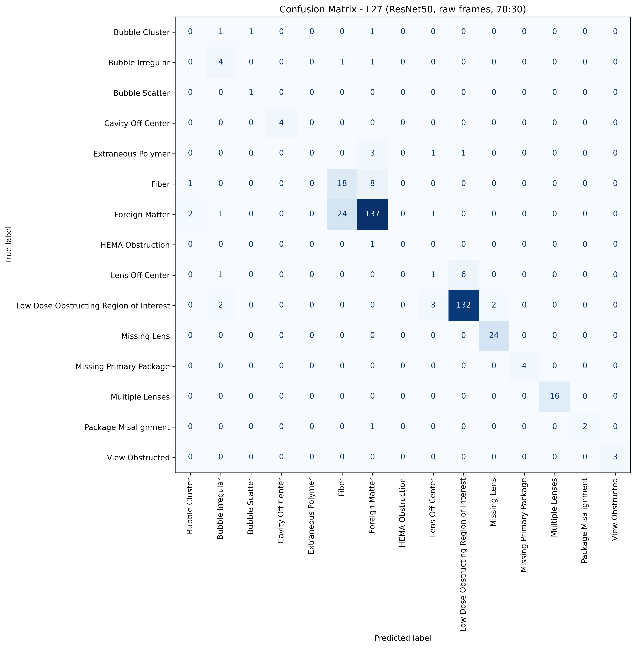
L27: ResNet50, 70:30, batch 4, 50 epochs
955 train / 409 test, 15 classes, accuracy 84.60%, macro F1 62.87%, weighted F1 84.59%, 8.3 minutes of training.
Cells with four or fewer test pictures are marked thin: their score is not evidence.

Class | Test pictures | Precision | Recall | F1 | Note
Bubble Cluster | 3 | 0.00% | 0.00% | 0.00% | thin cell
Bubble Irregular | 6 | 44.44% | 66.67% | 53.33%
Bubble Scatter | 1 | 50.00% | 100.00% | 66.67% | thin cell
Cavity Off Center | 4 | 100.00% | 100.00% | 100.00% | thin cell
Extraneous Polymer | 5 | 0.00% | 0.00% | 0.00%
Fiber | 27 | 41.86% | 66.67% | 51.43%
Foreign Matter | 165 | 90.13% | 83.03% | 86.44%
HEMA Obstruction | 1 | 0.00% | 0.00% | 0.00% | thin cell
Lens Off Center | 8 | 16.67% | 12.50% | 14.29%
Low Dose Obstructing Region of Interest | 139 | 94.96% | 94.96% | 94.96%
Missing Lens | 24 | 92.31% | 100.00% | 96.00%
Missing Primary Package | 4 | 100.00% | 100.00% | 100.00% | thin cell
Multiple Lenses | 16 | 100.00% | 100.00% | 100.00%
Package Misalignment | 3 | 100.00% | 66.67% | 80.00% | thin cell
View Obstructed | 3 | 100.00% | 100.00% | 100.00% | thin cell
Total | 409

Confusion matrix, rows are the true class, columns the prediction
true \ predicted | Bubble Cluster | Bubble Irregular | Bubble Scatter | Cavity Off Center | Extraneous Polymer | Fiber | Foreign Matter | HEMA Obstruction | Lens Off Center | Low Dose Obstructing Region of Interest | Missing Lens | Missing Primary Package | Multiple Lenses | Package Misalignment | View Obstructed | support
Bubble Cluster | 0 | 1 | 1 | 0 | 0 | 0 | 1 | 0 | 0 | 0 | 0 | 0 | 0 | 0 | 0 | 3
Bubble Irregular | 0 | 4 | 0 | 0 | 0 | 1 | 1 | 0 | 0 | 0 | 0 | 0 | 0 | 0 | 0 | 6
Bubble Scatter | 0 | 0 | 1 | 0 | 0 | 0 | 0 | 0 | 0 | 0 | 0 | 0 | 0 | 0 | 0 | 1
Cavity Off Center | 0 | 0 | 0 | 4 | 0 | 0 | 0 | 0 | 0 | 0 | 0 | 0 | 0 | 0 | 0 | 4
Extraneous Polymer | 0 | 0 | 0 | 0 | 0 | 0 | 3 | 0 | 1 | 1 | 0 | 0 | 0 | 0 | 0 | 5
Fiber | 1 | 0 | 0 | 0 | 0 | 18 | 8 | 0 | 0 | 0 | 0 | 0 | 0 | 0 | 0 | 27
Foreign Matter | 2 | 1 | 0 | 0 | 0 | 24 | 137 | 0 | 1 | 0 | 0 | 0 | 0 | 0 | 0 | 165
HEMA Obstruction | 0 | 0 | 0 | 0 | 0 | 0 | 1 | 0 | 0 | 0 | 0 | 0 | 0 | 0 | 0 | 1
Lens Off Center | 0 | 1 | 0 | 0 | 0 | 0 | 0 | 0 | 1 | 6 | 0 | 0 | 0 | 0 | 0 | 8
Low Dose Obstructing Region of Interest | 0 | 2 | 0 | 0 | 0 | 0 | 0 | 0 | 3 | 132 | 2 | 0 | 0 | 0 | 0 | 139
Missing Lens | 0 | 0 | 0 | 0 | 0 | 0 | 0 | 0 | 0 | 0 | 24 | 0 | 0 | 0 | 0 | 24
Missing Primary Package | 0 | 0 | 0 | 0 | 0 | 0 | 0 | 0 | 0 | 0 | 0 | 4 | 0 | 0 | 0 | 4
Multiple Lenses | 0 | 0 | 0 | 0 | 0 | 0 | 0 | 0 | 0 | 0 | 0 | 0 | 16 | 0 | 0 | 16
Package Misalignment | 0 | 0 | 0 | 0 | 0 | 0 | 1 | 0 | 0 | 0 | 0 | 0 | 0 | 2 | 0 | 3
View Obstructed | 0 | 0 | 0 | 0 | 0 | 0 | 0 | 0 | 0 | 0 | 0 | 0 | 0 | 0 | 3 | 3
correct on the diagonal: 346 of 409

L31
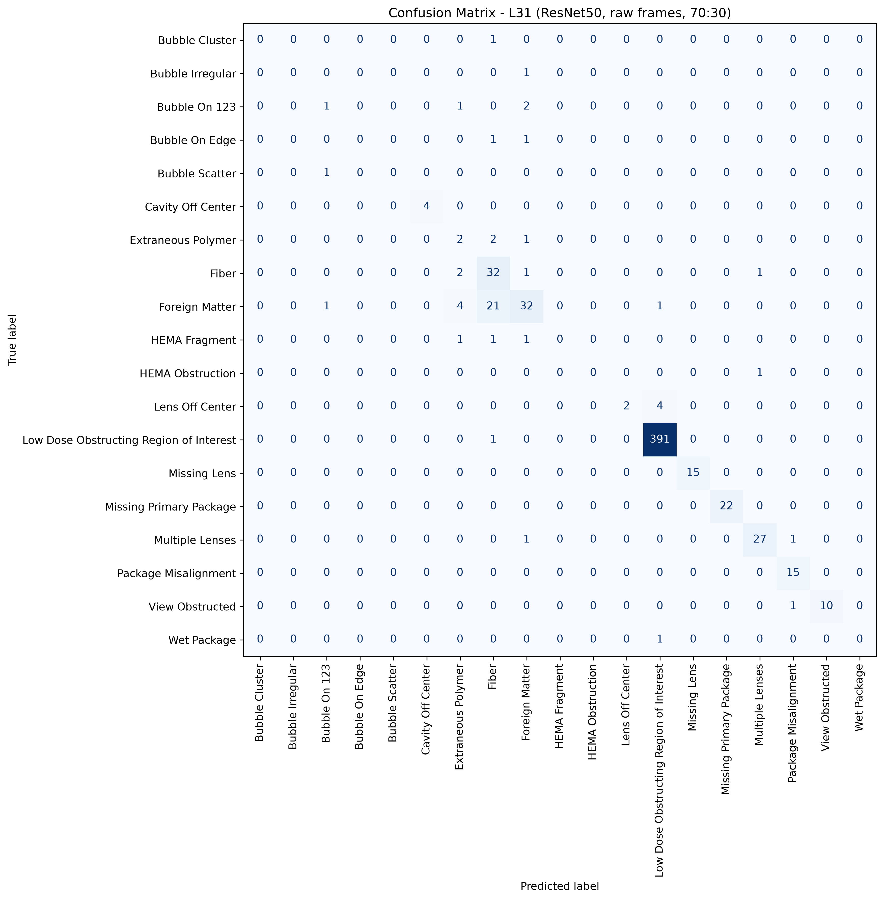
L31: ResNet50, 70:30, batch 4, 50 epochs
1411 train / 608 test, 19 classes, accuracy 90.95%, macro F1 48.34%, weighted F1 90.28%, 12.2 minutes of training.
Cells with four or fewer test pictures are marked thin: their score is not evidence.

Class | Test pictures | Precision | Recall | F1 | Note
Bubble Cluster | 1 | 0.00% | 0.00% | 0.00% | thin cell
Bubble Irregular | 1 | 0.00% | 0.00% | 0.00% | thin cell
Bubble On 123 | 4 | 33.33% | 25.00% | 28.57% | thin cell
Bubble On Edge | 2 | 0.00% | 0.00% | 0.00% | thin cell
Bubble Scatter | 1 | 0.00% | 0.00% | 0.00% | thin cell
Cavity Off Center | 4 | 100.00% | 100.00% | 100.00% | thin cell
Extraneous Polymer | 5 | 20.00% | 40.00% | 26.67%
Fiber | 36 | 54.24% | 88.89% | 67.37%
Foreign Matter | 59 | 80.00% | 54.24% | 64.65%
HEMA Fragment | 3 | 0.00% | 0.00% | 0.00% | thin cell
HEMA Obstruction | 1 | 0.00% | 0.00% | 0.00% | thin cell
Lens Off Center | 6 | 100.00% | 33.33% | 50.00%
Low Dose Obstructing Region of Interest | 392 | 98.49% | 99.74% | 99.11%
Missing Lens | 15 | 100.00% | 100.00% | 100.00%
Missing Primary Package | 22 | 100.00% | 100.00% | 100.00%
Multiple Lenses | 29 | 93.10% | 93.10% | 93.10%
Package Misalignment | 15 | 88.24% | 100.00% | 93.75%
View Obstructed | 11 | 100.00% | 90.91% | 95.24%
Wet Package | 1 | 0.00% | 0.00% | 0.00% | thin cell
Total | 608

Confusion matrix, rows are the true class, columns the prediction
true \ predicted | Bubble Cluster | Bubble Irregular | Bubble On 123 | Bubble On Edge | Bubble Scatter | Cavity Off Center | Extraneous Polymer | Fiber | Foreign Matter | HEMA Fragment | HEMA Obstruction | Lens Off Center | Low Dose Obstructing Region of Interest | Missing Lens | Missing Primary Package | Multiple Lenses | Package Misalignment | View Obstructed | Wet Package | support
Bubble Cluster | 0 | 0 | 0 | 0 | 0 | 0 | 0 | 1 | 0 | 0 | 0 | 0 | 0 | 0 | 0 | 0 | 0 | 0 | 0 | 1
Bubble Irregular | 0 | 0 | 0 | 0 | 0 | 0 | 0 | 0 | 1 | 0 | 0 | 0 | 0 | 0 | 0 | 0 | 0 | 0 | 0 | 1
Bubble On 123 | 0 | 0 | 1 | 0 | 0 | 0 | 1 | 0 | 2 | 0 | 0 | 0 | 0 | 0 | 0 | 0 | 0 | 0 | 0 | 4
Bubble On Edge | 0 | 0 | 0 | 0 | 0 | 0 | 0 | 1 | 1 | 0 | 0 | 0 | 0 | 0 | 0 | 0 | 0 | 0 | 0 | 2
Bubble Scatter | 0 | 0 | 1 | 0 | 0 | 0 | 0 | 0 | 0 | 0 | 0 | 0 | 0 | 0 | 0 | 0 | 0 | 0 | 0 | 1
Cavity Off Center | 0 | 0 | 0 | 0 | 0 | 4 | 0 | 0 | 0 | 0 | 0 | 0 | 0 | 0 | 0 | 0 | 0 | 0 | 0 | 4
Extraneous Polymer | 0 | 0 | 0 | 0 | 0 | 0 | 2 | 2 | 1 | 0 | 0 | 0 | 0 | 0 | 0 | 0 | 0 | 0 | 0 | 5
Fiber | 0 | 0 | 0 | 0 | 0 | 0 | 2 | 32 | 1 | 0 | 0 | 0 | 0 | 0 | 0 | 1 | 0 | 0 | 0 | 36
Foreign Matter | 0 | 0 | 1 | 0 | 0 | 0 | 4 | 21 | 32 | 0 | 0 | 0 | 1 | 0 | 0 | 0 | 0 | 0 | 0 | 59
HEMA Fragment | 0 | 0 | 0 | 0 | 0 | 0 | 1 | 1 | 1 | 0 | 0 | 0 | 0 | 0 | 0 | 0 | 0 | 0 | 0 | 3
HEMA Obstruction | 0 | 0 | 0 | 0 | 0 | 0 | 0 | 0 | 0 | 0 | 0 | 0 | 0 | 0 | 0 | 1 | 0 | 0 | 0 | 1
Lens Off Center | 0 | 0 | 0 | 0 | 0 | 0 | 0 | 0 | 0 | 0 | 0 | 2 | 4 | 0 | 0 | 0 | 0 | 0 | 0 | 6
Low Dose Obstructing Region of Interest | 0 | 0 | 0 | 0 | 0 | 0 | 0 | 1 | 0 | 0 | 0 | 0 | 391 | 0 | 0 | 0 | 0 | 0 | 0 | 392
Missing Lens | 0 | 0 | 0 | 0 | 0 | 0 | 0 | 0 | 0 | 0 | 0 | 0 | 0 | 15 | 0 | 0 | 0 | 0 | 0 | 15
Missing Primary Package | 0 | 0 | 0 | 0 | 0 | 0 | 0 | 0 | 0 | 0 | 0 | 0 | 0 | 0 | 22 | 0 | 0 | 0 | 0 | 22
Multiple Lenses | 0 | 0 | 0 | 0 | 0 | 0 | 0 | 0 | 1 | 0 | 0 | 0 | 0 | 0 | 0 | 27 | 1 | 0 | 0 | 29
Package Misalignment | 0 | 0 | 0 | 0 | 0 | 0 | 0 | 0 | 0 | 0 | 0 | 0 | 0 | 0 | 0 | 0 | 15 | 0 | 0 | 15
View Obstructed | 0 | 0 | 0 | 0 | 0 | 0 | 0 | 0 | 0 | 0 | 0 | 0 | 0 | 0 | 0 | 0 | 1 | 10 | 0 | 11
Wet Package | 0 | 0 | 0 | 0 | 0 | 0 | 0 | 0 | 0 | 0 | 0 | 0 | 1 | 0 | 0 | 0 | 0 | 0 | 0 | 1
correct on the diagonal: 553 of 608

