L24
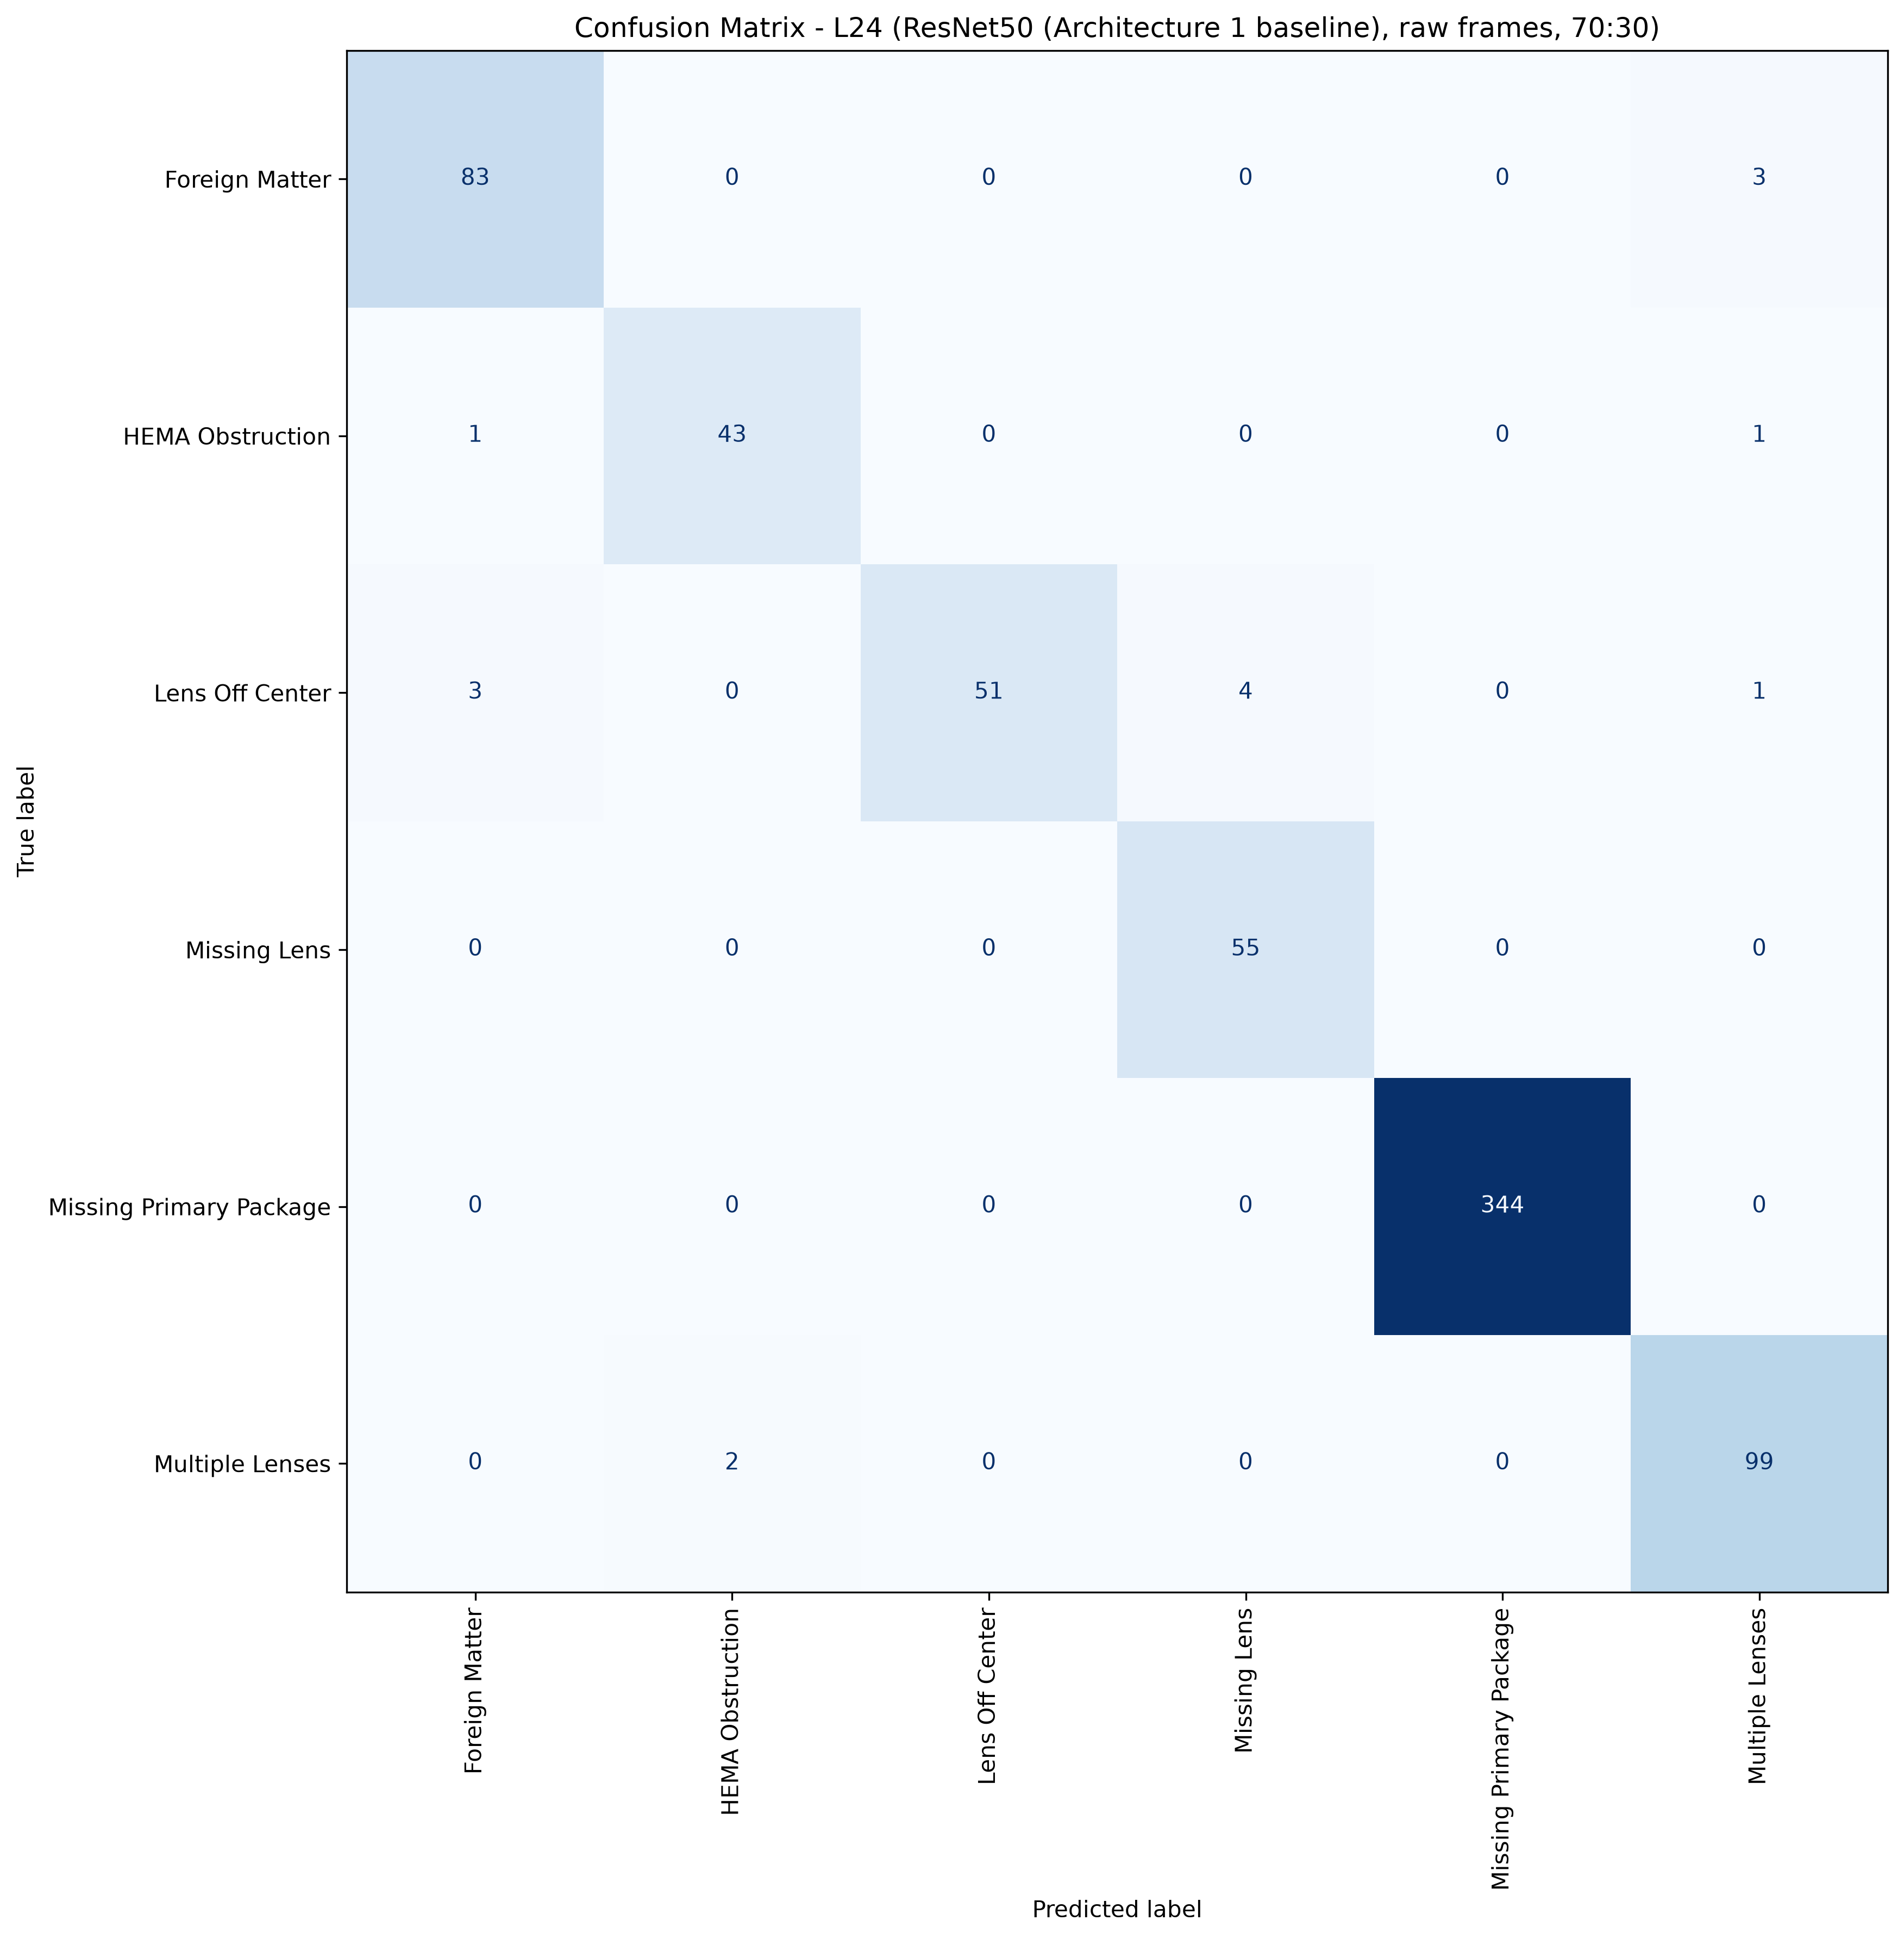
L24: ResNet50, 70:30, batch 4, 50 epochs
1608 train / 690 test, 6 classes, accuracy 97.83%, macro F1 96.22%, weighted F1 97.80%, 13.8 minutes of training.
Cells with four or fewer test pictures are marked thin: their score is not evidence.

Class | Test pictures | Precision | Recall | F1 | Note
Foreign Matter | 86 | 95.40% | 96.51% | 95.95%
HEMA Obstruction | 45 | 95.56% | 95.56% | 95.56%
Lens Off Center | 59 | 100.00% | 86.44% | 92.73%
Missing Lens | 55 | 93.22% | 100.00% | 96.49%
Missing Primary Package | 344 | 100.00% | 100.00% | 100.00%
Multiple Lenses | 101 | 95.19% | 98.02% | 96.59%
Total | 690

Confusion matrix, rows are the true class, columns the prediction
true \ predicted | Foreign Matter | HEMA Obstruction | Lens Off Center | Missing Lens | Missing Primary Package | Multiple Lenses | support
Foreign Matter | 83 | 0 | 0 | 0 | 0 | 3 | 86
HEMA Obstruction | 1 | 43 | 0 | 0 | 0 | 1 | 45
Lens Off Center | 3 | 0 | 51 | 4 | 0 | 1 | 59
Missing Lens | 0 | 0 | 0 | 55 | 0 | 0 | 55
Missing Primary Package | 0 | 0 | 0 | 0 | 344 | 0 | 344
Multiple Lenses | 0 | 2 | 0 | 0 | 0 | 99 | 101
correct on the diagonal: 675 of 690

L25
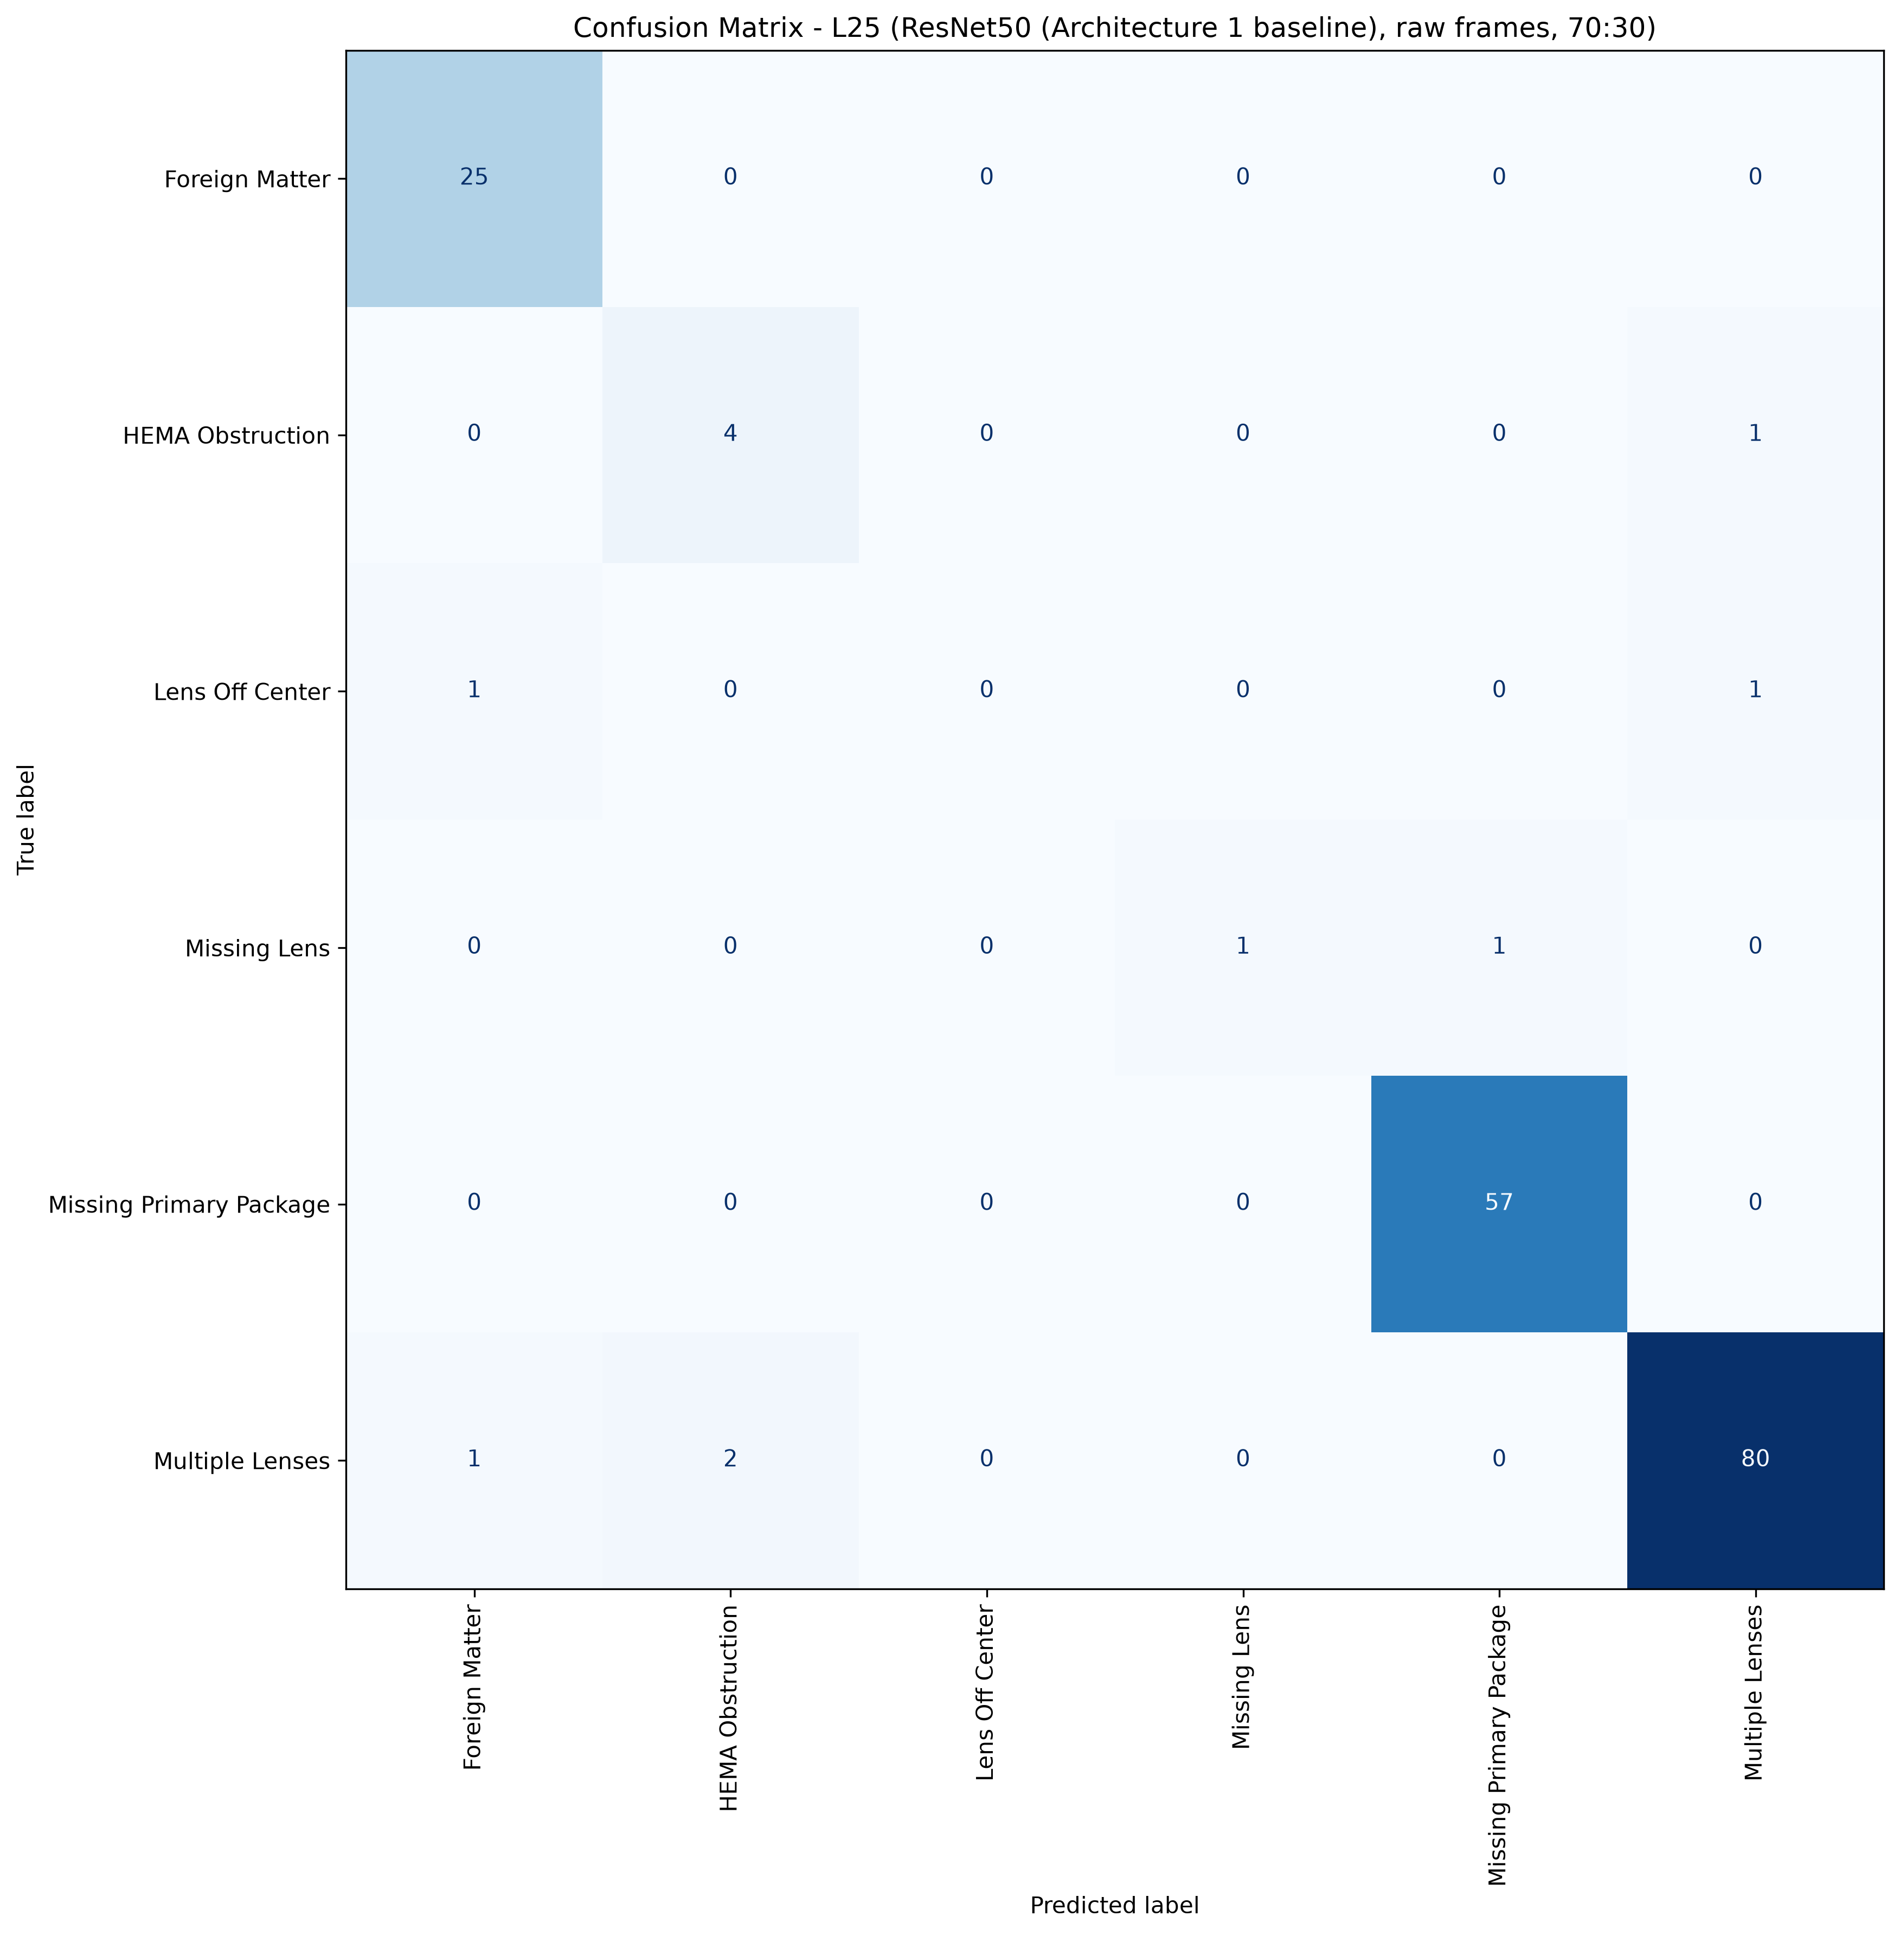
L25: ResNet50, 70:30, batch 4, 50 epochs
404 train / 174 test, 6 classes, accuracy 95.98%, macro F1 71.94%, weighted F1 95.40%, 3.7 minutes of training.
Cells with four or fewer test pictures are marked thin: their score is not evidence.

Class | Test pictures | Precision | Recall | F1 | Note
Foreign Matter | 25 | 92.59% | 100.00% | 96.15%
HEMA Obstruction | 5 | 66.67% | 80.00% | 72.73%
Lens Off Center | 2 | 0.00% | 0.00% | 0.00% | thin cell
Missing Lens | 2 | 100.00% | 50.00% | 66.67% | thin cell
Missing Primary Package | 57 | 98.28% | 100.00% | 99.13%
Multiple Lenses | 83 | 97.56% | 96.39% | 96.97%
Total | 174

Confusion matrix, rows are the true class, columns the prediction
true \ predicted | Foreign Matter | HEMA Obstruction | Lens Off Center | Missing Lens | Missing Primary Package | Multiple Lenses | support
Foreign Matter | 25 | 0 | 0 | 0 | 0 | 0 | 25
HEMA Obstruction | 0 | 4 | 0 | 0 | 0 | 1 | 5
Lens Off Center | 1 | 0 | 0 | 0 | 0 | 1 | 2
Missing Lens | 0 | 0 | 0 | 1 | 1 | 0 | 2
Missing Primary Package | 0 | 0 | 0 | 0 | 57 | 0 | 57
Multiple Lenses | 1 | 2 | 0 | 0 | 0 | 80 | 83
correct on the diagonal: 167 of 174

L26
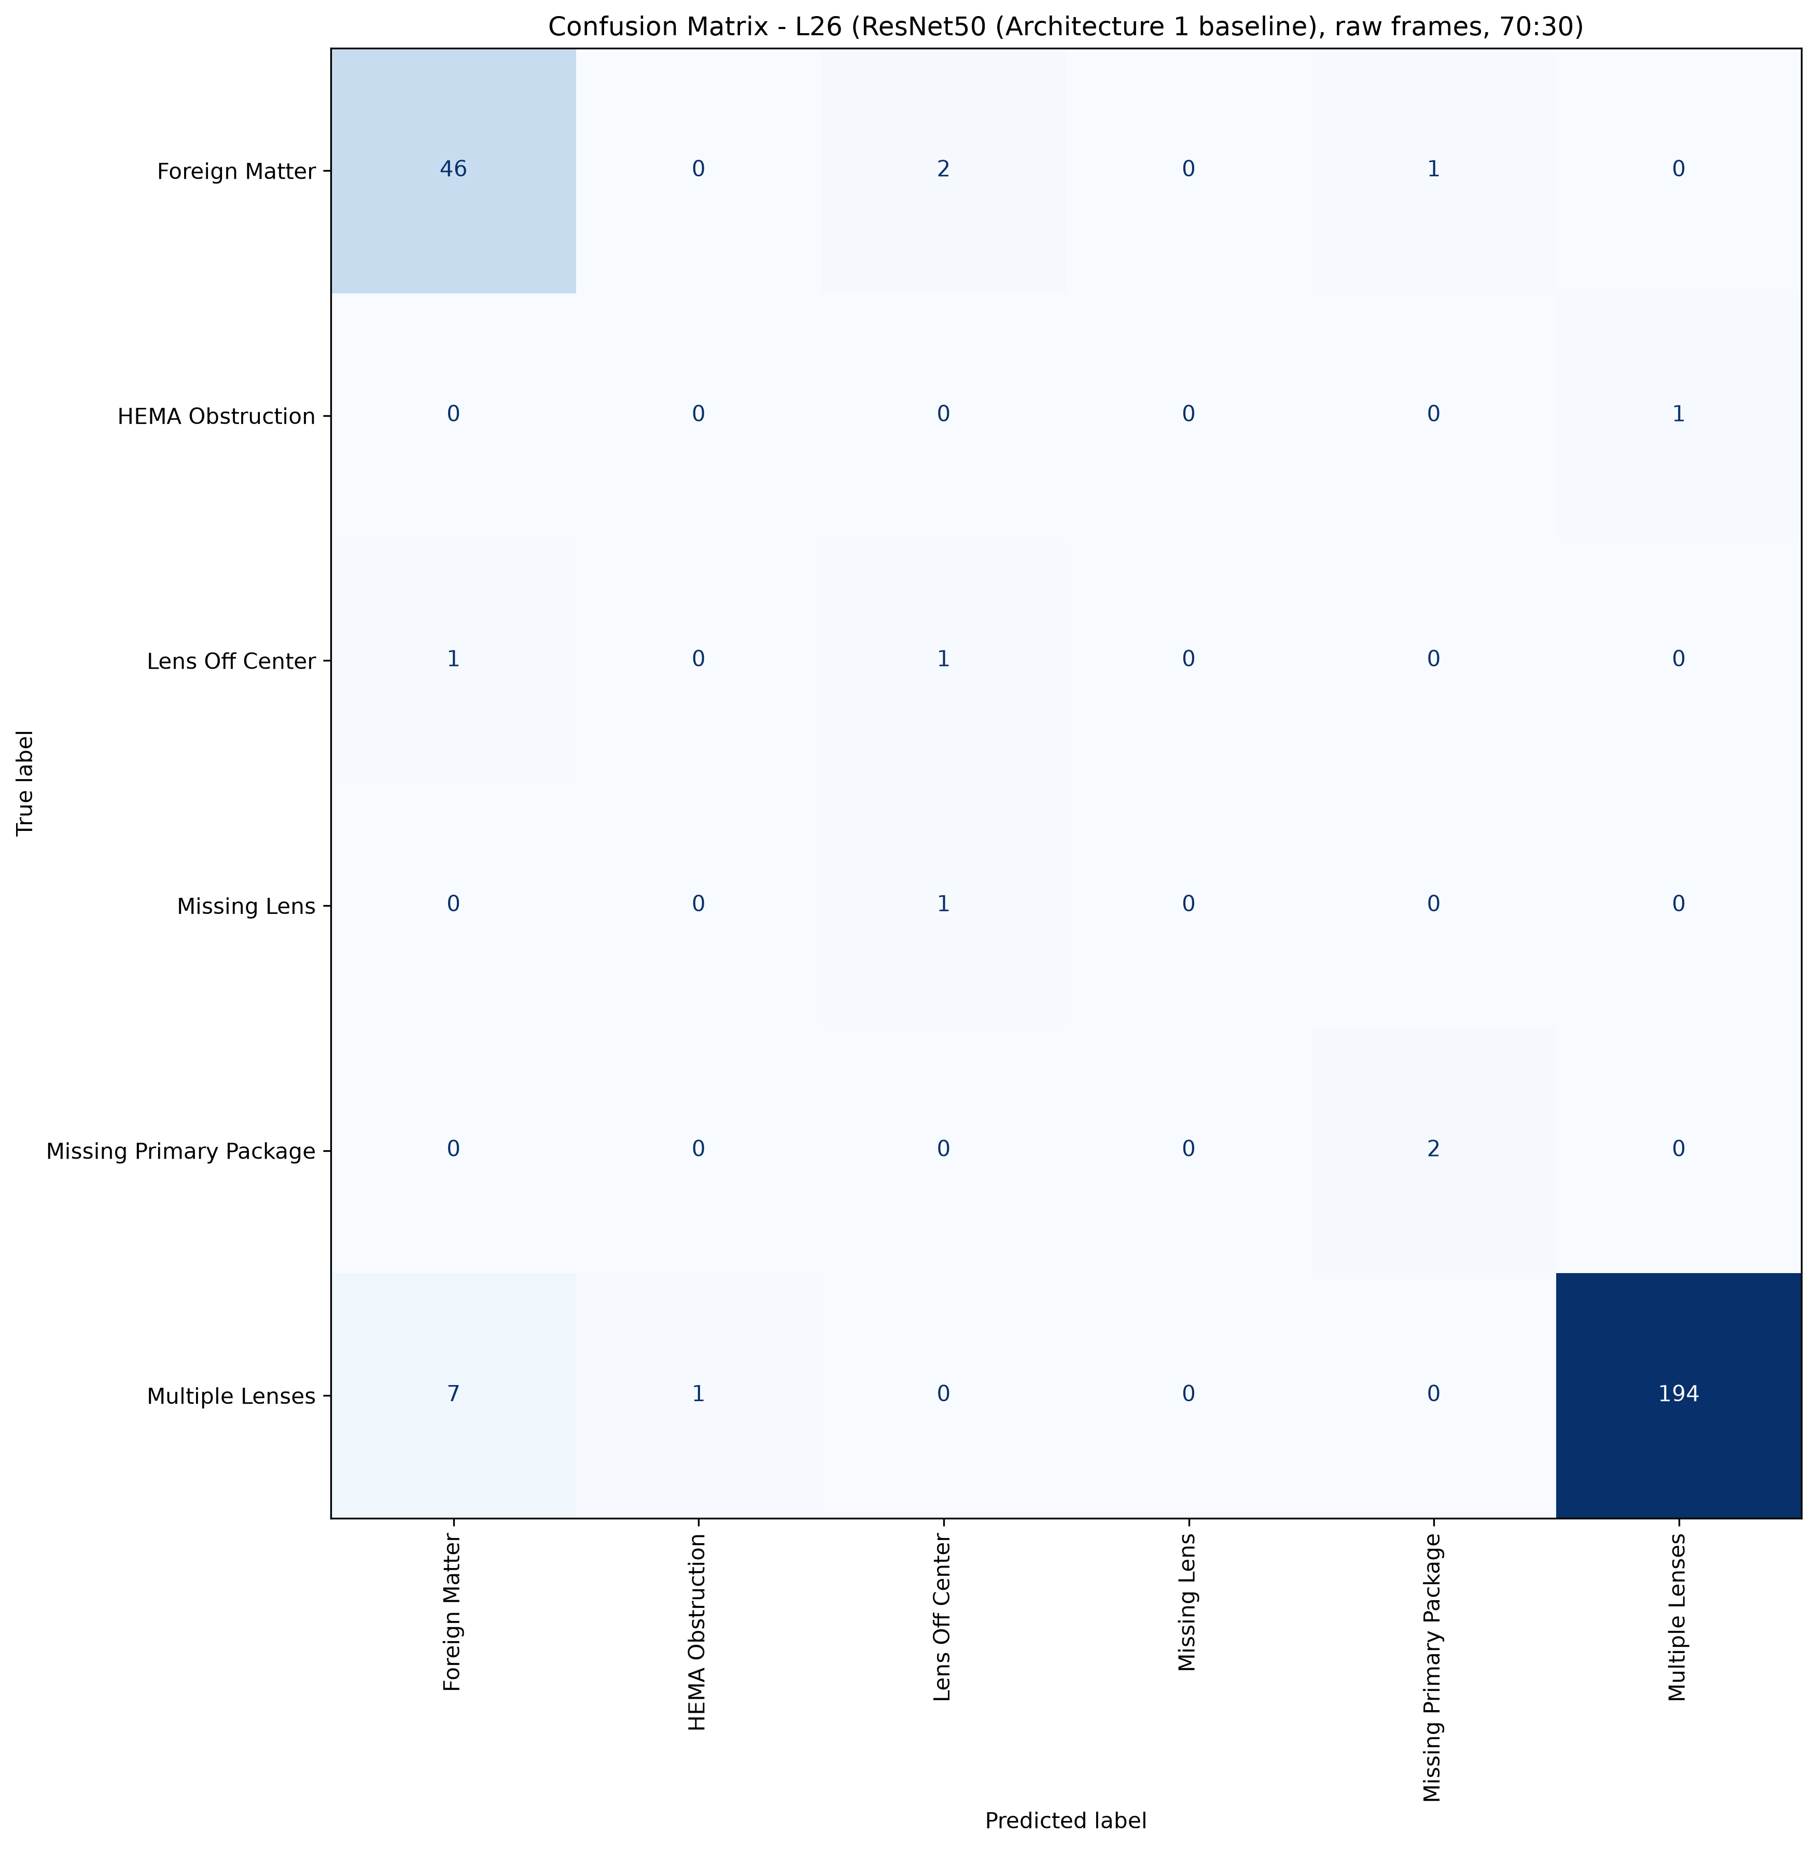
L26: ResNet50, 70:30, batch 4, 50 epochs
599 train / 257 test, 6 classes, accuracy 94.55%, macro F1 50.06%, weighted F1 94.73%, 5.4 minutes of training.
Cells with four or fewer test pictures are marked thin: their score is not evidence.

Class | Test pictures | Precision | Recall | F1 | Note
Foreign Matter | 49 | 85.19% | 93.88% | 89.32%
HEMA Obstruction | 1 | 0.00% | 0.00% | 0.00% | thin cell
Lens Off Center | 2 | 25.00% | 50.00% | 33.33% | thin cell
Missing Lens | 1 | 0.00% | 0.00% | 0.00% | thin cell
Missing Primary Package | 2 | 66.67% | 100.00% | 80.00% | thin cell
Multiple Lenses | 202 | 99.49% | 96.04% | 97.73%
Total | 257

Confusion matrix, rows are the true class, columns the prediction
true \ predicted | Foreign Matter | HEMA Obstruction | Lens Off Center | Missing Lens | Missing Primary Package | Multiple Lenses | support
Foreign Matter | 46 | 0 | 2 | 0 | 1 | 0 | 49
HEMA Obstruction | 0 | 0 | 0 | 0 | 0 | 1 | 1
Lens Off Center | 1 | 0 | 1 | 0 | 0 | 0 | 2
Missing Lens | 0 | 0 | 1 | 0 | 0 | 0 | 1
Missing Primary Package | 0 | 0 | 0 | 0 | 2 | 0 | 2
Multiple Lenses | 7 | 1 | 0 | 0 | 0 | 194 | 202
correct on the diagonal: 243 of 257

L27
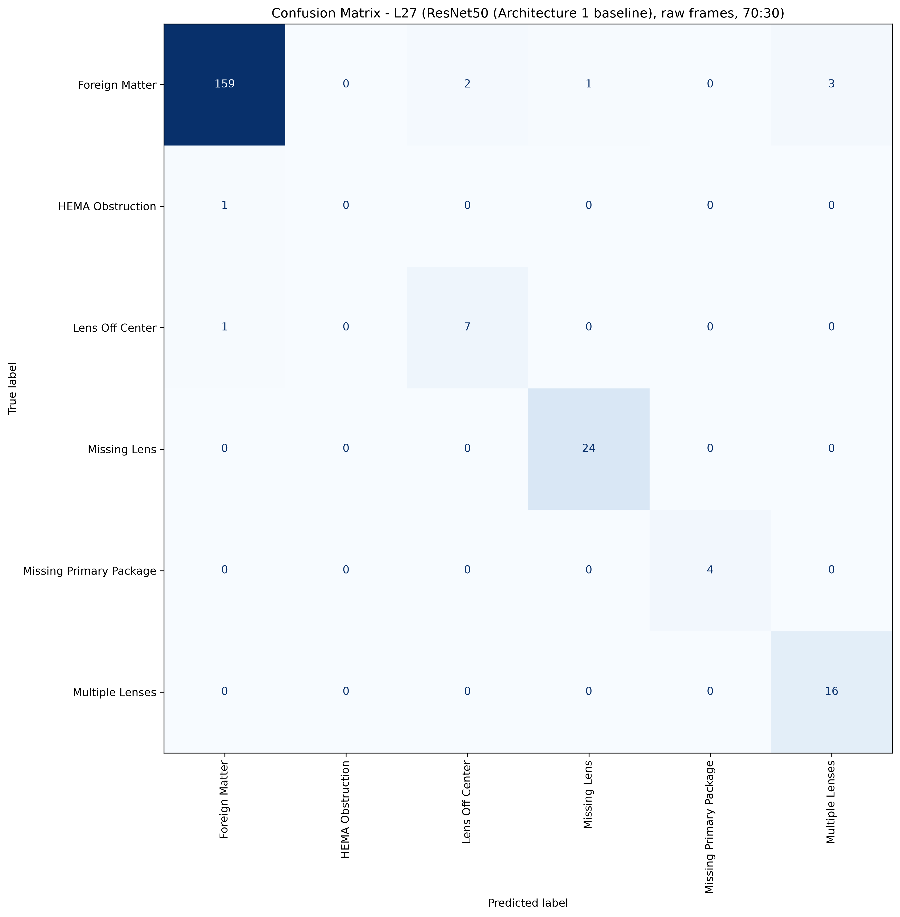
L27: ResNet50, 70:30, batch 4, 50 epochs
507 train / 218 test, 6 classes, accuracy 96.33%, macro F1 78.21%, weighted F1 96.18%, 4.7 minutes of training.
Cells with four or fewer test pictures are marked thin: their score is not evidence.

Class | Test pictures | Precision | Recall | F1 | Note
Foreign Matter | 165 | 98.76% | 96.36% | 97.55%
HEMA Obstruction | 1 | 0.00% | 0.00% | 0.00% | thin cell
Lens Off Center | 8 | 77.78% | 87.50% | 82.35%
Missing Lens | 24 | 96.00% | 100.00% | 97.96%
Missing Primary Package | 4 | 100.00% | 100.00% | 100.00% | thin cell
Multiple Lenses | 16 | 84.21% | 100.00% | 91.43%
Total | 218

Confusion matrix, rows are the true class, columns the prediction
true \ predicted | Foreign Matter | HEMA Obstruction | Lens Off Center | Missing Lens | Missing Primary Package | Multiple Lenses | support
Foreign Matter | 159 | 0 | 2 | 1 | 0 | 3 | 165
HEMA Obstruction | 1 | 0 | 0 | 0 | 0 | 0 | 1
Lens Off Center | 1 | 0 | 7 | 0 | 0 | 0 | 8
Missing Lens | 0 | 0 | 0 | 24 | 0 | 0 | 24
Missing Primary Package | 0 | 0 | 0 | 0 | 4 | 0 | 4
Multiple Lenses | 0 | 0 | 0 | 0 | 0 | 16 | 16
correct on the diagonal: 210 of 218

L31
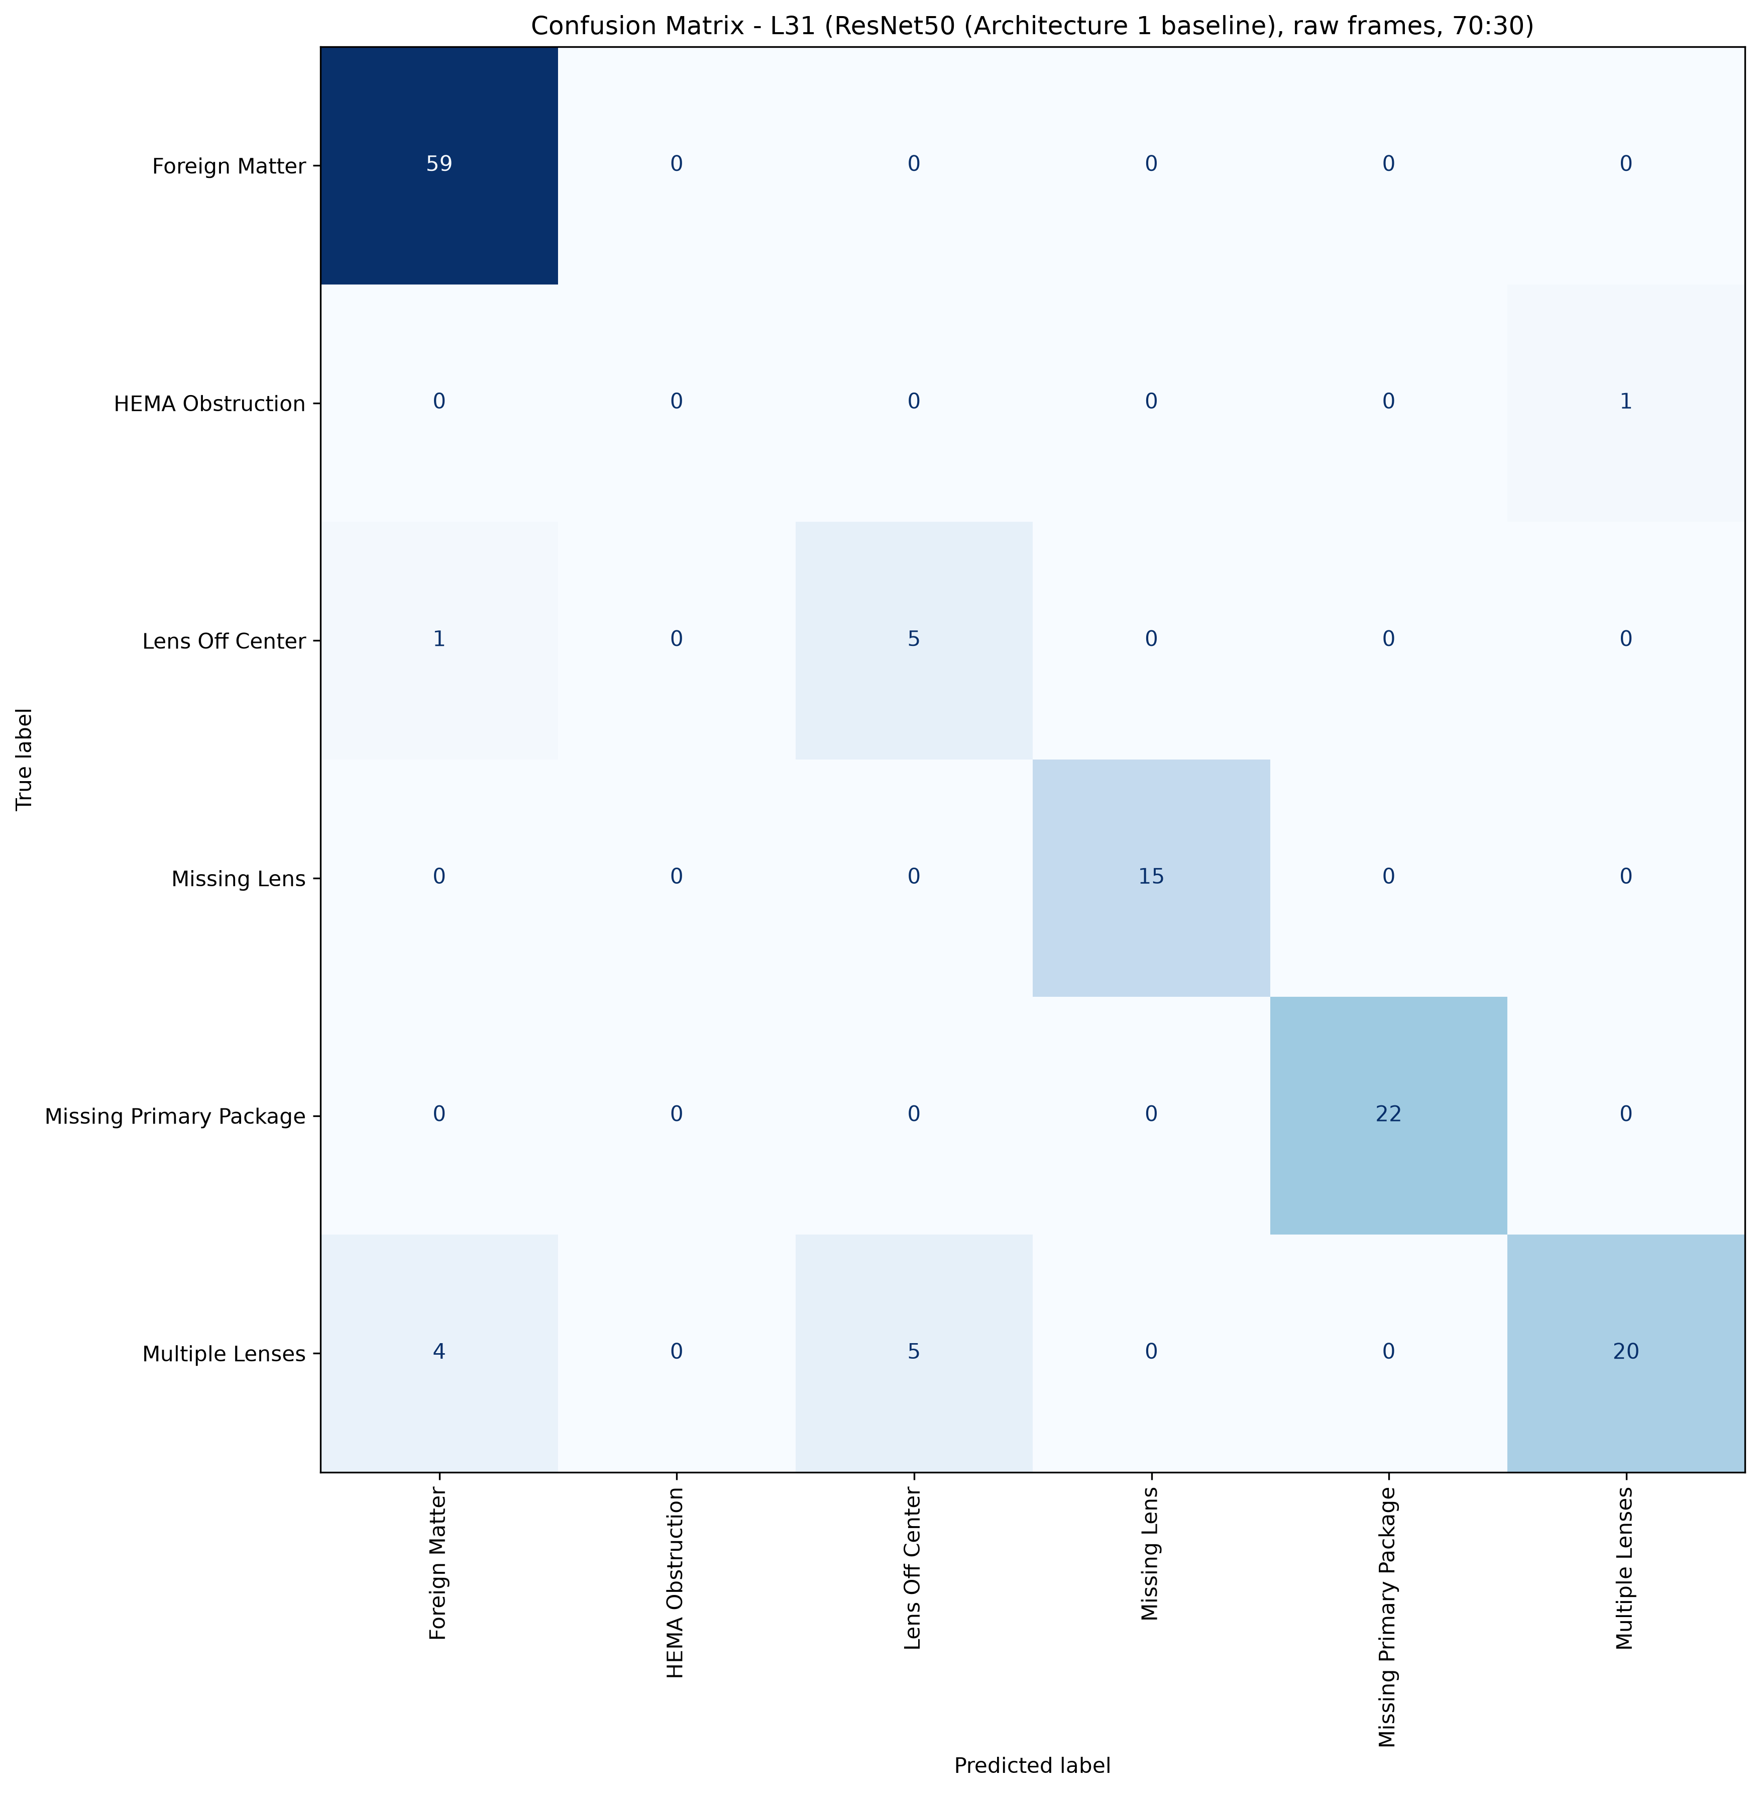
L31: ResNet50, 70:30, batch 4, 50 epochs
306 train / 132 test, 6 classes, accuracy 91.67%, macro F1 73.07%, weighted F1 91.33%, 2.9 minutes of training.
Cells with four or fewer test pictures are marked thin: their score is not evidence.

Class | Test pictures | Precision | Recall | F1 | Note
Foreign Matter | 59 | 92.19% | 100.00% | 95.93%
HEMA Obstruction | 1 | 0.00% | 0.00% | 0.00% | thin cell
Lens Off Center | 6 | 50.00% | 83.33% | 62.50%
Missing Lens | 15 | 100.00% | 100.00% | 100.00%
Missing Primary Package | 22 | 100.00% | 100.00% | 100.00%
Multiple Lenses | 29 | 95.24% | 68.97% | 80.00%
Total | 132

Confusion matrix, rows are the true class, columns the prediction
true \ predicted | Foreign Matter | HEMA Obstruction | Lens Off Center | Missing Lens | Missing Primary Package | Multiple Lenses | support
Foreign Matter | 59 | 0 | 0 | 0 | 0 | 0 | 59
HEMA Obstruction | 0 | 0 | 0 | 0 | 0 | 1 | 1
Lens Off Center | 1 | 0 | 5 | 0 | 0 | 0 | 6
Missing Lens | 0 | 0 | 0 | 15 | 0 | 0 | 15
Missing Primary Package | 0 | 0 | 0 | 0 | 22 | 0 | 22
Multiple Lenses | 4 | 0 | 5 | 0 | 0 | 20 | 29
correct on the diagonal: 121 of 132

