Confusion exp_a
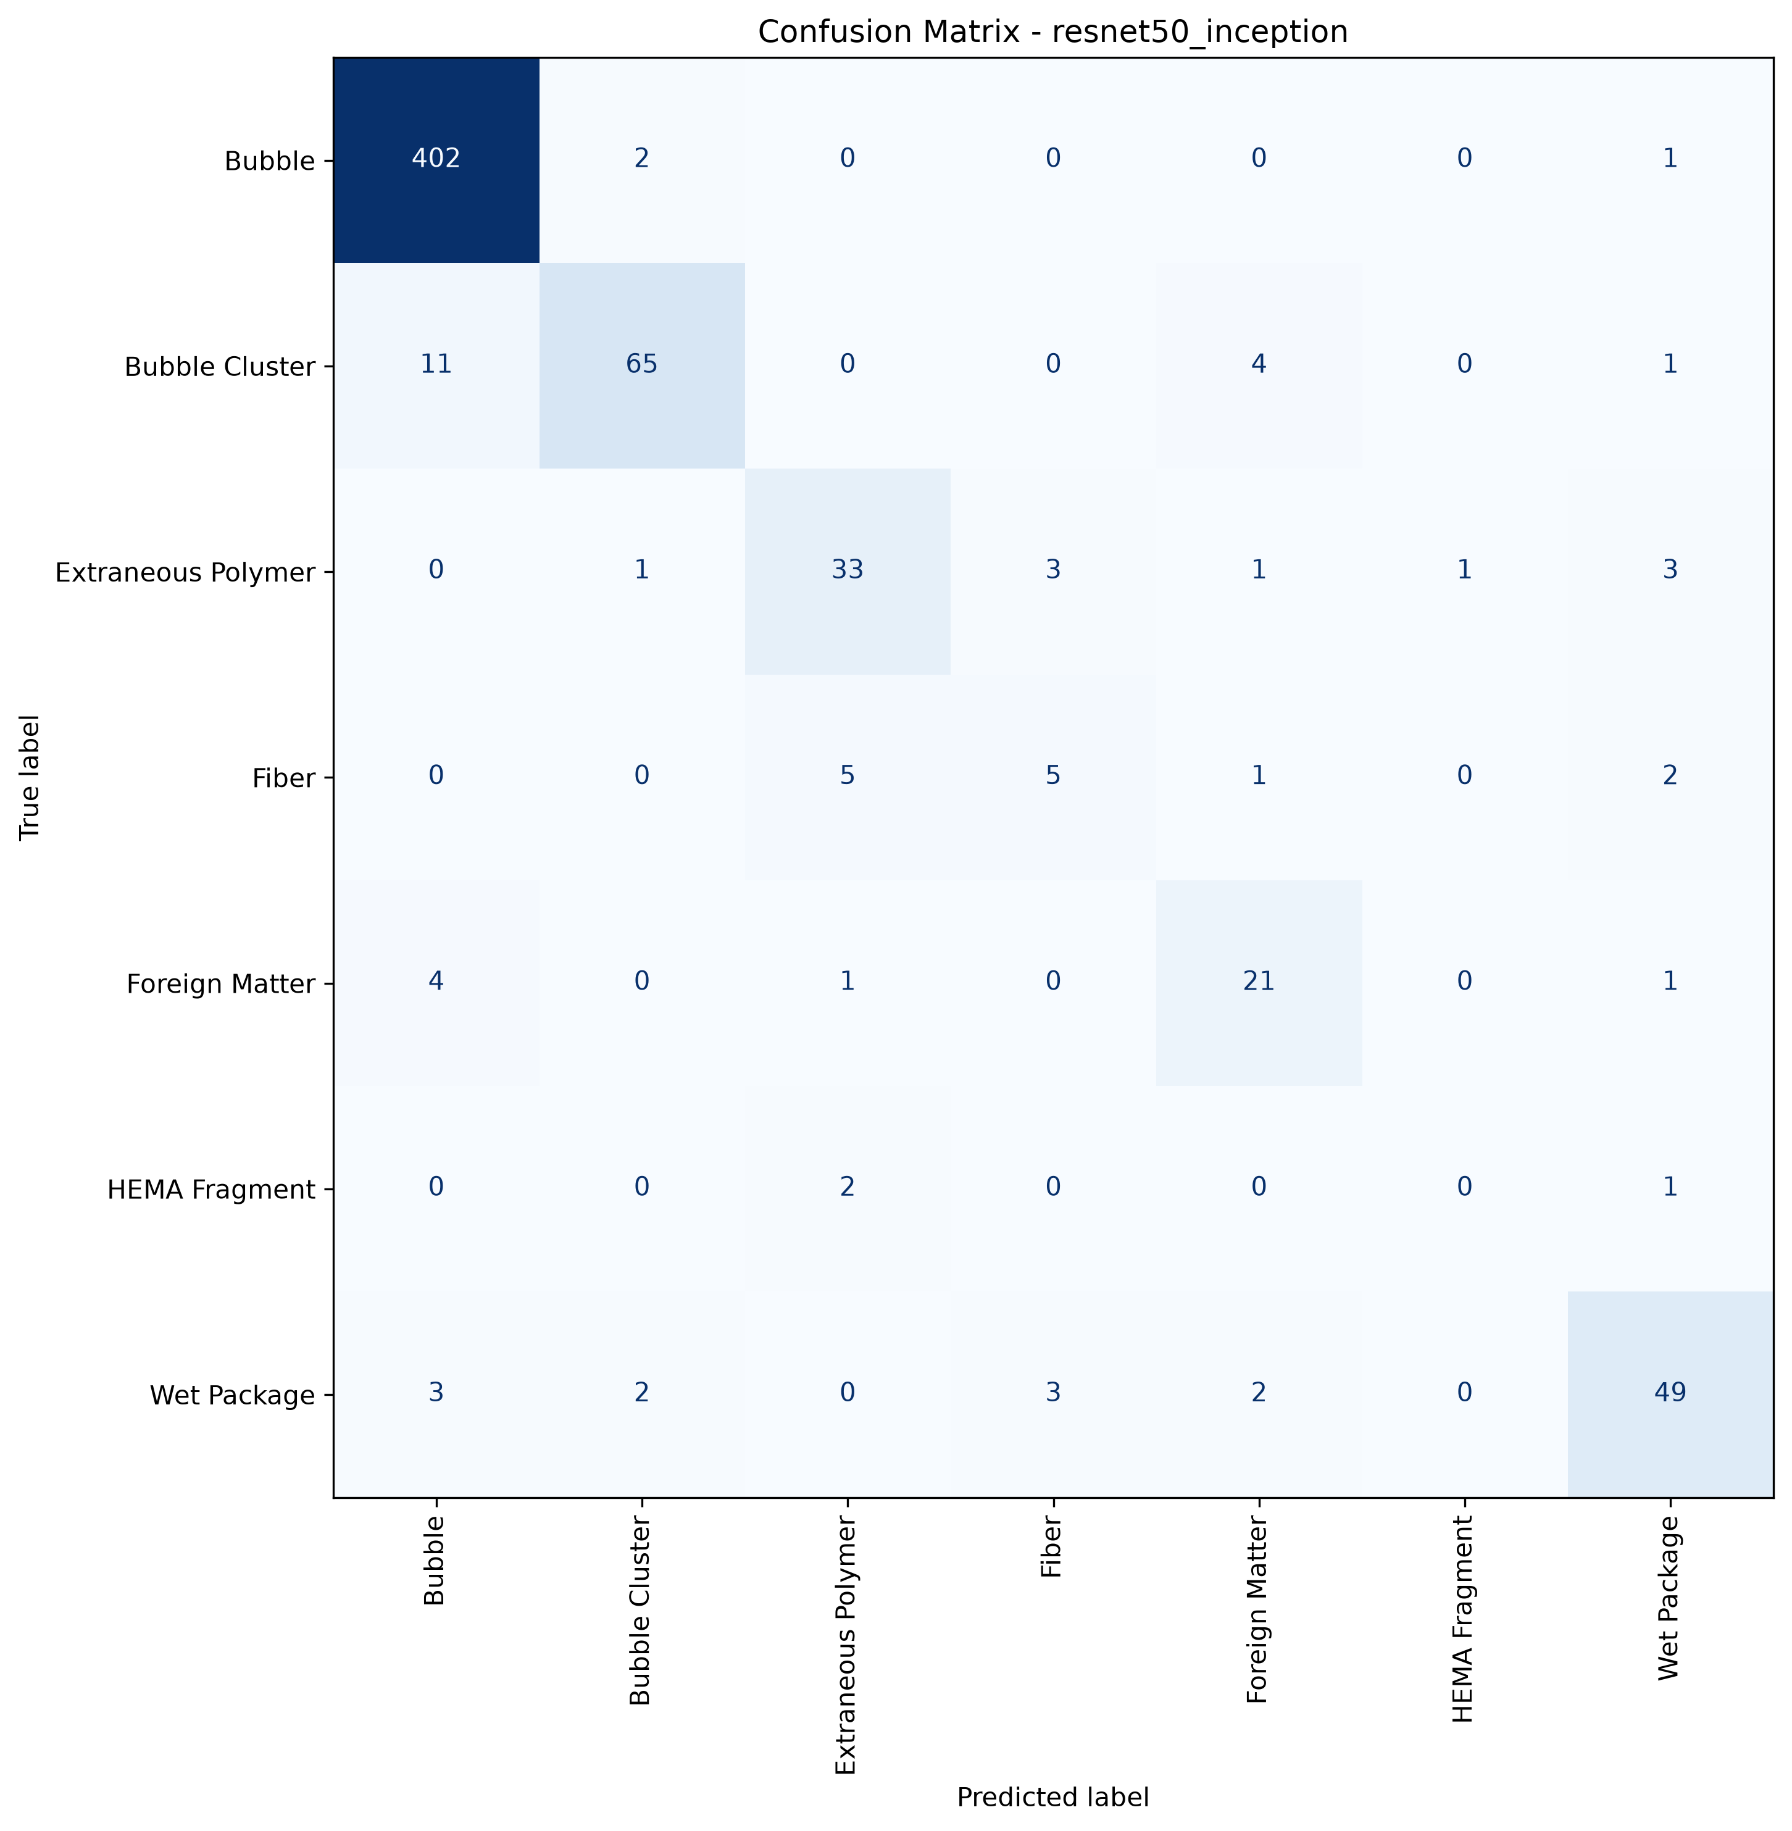
Confusion matrix: exp_a
exp_a, 7 classes, cluster separate. Rows are the true class, columns what the model predicted. 630 test crops.

Confusion exp_b
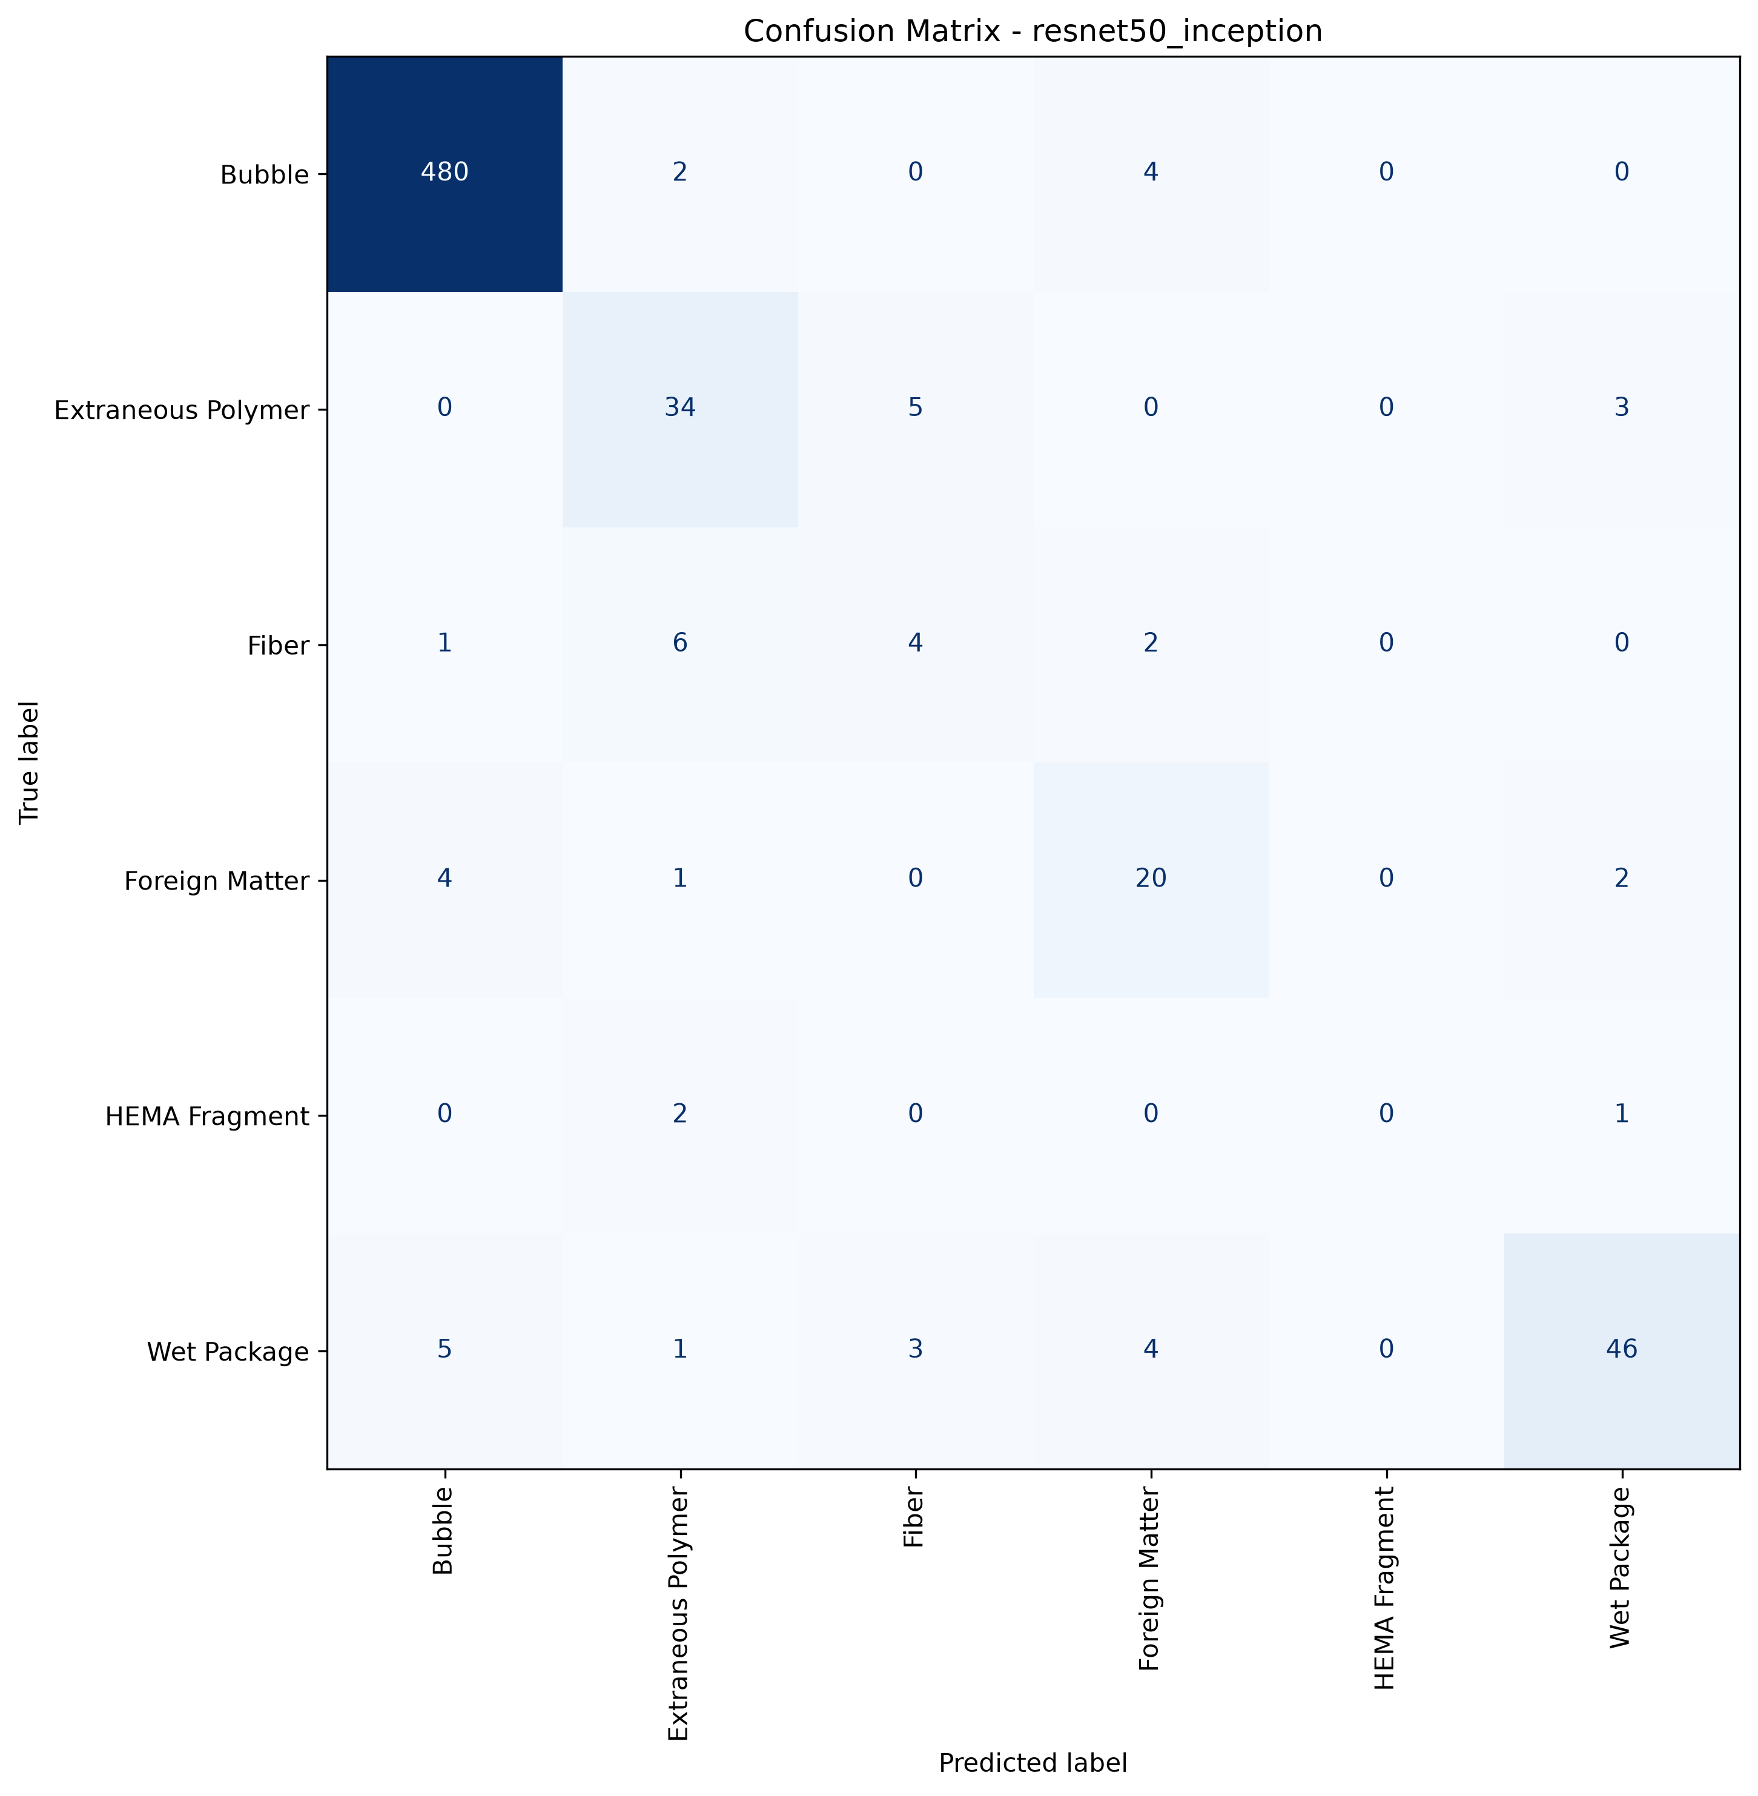
Confusion matrix: exp_b
exp_b, 6 classes, cluster merged. Rows are the true class, columns what the model predicted. The same 630 test crops.

