Heuristics
Heuristic : Happiness index | Additional questions related to heuristic | Rate the dashboard on a Likert scale ranging from strong violation <> weak violation <> weak application <> strong application, and qualify with additional details. If the heuristic applies, then describe how. If the heuristic is violated, then describe suggestions, alternatives, fixes to the dashboard to satisfy the heuristic. Add relevant screenshots and visuals. | Screenshot
The dashboard supports specific analytical questions or tasks. | If so, what task does the dashboard support? | Strong Application. The dashboard supports the ana;ysis of the Happiness all over the World. | 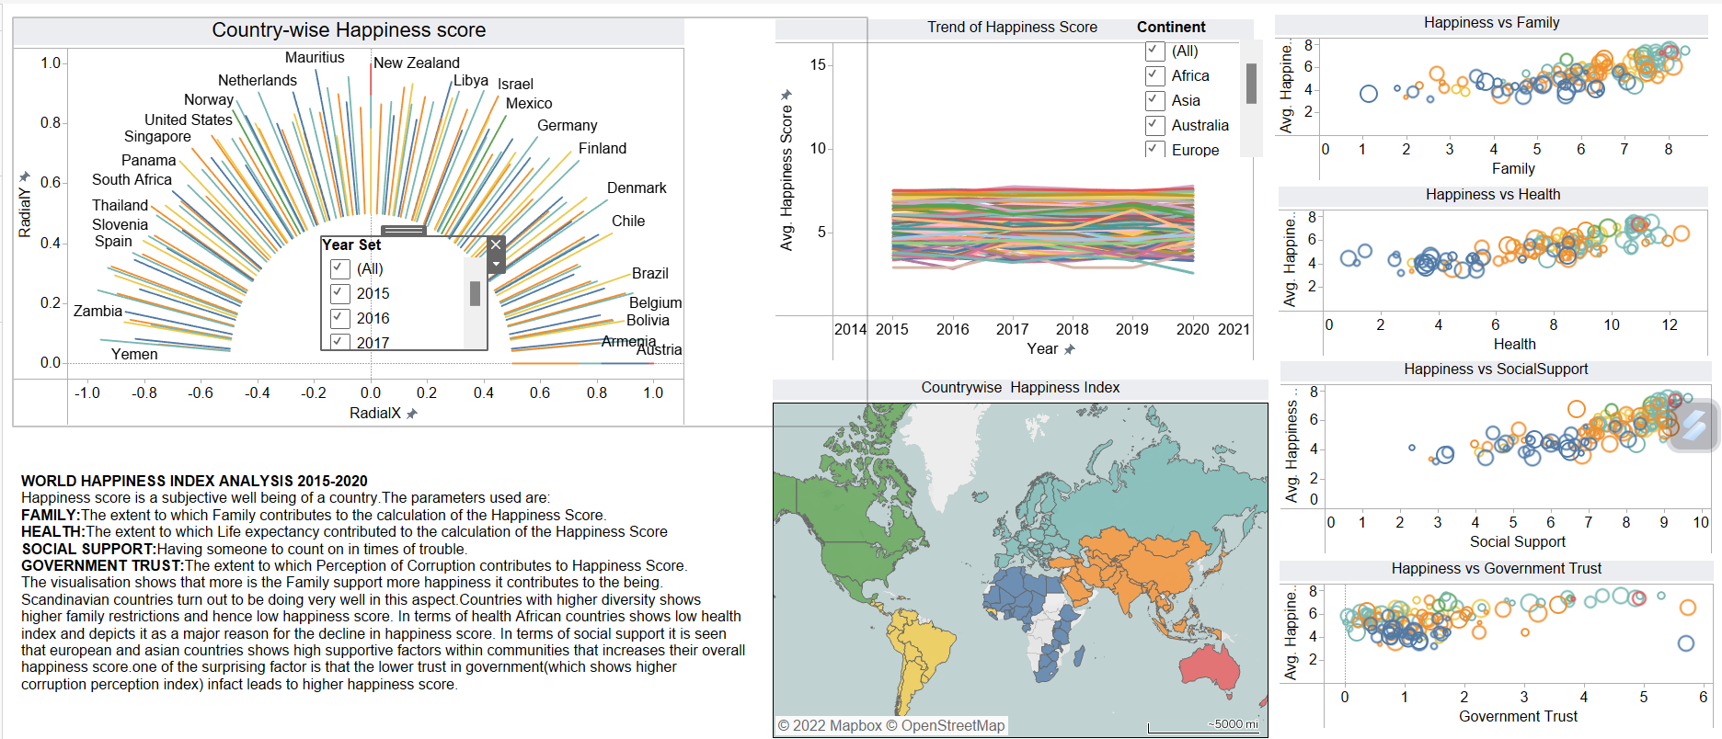
The user should be able to explore the data using the dashboard. | If the user is unable to explore the data, why? | Strong Application. The dashboard pops up the details about the data while hovering over the visual encoding. | 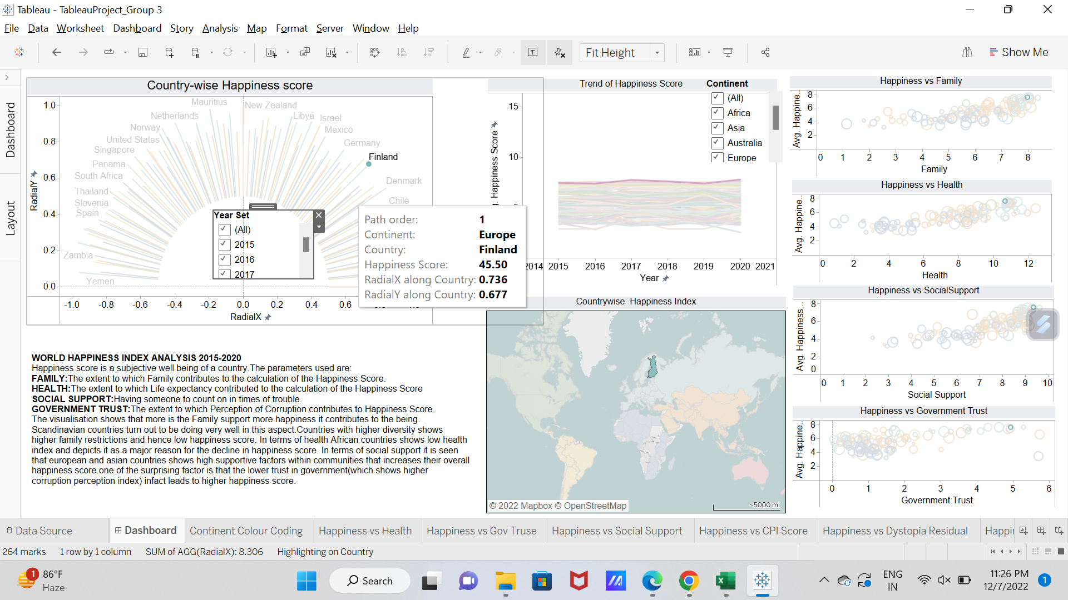
It is clear to the user where they need to start interacting with the dashboard. |  | Strong Application. The dashboard clearly presents the order of the visual encoding, starting from country-wise happiness score, then showing happiness trend from the year 2015 to 2020 and continent-wise details. Also if the user wants information about single parameters, there are scatter plot charts given in the dashboard. | 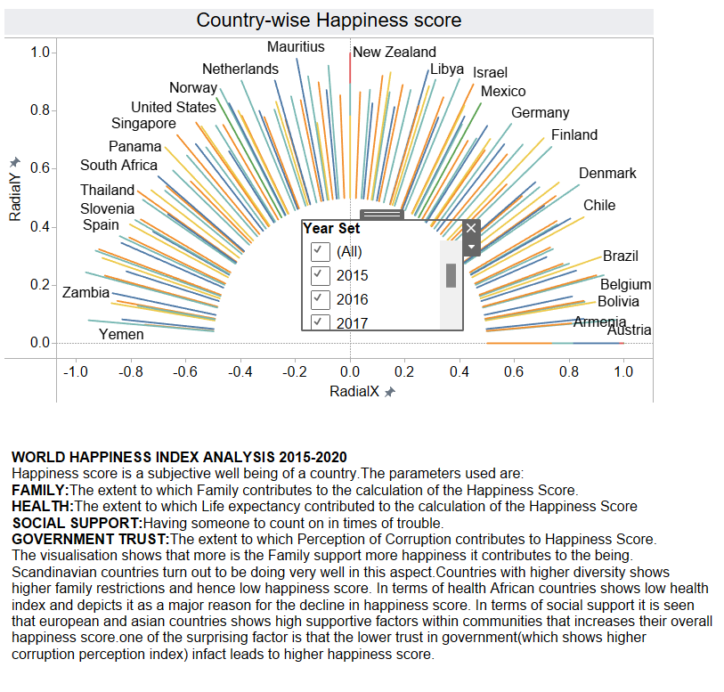 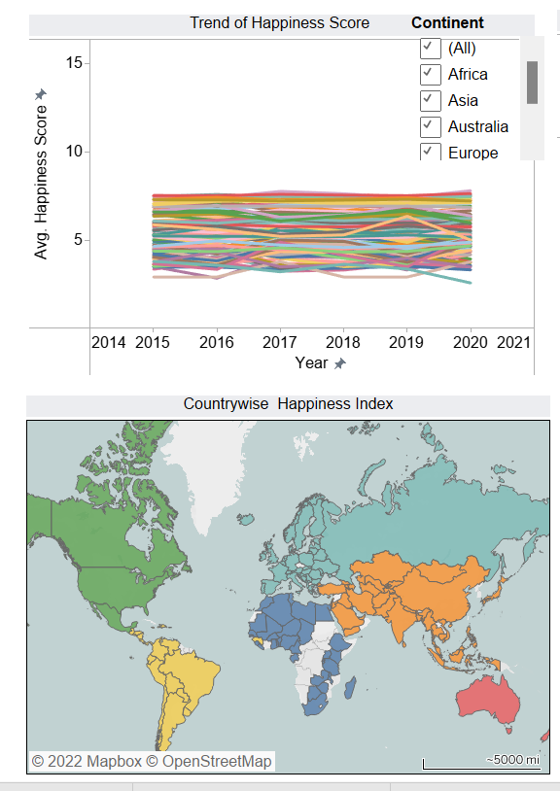 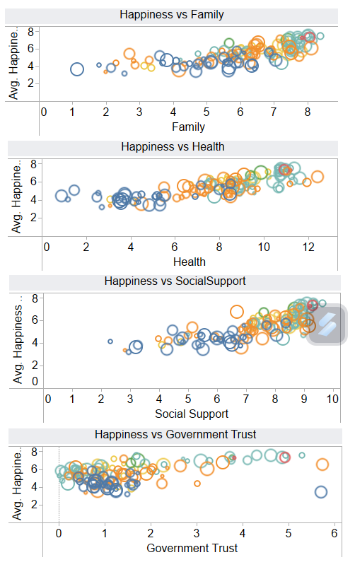
The charts in the dashboard support tasks that represent the overall intended goal to the user. |  | Strong Application. The dashboard presents the charts the year-wise and country-wise Happiness score as well as trend of the same which was intended. | Please refer to the screenshot pasted against heuristic-1.
There is a clear reading order within the dashboard and is it logical (e.g., top-down, bottom-up). |  | Weak Application. There could be more logical order. The radial chart could be presneted in center. | Please refer to the screenshot pasted against heuristic-1.
The text in the dashboard is legible, easy to read, and useful. The different parts of the chart (e.g. titles, captions, or narration) are well-described. |  | Strong Application. All the titles are very much relevant to the information presneted by visal encoding as those are legoble and easy to read. | 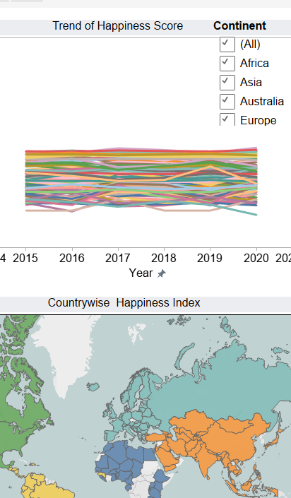
The charts in the dashboard clearly identify, compare, or summarize a particular aspect of the data. |  | Strong Application. All the charts explain particular aspect. Also those provide the comparison in terms different years and countries and continents. As the user hovers over the charts they provide those details. | 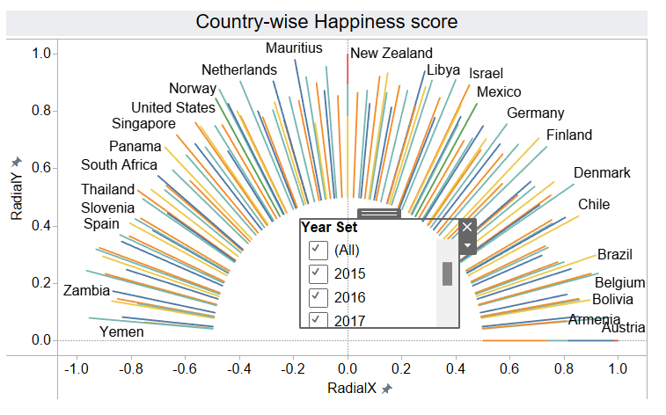 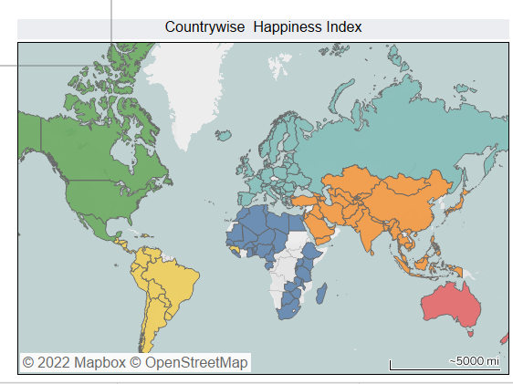
The layout, placement of charts, and the flow in the visualization should be easy to follow. |  | Strong Application. The user can easily follow the order of visual encoding from left to right moving and hovering over the dashboard.
The visual systems in place (e.g., a consistent font and color brand) provide guidance in understanding the analysis. |  | Strong Application. The user can easily follow the order of visual encoding from left to right moving and hovering over the dashboard.
There is a clear and consistent visual style for elements such as titles, axes, and colors. |  | Strong Application. All axea are clear. Titles are also clear and colour encloding is also very clear.
The conventions used in the dashboard such as icons are easy to understand for the user. |  | weak application Conventions are not properly shown it is little hard to Understand | 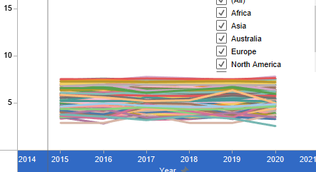
There are consistent rules for the formatting of elements such as gridlines, borders, and supporting ink elements. |  | weak application Rules were not defined | 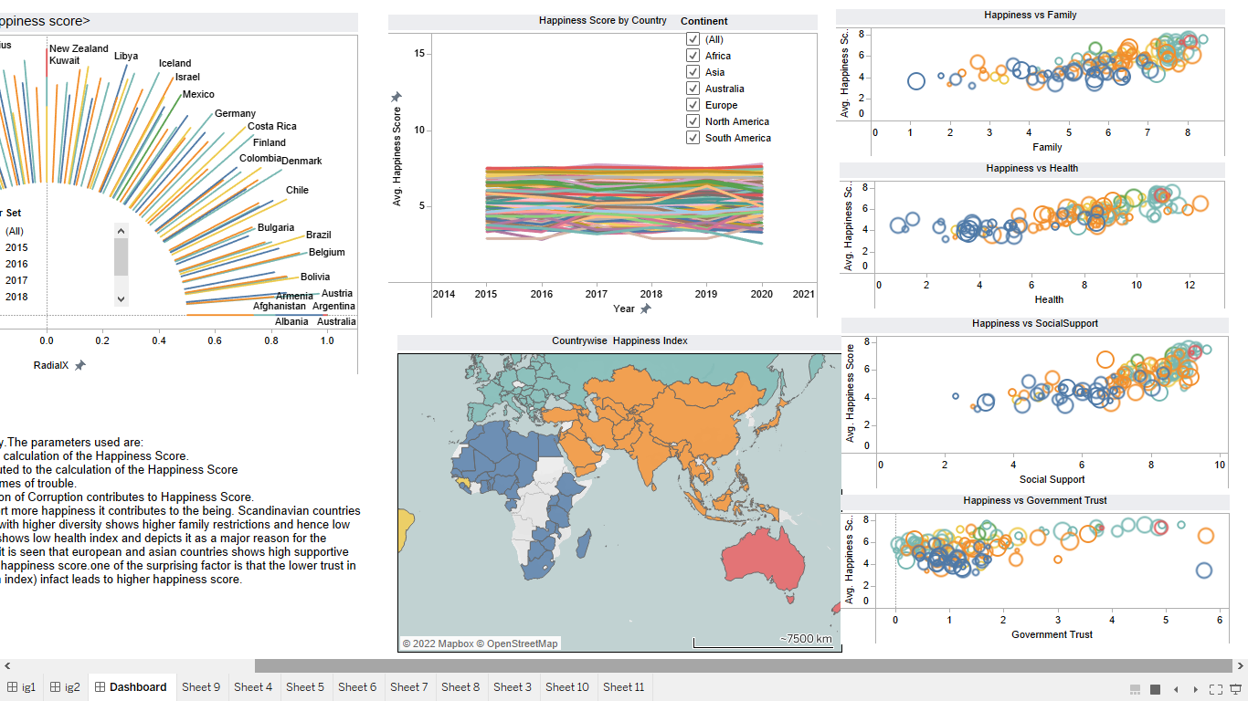
The dashboard should disclose any biases. These can include the author's personal biases, design biases, and/or biases in the data. |  | Strong Application Antartica Continent was missing data that has been depicted without showing them or no color coding is done. | 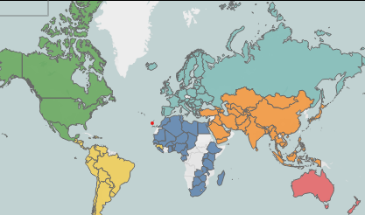
The dashboard should communicate where the data came from, and what steps were taken to prepare the data. |  | Weak Application: This particular aspect was n't taken care.
Charts within the dashboard are at the appropriate level of detail to convey the intended message. | If not, what can be done to change the dashboard to an appropriate level of detail? | Strong Application All thye Charts are at the appropriate level of detail to convey the message each chart has story to tell with respect to the content.
There is a clear presentation of context, theme, and detail as part of the analytical exploration with the dashboard. |  | Strong Application: Theme were shown using Sunrise for Radial Graph which depicts Happiness and Map Chart Depicts context | 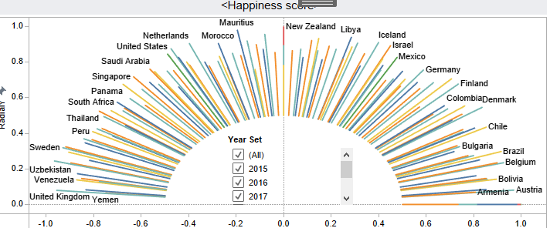
The dashboard employs visual symbols and iconography to add meaning to the data being presented or help support the intended message. | If no, are there opportunities to do so? | Weak Application: This particular aspect was n't taken care.
If there are icons and symbols in the dashboard, the semantics of their placement and appearance are helpful to communicate patterns in the data. (e.g., changing a plane icon’s location and direction for arrival vs. departure) |  | Weak Application : No Icons or Symbols are used | Refer above image
The iconography supports or potentially replaces repetitive text directives. | If not, are there opportunities to do so? | Weak Application : No Icons or Symbols are used | Refer above image
Concepts or metrics (e.g., date formats , time, currency, measurement) are either easily understandable or clearly defined in the dashboard. |  | STRONG APPPLICATION:Since we have shared the data look up list for different years and the absolute and average values are mentioned so we can say it’s a strong application. | 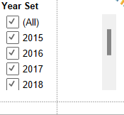
There is sufficient contextual information that describes what the dashboard is about. |  | STRONG APPLICATION:The summary describes explicitly about the data visualisation dashboard and parameters considered. | 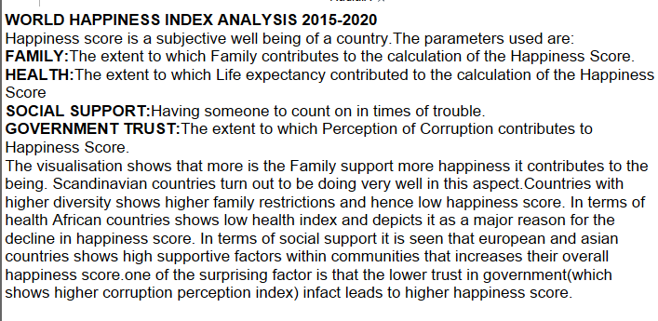
The charts within the dashboard make sense as an overall composition to help situate or contextualize the user. |  | STRONG APPLICATION:The Parameters considered for the computation of happiness index are showed in sub charts in separate visualisations. | 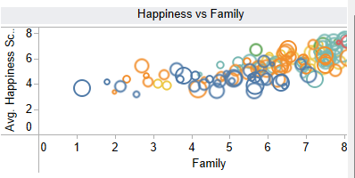
The text in the dashboard should emphasize the most salient points of what the visuals in the dashboard convey. |  | STRONG APPLICATION: There is apt summary to give a walk through to the user regarding what the overall dasboard is about.
The dashboard communicates a certain style or mood to the user. |  | STRONG APPLICATION:Since the radial chart used is quite in context to the form of sun which is a sign of happiness. | 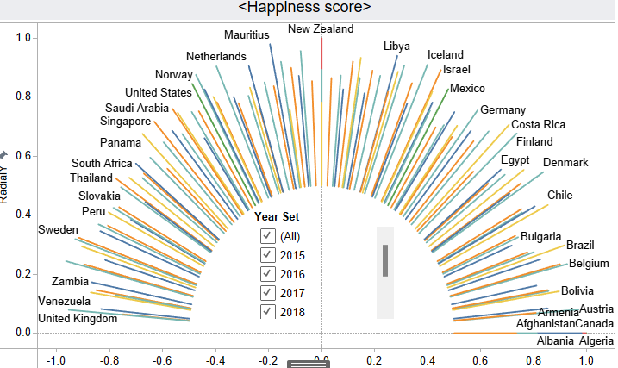
The dashboard is interactive and supports the user in completing a new analytical task or starting a new line of inquiry. | Are there interactions that could be added or improved to enhance the experience? | STRONG APPLICATION:The list of years is given to enable user to look up the happiness score of countries for any given continent. | 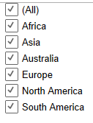
Tasks in the dashboard should be achieved with minimal friction. | Is anything difficult to understand or interact with in the dashboard? | STRONG APPLICATIONS:The dasboard is not lagging while hovering over the cursor to different visualisations. | 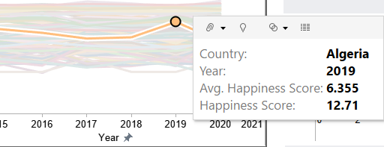
When a user interacts with the dashboard, the dashboard should guide the user with their next step. |  | WEAK APPLICATION:The Dashboard is well structured but does not guide sequentially about the next step to the user. | 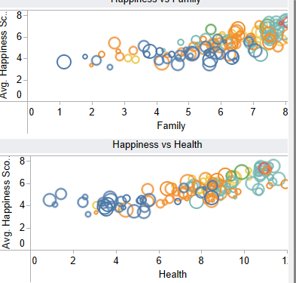
The dashboard should update its view based on what is selected, highlighted or filtered by the user. |  | STRONG APPLICATION:The dashboard update its information when different year or different continent is selected from the drop down list.
There are text and visual elements to frame or guide salient information. |  | STRONG APPLICATION:The years are given on the y-axis to describe the happiness score trend; also each visualisation is labelled with apt heading.
There is a clear path and breadcrumbs for user actions within the dashboard. |  | Weak application : There is only one page on the dashboard so there is no need for path but user can easily navigate through the graph.
There are clear strategies employed in the dashboard to mark charts or marks more prominently than others to encourage a user to interact with them, as well as de-emphasize items not relevant to the conversation. |  | Strong application : In our dashboard, Everything is clearly marked to guide user and help them interact with the dashboard very easily.
Functional dead end: The dashboard should not freeze, crash, display errors, or otherwise unexpectedly interrupt the user. |  | Strong application : There are no crash, display errors. Everything is working properly.
Navigational dead end: The dashboard support interactivity (e.g., filters, search) to help a user navigate between different snapshots of the data being presented. | Are there places where a user could get stuck in this process? | Weak violation : There are no dead ends in ourdashboard but when we deselect all the filters, our graph dissapears. | 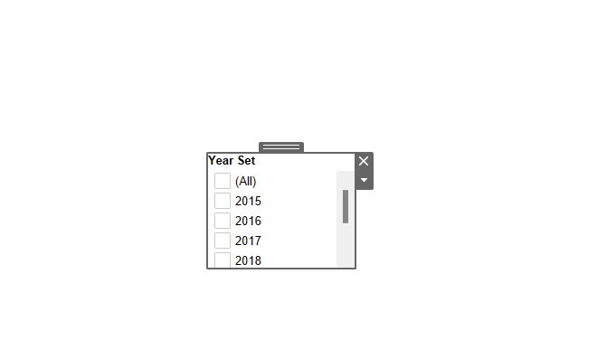
The dashboard should support input modalities (e.g., natural language interaction, filter widgets, and / or clicks) to answer any analytical question or task. |  | Strong application : As there are widgets and filters on the dashboard with which one can filter the charts country-wise and year-wise. | 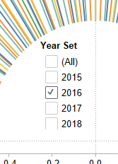 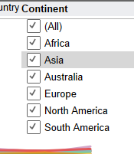
The user can set or adjust their own definition of concepts or metrics, or otherwise include their own knowledge into the dashboard. (e.g., if a user is interested only in "tall" people, can they set their own definition of "tall") |  | Strong application : User can select their own country in the dashboard to see what is the happiness index of their country in which year and what is the trend line for the same. | 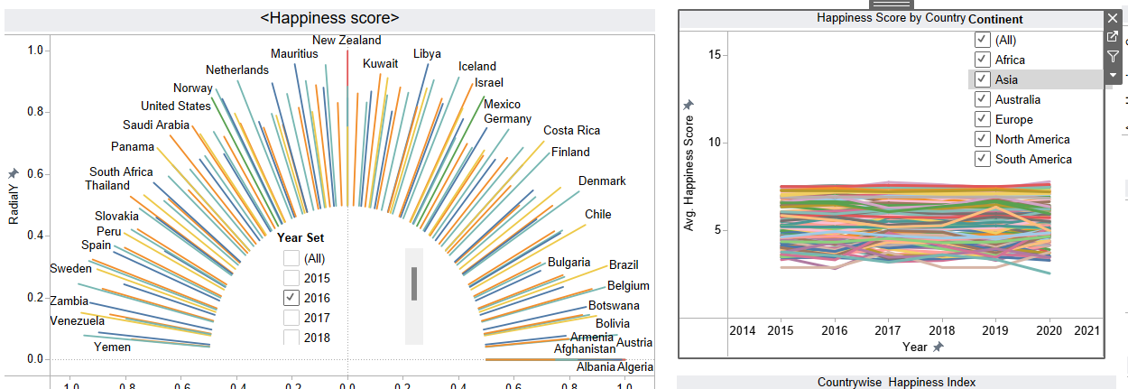
There should be a clear takeaway from the dashboard. |  | Strong application : In our dashboards, visualization points to following few takeaways : 1. European countries turn out to be the best and Africa relatively didn't do well. 2. In Europe also, Scandinavian countries are doing the best. | 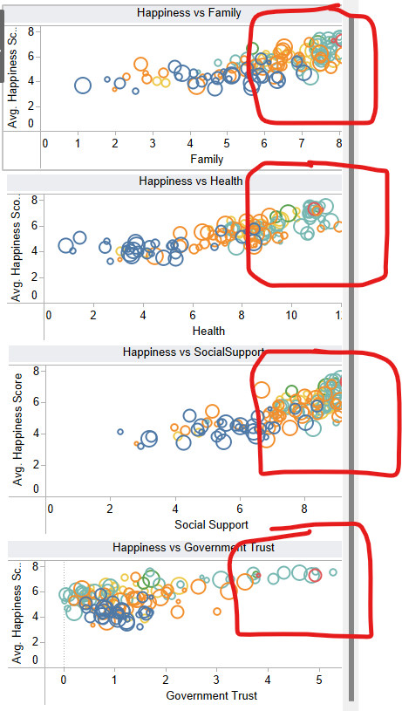
The dashboard should not contain any information that distracts from the key takeaway. | If not, what could be done to make the takeaway clearer? | Strong application : Our dashboard shows only very concise and clear information that is important to depict the changing happiness index and effects of different factos on the happiness index.
The conclusions match what the charts in the dashboard show. |  | Strong application : Our dashboard concludes that there are four factors on which the whole happiness index depends mainly and change in them changes happiness index which is clearly visible in our correlation graphs on the right side. | 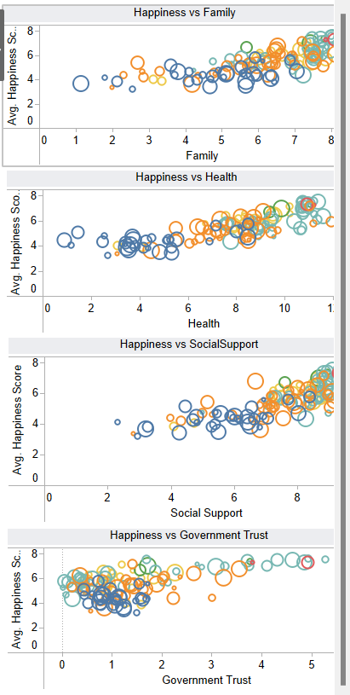
There is adequate evidence that the dashboard is truthful. The dashboard should be able to convince the key takeaway through credibility and trustworthiness (e.g. ethos appeal). |  | Strong application : The data is truthful as when we match the data output with the real life events that happened all over the world seems to be matching with the outcomes of our analysis.

