Monthly Trends
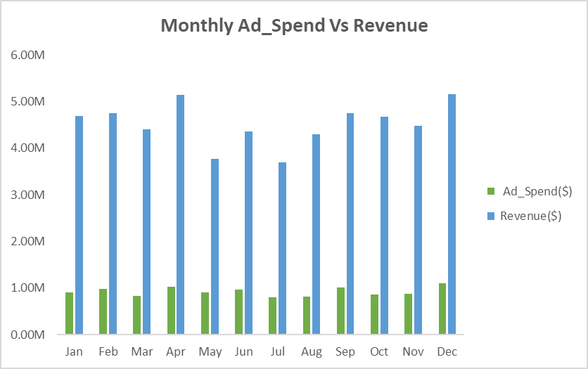
Monthly Performance Breakdown

Months | Ad_Spend($) | Revenue($) | Gross Profit($) | ROAS | Impressions | Clicks | Conversions | CTR | CPA($)] | Month | Ad_Spend($) | Revenue($) | Sum of Impressions | Sum of Clicks | Sum of CTR | Sum of CPC($) | Sum of Ad_Spend($) | Sum of Conversions | Sum of CPA($)] | Sum of Revenue($) | Sum of ROAS
Jan | 901,735 | 4,691,994 | 3,790,259 | 6.32x | 16,976,038 | 612,075 | 28,045 | 3.73% | 45.81 | Jan | 901,735 | 4,691,994 | 185,254,234 | 7,132,816 | 6916.84% | 2830.96 | 11,108,749 | 326812 | 83896.13 | 54,183,331 | 11610.66x
Feb | 988,588 | 4,749,203 | 3,760,615 | 6.14x | 15,390,686 | 637,876 | 28,563 | 4.13% | 48.10 | Feb | 988,588 | 4,749,203
Mar | 837,915 | 4,407,519 | 3,569,604 | 6.16x | 15,371,417 | 539,099 | 24,628 | 3.48% | 47.76 | Mar | 837,915 | 4,407,519
Apr | 1,032,896 | 5,143,464 | 4,110,568 | 6.82x | 15,896,525 | 654,520 | 29,490 | 3.89% | 46.48 | Apr | 1,032,896 | 5,143,464
May | 904,564 | 3,768,913 | 2,864,349 | 6.17x | 14,575,234 | 537,255 | 25,037 | 3.67% | 50.27 | May | 904,564 | 3,768,913
Jun | 966,953 | 4,362,176 | 3,395,224 | 5.78x | 16,105,662 | 611,120 | 28,207 | 3.81% | 45.48 | Jun | 966,953 | 4,362,176
Jul | 797,918 | 3,695,094 | 2,897,176 | 6.16x | 12,630,516 | 487,372 | 21,920 | 3.77% | 49.08 | Jul | 797,918 | 3,695,094
Aug | 819,622 | 4,301,659 | 3,482,037 | 6.72x | 15,311,816 | 582,314 | 26,415 | 3.91% | 41.99 | Aug | 819,622 | 4,301,659
Sep | 1,010,523 | 4,749,430 | 3,738,907 | 6.16x | 16,333,097 | 653,938 | 29,543 | 3.87% | 47.38 | Sep | 1,010,523 | 4,749,430
Oct | 868,099 | 4,670,521 | 3,802,421 | 7.10x | 14,834,622 | 584,677 | 26,612 | 3.99% | 42.44 | Oct | 868,099 | 4,670,521
Nov | 882,565 | 4,484,003 | 3,601,438 | 6.69x | 13,964,004 | 530,772 | 26,070 | 3.89% | 49.34 | Nov | 882,565 | 4,484,003
Dec | 1,097,370 | 5,159,353 | 4,061,983 | 7.17x | 17,864,617 | 701,798 | 32,282 | 3.95% | 45.60 | Dec | 1,097,370 | 5,159,353
Total | 11,108,749 | 54,183,331 | 43,074,582 | 6.45x | 185,254,234 | 7,132,816 | 326,812 | 3.84% | 46.61
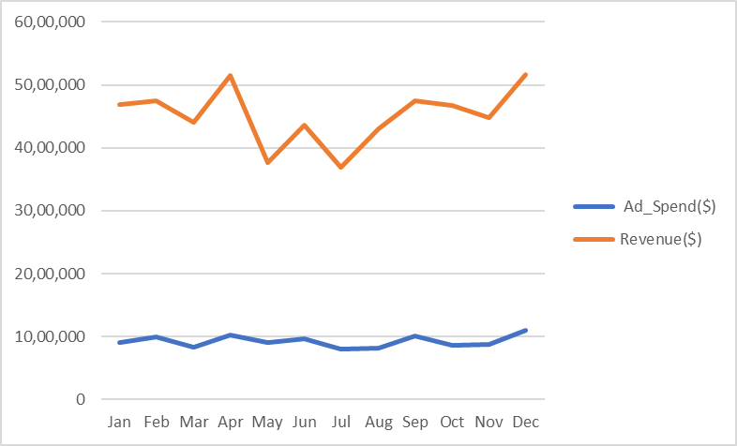

 | Peak Spend Month | Highest Revenue Month | Most Profitable Month | Highest Efficiency Month | Max Reach Month | Most Engaged Month | Top Converting Month | Best CTR Month | Most Cost Efficient Month
 | Dec | Dec | Apr | Dec | Dec | Dec | Dec | Feb | May

 | Lean Spend Month | Lowest Revenue Month | Least Profitable Month | Lowest Efficiency Month | Min Reach Month | Least Engaged Month | Lowest Converting Month | Lowest CTR Month | Least Cost Efficient Month
 | Jul | Jul | May | Jun | Jul | Jul | Jul | Mar | Aug

1. Are there certain months where ROAS peaks or dips significantly?

 | Highest Efficiency Month |  | Lowest Efficiency Month
 | Dec |  | Jun

2. Are there months where conversion volume drops significantly?

 | Lowest Converting Month
 | Jul

3. Can seasonal patterns be used to plan Q3 and Q4 budgets proactively?

 | Clear seasonal pattern: dip (May–Jul), peak (Oct–Dec)

Platform & Campaign
Platform-Level KPIs

Platform | Impressions | Clicks | CTR | Ad_Spend($) | Revenue($) | ROAS | Conversions | CPA($)]
Google Ads | 73,801,150 | 2,936,149 | 3.99% | 6,349,269 | 22,033,745 | 4.11x | 131,098 | 64.06
Meta Ads | 64,403,494 | 1,596,736 | 2.50% | 2,106,062 | 11,926,046 | 6.92x | 73,262 | 39.10
TikTok Ads | 47,049,590 | 2,599,931 | 5.50% | 2,653,419 | 20,223,540 | 9.54x | 122,452 | 29.20

1. Does the choice of platform significantly affect ROAS and revenue? |  |  |  |  |  | 132.12% |  |  | Platform | Sum of Ad_Spend($) | Row Labels | Sum of Revenue($) | Row Labels | Average of ROAS
 |  |  |  |  |  |  |  |  | Google Ads | 57.16% | Google Ads | 40.67% | Display | 6.45x
YES — TikTok Ads ROAS (9.54x) is 132% higher than Google Ads (4.11x) |  |  |  |  |  |  |  |  | Meta Ads | 18.96% | Meta Ads | 22.01% | Search | 7.00x
 |  |  |  |  |  |  |  |  | TikTok Ads | 23.89% | TikTok Ads | 37.32% | Shopping | 5.98x
2.Which platform delivers the lowest Cost Per Acquisition (CPA)? |  |  |  |  |  |  |  |  |  |  |  |  | Video | 6.34x

TikTok Ads | — Lowest CPA at $29.20 per conversion

Budget Share by Platform

ROAS by Campaign Type
Platform | Ad_Spend% |  | Platform | Revenue% |  | Gap
Google Ads | 57.16% |  | Google Ads | 40.67% |  | -16.49%
Meta Ads | 18.96% |  | Meta Ads | 22.01% |  | 3.05%
TikTok Ads | 23.89% |  | TikTok Ads | 37.32% |  | 13.44%

1. Is the budget distribution aligned with actual performance?

NO — Google Ads is overfunded by 16.5 percentage points vs revenue share

Campaign Type Performance

Campaign Type | Ad_Spend($) | Revenue($) | ROAS | Impressions | Clicks | CTR | Conversions
Display | 2,644,735 | 12,798,903 | 6.45x | 43,487,104 | 1,638,396 | 3.81% | 76,869
Search | 2,868,007 | 15,218,471 | 7.00x | 47,544,475 | 1,898,227 | 3.94% | 90,641
Shopping | 2,799,549 | 12,824,696 | 5.98x | 46,474,038 | 1,785,310 | 3.85% | 80,074
Video | 2,796,458 | 13,341,261 | 6.34x | 47,748,617 | 1,810,883 | 3.76% | 79,228

1. Do Search campaigns deliver higher ROAS than Display or Shopping?

YES — Search leads with 7.00x ROAS, Shopping is lowest at 5.98x

2. Does CTR differ significantly across the four campaign formats?

There is only Minimal difference — CTR

Platform × Campaign Type — ROAS

Platform | Display | Search | Shopping | Video
Google Ads | 3.68x | 4.79x | 3.75x | 4.14x
Meta Ads | 7.27x | 6.90x | 6.77x | 6.76x
TikTok Ads | 10.04x | 10.52x | 8.06x | 9.57x

Which Platform × Campaign Type combination yields the best ROAS? |  |  |  |  | 10.52x

TikTok Ads + Search = 10.52x ROAS

Country & Industry
Revenue By Country
Country-Level KPIs
 |  |  |  |  |  |  |  | Industry | Average of ROAS | Country | Revenue($)
Country | Ad_Spend($) | Revenue($) | ROAS | Conversions | CPA($)] | CTR | Impressions | E-commerce | 6.13x | Australia | 7,921,848
Australia | 1,586,265 | 7,921,848 | 6.67x | 45,869 | 48.76 | 3.87% | 23,801,500 | EdTech | 6.83x | Canada | 7,867,323
Canada | 1,643,263 | 7,867,323 | 6.26x | 46,243 | 50.32 | 3.77% | 27,401,283 | Fintech | 6.03x | Germany | 7,694,839
Germany | 1,551,062 | 7,694,839 | 6.71x | 44,768 | 45.62 | 3.89% | 26,118,806 | Healthcare | 6.59x | India | 7,909,606
India | 1,438,742 | 7,909,606 | 6.65x | 46,767 | 45.25 | 3.87% | 26,553,737 | SaaS | 6.65x | UAE | 7,939,594
UAE | 1,614,677 | 7,939,594 | 6.96x | 48,345 | 45.29 | 3.95% | 26,781,852 |  |  | UK | 7,659,544
UK | 1,547,153 | 7,659,544 | 6.15x | 46,842 | 45.81 | 3.69% | 26,931,459 |  |  | USA | 7,190,576
USA | 1,727,587 | 7,190,576 | 5.81x | 47,978 | 45.44 | 3.87% | 27,665,597 |  |  | Grand Total | 54,183,331
Total | 11,108,749 | 54,183,331 | 6.45x | 326,812 | 46.61 | 3.84% | 185,254,234

1. Which country generates the highest revenue per dollar of ad spend?

Country | Rev/Spend |  | India — $5.50 revenue per $1 spent (highest efficiency ratio)
Australia | 4.99x
Canada | 4.79x
Ad_Spend
Germany | 4.96x
India | 5.50x
UAE | 4.92x
UK | 4.95x
USA | 4.16x

2. Are there underinvested markets with high efficiency potential?

YES — India is the most underinvested: 13.0% spend share, but highest efficiency

Industry- KPIs
ROAS By Industry
Industry | Ad_Spend($) | Revenue($) | ROAS | Conversions | CPA($)] | CTR
E-commerce | 1,923,987 | 9,637,280 | 6.13x | 57,486 | 45.04 | 3.73%
EdTech | 2,296,979 | 11,549,934 | 6.83x | 67,257 | 48.04 | 3.77%
Fintech | 2,271,538 | 10,173,311 | 6.03x | 65,121 | 46.59 | 3.92%
Healthcare | 2,258,684 | 10,930,814 | 6.59x | 65,687 | 47.56 | 3.81%
SaaS | 2,357,562 | 11,891,991 | 6.65x | 71,261 | 45.77 | 3.98%

Which industry generates the highest profit margin on ad spend?

Industry | Profit Margin % |  | SaaS — 80.2% highest profit margin
E-commerce | 80.0%
EdTech | 80.1%
Fintech | 77.7%
Healthcare | 79.3%
SaaS | 80.2%

Are certain industries over-invested relative to their return? |  |  |  | 6.03x

YES — Fintech receives 2nd highest spend but delivers lowest ROAS (6.03x)

Which industry has the lowest CPA — most efficient lead acquisition?

E-commerce — Lowest CPA at $45.04 per conversion

Pivot Analysis
Revenue ($) — Platform × Industry
Platform / Industry | E-commerce | EdTech | Fintech | Healthcare | SaaS | Grand Total
Google Ads | 4,021,404 | 4,581,077 | 5,033,530 | 4,033,234 | 4,364,500 | 22,033,745
Meta Ads | 2,034,150 | 2,745,051 | 2,063,790 | 2,901,099 | 2,181,955 | 11,926,046 | Average of ROAS | Column Labels
TikTok Ads | 3,581,725 | 4,223,806 | 3,075,991 | 3,996,481 | 5,345,536 | 20,223,540 | Row Labels | Google Ads | Meta Ads | TikTok Ads
Grand Total | 9,637,280 | 11,549,934 | 10,173,311 | 10,930,814 | 11,891,991 | 54,183,331 | Australia | 3.94x | 8.00x | 10.01x
 |  |  |  |  |  |  | Canada | 3.59x | 6.16x | 10.19x
 |  |  |  |  |  |  | Germany | 3.84x | 7.47x | 9.74x
 |  |  |  |  |  |  | India | 4.02x | 6.67x | 9.95x
ROAS — Country × Platform |  |  |  |  |  |  | UAE | 4.77x | 8.78x | 9.05x
Country / Platform | Google Ads | Meta Ads | TikTok Ads |  |  |  | UK | 4.51x | 5.89x | 9.20x
Australia | 3.94x | 8.00x | 10.01x |  |  |  | USA | 4.01x | 6.14x | 8.44x
Canada | 3.59x | 6.16x | 10.19x
Germany | 3.84x | 7.47x | 9.74x
India | 4.02x | 6.67x | 9.95x
UAE | 4.77x | 8.78x | 9.05x
UK | 4.51x | 5.89x | 9.20x
USA | 4.01x | 6.14x | 8.44x

Ad Spend ($) — Month × Platform
Month / Platform | Google Ads | Meta Ads | TikTok Ads
Jan | 417,211 | 229,950 | 254,574
Feb | 544,784 | 187,842 | 255,962
Mar | 529,280 | 141,432 | 167,203 |  |  | Does the best-performing platform vary by country?
Apr | 613,211 | 134,660 | 285,025
May | 579,501 | 156,117 | 168,947 |  |  | NO — TikTok Ads is the best platform in ALL 7 countries
Jun | 587,012 | 211,387 | 168,553
Jul | 475,270 | 147,408 | 175,240
Aug | 449,245 | 189,209 | 181,167
Sep | 576,900 | 187,877 | 245,746
Oct | 427,586 | 171,200 | 269,313
Nov | 492,225 | 184,041 | 206,298
Dec | 657,045 | 164,937 | 275,389

Dashboard
Global Ads Performance (Google, Meta, TikTok)

Monthly Ad_Spend Vs Revenue
 | Ad_Spend($) | Revenue($)
Jan | 901,735 | 4,691,994
Feb | 988,588 | 4,749,203
Mar | 837,915 | 4,407,519
Apr | 1,032,896 | 5,143,464
May | 904,564 | 3,768,913
Jun | 966,953 | 4,362,176
Jul | 797,918 | 3,695,094
Aug | 819,622 | 4,301,659
Sep | 1,010,523 | 4,749,430
Oct | 868,099 | 4,670,521
Nov | 882,565 | 4,484,003
Dec | 1,097,370 | 5,159,353
 | Ad_Spend($) | Revenue($) | Impressions | Clicks | CTR | CPC($) | Conversions | CPA($) | ROAS
 | 11.11M | 54.18M | 185.25M | 7.13M | 3.84% | 1.57 | 326,812 | 47 | 6.45x
Budget Share by Platform
 | Total
Google Ads | 57.16%
Meta Ads | 18.96%
TikTok Ads | 23.89%
Revenue
 | Total
Google Ads | 40.67%
Meta Ads | 22.01%
TikTok Ads | 37.32%
ROAS By Campaign Type
 | Total
Display | 6.45x
Search | 7.00x
Shopping | 5.98x
Video | 6.34x

Revenue By Country
 | Total
Australia | 7,921,848
Canada | 7,867,323
Germany | 7,694,839
India | 7,909,606
UAE | 7,939,594
UK | 7,659,544
USA | 7,190,576
ROAS By Industry
 | Total
E-commerce | 6.13x
EdTech | 6.83x
Fintech | 6.03x
Healthcare | 6.59x
SaaS | 6.65x
ROAS By Country
 | Google Ads | Meta Ads | TikTok Ads
Australia | 3.94x | 8.00x | 10.01x
Canada | 3.59x | 6.16x | 10.19x
Germany | 3.84x | 7.47x | 9.74x
India | 4.02x | 6.67x | 9.95x
UAE | 4.77x | 8.78x | 9.05x
UK | 4.51x | 5.89x | 9.20x
USA | 4.01x | 6.14x | 8.44x

