Sheet1
1. Mass flow rate calc for comrpessor dia
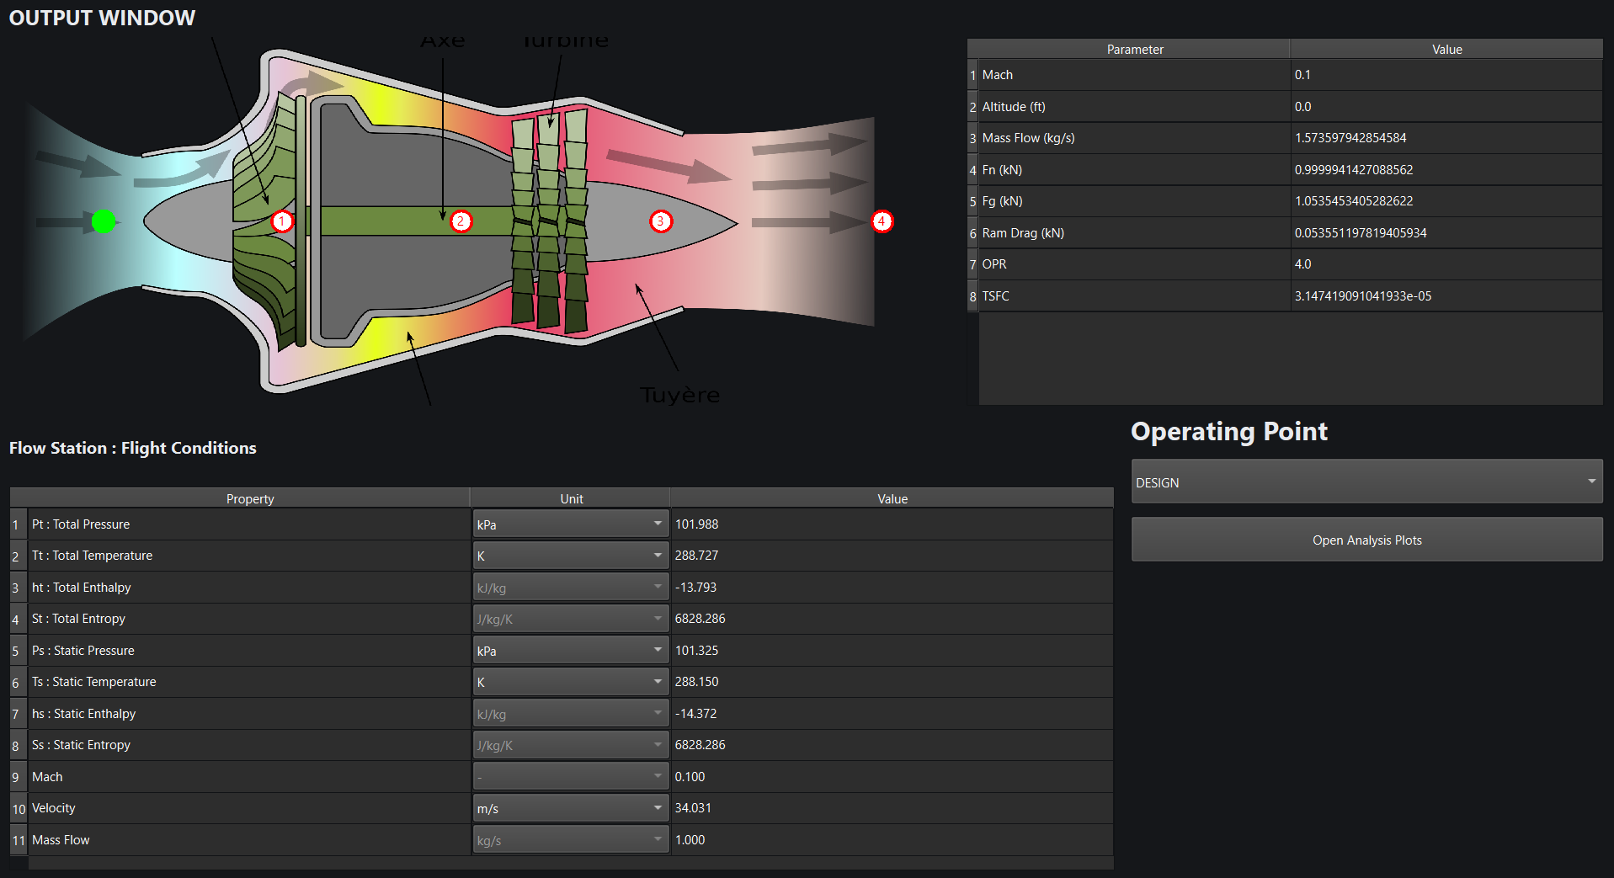
mass flow rate | rho design | Velcoity design | constant : pi * 0.2m | B: breadth design
1 | 1.225 | 34.031 | 0.62831853072 | 0.038177662286

