Test Plan_v1.0
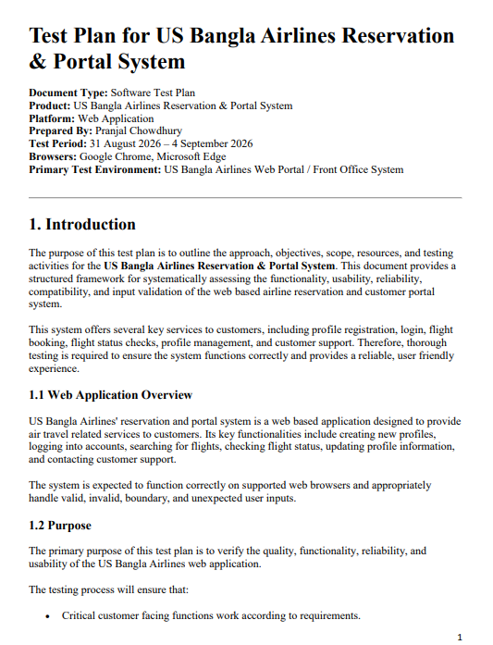

Please Click Here to show my testplan full PDF.

Mind Maps_v1.0
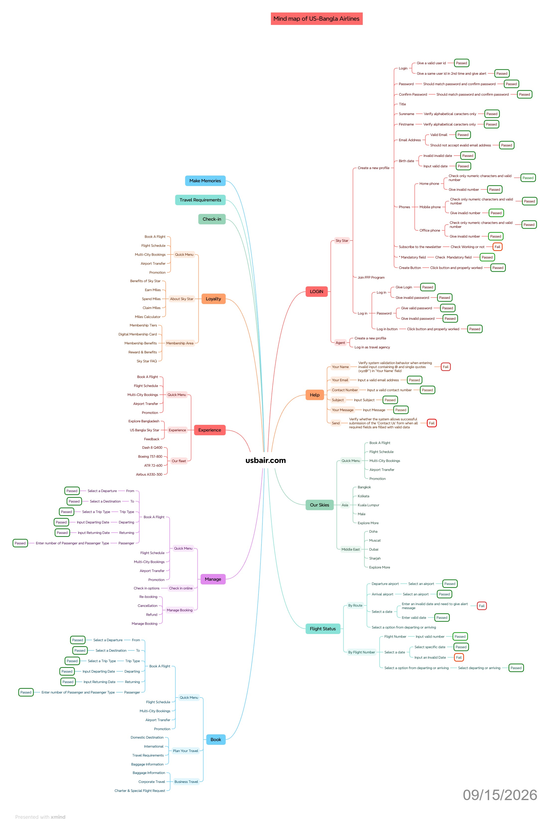

Test Summary Report_v1.0
Test Case Report |  |  |  |  |  | Result :
Project Name | US-Bangla Airlines
Module Name | Create a new profile,LOGIN,Book a flight,Flight Status,Update your profile,HELP |  |  |  |  | Total No. | Status
Feature Name | US-Bangla Reservation & Portal System
Test Case Version | 1 |  |  |  |  | 53 | PASS
Written By | Pranjal Chowdhury |  |  |  |  | 29 | FAIL
Executed By | Pranjal Chowdhury |  |  |  |  | 0 | Not Executed | New Features:- | Testing Scope:- | Testing Environment :Google Chrome Browser
Reviewed By | Rubel Hosain |  |  |  |  | 5 | Out of Scope
TEST EXECUTION REPORT
Test Case Report
Test Case | PASS | FAIL | Not Executed | Out Of Scope | Total TC
 | 53 | 29 | 0 | 5 | 87
Grand Total | 53 | 29 | 0 | 5 | 87

LIMITATIONS
Documents |  |  |  | Received | Useful
PRD |  |  |  | No | No
USER STORY |  |  |  | No | No

 | Testing Type in Scope | Description

Yes/ No. Justification (If No): | Functional Testing | Executed positive and functional test scenarios to verify that registration, input validation, and user profile flows meet specified requirements.

Yes/ No. Justification (If No): | Integration Testing | Scope was limited to module-level and UI/functional validation of profile creation; end-to-end integration between backend sub-systems was out of scope.

Yes/ No. Justification (If No): | Negative Testing | Executed multiple negative test cases using invalid inputs, empty mandatory fields, and special character strings to evaluate application robustness.

Yes/ No. Justification (If No): | Usability Testing | Formal UX/usability feedback sessions and specialized accessibility evaluations were not included in this test execution phase.

Yes/ No. Justification (If No): | Browser Compatibility Testing | Verified application rendering, element accessibility, and basic form behavior across major browsers including Google Chrome and Microsoft Edge.

Yes/ No. Justification (If No): | Boundary Value Testing | Tested maximum and minimum input length limits for form fields such as password length, names, and phone numbers.

Yes/ No. Justification (If No): | Risk Based Testing Or Regression Testing | This was an initial functional test suite execution for the profile creation module; full regression testing will occur after bug fixes are deployed.

