Biaxial Bending
Design of column for 'Compression + Biaxial bending'

Grade of Concrete, fck |  |  |  |  |  | = | 30 | N/mm2
Axial tensile strength of concrete, fctm |  |  |  |  |  | = | 2.9 | N/mm2
(Refer Table 3.0, EN1992-1-1)
Material factor for concrete, gc |  |  |  |  |  | = | 1.5 |  | (As per clause 2.4.2.4-1,en 1992-1-1 ed 11)
Reduction factor for concrete compressive strength, a |  |  |  |  |  | = | 0.85 |  | NA +A2 TO BS EN 1992-1-1, TABLE-NA.1
Design value of concrete cylinder compressive strength, fcd = |  |  |  |  | α * fck / gc | = | 17 | N/mm2
(As per clause 3.1.6, 1P, en 1992-1-1 ed 11)
Grade of Steel, fyk |  |  |  |  |  | = | 500 | N/mm2
Material factor for steel, gs |  |  |  |  |  | = | 1.15
Design yield strength of reinforcement, fyd = |  |  |  | fyk / gs |  | = | 435 | N/mm2
(As per clause 5, Work Instructions, Doc. No:PDE-CVC-G00-EB-0002)
Length of pedestal, L (parallel to Y-axis) |  |  |  |  |  | = | 1600 | mm
Width of pedestal, B (parallel to z-axis) |  |  |  |  |  | = | 400 | mm
Height of pedestal, H |  |  |  |  |  | = | 600 | mm
Gross area of concrete, Ac = L x B |  |  |  |  |  | = | 640000 | mm2
Cover to longitudinal reinforcement, c |  |  |  |  |  | = | 50 | mm
Diameter of longitudinal bar, Db |  |  |  |  |  | = | 12 | mm
Nos. of Longitudinal bar, Nb |  |  |  |  |  | = | 28
Area of longitudinal Reinforcement, Ast, provided |  |  |  |  |  | = | 3167 | mm2
Diameter of transverse bar, Dt |  |  |  |  |  | = | 8 | mm
d' = c + Db/2 |  |  |  |  |  | = | 56 | mm
B' = B - c - Db/2 |  |  |  |  |  | = | 288 | mm
L' = L - c - Db/2 |  |  |  |  |  | = | 1488 | mm
Effective length |  |  |  |  |  | = | 1200 | mm
deff |  |  |  |  |  |  | 1544
CHECK FOR SLENDERNESS RATIO |  |  | CL-5.8.3.1 EN-1992-1-1 ED-11

 | ƛlim = | 20 A .B.C
 |  | √n
 | A = 1/(1+0.2ⱷeff) = |  | 0.7 |  |  | ⱷeff =EFFECTIVE CREEP RATIO
 | B = √1+2ῳ = |  | 1.0 |  |  | ῳ =MECHANICAL REINFORCEMENT RATIO = |  |  |  |  | As x Fyd = | 0.12661080393
 | C = 1.7-ṟmin = |  | 1 |  |  | ṟmin = MOMENT RATIO=0.7 |  |  |  |  | Ac x Fcd
 | n = Ned /(Ac X fcd) = |  | 0.015872518382 |  |  | n = relative normal ratio

 | ƛlim = | 112.5214418
CL-5.8.3.2 EN-1992-1-1 ED-11 |  |  |  |  |  | I @y= | 8533333333.3
 | ƛ z= | effective length/rmin |  |  |  | I @z= | 1.3653333333E+11
 | = | 2.5980762114 |  |  |  | A = | 640000
 | ƛ y= | 10.392304845 |  |  |  | √I@z/A = | 461.88021535
column is short column about z, second order analysis can be ignore |  |  |  |  |  | √I@y/A = | 115.47005384
column is short column about z, second order analysis can be ignore
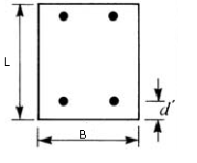
Y
z
 |  |  | B'
 |  | my

mz
 |  |  |  | L'
1600

=400

Staad member number |  |  |  |  |  | = | 157
Critical load case for pedestal design |  |  |  |  |  | = | 2404
Axial load, Ned |  |  |  |  |  | = | 173 | kN
Shear in Y- Dir, Fy |  |  |  |  |  | = | 0 | kN
Shear in Z- Dir, Fz |  |  |  |  |  | = | 19 | kN
Resultant shear on section, Fr = sqrt(Fy2+Fz2) |  |  |  |  |  | = | 19 | kN
Moment about Y-axis, My |  |  |  |  |  | = | 21 | kN-m
Moment about Z-axis, Mz |  |  |  |  |  | = | 0 | kN-m

Maximum moment, Mmax |  |  |  |  |  | = | 21
Minimum moment, Mmin |  |  |  |  |  | = | 0
Mmin / Mmax |  |  |  |  |  | = | 0

my | = | My |  |  |  | = | 0.00
 |  | L x B2 x fcd

mz | = | Mz |  |  |  | = | 0.00
 |  | B x L2 x fcd

Using approximate method for design of column with axial compression + bending

b | = | 1 - | Ned |  |  | = | 0.984
 |  |  | L x B x fcd

My | = |  |  |  |  | = | 73 | kN
B'

Mz | = |  |  |  |  | = | 0 | kN
L'

Since | My | > | Mz
 | B' |  | L'
 | My is increased

My' | = | My | + b x | B' x Mz |  | = | 21 | kN-m |  | 21
 |  |  |  | L' |  |  |  |  |  | 107

d' / B | = | 0.14

Ned | = | 0.02
L x B x fcd

My' | = | 0.005
L x B x B x fcd

Referring to chart |  | 8.30 | of 'Design aid for Eurocode-2'.

 | As x fyd | = | 0.00
 | L x B x fcd

 | As | = | 25 | mm2 | < | 3167 | mm2
 |  |  |  |  |  | (Ast, provided)
 |  |  |  |  |  | Ok

The total amount of longitudinal reinforcement should not be less than As,min. |  |  |  |  |  |  | CL-9.5.2 | EN 1992-1-1 ED 11

As, min | = | 1280 | mm2 | < | 3167 | mm2
 |  |  |  |  | Ok

The area of longitudinal reinforcement should not exceed As,max.
As,max = 0.04 Ac = |  | 25600 | mm2 | > | 3167 | mm2
 |  |  |  |  | Ok
Now,
Moment of resistance of section about |  |  |  | Z - axis | MRdz

Ast, provided x fyd |  | = | 0.13 | & | Ned | = | 0.02
L x B x fcd |  |  |  |  | L x B x fcd

Referring to chart |  | 8.20 | of 'Design aid for Eurocode-2'.

 | MRdz | = | 0.12
 | B x L2 x fcd

 | MRdz | = | 2089 | kN-m

Compression resistance of section, NRd

 | NRd | = | Ac x fcd + Ast, provided x fyd |  |  | = | 12258 | kN
Therefore,
 | Ned / NRd | = | 0.01

As per table shown in clause 5.8.9-4 of EN-1992-1-1 |  |  |  |  | a | = | 1

REFERING CHART |  | d'/B = | 0.15

 | Ast, provided x fyd |  | = | 0.13
 | L x B x fcd

 | Mrdy | = | 0.11
 | B x L2 x fcd

 | Mrdy | = | 1827.84 | kN-m

For the section to be satisfactory

 |  |  |  |  | EQ.-39 (EN 1992-1-1 ED 11)

a
a
My | + | Mz |  | = | 0.01
Mrdy |  | Mrdz
 |  |  |  |  | Safe
 |  |  |  |  |  |  |  |  |  |  | Safe
Check for shear

As per clause 6.2.2, design value of shear resistance of concrete without shear reinforcement is

Where,
CRd,c | = | 0.18/γc | γc = | 1.5 |  | (Refer Table 2.1N, EN 1992-1-1)
CRd,c | = | 0.12

k | = | 1.36
p | = | 0.00
k1 | = | 0.15

s | = | 0.27

vRd,c | = | 283 | kN

vmin | = | 0.035 k3/2 fck1/2
 | = | 0.30
vRd,c min | = | 220 | kN

Therefore,
vRd,c | = | 283 | kN | > | Fr | = | 19 | kN
 |  |  |  |  | Provide nominal shear reninf

For members with shear reinforcement shear resisitance is smaller value of:

 |  |  |  |  | (Refer EQ. 6.8, EN 1992-1-1 )

and
 |  |  |  |  |  | (Refer EQ. 6.9, EN 1992-1-1 )

 | ARd,s = | C/S AREA OF SHEAR REINF. = |  |  | 201.06192983 | mm2
 | S = | SPACING OF STIRRUPS = |  |  | 200 | mm
 | Z = | LEVER ARM = 0.9B |  |  | 360 | mm
 | Fywd = | design yield strength for shear reinforcement = |  |  |  | 0.8*fywk = | 400 | N/mm2
 | cotӨ = | 1
 | VRd,s = | 144.76458948 | kN

 | Actual shear force required to carry by shear reinforcement = |  |  |  |  | 0.00 | kN < VRd,s | ok
 | fcd = | 17 | N/mm2
 | V1 = | 0.6(1-(fck/250)) = |  | 0.528 |  | (V1 = STRENGTH REDUCTION FACTOR FOR CONCRETE)
CW
=
 | α | 1
cotθ + tanθ = |  | 2
 | VRd,max = | 646.272 | kN | > VRd,s | ok

 | Longitudinal Reinforcement = |  |  | 28 no.s | of | 12 mm | Dia. Bars

 | Shear Reinforcement = |  |  | 8 mm | Dia. Bar at | 200 mm | spacing | c/c

Sheet2
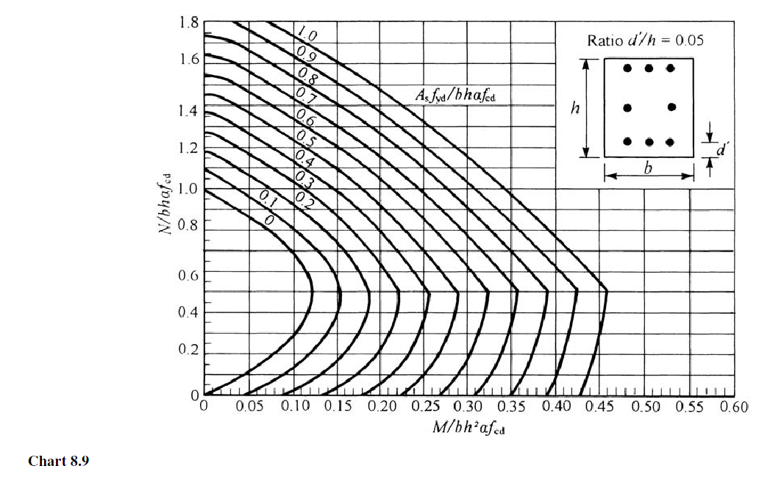
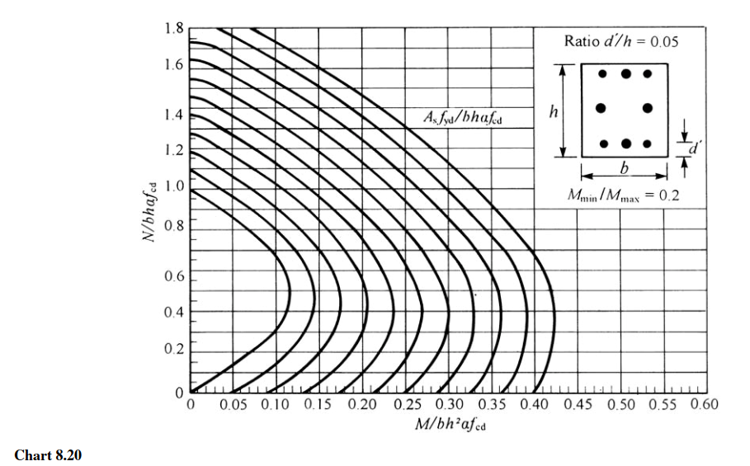

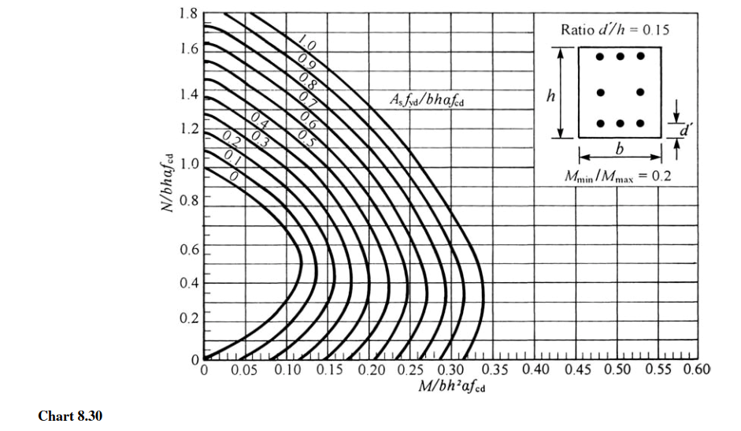

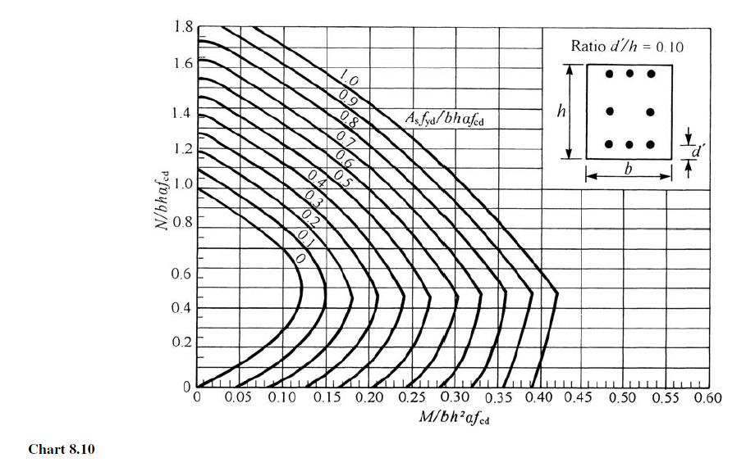

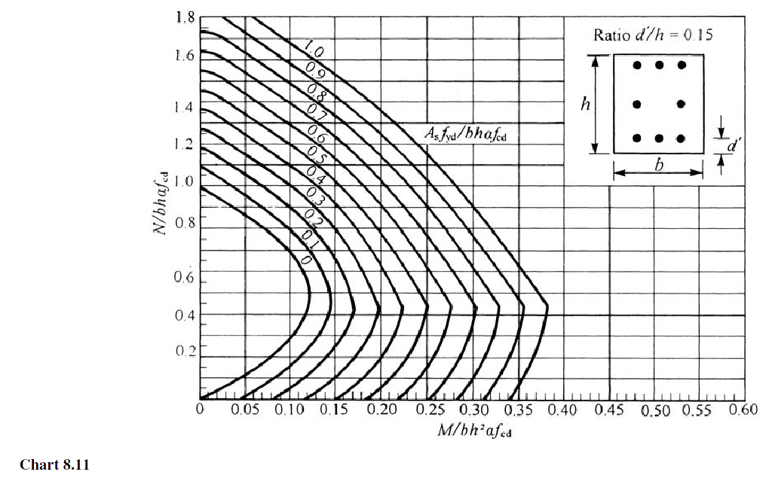

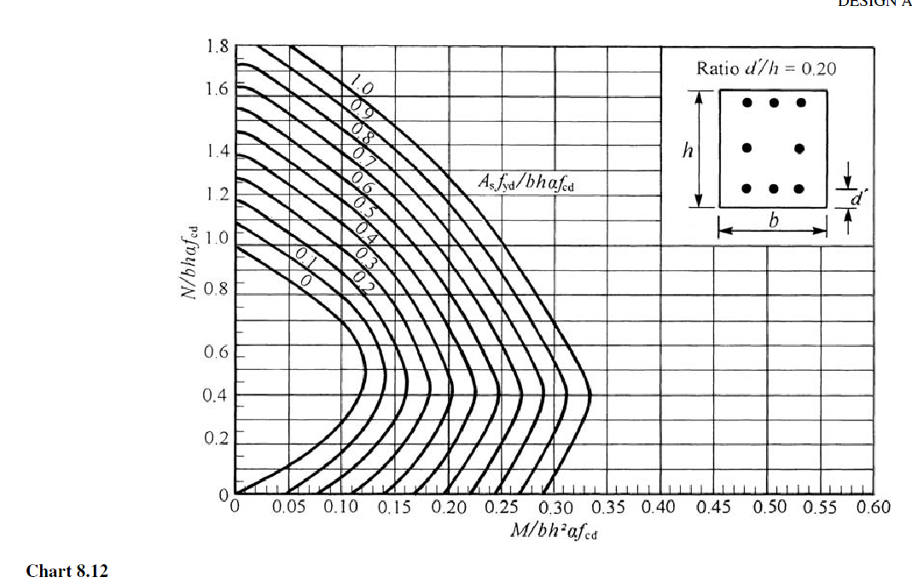

Void
Column Design as per Euro code

Grade of Concrete, fck |  |  |  |  |  | = | 30 | N/mm2
Axial tensile strength of concrete, fctm |  |  |  |  |  | = | 2.9 | N/mm2
(Refer Table 3.0, EN1992-1-1)
Material factor for concrete, gc |  |  |  |  |  | = | 1.5
Reduction factor for concrete compressive strength, a |  |  |  |  |  | = | 0.85
Design value of concrete cylinder compressive strength, fcd |  |  |  |  |  | = | 17 | N/mm2
Grade of Steel, fyk |  |  |  |  |  | = | 500 | N/mm2
Material factor for steel, gs |  |  |  |  |  | = | 1.15
Design yield strength of reinforcement, fyd |  |  |  |  |  | = | 435 | N/mm2
Length of pedestal, L |  |  |  |  |  | = | 1200 | mm
Width of pedestal, B |  |  |  |  |  | = | 850 | mm
Height of pedestal, H |  |  |  |  |  | = | 3720 | mm
Area of concrete, Ac |  |  |  |  |  | = | 3162000 | mm2
Cover to longitudinal reinforcement, c |  |  |  |  |  | = | 50 | mm
Diameter of longitudinal bar, Db |  |  |  |  |  | = | 32 | mm
Nos. of Longitudinal bar, Nb |  |  |  |  |  | = | 40
Area of longitudinal Reinforcement, Ast, provided |  |  |  |  |  | = | 32170 | mm2
Diameter of transevese bar, Dt |  |  |  |  |  | = | 8 | mm
d' = c + Db/2 |  |  |  |  |  | = | 66 | mm
X
Y

Beam number |  |  |  |  |  | = | 4
Critical load case for pedestal design |  |  |  |  |  | = | 2004
Axial load, Pu |  |  |  |  |  | = | 431 | kN
Moment about X-axis, Mx |  |  |  |  |  | = | 3548 | kN-m
Moment about Y-axis, My |  |  |  |  |  | = | 1602 | kN-m

mx | = | Mx |  |  |  | = | 0.24
 |  | L x B2 x fcd

my | = | My |  |  |  | = | 0.08
 |  | B x L2 x fcd

Mmax = Greater of Mx or My |  |  |  |  |  | = | 3548 | kN-m

Mmin = Lesser of Mx or My |  |  |  |  |  | = | 1602 | kN-m
Mmin / Mmax |  |  |  |  |  | = | 0.45

 |  | Pu |  |  |  | = | 0.02
 |  | L x B x fcd

Referring to chart |  | 8.21 | of Design Aid for Eurocode 2

1) For Mx

For values of
 | Mx | = | 0.24 | & | Pu | = | 0.02
 | B x L2 x fcd |  |  |  | L x B x fcd

 | As x fyd | = | 0.62
 | L x B x fcd

 | Therefore, As1 = |  | 24727 | mm2

2) For My

For values of
 | My | = | 0.08 | & | Pu | = | 0.02
 | B x L2 x fcd |  |  |  | L x B x fcd

 | As x fyd | = | 0.18
 | L x B x fcd

 | Therefore, As2 = |  | 7179 | mm2

 | Ast required |  | = | As1 + As2
 |  |  | = | 31906 | mm2 | < | 32170 | mm2
 |  |  |  |  |  |  | (Ast, provided)
 |  |  |  |  |  |  | Ok
The total amount of longitudinal reinforcement should not be less than As,min.

As, min | = | 6324 | mm2 | < | 31906 | mm2
 |  |  |  |  | Ok

The area of longitudinal reinforcement should not exceed As,max.
As,max = 0.04 Ac = |  | 126480 | mm2 | > | 31906 | mm2
 |  |  |  |  | Ok

