HLD
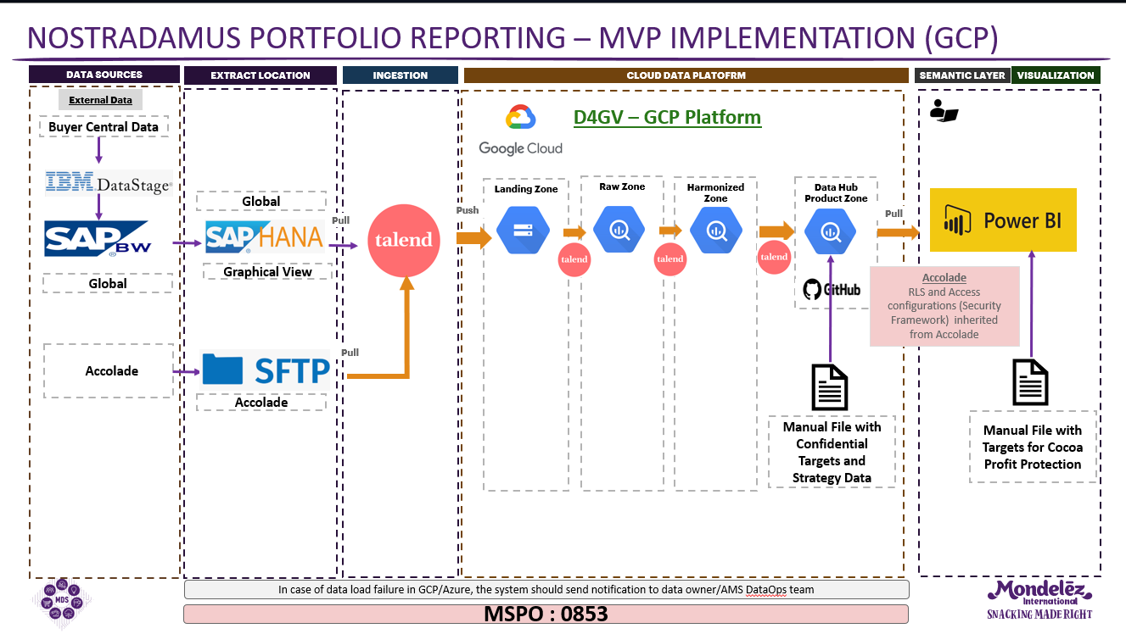

CDF
LANDING
RAW
SOURCES
Harmonized

Global
Global

SAP HANA global view

buyer_central_volt_productivity_details_glbl
buyer_central_volt_productivity_details_glbl
• buyer_central_volt_productivity_details_glbl
• nostradamus_combined_glbl
•nostradamus_efficiency_glbl
•nostradamus_sufficiency_glbl
One to one mapping from raw view

API report
* Combined
* Sufficient
* Efficoent
nostradamus_combined_glbl
nostradamus_combined_glbl

nostradamus_efficiency_glbl
nostradamus_efficiency_glbl

nostradamus_sufficiency_glbl
nostradamus_sufficiency_glbl

