Details
w1 = 0.15
w5 = 0.4
i1
h1
a_h1
o1
a_o1
E1 = ½ * (t1 - a_o1)²
 |  |  |  |  |  |  |  |  | 1 |  |  | 2
 |  |  |  |  |  |  |  |  | h1 = w1*i1 + w2*i2 |  |  | ∂E_total/∂w5 = ∂(E1 + E2)/∂w5 |  |  |  |  |  |  | 1600
 |  |  |  |  |  |  |  |  | h2 = w3*i1 + w4*i2 |  |  | ∂E_total/∂w5 = ∂E1/∂w5
E_Total
 |  |  |  |  |  |  |  |  | a_h1 = σ(h1) = 1/(1 + exp(-h1)) |  |  | ∂E_total/∂w5 = ∂E1/∂w5 = ∂E1/∂a_o1*∂a_o1/∂o1*∂o1/∂w5
w2 = 0.2
w6 = 0.45
t1
 |  |  |  |  |  |  |  |  | a_h2 = σ(h2) |  |  | ∂E1/∂a_o1 = ∂(½ * (t1 - a_o1)²)/∂a_o1 = (a_01 - t1) |  |  |  |  |  | chain rule - f(g(x)) = f'(g(x))*g'(x)
 |  |  |  |  |  |  |  |  | o1 = w5*a_h1 + w6*a_h2 |  |  | ∂a_o1/∂o1 = ∂(σ(o1))/∂o1 = a_o1 * (1 - a_o1) |  |  |  |  |  | d(σ(o1)) = σ(o1)(1-σ(o1)) = a_o1(1-a_o1)
w3 = 0.25
w7 = 0.5
t2
 |  |  |  |  |  |  |  |  | o2 = w7*a_h1 + w8*a_h2 |  |  | ∂o1/∂w5 = a_h1
i2
h2
a_h2
o2
a_o2
 |  |  |  |  |  |  |  |  | a_o1 = σ(o1) |  |  | 3
w4 = 0.3
w8 = 0.55
E2 = ½ * (t2 - a_o2)²
 |  |  |  |  |  |  |  |  | a_o2 = σ(o2) |  |  | ∂E_total/∂w5 = (a_01 - t1) * a_o1 * (1 - a_o1) * a_h1
 |  |  |  |  |  |  |  |  | E_total = E1 + E2 |  |  | ∂E_total/∂w6 = (a_01 - t1) * a_o1 * (1 - a_o1) * a_h2
 |  |  |  |  |  |  |  |  | E1 = ½ * (t1 - a_o1)² |  |  | ∂E_total/∂w7 = (a_02 - t2) * a_o2 * (1 - a_o2) * a_h1
 |  |  |  |  |  |  |  |  | E2 = ½ * (t2 - a_o2)² |  |  | ∂E_total/∂w8 = (a_02 - t2) * a_o2 * (1 - a_o2) * a_h2
Loss
 |  |  |  |  |  |  |  |  | 4
 |  | 5 |  |  |  |  |  |  | ∂E1/∂a_h1 = (a_01 - t1) * a_o1 * (1 - a_o1) * w5
 |  | ∂E_total/∂w1 = ∂E_total/∂a_h1 * ∂a_h1/∂h1 * ∂h1/∂w1 |  |  |  |  |  |  | ∂E2/∂a_h1 = (a_02 - t2) * a_o2 * (1 - a_o2) * w7
 |  | ∂E_total/∂w2 = ∂E_total/∂a_h1 * ∂a_h1/∂h1 * ∂h1/∂w2 |  |  |  |  |  |  | ∂E_total/∂a_h1 = (a_01 - t1) * a_o1 * (1 - a_o1) * w5 + (a_02 - t2) * a_o2 * (1 - a_o2) * w7
 |  | ∂E_total/∂w3 = ∂E_total/∂a_h2 * ∂a_h2/∂h2 * ∂h2/∂w3 |  |  |  |  |  |  | ∂E_total/∂a_h2 = (a_01 - t1) * a_o1 * (1 - a_o1) * w6 + (a_02 - t2) * a_o2 * (1 - a_o2) * w8

 |  | 6
 |  | ∂E_total/∂w1 = ((a_01 - t1) * a_o1 * (1 - a_o1) * w5 + (a_02 - t2) * a_o2 * (1 - a_o2) * w7) * a_h1 * (1 - a_h1) * i1
 |  | ∂E_total/∂w2 = ((a_01 - t1) * a_o1 * (1 - a_o1) * w5 + (a_02 - t2) * a_o2 * (1 - a_o2) * w7) * a_h1 * (1 - a_h1) * i2
 |  | ∂E_total/∂w3 = ((a_01 - t1) * a_o1 * (1 - a_o1) * w6 + (a_02 - t2) * a_o2 * (1 - a_o2) * w8) * a_h2 * (1 - a_h2) * i1
 |  | ∂E_total/∂w4 = ((a_01 - t1) * a_o1 * (1 - a_o1) * w6 + (a_02 - t2) * a_o2 * (1 - a_o2) * w8) * a_h2 * (1 - a_h2) * i2

 |  |  |  |  | η = | 1
t1 | t2 | i1 | i2 | w1 | w2 | w3 | w4 | h1 | a_h1 | h2 | a_h2 | w5 | w6 | w7 | w8 | o1 | a_o1 | o2 | a_o2 | E1 | E2 | E_tot | ∂E/∂w1 | ∂E/∂w2 | ∂E/∂w3 | ∂E/∂w4 | ∂E/∂w5 | ∂E/∂w6 | ∂E/∂w7 | ∂E/∂w8
0.5 | 0.5 | 0.05 | 0.1 | 0.15 | 0.2 | 0.25 | 0.3 | 0.0275 | 0.50687456676 | 0.0425 | 0.510623401 | 0.4 | 0.45 | 0.5 | 0.55 | 0.43253035716 | 0.60647773221 | 0.53428015393 | 0.63048083545 | 0.0056687537279 | 0.0085126242099 | 0.014181377938 | 0.00031699339591 | 0.00063398679182 | 0.00035186866514 | 0.00070373733027 | 0.012880818632 | 0.012976084911 | 0.015408348282 | 0.01552230812
0.5 | 0.5 | 0.05 | 0.1 | 0.1496830066 | 0.19936601321 | 0.24964813133 | 0.29929626267 | 0.027420751651 | 0.50685475841 | 0.042412032834 | 0.51060141912 | 0.38711918137 | 0.43702391509 | 0.48459165172 | 0.53447769188 | 0.41935823038 | 0.60332966984 | 0.51852265252 | 0.62680224822 | 0.0053385103344 | 0.0080394050771 | 0.013377915412 | 0.00029928076402 | 0.00059856152805 | 0.00033319699773 | 0.00066639399546 | 0.012534094667 | 0.012626746456 | 0.015034190402 | 0.015145322851
0.5 | 0.5 | 0.05 | 0.1 | 0.14938372584 | 0.19876745168 | 0.24931493434 | 0.29862986867 | 0.02734593146 | 0.50683605687 | 0.042328733584 | 0.51058060365 | 0.3745850867 | 0.42439716863 | 0.46955746132 | 0.51933236903 | 0.40654219085 | 0.60025847199 | 0.50314968664 | 0.62319923326 | 0.0050258806033 | 0.0075890255375 | 0.012614906141 | 0.00028239192639 | 0.00056478385278 | 0.00031536455906 | 0.00063072911811 | 0.012192875842 | 0.012282957819 | 0.014662708362 | 0.014771037667
0.5 | 0.5 | 0.05 | 0.1 | 0.14910133391 | 0.19820266783 | 0.24899956978 | 0.29799913956 | 0.027275333478 | 0.50681841067 | 0.042249892445 | 0.51056090218 | 0.36239221086 | 0.41211421081 | 0.45489475295 | 0.50456133136 | 0.39407644762 | 0.5972636347 | 0.48815832426 | 0.61967248474 | 0.004730107318 | 0.0071607518015 | 0.01189085912 | 0.00026630550548 | 0.00053261101095 | 0.00029835069925 | 0.0005967013985 | 0.011857408902 | 0.011944967386 | 0.014294423663 | 0.014399977759
0.5 | 0.5 | 0.05 | 0.1 | 0.14883502841 | 0.19767005682 | 0.24870121908 | 0.29740243816 | 0.027208757102 | 0.50680176966 | 0.04217530477 | 0.51054226356 | 0.35053480196 | 0.40016924343 | 0.44060032929 | 0.4901613536 | 0.38195496931 | 0.59434453109 | 0.47354511358 | 0.61622249327 | 0.0044504452736 | 0.0067538339707 | 0.011204279244 | 0.00025099878843 | 0.00050199757687 | 0.00028213333628 | 0.00056426667256 | 0.011527906868 | 0.011612989573 | 0.013929815829 | 0.014032626029
0.5 | 0.5 | 0.05 | 0.1 | 0.14858402962 | 0.19716805924 | 0.24841908574 | 0.29683817149 | 0.027146007405 | 0.50678608513 | 0.042104771436 | 0.51052463805 | 0.33900689509 | 0.38855625386 | 0.42667051346 | 0.47612872757 | 0.37017151806 | 0.59150042259 | 0.45930612547 | 0.61284955691 | 0.0041861636673 | 0.0063675112476 | 0.010553674915 | 0.00023644798308 | 0.00047289596615 | 0.00026668921642 | 0.00053337843283 | 0.011204550867 | 0.011287206662 | 0.013569322901 | 0.013669423581
0.5 | 0.5 | 0.05 | 0.1 | 0.14834758164 | 0.19669516327 | 0.24815239653 | 0.29630479305 | 0.027086895409 | 0.50677130985 | 0.042038099132 | 0.51050797735 | 0.32780234422 | 0.37726904719 | 0.41310119056 | 0.46245930399 | 0.35871968155 | 0.58873046977 | 0.44543699533 | 0.60955379261 | 0.003936548133 | 0.0060010167372 | 0.0099375648702 | 0.00022262845644 | 0.00044525691288 | 0.00025199415767 | 0.00050398831534 | 0.010887492007 | 0.010967770698 | 0.013213342221 | 0.013310770519
0.5 | 0.5 | 0.05 | 0.1 | 0.14812495318 | 0.19624990636 | 0.24790040237 | 0.29580080474 | 0.027031238295 | 0.50675739812 | 0.041975100592 | 0.51049223466 | 0.31691485222 | 0.3663012765 | 0.39988784834 | 0.44914853347 | 0.34759290313 | 0.58603374275 | 0.43193296411 | 0.60633514783 | 0.0037009024459 | 0.0056535818318 | 0.0093544842777 | 0.00020951495524 | 0.00041902991048 | 0.00023802327522 | 0.00047604655043 | 0.010576853273 | 0.010654805402 | 0.0128622315 | 0.012957027023
0.5 | 0.5 | 0.05 | 0.1 | 0.14791543823 | 0.19583087645 | 0.24766237909 | 0.29532475819 | 0.026978859556 | 0.50674430582 | 0.041915594773 | 0.51047736475 | 0.30633799894 | 0.35564647109 | 0.38702561684 | 0.43619150645 | 0.33678450997 | 0.58340923113 | 0.41878891828 | 0.60319341236 | 0.0034785499188 | 0.0053244401769 | 0.0088029900957 | 0.00019708180781 | 0.00039416361562 | 0.00022475118851 | 0.00044950237702 | 0.010272731429 | 0.01034840808 | 0.012516310098 | 0.012608514633
0.5 | 0.5 | 0.05 | 0.1 | 0.14771835642 | 0.19543671283 | 0.2474376279 | 0.29487525581 | 0.026929589104 | 0.50673199044 | 0.041859406976 | 0.51046332396 | 0.29606526751 | 0.34529806301 | 0.37450930674 | 0.42358299182 | 0.32628773931 | 0.58085585344 | 0.40599942842 | 0.60012823002 | 0.0032688345177 | 0.0050128312235 | 0.0082816657412 | 0.0001853031075 | 0.00037060621499 | 0.00021215220985 | 0.0004243044197 | 0.0099751988939 | 0.010048651517 | 0.012175860486 | 0.012265517735
0.5 | 0.5 | 0.05 | 0.1 | 0.14753305331 | 0.19506610662 | 0.24722547569 | 0.29445095139 | 0.026883263327 | 0.50672041109 | 0.041806368924 | 0.51045007025 | 0.28609006862 | 0.3352494115 | 0.36233344626 | 0.41131747408 | 0.31609576283 | 0.57837246607 | 0.39355878638 | 0.59713911031 | 0.0030711217191 | 0.0047180033764 | 0.0077891250955 | 0.00017415287779 | 0.00034830575558 | 0.00020020051471 | 0.00040040102941 | 0.0096843055838 | 0.0097555858365 | 0.011841129863 | 0.011928285181
0.5 | 0.5 | 0.05 | 0.1 | 0.14735890043 | 0.19471780086 | 0.24702527518 | 0.29405055036 | 0.026839725108 | 0.5067095285 | 0.041756318795 | 0.51043756317 | 0.27640576304 | 0.32549382566 | 0.35049231639 | 0.3993891889 | 0.30620170906 | 0.57595787169 | 0.38146104073 | 0.59422543981 | 0.0028847991356 | 0.0044392167532 | 0.0073240158888 | 0.00016360521961 | 0.00032721043922 | 0.0001888702941 | 0.0003777405882 | 0.0094000807077 | 0.0094692403047 | 0.011512331874 | 0.011597032023
0.5 | 0.5 | 0.05 | 0.1 | 0.14719529521 | 0.19439059042 | 0.24683640489 | 0.29367280977 | 0.026798823803 | 0.50669930502 | 0.041709101222 | 0.51042576392 | 0.26700568233 | 0.31602458536 | 0.33897998452 | 0.38779215688 | 0.29659868407 | 0.57361082708 | 0.36970003049 | 0.59138649324 | 0.0027092769315 | 0.0041757455729 | 0.0068850225044 | 0.00015363444142 | 0.00030726888284 | 0.00017813588979 | 0.00035627177958 | 0.0091225345015 | 0.0091896250809 | 0.011189648408 | 0.011271941327
0.5 | 0.5 | 0.05 | 0.1 | 0.14704166077 | 0.19408332154 | 0.246658269 | 0.29331653799 | 0.026760415193 | 0.50668970458 | 0.041664567249 | 0.51041463526 | 0.25788314783 | 0.30683496027 | 0.32779033611 | 0.37652021555 | 0.28727979032 | 0.57133005053 | 0.35826941706 | 0.58862144427 | 0.0025439880541 | 0.0039268801924 | 0.0064708682464 | 0.00014421517307 | 0.00028843034613 | 0.00016797191291 | 0.00033594382582 | 0.0088516598959 | 0.0089167328965 | 0.010873231448 | 0.010953166038
0.5 | 0.5 | 0.05 | 0.1 | 0.1468974456 | 0.1937948912 | 0.24649029708 | 0.29298059417 | 0.026724361399 | 0.50668069275 | 0.041622574271 | 0.51040414157 | 0.24903148793 | 0.29791822738 | 0.31691710466 | 0.36556704952 | 0.27823814392 | 0.56911422863 | 0.34716271423 | 0.58592937584 | 0.0023883882994 | 0.003691928816 | 0.0060803171154 | 0.00013532246409 | 0.00027064492819 | 0.00015835334708 | 0.00031670669416 | 0.0085874341095 | 0.0086505406614 | 0.010563204946 | 0.010640830862
0.5 | 0.5 | 0.05 | 0.1 | 0.14676212313 | 0.19352424627 | 0.24633194374 | 0.29266388747 | 0.026690530783 | 0.5066722366 | 0.041582985934 | 0.51039424876 | 0.24044405382 | 0.28926768672 | 0.30635389972 | 0.35492621865 | 0.26946689018 | 0.5669620226 | 0.3363733163 | 0.58330929 | 0.0022419562356 | 0.0034702189002 | 0.0057121751358 | 0.00012693186773 | 0.00025386373546 | 0.00014925563684 | 0.00029851127368 | 0.0083298201645 | 0.0083910109891 | 0.010259666694 | 0.010335034163
0.5 | 0.5 | 0.05 | 0.1 | 0.14663519127 | 0.19327038253 | 0.2461826881 | 0.2923653762 | 0.026658797816 | 0.50666430477 | 0.041545672025 | 0.51038492431 | 0.23211423366 | 0.28087667573 | 0.29609423302 | 0.34459118449 | 0.26095921771 | 0.56487207412 | 0.32589452434 | 0.58076011736 | 0.0021041930006 | 0.0032610982782 | 0.0053652912788 | 0.00011901951143 | 0.00023803902285 | 0.00014065476252 | 0.00028130952503 | 0.0080787683195 | 0.008138093642 | 0.0099626901878 | 0.010035849831
0.5 | 0.5 | 0.05 | 0.1 | 0.14651617175 | 0.19303234351 | 0.24604203334 | 0.29208406667 | 0.026629042939 | 0.50665686737 | 0.041510508334 | 0.51037613718 | 0.22403546534 | 0.27273858209 | 0.28613154284 | 0.33455533466 | 0.25270837103 | 0.56284301066 | 0.31571957053 | 0.57828072596 | 0.0019746219944 | 0.0030639360282 | 0.0050385580226 | 0.0001115621551 | 0.0002231243102 | 0.00013252730256 | 0.00026505460512 | 0.007834217421 | 0.0078917268919 | 0.0096723264495 | 0.0097433291223
0.5 | 0.5 | 0.05 | 0.1 | 0.1464046096 | 0.1928092192 | 0.24590950603 | 0.29181901207 | 0.0266011524 | 0.50664989597 | 0.041477376509 | 0.51036785779 | 0.21620124792 | 0.26484685519 | 0.27645921639 | 0.32481200554 | 0.24470766189 | 0.56087345036 | 0.30584164067 | 0.57586992963 | 0.0018527884794 | 0.0028781231114 | 0.0047309115908 | 0.00010453723813 | 0.00020907447626 | 0.00012485048436 | 0.00024970096872 | 0.0075960961703 | 0.007651838796 | 0.0093886058088 | 0.0094575024536
0.5 | 0.5 | 0.05 | 0.1 | 0.14630007236 | 0.19260014472 | 0.24578465555 | 0.2915693111 | 0.02657501809 | 0.50664336355 | 0.041446163888 | 0.51036005799 | 0.20860515175 | 0.2571950164 | 0.26707061058 | 0.31535450308 | 0.23695047922 | 0.55896200652 | 0.29625389493 | 0.57352649591 | 0.0017382591063 | 0.0027030728005 | 0.0044413319068 | 9.7922916144E-05 | 0.00019584583229 | 0.00011760222466 | 0.00023520444933 | 0.007364324308 | 0.0074183483911 | 0.009111539625 | 0.0091783811373
0.5 | 0.5 | 0.05 | 0.1 | 0.14620214945 | 0.19240429889 | 0.24566705333 | 0.29133410665 | 0.026550537361 | 0.50663724444 | 0.041416763331 | 0.510352711 | 0.20124082744 | 0.24977666801 | 0.25795907095 | 0.30617612195 | 0.22943029794 | 0.5571072916 | 0.28694948677 | 0.57124915331 | 0.0016306213768 | 0.0025382209236 | 0.0041688423004 | 9.1698088612E-05 | 0.00018339617722 | 0.00011076116054 | 0.00022152232109 | 0.0071388137175 | 0.0071911668042 | 0.0088411219442 | 0.0089059590505
0.5 | 0.5 | 0.05 | 0.1 | 0.14611045136 | 0.19222090271 | 0.24555629216 | 0.29111258433 | 0.026527612839 | 0.50663151432 | 0.041389073041 | 0.51034579139 | 0.19410201372 | 0.2425855012 | 0.24911794901 | 0.2972701629 | 0.22214068674 | 0.5553079209 | 0.27792158029 | 0.56903659818 | 0.0015294830569 | 0.0023830259439 | 0.0039125090008 | 8.5842418255E-05 | 0.00017168483651 | 0.00010430667195 | 0.00020861334389 | 0.0069194694483 | 0.0069701982838 | 0.0085773310845 | 0.0086402142318
0.5 | 0.5 | 0.05 | 0.1 | 0.14602460894 | 0.19204921788 | 0.24545198549 | 0.29090397099 | 0.026506152235 | 0.50662615012 | 0.041362996373 | 0.51033927502 | 0.18718254427 | 0.23561530292 | 0.24054061792 | 0.28862994866 | 0.21507531465 | 0.55356251581 | 0.26916336595 | 0.56688750101 | 0.0014344715502 | 0.0022369688956 | 0.0036714404458 | 8.0336343158E-05 | 0.00016067268632 | 9.821889672E-05 | 0.00019643779344 | 0.0067061906633 | 0.0067553411534 | 0.0083201311437 | 0.0083811104005
0.5 | 0.5 | 0.05 | 0.1 | 0.1459442726 | 0.19188854519 | 0.2453537666 | 0.29070753319 | 0.026486068149 | 0.50662112997 | 0.041338441649 | 0.51033313896 | 0.18047635361 | 0.22885996176 | 0.23222048678 | 0.28024883826 | 0.20822795687 | 0.55186970681 | 0.26066807474 | 0.56480051227 | 0.0013452332421 | 0.0020995531955 | 0.0034447864375 | 7.5161082485E-05 | 0.00015032216497 | 9.247873901E-05 | 0.00018495747802 | 0.0064988715113 | 0.0065464886911 | 0.0080694734276 | 0.0081285983951
0.5 | 0.5 | 0.05 | 0.1 | 0.14586911151 | 0.19173822303 | 0.24526128786 | 0.29052257571 | 0.026467277878 | 0.50661643323 | 0.041315321964 | 0.5103273615 | 0.1739774821 | 0.22231347307 | 0.22415101335 | 0.27212023987 | 0.20159249958 | 0.55022813599 | 0.25242899091 | 0.56277426776 | 0.0012614328225 | 0.0019703043467 | 0.0032317371691 | 7.02986366E-05 | 0.0001405972732 | 8.7067871866E-05 | 0.00017413574373 | 0.0062974019295 | 0.0063435299375 | 0.0078252977964 | 0.0078826175297
0.5 | 0.5 | 0.05 | 0.1 | 0.14579881288 | 0.19159762575 | 0.24517421999 | 0.29034843997 | 0.026449703219 | 0.50661204033 | 0.041293554996 | 0.51032192208 | 0.16768008017 | 0.21596994314 | 0.21632571556 | 0.26423762234 | 0.19516294403 | 0.54863645947 | 0.24443946345 | 0.5608073935 | 0.0011827525947 | 0.0018487695523 | 0.003031522147 | 6.5731782362E-05 | 0.00013146356472 | 8.1968734788E-05 | 0.00016393746958 | 0.0061016683786 | 0.0061463504358 | 0.0075875339288 | 0.0076430968673
0.5 | 0.5 | 0.05 | 0.1 | 0.14573308109 | 0.19146616219 | 0.24509225125 | 0.2901845025 | 0.026433270273 | 0.50660793282 | 0.041273062813 | 0.51031680122 | 0.16157841179 | 0.2098235927 | 0.20873818163 | 0.25659452547 | 0.18893340983 | 0.54709334937 | 0.23669291614 | 0.55889851021 | 0.0011088917773 | 0.0017345172524 | 0.0028434090297 | 6.1444064262E-05 | 0.00012288812852 | 7.716452694E-05 | 0.00015432905388 | 0.0059115545137 | 0.0059548329077 | 0.0073561025044 | 0.0074099564107
0.5 | 0.5 | 0.05 | 0.1 | 0.14567163703 | 0.19134327406 | 0.24501508672 | 0.29003017345 | 0.026417909257 | 0.50660409323 | 0.041253771681 | 0.51031198049 | 0.15566685728 | 0.20386875979 | 0.20138207912 | 0.24918456906 | 0.18289813765 | 0.54559749563 | 0.22918285653 | 0.55704623735 | 0.0010395658041 | 0.0016271365979 | 0.0026667024019 | 5.7419782064E-05 | 0.00011483956413 | 7.2639196665E-05 | 0.00014527839333 | 0.005726941796 | 0.0057688578697 | 0.007130916305 | 0.007183108212
0.5 | 0.5 | 0.05 | 0.1 | 0.14561421725 | 0.19122843449 | 0.24494244753 | 0.28988489505 | 0.026403554312 | 0.50660050512 | 0.041235611882 | 0.51030744247 | 0.14993991548 | 0.19809990192 | 0.19425116282 | 0.24200146085 | 0.17705149122 | 0.54414760758 | 0.22190288376 | 0.55524919681 | 0.00097450562739 | 0.0015262368742 | 0.0025007425016 | 5.3643975499E-05 | 0.000107287951 | 6.837742789E-05 | 0.00013675485578 | 0.0055477100475 | 0.0055883041909 | 0.0069118812381 | 0.006962457403
0.5 | 0.5 | 0.05 | 0.1 | 0.14556057327 | 0.19112114654 | 0.2448740701 | 0.2897481402 | 0.026390143318 | 0.50659715296 | 0.041218517525 | 0.51030317069 | 0.14439220543 | 0.19251159773 | 0.18733928158 | 0.23503900345 | 0.1713879589 | 0.5427424152 | 0.21484669538 | 0.5535060162 | 0.00091345702848 | 0.0014314468849 | 0.0023449039134 | 5.0102406554E-05 | 0.00010020481311 | 6.4364623938E-05 | 0.00012872924788 | 0.0053737379529 | 0.0054130495993 | 0.0066988972829 | 0.0067479031489
0.5 | 0.5 | 0.05 | 0.1 | 0.14551047087 | 0.19102094173 | 0.24480970548 | 0.28961941095 | 0.026377617716 | 0.5065940221 | 0.041202426369 | 0.51029914961 | 0.13901846748 | 0.18709854813 | 0.1806403843 | 0.2282911003 | 0.16590215459 | 0.54138067033 | 0.20800809318 | 0.5518153318 | 0.00085617993857 | 0.0013424143048 | 0.0021985942434 | 4.678153979E-05 | 9.356307958E-05 | 6.0586889242E-05 | 0.00012117377848 | 0.0052049035123 | 0.0052429711371 | 0.006491859364 | 0.0065393395269
0.5 | 0.5 | 0.05 | 0.1 | 0.14546368933 | 0.19092737865 | 0.24474911859 | 0.28949823717 | 0.026365922331 | 0.50659109876 | 0.041187279646 | 0.51029536454 | 0.13381356397 | 0.181855577 | 0.17414852493 | 0.22175176077 | 0.16058881836 | 0.5400611476 | 0.20138098819 | 0.5501757912 | 0.00080244777345 | 0.0012588050113 | 0.0020612527847 | 4.3668521134E-05 | 8.7337042268E-05 | 5.7031009363E-05 | 0.00011406201873 | 0.0050410844484 | 0.005077945571 | 0.0062906581536 | 0.0063366563359
0.5 | 0.5 | 0.05 | 0.1 | 0.1454200208 | 0.19084004161 | 0.24469208758 | 0.28938417515 | 0.026355005201 | 0.50658836996 | 0.041173021894 | 0.51029180161 | 0.12877247952 | 0.17677763142 | 0.16785786678 | 0.21541510443 | 0.15544281652 | 0.53878264519 | 0.19495940485 | 0.54858605565 | 0.00075204678384 | 0.0011803024016 | 0.0019323491854 | 4.0751155484E-05 | 8.1502310968E-05 | 5.3684429702E-05 | 0.0001073688594 | 0.0048821585707 | 0.0049178497584 | 0.0060951808083 | 0.0061397398367
0.5 | 0.5 | 0.05 | 0.1 | 0.14537926965 | 0.1907585393 | 0.24463840315 | 0.28927680629 | 0.026344817412 | 0.50658582345 | 0.041159600787 | 0.51028844776 | 0.12389032095 | 0.17185978167 | 0.16176268597 | 0.2092753646 | 0.15045914147 | 0.53754398549 | 0.18873748443 | 0.54704480209 | 0.0007047754234 | 0.0011066067018 | 0.0018113821252 | 3.8017883466E-05 | 7.6035766932E-05 | 5.0535233234E-05 | 0.00010107046647 | 0.0047280041007 | 0.0047625609756 | 0.0059053116408 | 0.0059484734298
0.5 | 0.5 | 0.05 | 0.1 | 0.14534125177 | 0.19068250353 | 0.24458786791 | 0.28917573583 | 0.026335312941 | 0.50658344774 | 0.041146966978 | 0.51028529064 | 0.11916231685 | 0.16709722069 | 0.15585737433 | 0.20332689117 | 0.14563291113 | 0.53634401563 | 0.1827094878 | 0.545550725 | 0.00066044373592 | 0.0010374342739 | 0.0016978780099 | 3.5457757617E-05 | 7.0915515233E-05 | 4.7572117552E-05 | 9.5144235104E-05 | 0.0045784999604 | 0.0046119572075 | 0.0057209327326 | 0.0057627382719
0.5 | 0.5 | 0.05 | 0.1 | 0.14530579401 | 0.19061158802 | 0.2445402958 | 0.28908059159 | 0.026326448502 | 0.50658123202 | 0.041135073949 | 0.51028231864 | 0.11458381689 | 0.16248526348 | 0.1501364416 | 0.1975641529 | 0.14095936812 | 0.53518160777 | 0.17686979758 | 0.54410253793 | 0.00061887276273 | 0.00097251692579 | 0.0015913896885 | 3.3060418235E-05 | 6.612083647E-05 | 4.4784371476E-05 | 8.9568742952E-05 | 0.0044335260281 | 0.0044659174055 | 0.0055419244907 | 0.0055824138363
0.5 | 0.5 | 0.05 | 0.1 | 0.14527273359 | 0.19054546718 | 0.24449551142 | 0.28899102285 | 0.026318183397 | 0.5065791661 | 0.041123877856 | 0.5102795208 | 0.11015029086 | 0.15801934608 | 0.14459451711 | 0.19198173906 | 0.13643387868 | 0.53405565947 | 0.17121291971 | 0.54269897486 | 0.00057989397102 | 0.00091160122692 | 0.0014914951979 | 3.0816069119E-05 | 6.1632138239E-05 | 4.2161851453E-05 | 8.4323702906E-05 | 0.0042929633628 | 0.0043243217135 | 0.0053681661506 | 0.0054073784202
0.5 | 0.5 | 0.05 | 0.1 | 0.14524191752 | 0.19048383504 | 0.24445334957 | 0.28890669915 | 0.02631047938 | 0.50657724043 | 0.041113337393 | 0.5102768868 | 0.1058573275 | 0.15369502436 | 0.13922635096 | 0.18657436064 | 0.13205193139 | 0.53296509378 | 0.16573348457 | 0.54133879136 | 0.0005433487039 | 0.00085444783544 | 0.0013977965393 | 2.8715453366E-05 | 5.7430906732E-05 | 3.9694957924E-05 | 7.9389915848E-05 | 0.0041566944011 | 0.0041870516658 | 0.0051995362308 | 0.0052375096015
0.5 | 0.5 | 0.05 | 0.1 | 0.14521320207 | 0.19042640413 | 0.24441365462 | 0.28882730923 | 0.026303300517 | 0.50657544602 | 0.041103413654 | 0.51027440691 | 0.10170063309 | 0.1495079727 | 0.13402681473 | 0.18133685104 | 0.12780913567 | 0.53190885934 | 0.16042624756 | 0.54002076555 | 0.00050908765211 | 0.00080083083747 | 0.0013099184896 | 2.6749829379E-05 | 5.3499658757E-05 | 3.7374611828E-05 | 7.4749223656E-05 | 0.004024603128 | 0.0040539903589 | 0.0050359129418 | 0.005072684651
0.5 | 0.5 | 0.05 | 0.1 | 0.14518645224 | 0.19037290448 | 0.24437628 | 0.28875256001 | 0.026296613059 | 0.50657377445 | 0.041094070001 | 0.51027207198 | 0.097676029966 | 0.14545398234 | 0.12899090178 | 0.17626416639 | 0.12370122012 | 0.53088593038 | 0.15528608939 | 0.5387436989 | 0.00047697034781 | 0.00075053710219 | 0.00122750745 | 2.4910947225E-05 | 4.982189445E-05 | 3.5192231374E-05 | 7.0384462747E-05 | 0.0038965752245 | 0.0039250226003 | 0.0048771745512 | 0.0049127809003
0.5 | 0.5 | 0.05 | 0.1 | 0.14516154129 | 0.19032308258 | 0.24434108777 | 0.28868217554 | 0.026290385323 | 0.50657221778 | 0.041085271943 | 0.5102698734 | 0.093779454742 | 0.14152895974 | 0.12411372723 | 0.17135138549 | 0.11972403074 | 0.52989530666 | 0.15030801584 | 0.53750641689 | 0.00044686468011 | 0.00070336565405 | 0.0011502303342 | 2.319102544E-05 | 4.6382050881E-05 | 3.3139709197E-05 | 6.6279418394E-05 | 0.0037724981937 | 0.0038000350357 | 0.0047231997114 | 0.0047576760709
0.5 | 0.5 | 0.05 | 0.1 | 0.14513835027 | 0.19027670053 | 0.24430794806 | 0.28861589613 | 0.026284587566 | 0.5065707686 | 0.041076987016 | 0.51026780304 | 0.090006956548 | 0.1377289247 | 0.11939052752 | 0.16659370942 | 0.11587352898 | 0.52893601328 | 0.14548715739 | 0.53630776952 | 0.00041864643241 | 0.00065912706388 | 0.0010777734963 | 2.1582728365E-05 | 4.316545673E-05 | 3.1209389989E-05 | 6.2418779978E-05 | 0.0036522614677 | 0.0036789162557 | 0.004573867749 | 0.004607248567
0.5 | 0.5 | 0.05 | 0.1 | 0.14511676754 | 0.19023353507 | 0.24427673867 | 0.28855347735 | 0.026279191884 | 0.50656941991 | 0.041069184668 | 0.51026585328 | 0.086354695081 | 0.13405000845 | 0.11481665977 | 0.16198646085 | 0.11214578974 | 0.52800710056 | 0.1408187684 | 0.5351466317 | 0.00039219884091 | 0.00061764285977 | 0.0010098417007 | 2.0079144089E-05 | 4.0158288177E-05 | 2.9394048678E-05 | 5.8788097356E-05 | 0.003535756497 | 0.0035615568865 | 0.0044290589225 | 0.0044613777332
0.5 | 0.5 | 0.05 | 0.1 | 0.14509668839 | 0.19019337679 | 0.24424734462 | 0.28849468925 | 0.026274172098 | 0.50656816518 | 0.041061836156 | 0.51026401692 | 0.082818938583 | 0.13048845156 | 0.11038760085 | 0.15752508312 | 0.10853699922 | 0.52710764372 | 0.1362982261 | 0.5340219035 | 0.00036741217414 | 0.0005787449588 | 0.00094615713293 | 1.8673763055E-05 | 3.734752611E-05 | 2.7686869222E-05 | 5.5373738443E-05 | 0.003422876824 | 0.0034478496631 | 0.0042886546481 | 0.0043199440833
0.5 | 0.5 | 0.05 | 0.1 | 0.14507801463 | 0.19015602926 | 0.24421965775 | 0.28843931551 | 0.026269503657 | 0.50656699827 | 0.041054914439 | 0.51026228722 | 0.07939606176 | 0.1270406019 | 0.1060989462 | 0.15320513903 | 0.10504345277 | 0.52623674267 | 0.13192102935 | 0.53293251038 | 0.00034418333288 | 0.00054227511993 | 0.00088645845281 | 1.7360457366E-05 | 3.4720914732E-05 | 2.6081424055E-05 | 5.2162848111E-05 | 0.0033135181414 | 0.003337689489 | 0.0041525376978 | 0.0041828294988
0.5 | 0.5 | 0.05 | 0.1 | 0.14506065417 | 0.19012130834 | 0.24419357633 | 0.28838715266 | 0.026265163543 | 0.50656591343 | 0.041048394083 | 0.51026065782 | 0.076082543618 | 0.12370291241 | 0.1019464085 | 0.14902230953 | 0.10166155266 | 0.52539352161 | 0.12768279724 | 0.53187740324 | 0.0003224154699 | 0.00050808441859 | 0.00083049988849 | 1.6133460815E-05 | 3.226692163E-05 | 2.4571654235E-05 | 4.914330847E-05 | 0.0032075783395 | 0.0032309734827 | 0.0040205923718 | 0.0040499174028
0.5 | 0.5 | 0.05 | 0.1 | 0.14504452071 | 0.19008904142 | 0.24416900468 | 0.28833800935 | 0.026261130178 | 0.50656490526 | 0.041042251169 | 0.51025912274 | 0.072874965279 | 0.12047193893 | 0.097925816132 | 0.14497239213 | 0.098387805753 | 0.52457712876 | 0.1235792674 | 0.53085555842 | 0.00030201762898 | 0.00047603274284 | 0.00077805037182 | 1.4987349677E-05 | 2.9974699355E-05 | 2.3151850293E-05 | 4.6303700585E-05 | 0.00310495754 | 0.0031276010123 | 0.0038927046474 | 0.0039210929099
0.5 | 0.5 | 0.05 | 0.1 | 0.14502953336 | 0.19005906672 | 0.24414585283 | 0.28829170565 | 0.02625738334 | 0.50656396871 | 0.041036463207 | 0.51025767636 | 0.069770007739 | 0.11734433791 | 0.094033111485 | 0.14105129922 | 0.095218821215 | 0.5237867359 | 0.11960629433 | 0.52986597768 | 0.00028290440246 | 0.00044598831134 | 0.0007288927138 | 1.3917024257E-05 | 2.7834048514E-05 | 2.1816633827E-05 | 4.3633267653E-05 | 0.0030055581204 | 0.0030274737198 | 0.0037687623061 | 0.0037962429541
0.5 | 0.5 | 0.05 | 0.1 | 0.14501561634 | 0.19003123267 | 0.24412403619 | 0.28824807238 | 0.026253904084 | 0.50656309905 | 0.041031009048 | 0.51025631339 | 0.066764449618 | 0.11431686419 | 0.090264349179 | 0.13725505627 | 0.092151308187 | 0.52302153804 | 0.11575984746 | 0.528907688 | 0.00026499560683 | 0.00041782721263 | 0.00068282281946 | 1.2917691204E-05 | 2.5835382408E-05 | 2.0560939831E-05 | 4.1121879662E-05 | 0.0029092847292 | 0.0029304955361 | 0.0036486550419 | 0.0036752563975
0.5 | 0.5 | 0.05 | 0.1 | 0.14500269865 | 0.19000539729 | 0.24410347525 | 0.28820695051 | 0.026250674662 | 0.50656229183 | 0.041025868813 | 0.51025502887 | 0.063855164889 | 0.11138636866 | 0.086615694137 | 0.13357979987 | 0.089182073427 | 0.52228075292 | 0.11203600917 | 0.52797974145 | 0.00024821597543 | 0.00039143296571 | 0.00063964894114 | 1.1984846598E-05 | 2.3969693195E-05 | 1.9379999766E-05 | 3.8759999532E-05 | 0.0028160442927 | 0.0028365726882 | 0.0035322745519 | 0.0035580241216
0.5 | 0.5 | 0.05 | 0.1 | 0.1449907138 | 0.1899814276 | 0.24408409525 | 0.28816819051 | 0.02624767845 | 0.50656154291 | 0.041021023813 | 0.51025381813 | 0.061039120596 | 0.10854979597 | 0.083083419585 | 0.13002177575 | 0.086308018958 | 0.52156362065 | 0.10843097273 | 0.52708121494 | 0.00023249486778 | 0.00036669610125 | 0.00059919096902 | 1.1114259786E-05 | 2.2228519572E-05 | 1.8269325366E-05 | 3.6538650731E-05 | 0.002725746014 | 0.0027456136976 | 0.0034195146099 | 0.0034444391018
0.5 | 0.5 | 0.05 | 0.1 | 0.14497959954 | 0.18995919908 | 0.24406582593 | 0.28813165185 | 0.026244899885 | 0.50656084839 | 0.041016456482 | 0.51025267678 | 0.058313374582 | 0.10580418227 | 0.079663904975 | 0.12657733665 | 0.08352613972 | 0.52086940319 | 0.10494104013 | 0.52621120994 | 0.00021776599474 | 0.00034351376313 | 0.00056127975787 | 1.0301957976E-05 | 2.0603915953E-05 | 1.7224693176E-05 | 3.4449386352E-05 | 0.0026383013664 | 0.0026575293741 | 0.0033102711275 | 0.003334396468
0.5 | 0.5 | 0.05 | 0.1 | 0.14496929758 | 0.18993859516 | 0.24404860123 | 0.28809720247 | 0.026242324395 | 0.50656020462 | 0.041012150309 | 0.51025160069 | 0.055675073216 | 0.1031466529 | 0.076353633847 | 0.12324294018 | 0.080833521228 | 0.52019738393 | 0.10156261988 | 0.52536885215 | 0.00020396715883 | 0.00032178932968 | 0.00052575648851 | 9.544211558E-06 | 1.9088423116E-05 | 1.624212981E-05 | 3.2484259621E-05 | 0.0025536240803 | 0.0025722328021 | 0.0032044422005 | 0.0032277935519
0.5 | 0.5 | 0.05 | 0.1 | 0.14495975337 | 0.18991950674 | 0.2440323591 | 0.28806471821 | 0.026239938343 | 0.50655960821 | 0.041008089776 | 0.51025058598 | 0.053121449136 | 0.1005744201 | 0.073149191647 | 0.12001514663 | 0.078227337251 | 0.51954686721 | 0.098292224754 | 0.52455329119 | 0.00019104000896 | 0.00030143205403 | 0.00049247206299 | 8.8375201388E-06 | 1.7675040278E-05 | 1.5317897904E-05 | 3.0635795809E-05 | 0.0024716301256 | 0.0024896393228 | 0.0031019281446 | 0.0031245299226
0.5 | 0.5 | 0.05 | 0.1 | 0.14495091585 | 0.1899018317 | 0.24401704121 | 0.28803408241 | 0.026237728963 | 0.50655905596 | 0.041004260302 | 0.51024962902 | 0.05064981901 | 0.098084780774 | 0.070047263502 | 0.1168906167 | 0.075704847504 | 0.51891717786 | 0.095126469481 | 0.52376370017 | 0.00017892980904 | 0.00028235672294 | 0.00046128653198 | 8.1785992808E-06 | 1.6357198562E-05 | 1.4448482758E-05 | 2.8896965516E-05 | 0.0023922376894 | 0.002409666512 | 0.0030026315205 | 0.003024507412
0.5 | 0.5 | 0.05 | 0.1 | 0.14494273725 | 0.1898854745 | 0.24400259272 | 0.28800518545 | 0.026235684313 | 0.50655854489 | 0.041000648181 | 0.51024872636 | 0.048257581321 | 0.095675114262 | 0.067044631982 | 0.11386610929 | 0.07326339537 | 0.51830766067 | 0.092062068461 | 0.52299927536 | 0.00016758521965 | 0.00026448333349 | 0.00043206855314 | 7.5643679096E-06 | 1.5128735819E-05 | 1.3630579642E-05 | 2.7261159283E-05 | 0.0023153671499 | 0.0023322341538 | 0.0029064571494 | 0.0029276301302
0.5 | 0.5 | 0.05 | 0.1 | 0.14493517288 | 0.18987034577 | 0.24398896214 | 0.28797792429 | 0.026233793221 | 0.5065580722 | 0.040997240536 | 0.51024787481 | 0.045942214171 | 0.093342880108 | 0.064138174832 | 0.11093847916 | 0.070900405647 | 0.51771768 | 0.089095833424 | 0.52225923569 | 0.00015695809225 | 0.00024773678684 | 0.00040469487909 | 6.9919363763E-06 | 1.3983872753E-05 | 1.2861081746E-05 | 2.5722163492E-05 | 0.0022409410475 | 0.0022572642108 | 0.0028133121208 | 0.002833804473
0.5 | 0.5 | 0.05 | 0.1 | 0.14492818095 | 0.18985636189 | 0.24397610106 | 0.28795220212 | 0.026232045237 | 0.50655763528 | 0.040994025266 | 0.51024707133 | 0.043701273123 | 0.091085615897 | 0.061324862711 | 0.10810467469 | 0.068613382324 | 0.51714661921 | 0.086224671096 | 0.5215428224 | 0.00014700327516 | 0.00023204659855 | 0.00037904987371 | 6.4585951484E-06 | 1.2917190297E-05 | 1.2137068752E-05 | 2.4274137505E-05 | 0.0021688840523 | 0.0021846807918 | 0.0027231057924 | 0.0027429391222
0.5 | 0.5 | 0.05 | 0.1 | 0.14492172235 | 0.1898434447 | 0.24396396399 | 0.28792792799 | 0.026230430588 | 0.50655723168 | 0.040990990998 | 0.51024631308 | 0.041532389071 | 0.088900935105 | 0.058601756919 | 0.10536173557 | 0.0663999064 | 0.51659388025 | 0.083445580869 | 0.52084929853 | 0.00013767843091 | 0.00021734662458 | 0.00035502505549 | 5.9618041052E-06 | 1.192360821E-05 | 1.1455796004E-05 | 2.2911592008E-05 | 0.0020991229299 | 0.0021144101174 | 0.0026357497832 | 0.0026549450387
0.5 | 0.5 | 0.05 | 0.1 | 0.14491576055 | 0.18983152109 | 0.2439525082 | 0.2879050164 | 0.026228940137 | 0.50655685914 | 0.040988127049 | 0.5102455974 | 0.039433266141 | 0.086786524988 | 0.055966007136 | 0.10270679053 | 0.06425763373 | 0.51605888316 | 0.080755652482 | 0.52017794848 | 0.00012894386418 | 0.00020357480242 | 0.0003325186666 | 5.4991824135E-06 | 1.0998364827E-05 | 1.0814684252E-05 | 2.1629368504E-05 | 0.0020315865048 | 0.0020463804825 | 0.002551157962 | 0.00256973545
0.5 | 0.5 | 0.05 | 0.1 | 0.14491026136 | 0.18982052273 | 0.24394169351 | 0.28788338703 | 0.026227565341 | 0.5065565155 | 0.040985423378 | 0.51024492176 | 0.037401679636 | 0.084740144505 | 0.053414849174 | 0.10013705508 | 0.062184292913 | 0.51554106559 | 0.078152063707 | 0.51952807756 | 0.00012076235984 | 0.00019067290663 | 0.00031143526646 | 5.0684989591E-06 | 1.0136997918E-05 | 1.0211309952E-05 | 2.0422619903E-05 | 0.0019662056221 | 0.0019805222184 | 0.0024692464296 | 0.0024872258332
0.5 | 0.5 | 0.05 | 0.1 | 0.14490519287 | 0.18981038573 | 0.2439314822 | 0.28786296441 | 0.026226298216 | 0.50655619877 | 0.040982870551 | 0.51024428382 | 0.035435474014 | 0.082759622287 | 0.050945602744 | 0.097649829244 | 0.060177683221 | 0.51503988235 | 0.075632078058 | 0.51889901151 | 0.00011309903058 | 0.00017858631806 | 0.00029168534864 | 4.6676633091E-06 | 9.3353266183E-06 | 9.6433960903E-06 | 1.9286792181E-05 | 0.0019029131082 | 0.0019167676527 | 0.0023899334974 | 0.0024073338925
0.5 | 0.5 | 0.05 | 0.1 | 0.1449005252 | 0.18980105041 | 0.24392183881 | 0.28784367761 | 0.026225131301 | 0.50655590709 | 0.040980459702 | 0.51024368136 | 0.033532560906 | 0.080842854634 | 0.048555669247 | 0.095242495352 | 0.058235672567 | 0.51455480495 | 0.07319304253 | 0.51829009602 | 0.00010592117359 | 0.00016726380622 | 0.00027318497981 | 4.2947171821E-06 | 8.5894343641E-06 | 9.1088035181E-06 | 1.8217607036E-05 | 0.0018416437302 | 0.0018550510684 | 0.0023131396614 | 0.002329979534
0.5 | 0.5 | 0.05 | 0.1 | 0.14489623049 | 0.18979246097 | 0.24391273 | 0.28782546001 | 0.026224057621 | 0.50655563872 | 0.040978182501 | 0.5102431123 | 0.031690917176 | 0.078987803566 | 0.046242529586 | 0.092912515818 | 0.056356195517 | 0.51408532114 | 0.070832385353 | 0.51770069626 | 9.9198135768E-05 | 0.00015665732398 | 0.00025585545975 | 3.9478264001E-06 | 7.8956528003E-06 | 8.6055227606E-06 | 1.7211045521E-05 | 0.0017823341541 | 0.001795308662 | 0.0022387875739 | 0.0022550848361
0.5 | 0.5 | 0.05 | 0.1 | 0.14489228266 | 0.18978456532 | 0.24390412448 | 0.28780824896 | 0.026223070665 | 0.50655539202 | 0.04097603112 | 0.51024257468 | 0.029908583021 | 0.077192494904 | 0.044003742012 | 0.090657430982 | 0.054537251343 | 0.51363093445 | 0.068547613783 | 0.51713019639 | 9.2901186979E-05 | 0.00014672181422 | 0.0002396230012 | 3.6252733022E-06 | 7.2505466043E-06 | 8.1316662919E-06 | 1.6263332584E-05 | 0.0017249229033 | 0.0017374785012 | 0.0021668020114 | 0.0021825740177
0.5 | 0.5 | 0.05 | 0.1 | 0.14488865739 | 0.18977731477 | 0.24389599281 | 0.28779198563 | 0.026222164346 | 0.50655516548 | 0.040973998204 | 0.51024206667 | 0.028183660118 | 0.075455016403 | 0.04183694 | 0.088474856964 | 0.052776902125 | 0.51319116378 | 0.06633631193 | 0.51657799913 | 8.7003400972E-05 | 0.00013741502757 | 0.00022441842854 | 3.3254495935E-06 | 6.6508991871E-06 | 7.6854612439E-06 | 1.5370922488E-05 | 0.0016693503157 | 0.0016815004823 | 0.0020971098407 | 0.0021123734038
0.5 | 0.5 | 0.05 | 0.1 | 0.14488533194 | 0.18977066387 | 0.24388830735 | 0.28777661471 | 0.026221332984 | 0.50655495767 | 0.040972076838 | 0.51024158653 | 0.026514309802 | 0.07377351592 | 0.03973983016 | 0.08636248356 | 0.051073270887 | 0.51276554295 | 0.064196138613 | 0.51604352522 | 8.1479543465E-05 | 0.00012869735082 | 0.00021017689428 | 3.0468496111E-06 | 6.0936992222E-06 | 7.2652425317E-06 | 1.4530485063E-05 | 0.0016155585011 | 0.0016273162867 | 0.0020296399823 | 0.002044411389
0.5 | 0.5 | 0.05 | 0.1 | 0.14488228509 | 0.18976457017 | 0.24388104211 | 0.28776208422 | 0.026220571272 | 0.50655476728 | 0.040970260528 | 0.51024113264 | 0.024898751301 | 0.072146199634 | 0.037710190177 | 0.084318072171 | 0.049424539788 | 0.51235362028 | 0.062124825256 | 0.51552621302 | 7.6305967003E-05 | 0.00012053164545 | 0.00019683761245 | 2.788063982E-06 | 5.5761279641E-06 | 6.8694463733E-06 | 1.3738892747E-05 | 0.0015634912987 | 0.0015748693382 | 0.0019643233732 | 0.0019786183993

Error_Rates
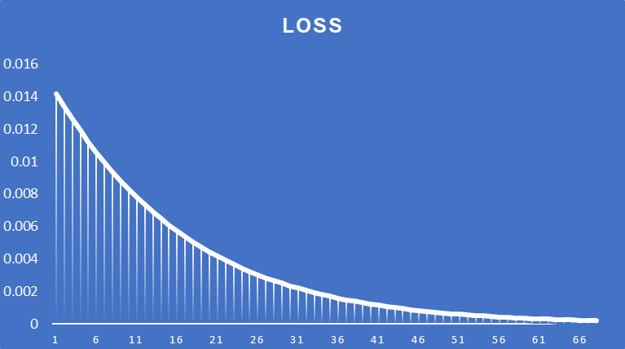
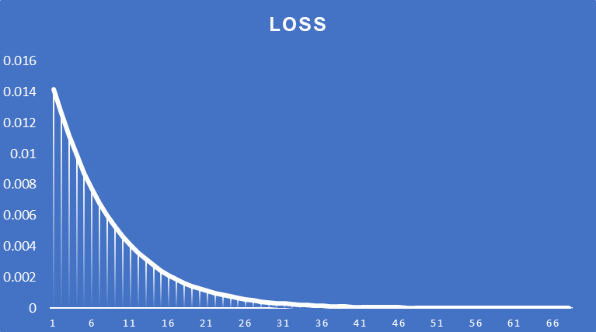
Error Rate | 0.1 | Learning rate is too small. Model doesn't learn enough and hence the loss is not reduced | Error Rate | 0.2 | Learning rate is too small. Model doesn't learn enough and hence the loss is not reduced

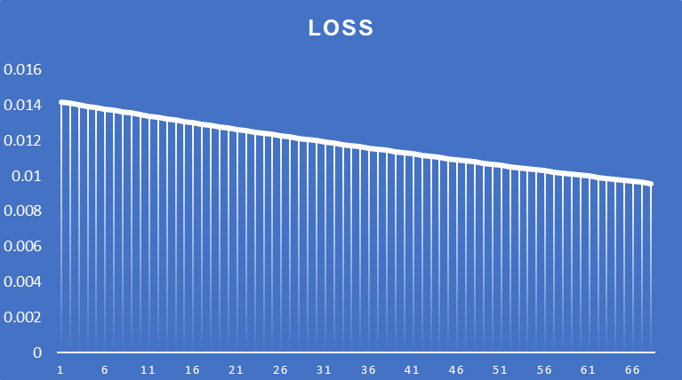
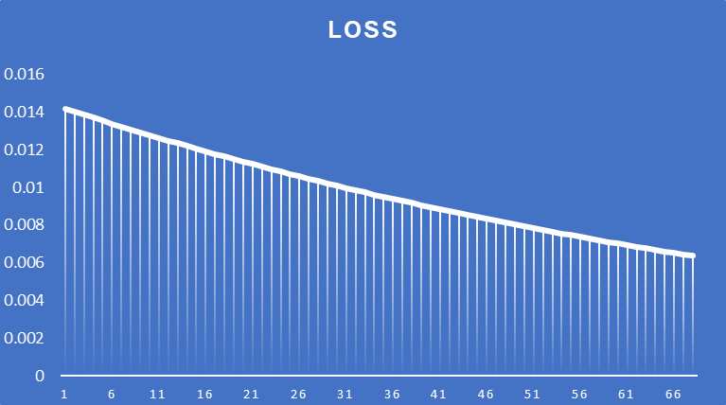

Error Rate | 0.5 |  | Error Rate | 0.8 | Optimal learning rate and loss is reducing continously

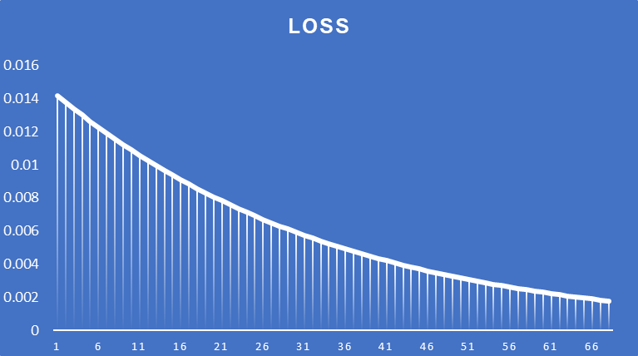
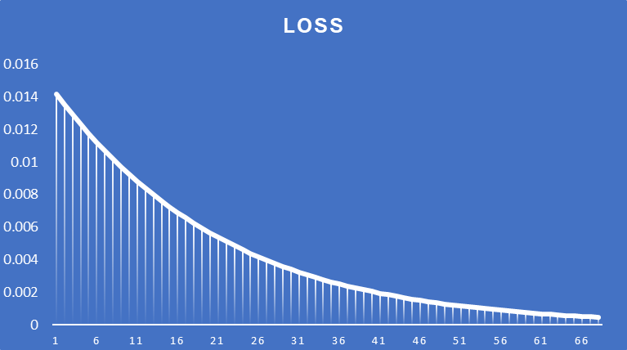

Error Rate | 1 | Loss is zero after 66 epochs | Error Rate | 2 | Loss is zero after 36 epochs

