Front Page
SQ Birichina Cost Sheet
Product Development Centre

Style No: | Rex 2Pk Clovis Padded Triangle Soft Bra (Big Sizes) (S-7) |  |  | Rex 2Pk Clovis Padded Triangle Soft Bra (Big Sizes) (S-7)

BUYER : | H&M | DATE CREATED : | 2022-05-16
DESCRIPTION : | Triangle Bra | DATE UPDATED : | 2023-10-25
COLOR : | Solid | DATE REVISED : | 2022-06-14
SEASON : | S-7 | COSTING IE : | Md. Ferdous Kamal
VERSION : | Costing | DEV. MERCHANT : | Monsur-Salman

GARMENT SKETCH/IMAGE/ARTWORK
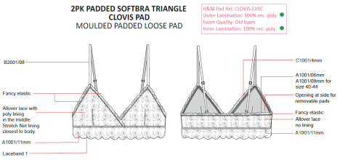
Md. Ferdous Kamal |  | Md. Ashraful Bari
……………...……………… |  | ……………………………… | ...………………………………
Prepared By. / Date |  | Checked By. / Date | Approved By. / Date
Asst. Manager (IE) |  | Manager (IE) | CEO
 |  |  |  |  | 3T O/L | Neaten both cup opening | 0.22
 |  |  |  |  | SND/LS | T/st at both cup opening w/trim | 0.24
 |  |  |  |  | 3T O/L | Make dart at both inner bttm cups | 0.36
 |  |  |  |  | 3T O/L | Make dart at both outer w/mid bttm cups together | 0.52
 |  |  |  |  | SND/LS | T/st at both outer cups dart | 0.38
 |  |  |  |  | SND/LS | Baste both cups inner w/outer | 0.98
 |  |  |  |  | 1stp/ZZ | Att lace w/elastic at neck of both cups w/trim | 0.4
 |  |  |  |  | SND/LS | Tack both cup at CF | 0.28
 |  |  |  |  | 4T O/L | Join 1st side seam | 0.2
 |  |  |  |  | SND/LS | Tack loops at bttm wing | 0.22
 |  |  |  |  | 1stp/ZZ | Att lace w/elastic at bottom band & trim | 0.66
 |  |  |  |  | 1stp/ZZ | T/st at bttm band w/trim | 0.68
 |  |  |  |  | SND/LS | Tack label | 0.16
 |  |  |  |  | 4T O/L | Join 2nd side seam w/label | 0.24
 |  |  |  |  | 3stp/ZZ | Att lace w/elastic at both u-arm & top wing w/trim | 0.64
 |  |  |  |  | SND/LS | Close stitch at both cup apex lace | 0.24
 |  |  |  |  | BT | Secure at 2nd side seam w/trim *2 | 0.22
 |  |  |  |  | BT | Cut to length & BT strap w/ring & slider w/trim *2 | 0.68
 |  |  |  |  | OP | Insert & adjust ring & slider | 0.36
 |  |  |  |  | SND/LS | Tack strap at both cup apex & wing | 0.58
 |  |  |  |  | BT | BT at both cup apex & wing w/trim *6 | 0.6

