readme
GitHub | https://github.com/prasanth-ntu/fastai-course22/blob/master/xl/titanic.xlsx

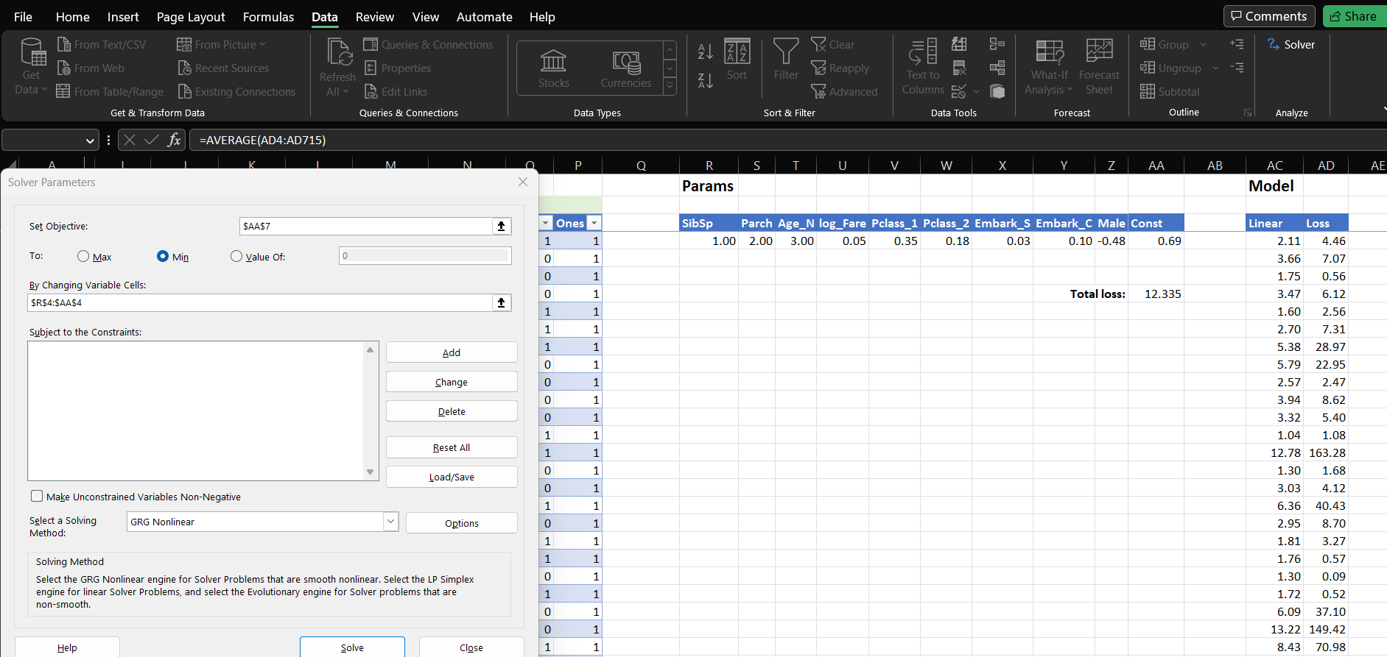
Sheet | all_rows!A1
Purpose | Original titanic data downloaded from kaggle - https://www.kaggle.com/c/titanic/data

Sheet | linear!A1
Purpose | Linear Regression model that predicts whether the Passenger survived or not
Steps | 1. Data cleaning and preprocessing
 | Rows (i.e., passengers) with missing data (e.g., Age, Embarked columns) are removed
 | Converted "Embarked", "Pclass" and "Sex" into one-hot encoding
 | Since "Age" values are way bigger than other columns, divided it by Maximum
 | Since "Fare" values are way bigger than other columns and right skewed (few really big numbers, lots of small numbers), log normalised it
 | Added column "Ones" to factor in constant term (w0)
 | 2. Initialise parameters randomly
 | 3. Defined the model
 | Linear: y=w1x1 + w2x2 + … + wnxn + w0
 | Loss: L = (y-y_pred)^2
 | Total loss or Cost: Average of loss across all data points
 | 4. Optimizer
 | Use Excel's eq. of Gradient Descent Optimizer: Data > Solver to minimise the total loss by adjusting the params. Refer the screenshot for more details
Comments | We do not have anyway of constraining the outputs between 0 and 1. Let's try it out in the next model (NN)

Sheet | nnet!A1
Purpose | Simple NN model that predicts whether the Passenger survived or not
Steps | 1. Data cleaning and preprocessing - Similar to Linear
 | 2. Initialise parameters randomly
 | We add two set of parameters
 | 3. Defined the model
 | Linear: y_1=w11x1 + w12x2 + … + w1nxn + w10
 | Linear: y_2=w21x1 + w22x2 + … + w2nxn + w20
 | Add non-linearity using ReLU
 | ReLU1 = max(0, y_1)
 | ReLU2 = max(0, y_2)
 | Pred = ReLU1 + ReLU2
 | Loss: L = (y-y_pred)^2
 | Total loss or Cost: Average of loss across all data points
 | 4. Optimizer
 | Use Excel's eq. of Gradient Descent Optimizer: Data > Solver to minimise the total loss by adjusting the params. Refer the screenshot for more details
Comments | We have constrainted the pred output to be between [0, infinity]

Sheet | mmult!A1
Purpose | Simple NN model (using Matrix Multiplication) that predicts whether the Passenger survived or not
Steps | 1. Data cleaning and preprocessing - Similar to Nnet
 | 2. Initialise parameters randomly - Similar to Nnet
 | 3. Defined the model - Similar to Nnet
 | We use "Matrix Multiplication" (a single function) to do the whole linear calculation
 | 4. Optimizer - Similar to Nnet
Comment | Results will be similar to previous Nnet section

