Day-2
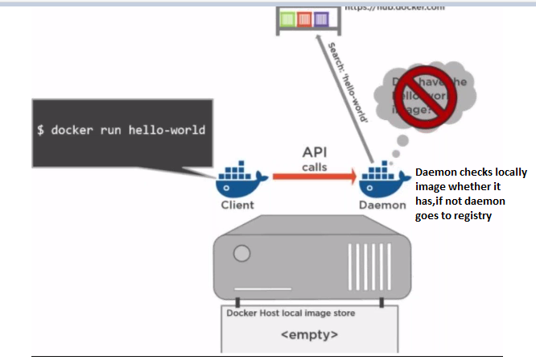
S.No | Question | Answers
1 | Docker hub | it is like android playstore
2 | What is that we're going to do with docker | Easy way to create and use application
 |  | It is like playstore or swiggy
3 | Docker Hub architecture
 | docker client | our shell docker command
 | docker daemon | docker service
 |  | it would check locally whether it has copy
 | docker registry [docker hub] | Repository of docker images
 |  | organizational registary we will have in firms
4 | if I wanted to have only image,not container how do we do | docker pull
5 | docker pull | just downloads image
6 | docker run | downloads images if required and start the container
7 | how do check images | docker images
8 | docekr ps | it gives information about container which running right now
9 | docker ps -a | meaning everything whatever we've run
10 | how can we run multiple containers at a time | using cubernates orchestration
11 | image | cant have memory space,just have storage space,it is file format whatever you want to run
12 | container | whenever it executes it has its own running space
 |  | when it has all the features of application we call it as container
 |  | is isolated area,private area for that application
 |  | is isolated area for the execution of the application which we are trying to deploy
 |  | ex: jenkins
13 | communication b/w container | it use standard protocol like TCP, since both containers are in I cant access other container space
14 | how do you send image to docker hub | docker login
 |  | docker push myimage:1.0
 |  | docker logout

Day-3
Sno | Question | Answer
1 | Deleting a container | docker rmi -f jenkins
2 |  | docker ps -a
 |  | get the all the details
 |  | docker rm container name/id
3 | delete all the containers | docker rm $(docker ps -a -q)
 |  | docker run -p 8081:8080 jenkins
 |  | docker run -p 8082:80 nginx
4 | How do you get into container | docker exec -it agitated_jennings /bin/bash
5 | How container work | General
 | physical machine | App
 | OS
 | user space
 | Container
6 | physical machine
 | OS | user space [isolcated user space ] | Container | App
 |  | user space [isolcated user space ] | container | App
 |  | user space [isolcated user space ] | container | App

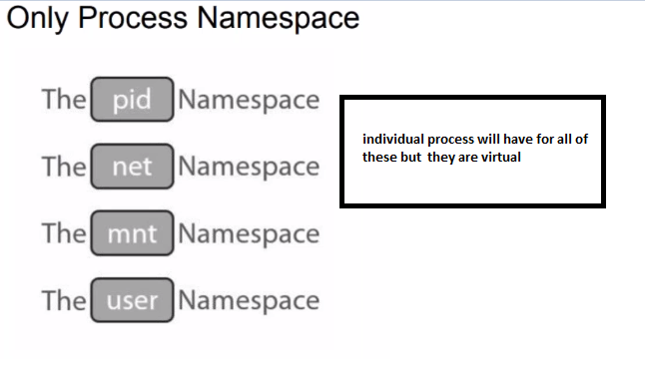
7 | control groups{cgroup} | to control process
 |  | Ex: u have docker, in that docker container trying to run some application, you allocated 512mb ram, now you want to increase it to 2gb using cgroup,
 | EX:- u have installed jenkins, we're seeing jenkins whatever default memory it has ,now I want to increase it
 | Capabilties | Docker doesn’t use os sudo/root id's, it has its own capabilties,
 | root
 | I want a user who to have network capabilities | Cap_Net_Bind_Service
8 | Name Space | identically named resources and isolate them from each other’s view of the system
9 | Capabilties | what sort of permission should have for docker processes
 | Ex : you need permission to control of network,find the right capability
 | Sol:CAP_NET_BIND_SERVICE

Day-8
Sno | Question | Answer
1 | Network | before 1.10 docker network part of docker engine,later it is seperated out to be single component as lib network
 | lib container | release of docker so that they can copup with kernal release
 | lib network | lib network design given by CNM ,implementation of CNM
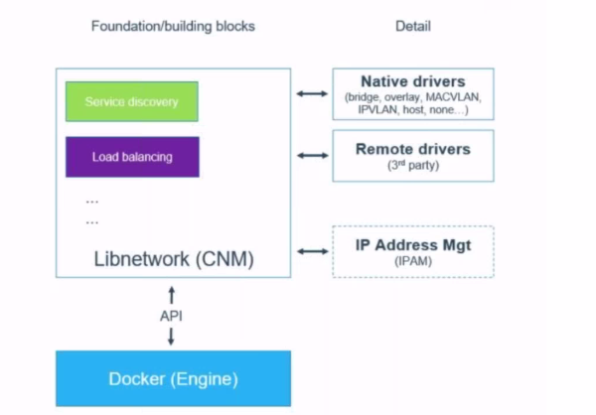
 | container net work model | BASICAL design document,we can think of requirements to container networking it is open source and hosted in git
 | driver | to plugablity to CNM it has driver,to support multiple drive they have written drivers
 | CNM ----> LIB NETWORK ---> DRIVERS
 | Driver types in linux | Overlay,MACVLAN,IPVLAN,Bridge
2 | can extend docker netwrok | yes

3 | CNM vs | CNI
 | container network model | container network interface
 | Docker | Kubernates
 | Docker inc | core OS,inc

4 | CNM terminology
 | 1. Sandbox | nothing but namespace, Pid name,net names(isolated network to container) tcp/http/telnet connectivity {sandbox is actual implementation of netwrok}
 | 2. endpoint [etho {linux} {winows:-network adapter | network interface [ your cotainer having a capability to the network whatever we've created
 | 3. Network | whenever u connect/communicate with multiple containers we call it as network

5 | libnetwork(cnm) | it has concept called as drivers (native and remote drivers
 |  | native drivers : bridge,overlay,MACVLAN,IPVLAN,none(no network)
 |  | remote network(third party)
 |  | lib network has ip management system
6 | Service discovery | it is like when we do ping some ip,it should be pingable, that is service discovery
 | types of docker network scoper | 1.local 2.multi{swarm}
7 | you have 2 machines in the network,in these 2 machines you have docker container,now u want fst machine from container communicate with other machine,then how do you establish network for that | using swarm ( docker swarm works with multi host}
8 | windows network | We call NAT
9 | linux network | We call Bridge network
10 | with bridge network , would we able to communicate with in containers | not possible when we have bridge network, this can achieve in swarm
11 | VXLAN network | it is logical network,that is created b/w 2 machines and there will be compnent of vxlan tunnel and there will something vxlan end point
 |  | vxlan uses udp port (4789) not tcp

