D1-D2
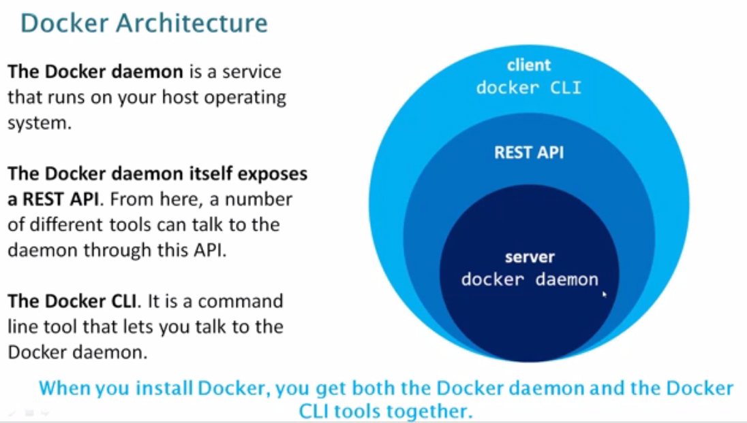
 | docker is combination of multiple layer
1 | Docker PID/CGROUPS/networking/file system
2 | Docker architecture() | daemon/client
3 | Docker registery | docker hub/artifactory:- a place where we maintain images with multiple versions
4 | docker installed default location | /var/lib/docker
5 | how do u run a rpm on particular path | rphm -ivh prefix= path u wanna have(/opt)
6 | docker configure location | /etc/docker/key.json
7 | linux process | systemctl
8 | docker image | an image is read-only template with instructions for creationg container
 | docker image layers | each instruction is a layer , this we can know during building a n image, we can know docker history <image>
9 | container | is a runnable instance of an image.you can create,run,stop,move or delete using docker api or CLI
10 | Services | services allow you to scale containers across multiple docker daemons
11 | tag | version of image
12 | can we have multiple tages for single image | yes
13 | docker pull image | docker image pull <image name>:<tag>(docker image pull httpd:latest
 |  | if u don’t use tag latest ,default it will get latest image
 | listing image | docker image ls
 | running container | docker container run -d httpd:latest
14 | when you pull image where it will get stored | /var/lib/docker
15 | tunnel | 80 on local sever will be redirect to 8080 inside container(linux tunnel port(its virtual)
 |  | Tunneling is a way to transform data frames to allow them pass networks with incompatible address spaces or even incompatible protocols.
 |  | docker container run -d -p 8080:80 --name my-http-1 httpd:latest
 | 80: local server port or host port
15 | list container with all states | docker container ls -a
16 | docker pull example(download)
 | os based image | docker image pull centos:centos6.9
 | accessing os | docker container run -I -t --name mycentos <imageid>
 | I :interactive (meaning running command)
 | t : terminal
17 | stop container | docker container stop <container id>
 | remove completely | docker container rm <container id>
 | pause | docker container pause <container id>
 | unpause | docker container unpause <container id>
 | prune(to remove all stopped containers) | docker container prune
18 | can we manage chef client with docker | no
19 | container types | OS based
 |  | Application Based
20 | xen | is a hypervisor uses by aws like vmware
21 | control groups | limiting ur resources/containers only for specified amount of cpu and ram

Instructions
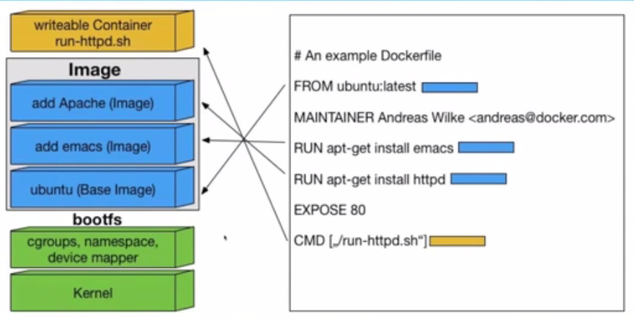
mosed used
FROM | on what base image I should perform next steps.subsequent instructions will use this base image and build on top of it.
LABEL | we can add metadata like when is build date,version of this dockerfile,release date etc.. We can add it(not mandatory)
MAINTAINER | who has written it(not mandatory)
COPY | COPY FROM DOCKER HOST(LOCAL) FS TO DOCKER IMAGE <COPY <SRC> <TGT>
ADD | SIMILAR TO COPY ,BUT IT Can download files from remote url(TAR)
EXPOSE | to open up container port for communicating from container to external world
ENV | to set environmental variables in the new image (ENV JAVA_HOME /opt/java1.98/bin/java)
ARG
USER | to make use of use we use this
WORKDIR | default location where u want to be after container launch
CMD | similar to RUN command it can run any command,major difference is time of exection
 | CMD Will not during image build process, it will execute during container run process
RUN | this is the real workhorse during the build.to run any normal command like install anything. It can run any commnad like rename file/restart/create files or directory
 | each time u write RUN command it will create those many no.of layers. To avoid use &&

cmd vs run | both are to run any command,major difference is time of exection
 | cmd will run only during container process
 | to run cmd it has to run on read & write layer
 | here our aim to run apache post or during container process run hence
 | EXPOSE 7373/udp 8080
 | Notes:
 | layer : 1. Base image layer(read only layer) 2. Run image layer(read only layer) 3.expose layer(read only layer) 4. Run apache application layer(writable layer)
 | in readonly layer we cannot run anything bcoz its readonly and we need read write execute permission to run
 | my cmd of apache start up will run on writable container layer
 | maintainer and label doesn’t occupy much ,may be 1kb or 2kb

