Networking
Sno |  |  | Type | Range |  | Reserved range | private range | uses by
1 | How many classes we have in networking | 5 | class a | 0.0.0.0 | 126.255.255.254 | 127.0.0.1 | 10.0.0.0 | ISP+large enterprise
 |  |  | class b | 128.0.0.0 | 191 | 169 | 172 | ISP+small & medium enterprises
 |  |  | class c | 192 | 223 | 192 |  | ISP+home
 |  |  | class d | 224 | 239 |  |  | multi casting
 |  |  | class e | 250 | 254 |  |  | research and Dev(telecom etc)
2 | CIDR(class intera domain routing | Meaning you don’t have to follow classes
 |  | You can take ISP/ multicast or research network and build network hence CIDR

3 | VPC | this is fully build network by AWS
 |  | we can create subnet,router,NAT,IGW and Peering
 |  | subnet is one function
 |  | router is one funtion
 |  | nat is one function
 |  | igw is one function
 |  | peering is one function
 |  | aws uses class b network
4 | How do you prepare network | any best practices we have to mitigate single point of failure therefore build redundant network
 |  | first understand how many ip's are needed for biz (predict future too)
 |  | 10.0.0.0 is the private range for ISP + large firms
 |  | 10.0.0.0/21= each bit is 21 so we will be getting 2048 ip (https://ipduh.com/ip/cidr/)
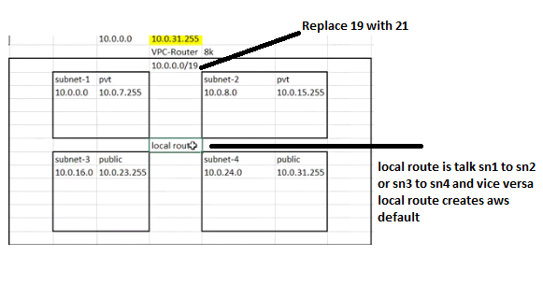

AZ -B

Az- A

5 | aws vpc limits | vpcs per region is 5,subnets 200,cidr 5,ipv6 1, elastic ip 5 per region

6 | When you create a subnet ,routed which one | local, for communication b/w subnets each other
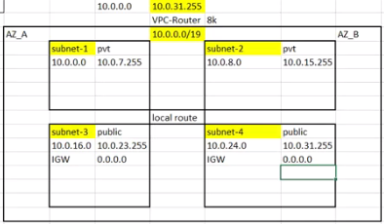
7 | adding subnets for public | add igw with 0.0.0.0 |  | NAT
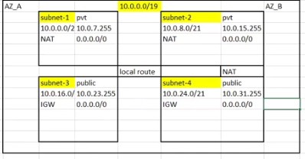

8 | when u create a subnet ,would it be private or public subnet | private, for public explictly we have to tell

9 | I have private subnet but to install os updates or etc I need internet how ? Not directly from igw | 1.copy subnet id of igw enabled 2. go to nat gateway (create,it will ask for subnet provide subnet id of igw enabled and generate eip -->create NAT gateway)
 |  | 3.edit route table --choose private route--route-- edit-- add route---select target natateway---destination 0.0.0.0/0
 |  | 4.subnet association choose private subnets and save

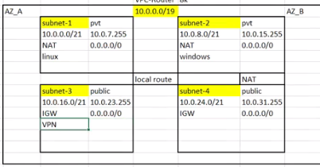
10 | SAY I want to enable vpn ,which side u host in private or public | has to be in public network to get connected

11 | How do I connect to private of ec2machine from public | create vpn within public subnet
 |  | subnet should have NAT with public
 |  | create /launch ec2 machines

vpc practo
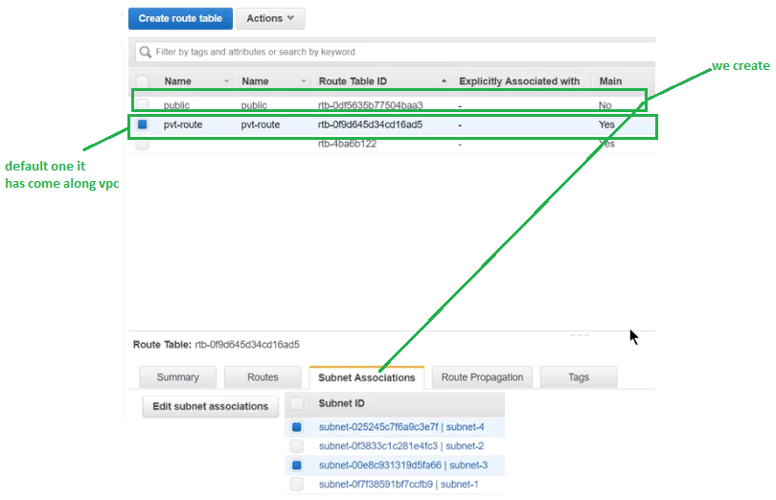
1 | 2
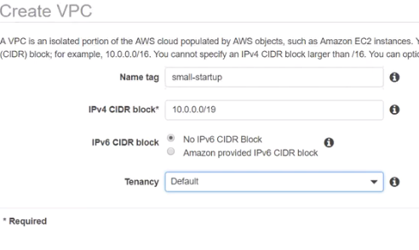
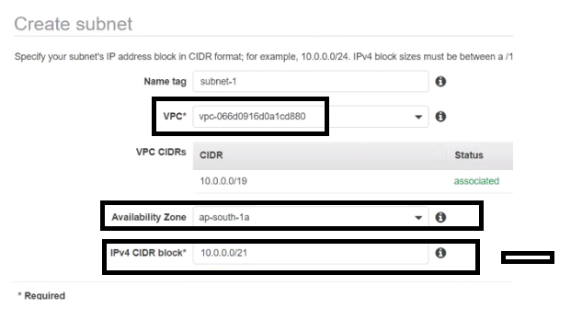

 |  | 3
9:IGW
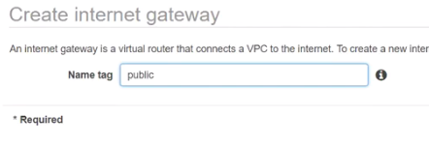

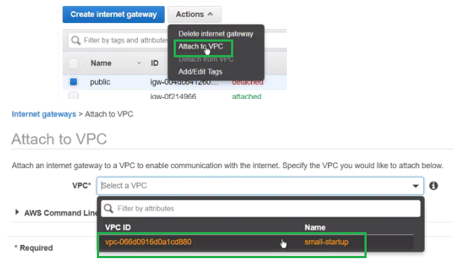
 |  | 4
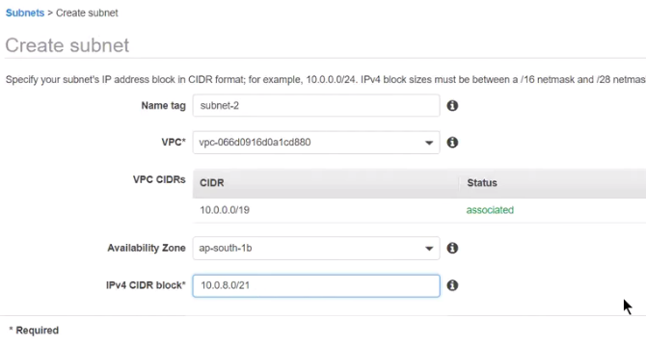

 |  | 5
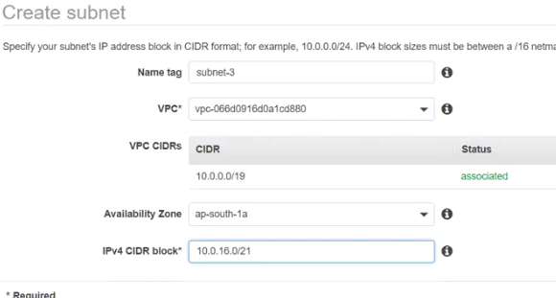

 |  | 6
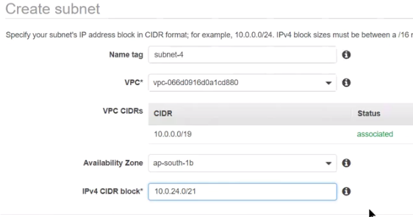

 |  | 7: adding subnets for public(applications)
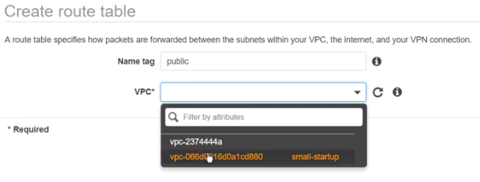

 |  | 8

