Sheet1
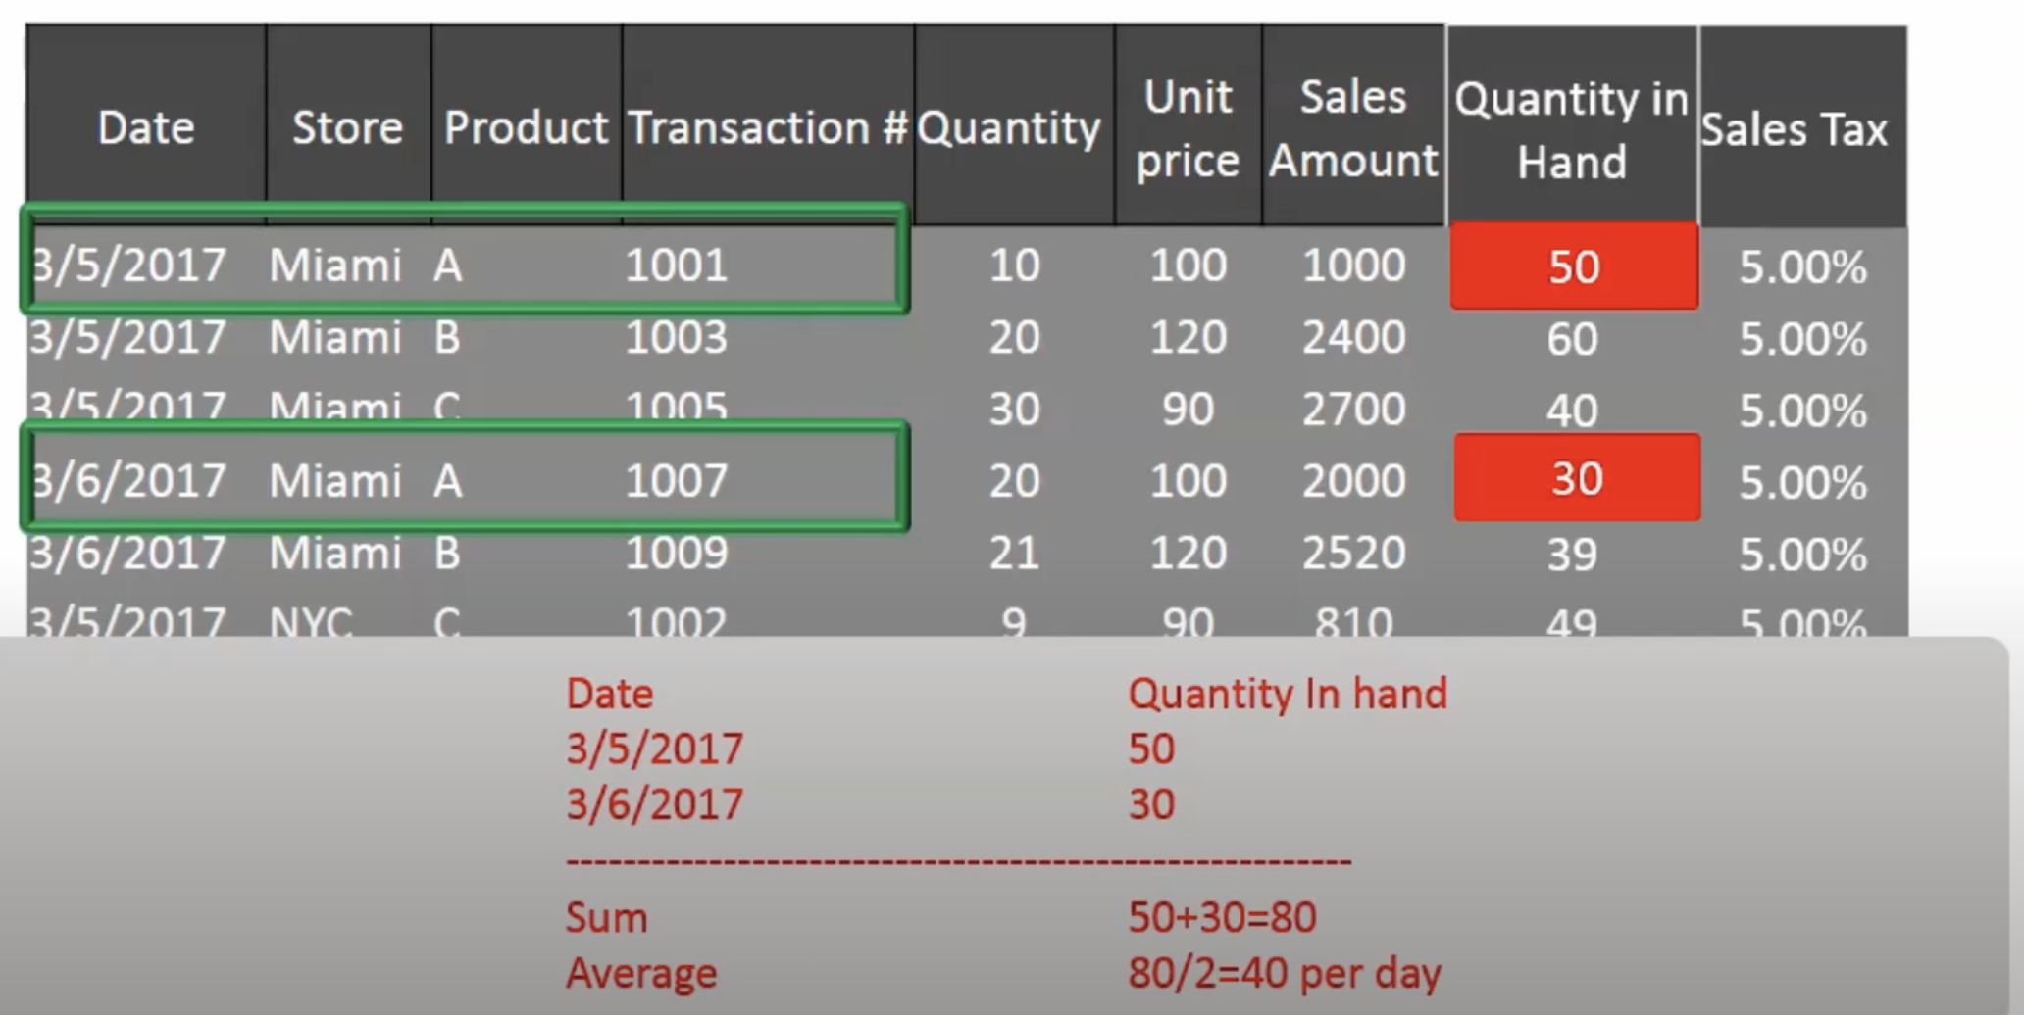

Semi addtive .. aggreated across some facts , prod invntory across store and prod not date |  |  |  |  | can be avraged
full addative | aggregated acros all facts like unit sales , sales amout
non addative cannot be aggragated at all salestax,unit price perctage , ratio

Types of fact
Transation | mostly daily data
Peroidic snapshot |  | to collect status of entity like avilablity of hospital bed , each row for each status
accumalting fact |  | data / status over a given time , order details , date for each milestone or each phase of order

Facts and measures |  | Date,Store,Product -> Text , Quantity,Unit Price , Sales Amount -> Numeric
Facts give quantivie details |  | and numeric
descriptive entity are dimens

grain in fact lowest/atmic level of fact |  |  | , level at which facts are measured Date+store+product , level at which data is stored

late arrving dimension

factless fact
files types , batch and real time data challanges
ods , mdm
data modelling

data modelling interview questions
dimension modelling
late arriving dimension
What is the fact less fact
Define data sparsity
What is metadata
types of normalization
What is PDAP
Data Cube
What is junk dimension
) strong entity, and 2) weak entity.
Granularity

different data models |  | Conceptual | Logical | Physical

when to use normalize vs denorm
ods
DataWH
DataMart

degenerate dim | dim attribute in fact table , its not measurable

