Sheet1
What is a ETL ?
What is a ELT?
List out the various tools used in ETL
Draw the mechanism of ETL
What is a datalake
What is a data warehouse
OLTP VS OLAP
What are all the various analytical tools that can be connected with Datawarehouse?
Explain the different stages used in ETL
Explain 3 use cases for NOSQL
What are all the characteristics of a nosql
What are all the tools used to analyse nosql

What is a ETL ?
ETL is a process that extracts the data from different source systems, then transforms the data (like applying calculations, concatenations, etc.) and finally loads the data into the Data Warehouse system. Full form of ETL is Extract, Transform and Load.

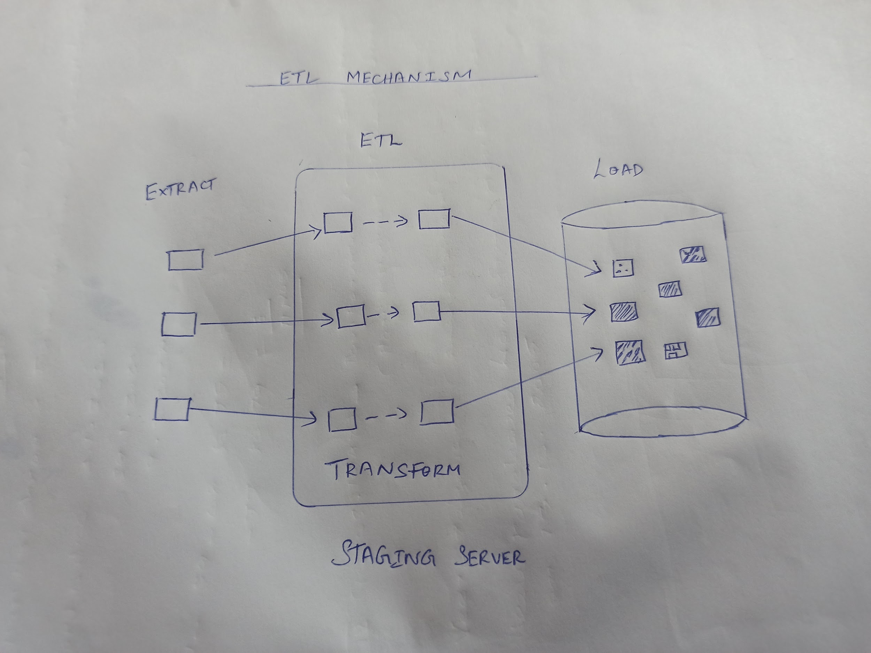
What is a ELT?
Extract/load/transform (ELT) is the process of extracting data from one or multiple sources and loading it into a target data warehouse. Instead of transforming the data before it’s written, ELT takes advantage of the target system to do the data transformation.

List out the various tools used in ETL
INFORMATICA POWER CENTER, APACHE AIR FLOW, IBM INFOSPHERE Datastage, Oracle Data Integrator.

Draw the mechanism of ETL

What is a datalake

The data lake is a very large data store that contains data from a wide variety of sources in its raw form. It can contain both unstructured and structured data and can be used for big data analysis The term Data Lake means a very large data store. Unlike normal databases, it contains data in its original raw format. The data lake can be fed from a wide variety of sources. Data can be structured or unstructured and does not need to be validated or reformatted prior to storage. In addition to text-based or number-based data, the data lake can also record images, videos, or other data formats. Structuring and, if necessary, reformatting the data in question only takes place when the data is needed.

What is a data warehouse

A data warehouse, or enterprise data warehouse (EDW), is a system that aggregates data from different sources into a single, central, consistent data store to support data analysis, data mining, artificial intelligence (AI), and machine learning.

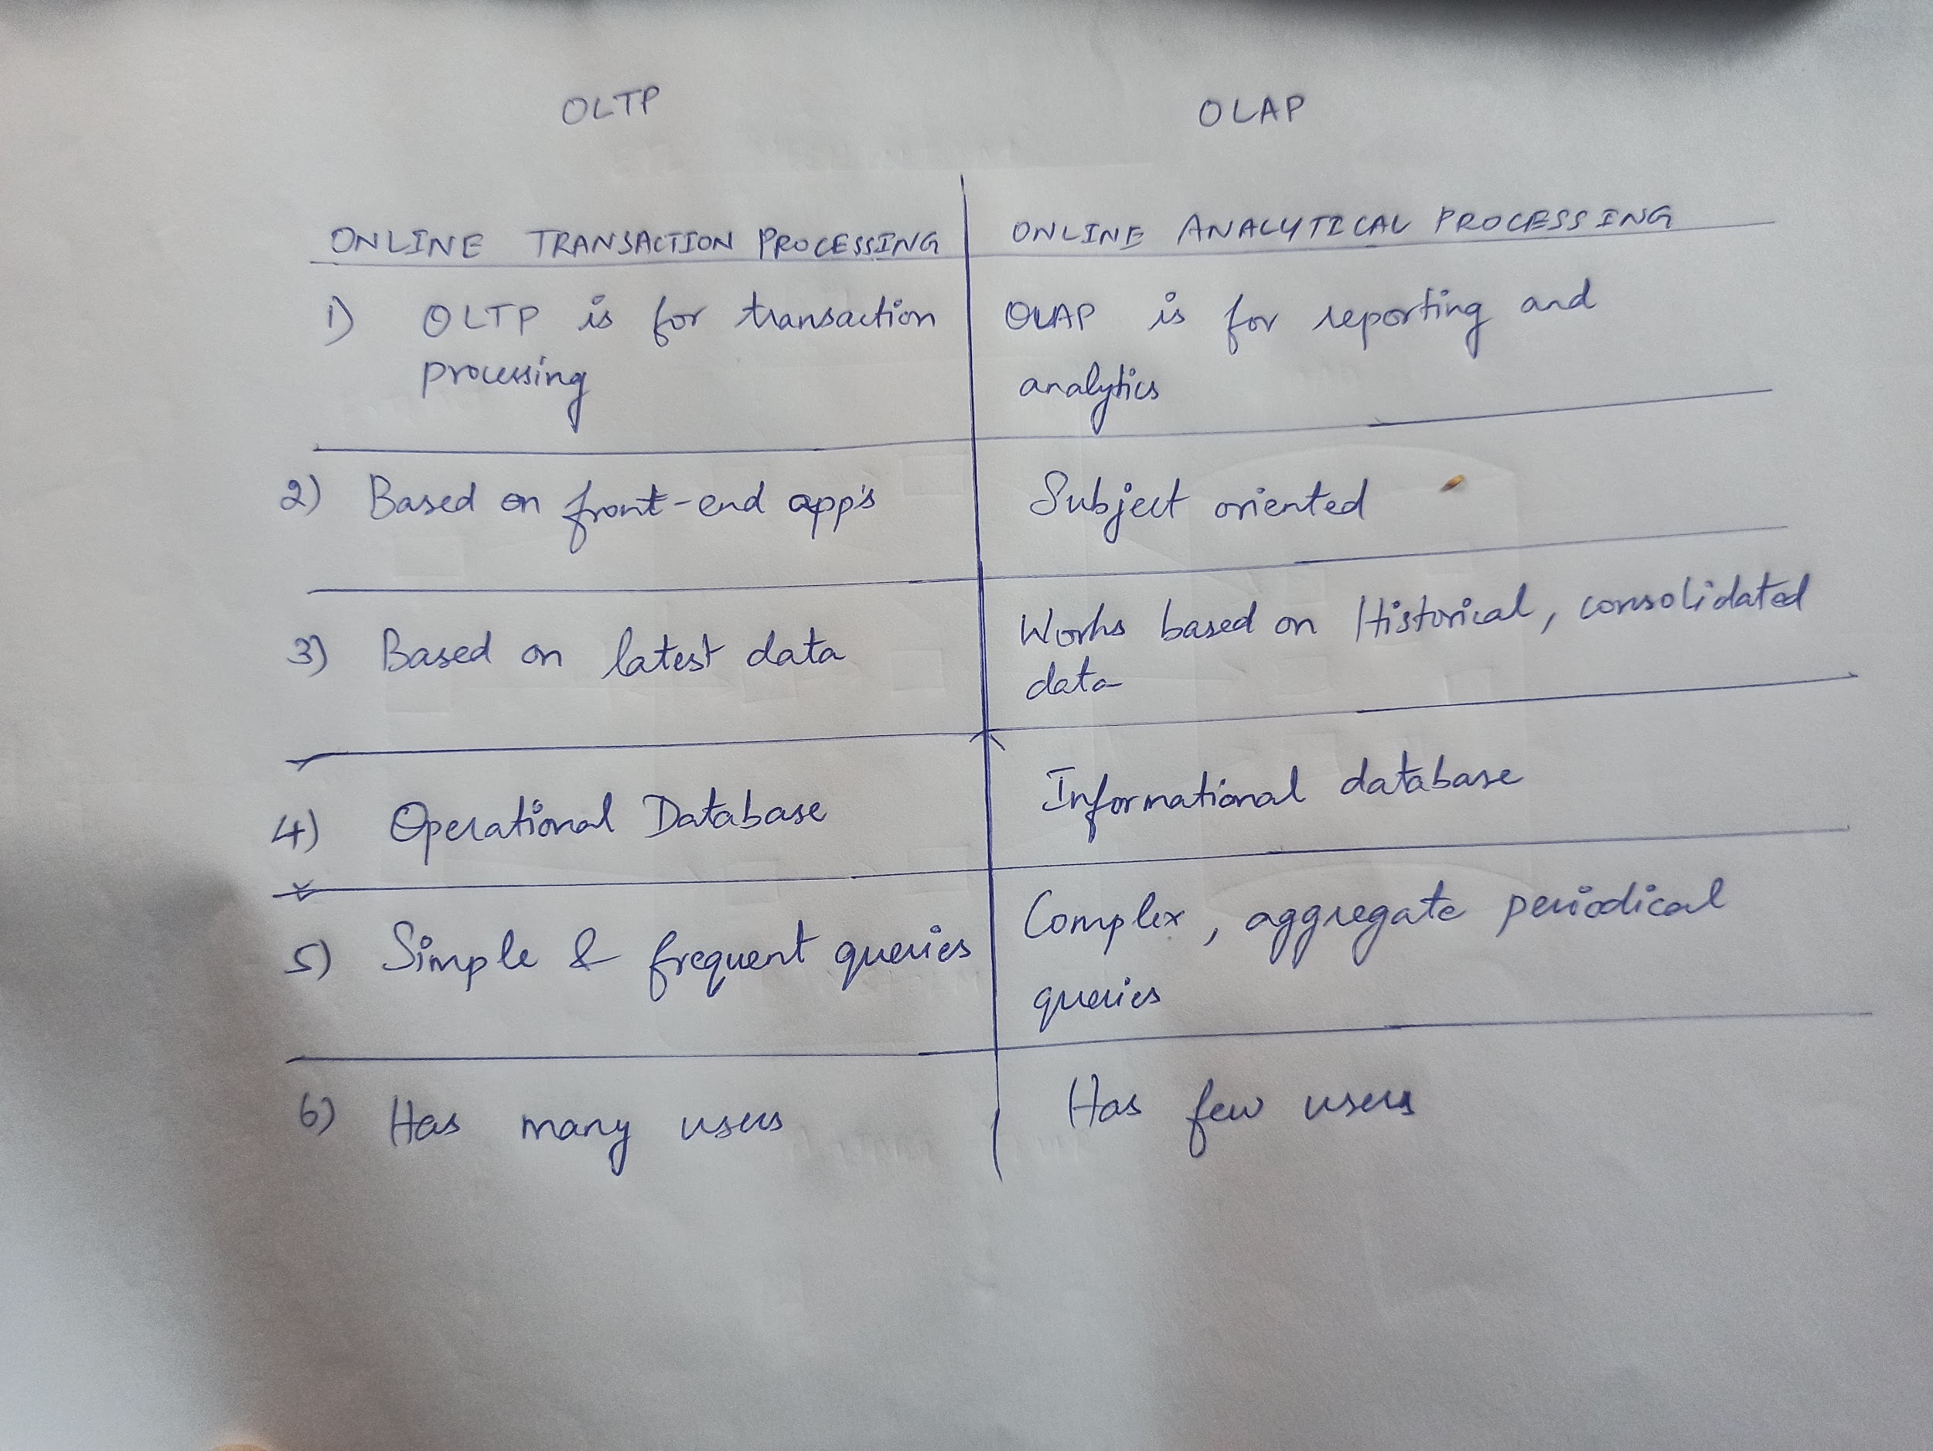
OLTP VS OLAP

What are all the various analytical tools that can be connected with Datawarehouse?

PowerBi, Tableau, SAP Business Objects, Qlik , Google Data Studio , Redash

Explain the different stages used in ETL

The three stages of the ETL process are: extraction, transformation, and loading. During the extraction stage, data is collected from multiple sources and stored in a staging area. Next, in the transformation stage, the extracted data undergoes transformation, which can include cleaning and conversion, into a format suitable for analysis. Finally, in the loading stage, the transformed data is transferred to the target system, allowing organizations to make data-driven decisions.

Explain 3 use cases for NOSQL

Personalization. A personalized experience requires data, and lots of it – demographic, contextual, behavioral and more. The more data available, the more personalized the experience.

Profile Management. User profile management is core to Web and mobile applications to enable online transactions, user preferences, user authentication and more.

Customer 360° View. Customers expect a consistent experience regardless of channel, while the enterprise wants to capitalize on upsell/cross-sell opportunities and to provide the highest level of customer service.

What are all the characteristics of a nosql

1) Less complex to work
2) Independent of schema
3) Better scalability
4) Flexibility
5) Durability

What are all the tools used to analyse nosql

MongoDB Compass
Panoply
Knowi
Tableau
Finereport
Cluster Control
Izenda

