Summary
Category | Count
Passed | 5
Failed | 1
Skipped | 0
Total | 12
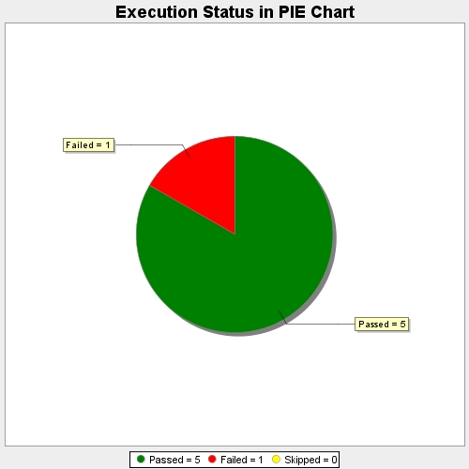
Start Time | 2017-10-31T12:43:15Z
End Time | 2017-10-31T13:02:26Z
Duration | 1150736 ms

