OWASP Summary
 | Strength | Progress | Elapsed | Reqs | Alerts | Status
Analyser |  |  | 0:00:00 | 1
 |  | https://taxbreeze-stguatapi.azurewebsites.net/
Plugin
Path Traversal | Medium | 100 | 0:00:02 | 51 | 0 | Completed
Remote File Inclusion | Medium | 100 | 0:00:01 | 30 | 0 | Completed
Server Side Include | Medium | 100 | 0:00:01 | 12 | 0 | Completed
Cross Site Scripting (Reflected) | Medium | 100 | 0:00:00 | 9 | 0 | Completed
Cross Site Scripting (Persistent) - Prime | Medium | 100 | 0:00:00 | 3 | 0 | Completed
Cross Site Scripting (Persistent) - Spider | Medium | 100 | 0:00:00 | 3 | 0 | Completed
Cross Site Scripting (Persistent) | Medium | 100 | 0:00:00 | 0 | 0 | Completed
SQL Injection | Medium | 100 | 0:00:03 | 78 | 0 | Completed
Server Side Code Injection | Medium | 100 | 0:00:01 | 24 | 0 | Completed
Remote OS Command Injection | Medium | 100 | 0:00:03 | 96 | 0 | Completed
Directory Browsing | Medium | 100 | 0:00:00 | 3 | 0 | Completed
External Redirect | Medium | 100 | 0:00:01 | 27 | 0 | Completed
Buffer Overflow | Medium | 100 | 0:00:00 | 3 | 0 | Completed
Format String Error | Medium | 100 | 0:00:00 | 9 | 0 | Completed
CRLF Injection | Medium | 100 | 0:00:01 | 21 | 0 | Completed
Parameter Tampering | Medium | 100 | 0:00:00 | 9 | 0 | Completed
Script Active Scan Rules | Medium | 100 | 0:00:00 | 0 | 0 | Skipped, no scripts enabled.

Totals |  |  | 0:00:15 | 379 | 0
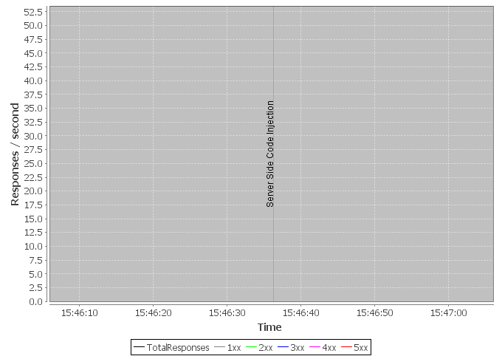

End

