Embedded Images
Prompt used for bbox : Act as an object detection model and detect the liquid spilled on the floor in the image and return the normalised bbox coordinates. [Xmin,Ymin,Xmax,Ymax] Prompt used for liquid type detection : (Identify what kind of liquid is spilled on the ground from the following liquids : Water , Milk , Juice) Prompt used for RGB + IR images for liquid type detection : The two images are of same but one is RGB image and other is IR image (captured by non thermal IR camera) . Analyse both the imahes and Identify what kind of liquid is spilled on the ground from the following liquids : Water , Milk , Juice)
 | Juice
original | 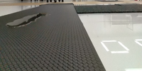 | 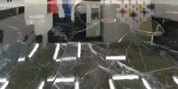 | 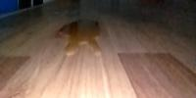 | 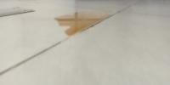 |  | 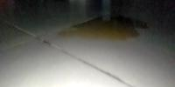 | 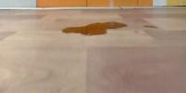
gemini 2.5 pro Bbox | 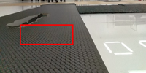 | 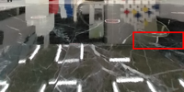 | 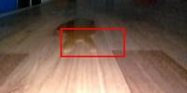 | 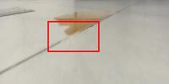 | 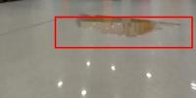 |  | 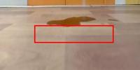
RGB full Liquid Type | water | water | juice | juice | juice | juice | juice
RGB cropped Liquid type | water | water | juice | juice | juice | juice | juice
RGB + IR full liquid | water | water | juice | juice | juice | juice | juice

 | Milk
original | 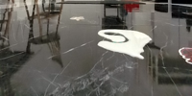 | 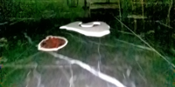 | 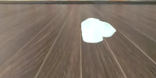 | 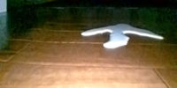 | 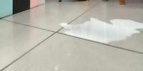 | 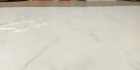 | 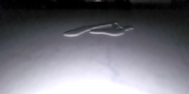
gemini 2.5 pro Bbox | 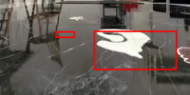 | 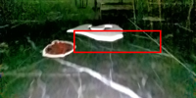 | 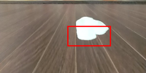 | 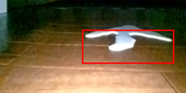 | 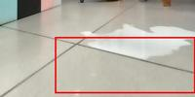 |  | 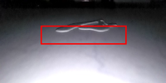
RGB full Liquid Type | milk | milk | milk | milk | milk | water | milk
RGB cropped Liquid type | milk | milk | milk | milk | milk | water | milk
RGB + IR full liquid (The two images are of same but one is RGB image and other is IR image (captured by non thermal IR camera) . Analyse both the imahes and Identify what kind of liquid is spilled on the ground from the following liquids : Water , Milk , Juice) | milk | milk | milk | milk | milk | water | milk

 | Water
original | 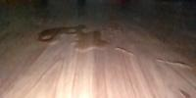 | 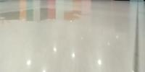 |  |  | 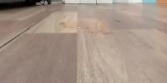 | 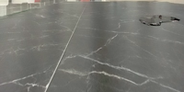 | 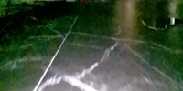
gemini 2.5 pro Bbox | 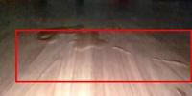 | 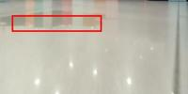 |  |  | 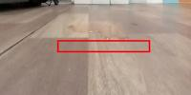 | 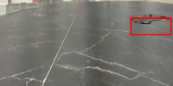 | 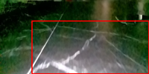
RGB full Liquid Type | juice | juice | water | water | water | water | water
RGB cropped Liquid type | juice | juice | water | water | water | water | water
RGB + IR full liquid | juice | juice | water | water | water | water | water

