Images
Image 1


Image 2
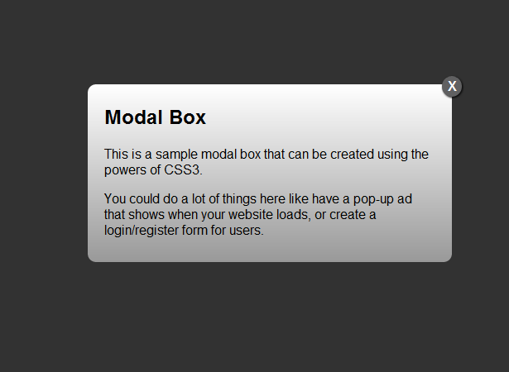

Image 3
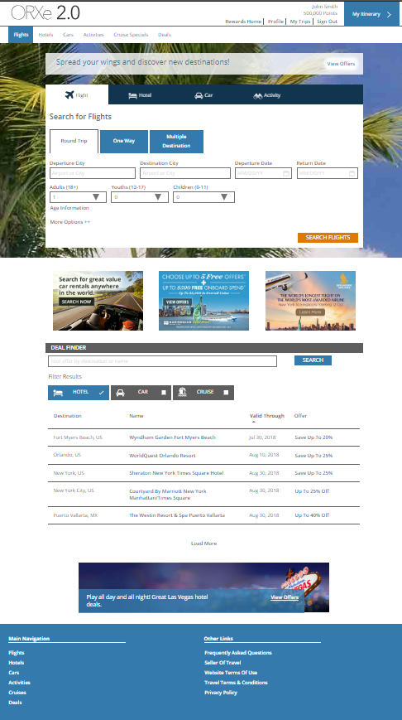

Image 4

Image 5
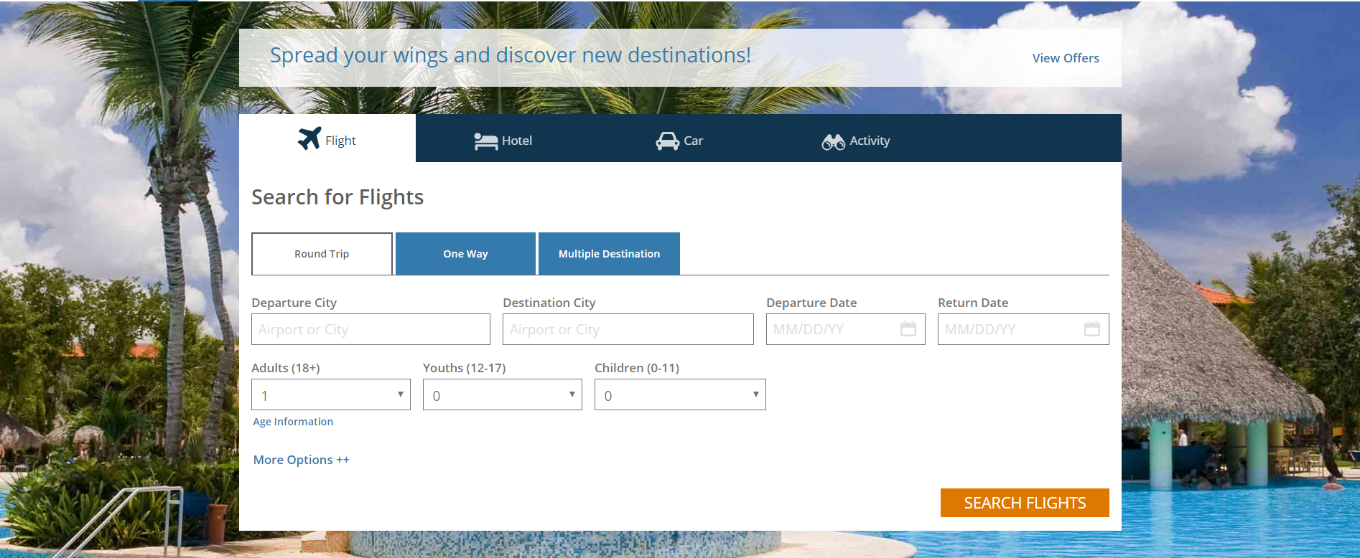


Background Image

Image 6 for Grid

Image 7 for Table

Image 8 for Banner Image

Image 9 for Site Links

