ER
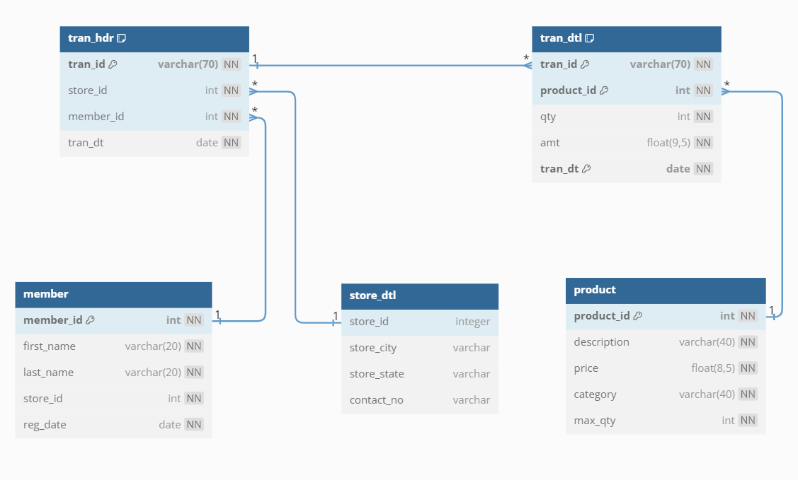
Retail Analytics REQUIRMENT SPECIFICATION
Entity Relationship Model
1
∞
∞
∞
∞
 |  |  | Tran_hdr |  | Tran_dtl
 |  |  | tran_id | varchar | tran_id | varchar
 |  |  | store_id | int | product_id | int
 |  |  | member_id | int | qty | int
 |  |  | tran_dt | date | amt | float
 |  |  |  |  | tran_dt | date
1
1
1
 | Member |  |  |  |  |  | Product
 | member_id | int |  |  | Store_dtl |  | product_id | int
 | first_name | varchar |  |  | store_id | int | description | varchar
 | last_name | varchar |  |  | store_city | int | price | float
 | store_id | int |  |  | store_state | int | category | varchar
 | reg_date | varchar |  |  | contact_no | date | max_qty | int

Pipeline
Retail Analytics REQUIRMENT SPECIFICATION

PIPELINE and SCHEDULING

Scheduler

tran_hdr
3 years
tran_dtl
3 years

tran_dtl_daily
tran_hdr_daily

Affinity Score
Seasonality Index

Reward by trip count

IPI Algorithm

Pareto Analysis

